Gypsum Worker
Sector name | Occupation name | Equipment name | Minimum number of equipment required (per batch of 30 trainees) | Unit type | Images
 | Gypsum Worker | Measuring tape |  |  | 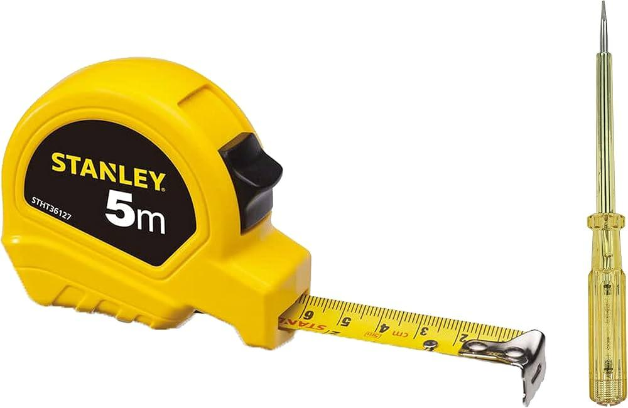
 | Gypsum Worker | Utility knife |  |  | 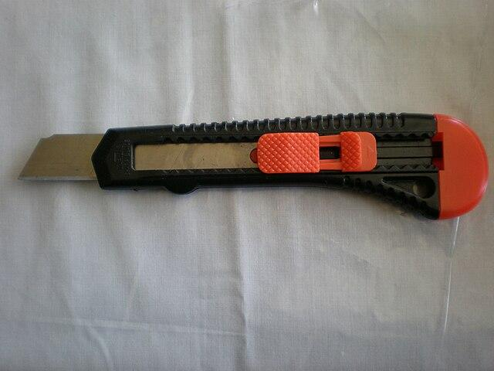
 | Gypsum Worker | T-square |  |  | 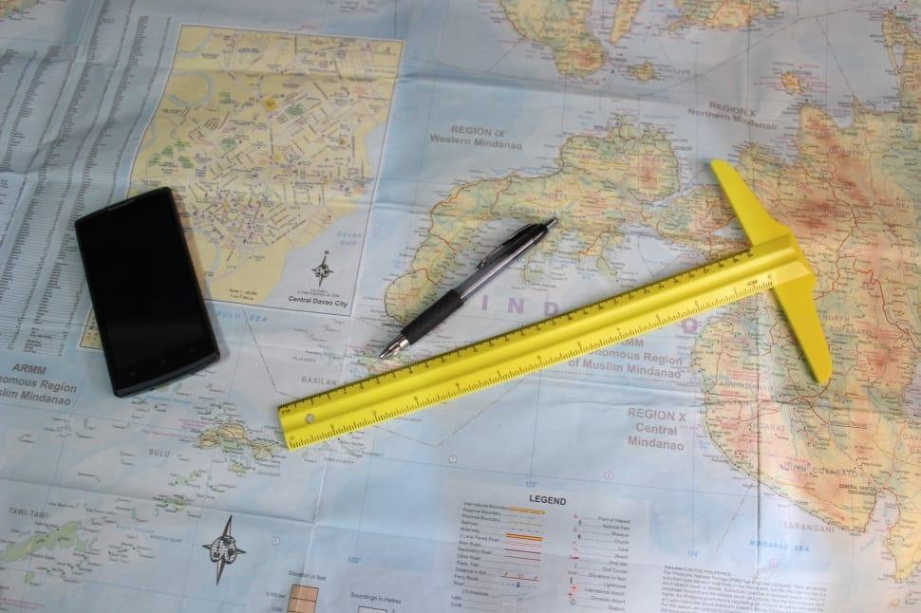
 | Gypsum Worker | Joint compound |  |  | 
 | Gypsum Worker | Trowel |  |  | 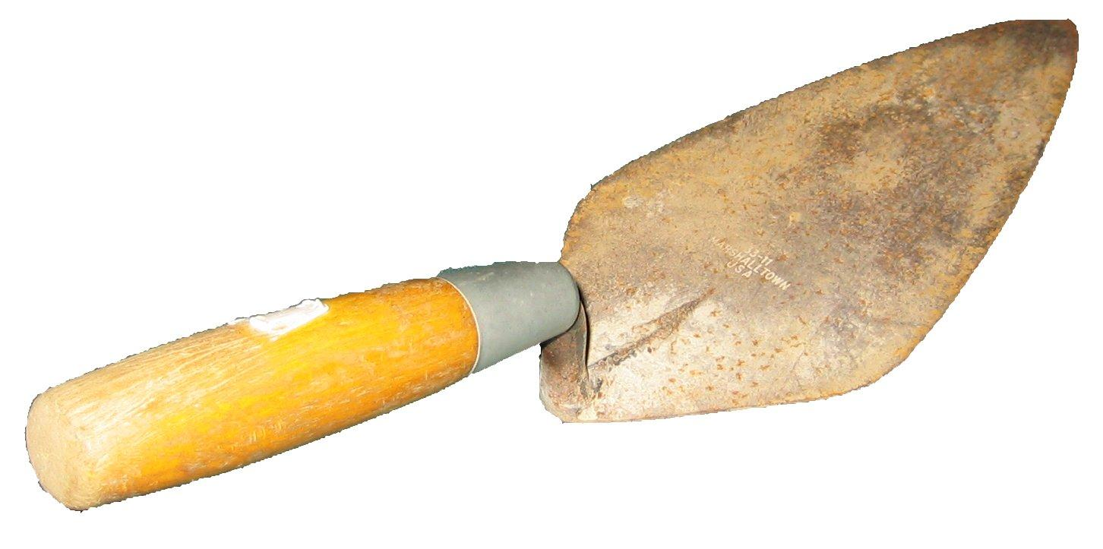
 | Gypsum Worker | Drywall screws |  |  | 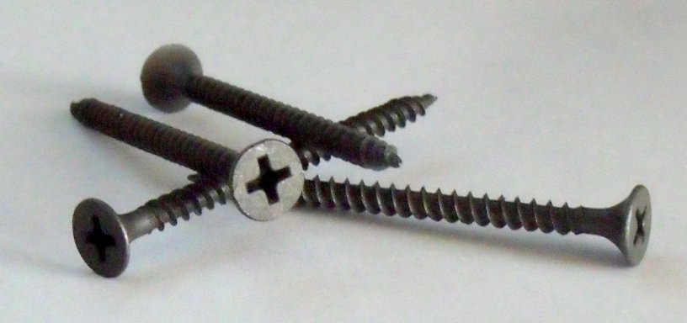
 | Gypsum Worker | Screw gun |  |  | 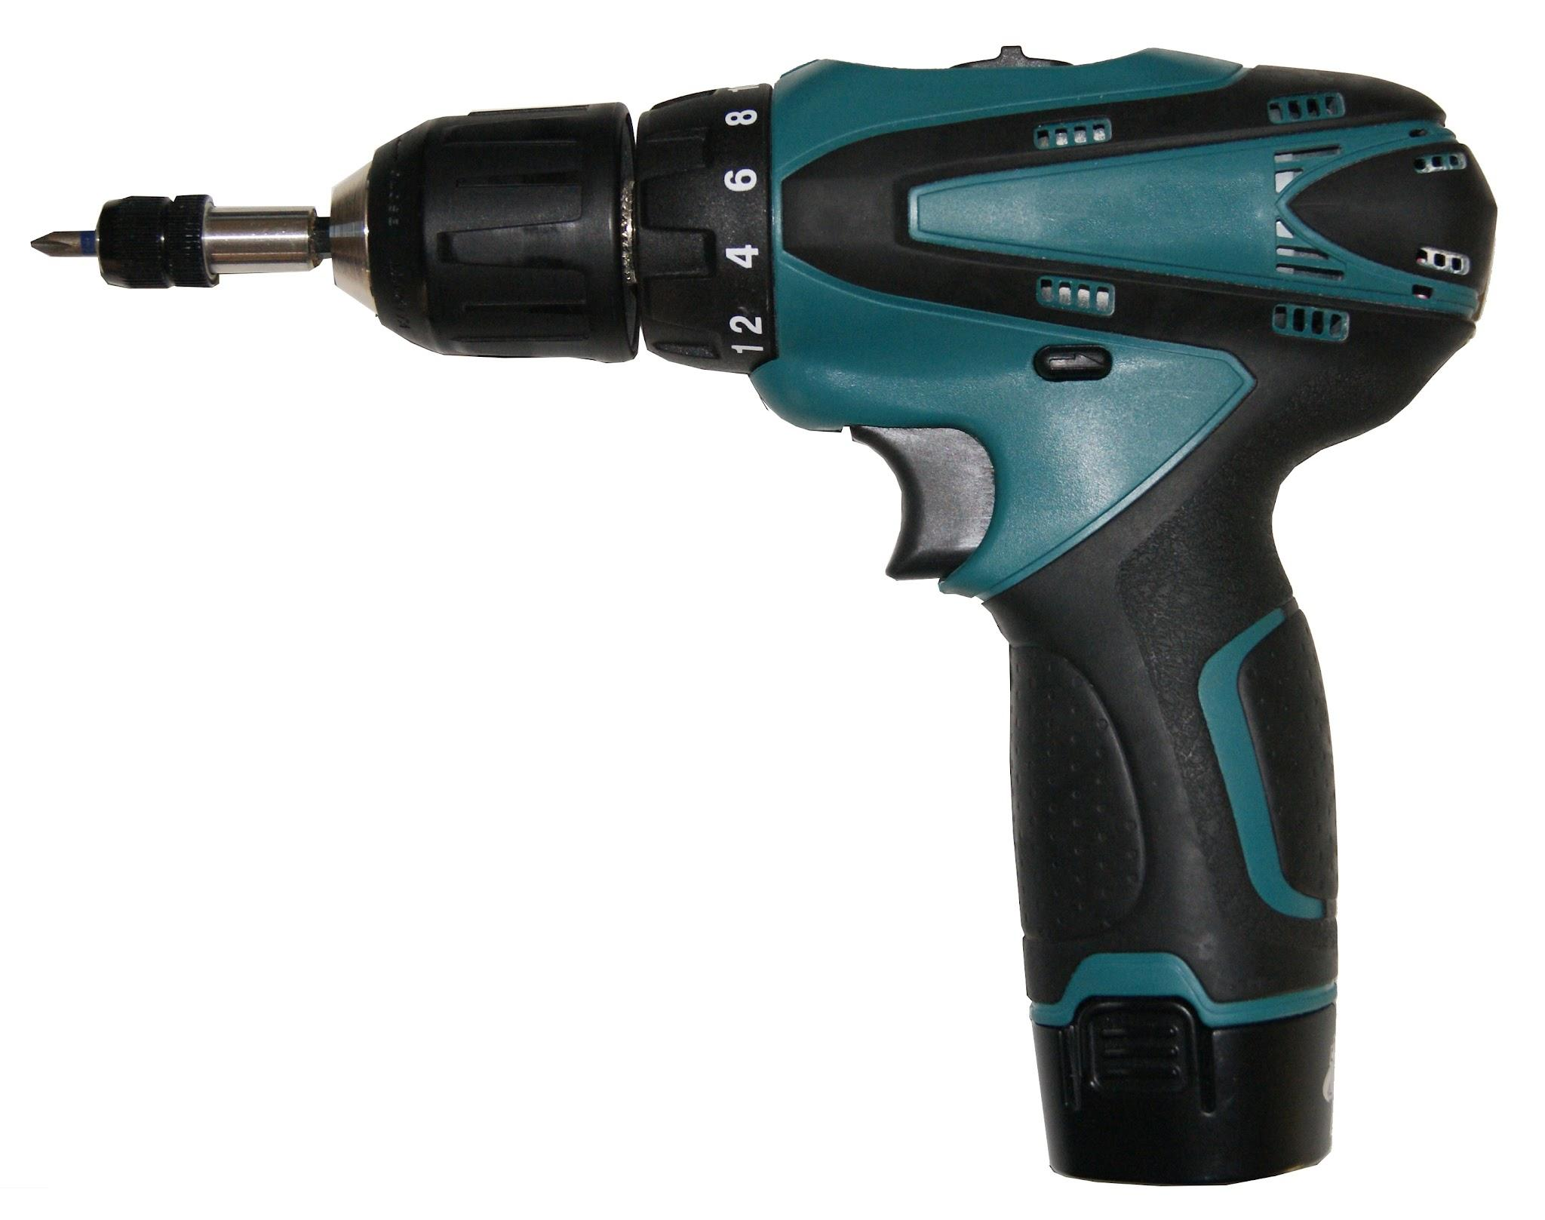
 | Gypsum Worker | Sandpaper |  |  | 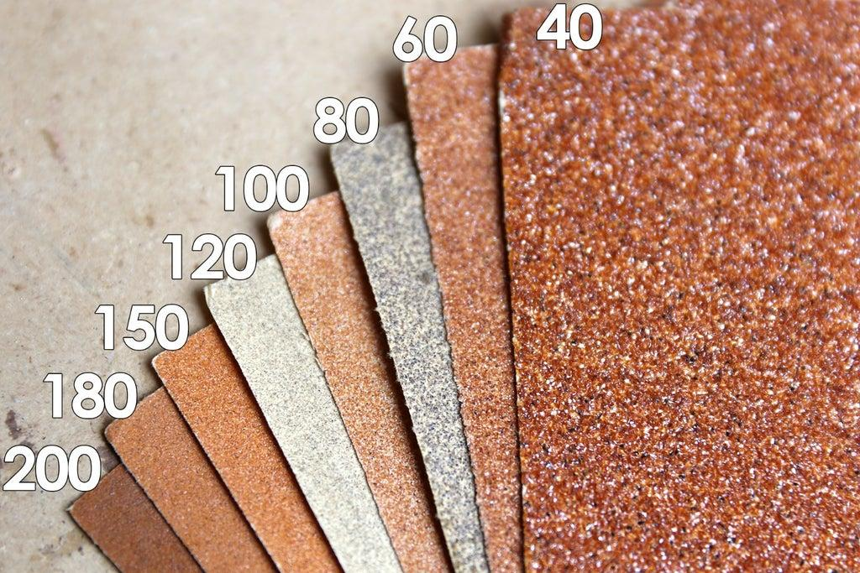
 | Gypsum Worker | Chalk line
 | Gypsum Worker | Table ladder
 | Gypsum Worker | Toolbox |  |  | 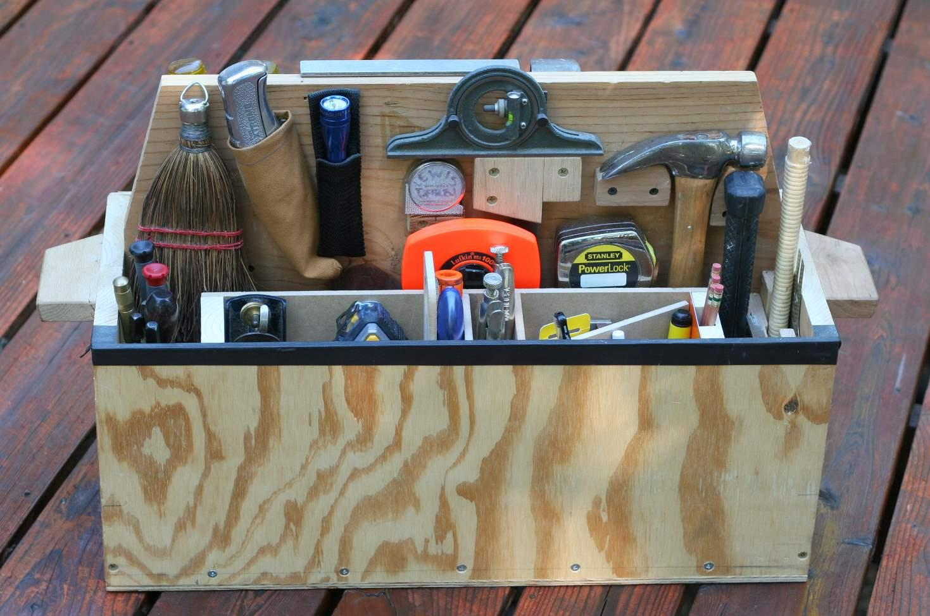
 | Gypsum Worker | First aid kit |  |  | 
 | Gypsum Worker | Fire extinguisher
 | Gypsum Worker | Drywall knife |  |  | 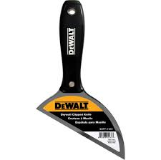
 | Gypsum Worker | Drywall lifts |  |  | 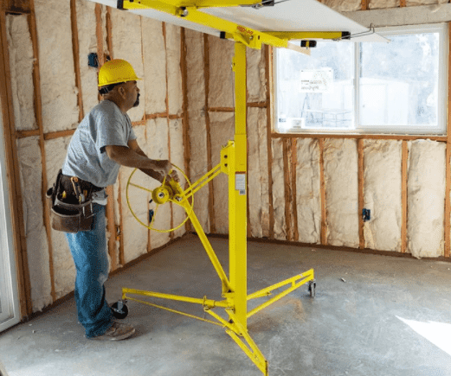
 | Gypsum Worker | Keyhole saw (jab saw) |  |  | 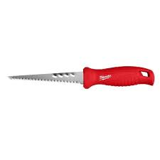
 | Gypsum Worker | Electric drywall saw |  |  | 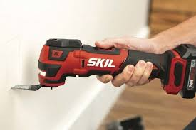
 | Gypsum Worker | Dust mask |  |  | 
 | Gypsum Worker | Drywall corner knife |  |  | 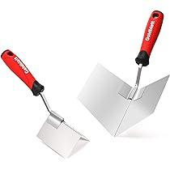
 | Gypsum Worker | Drywall mud pan |  |  | 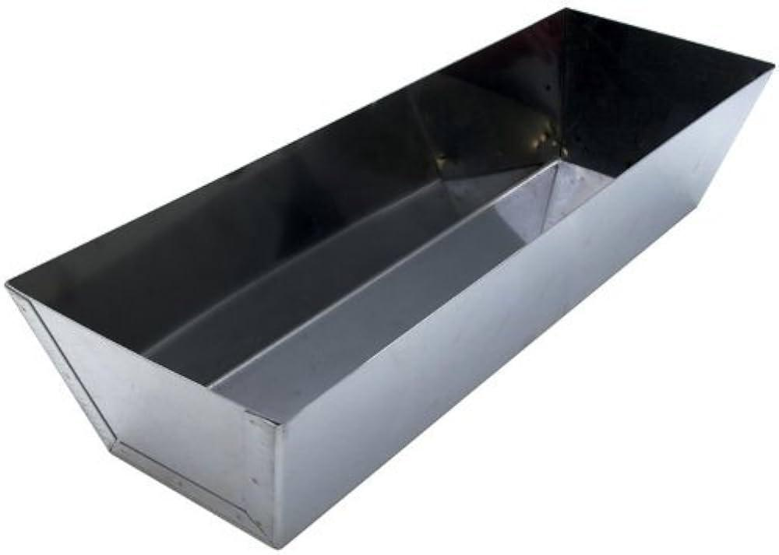
 | Gypsum Worker | Carpenter’s pencil |  |  | 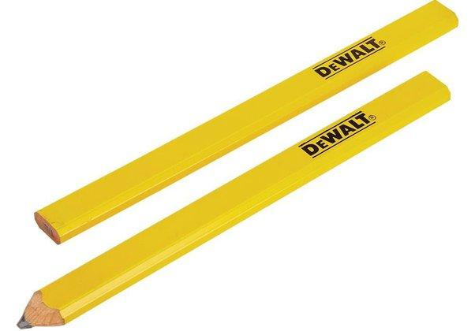
 | Gypsum Worker | Mixers |  |  | 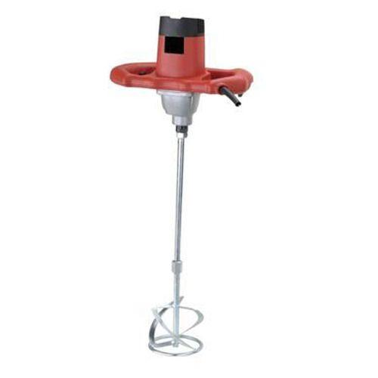
 | Gypsum Worker | Pan grips |  |  | 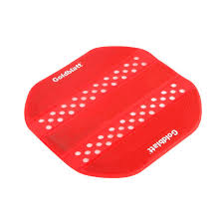
 | Gypsum Worker | Texture sprayers |  |  | 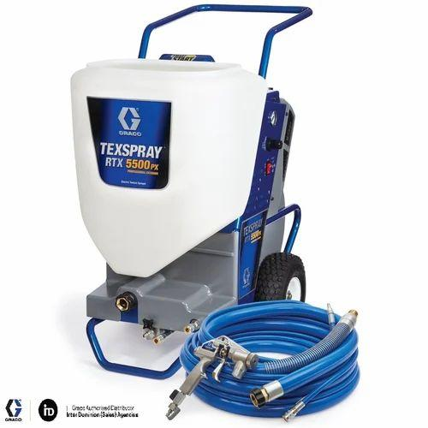
 | Gypsum Worker | Sanding sponges |  |  | 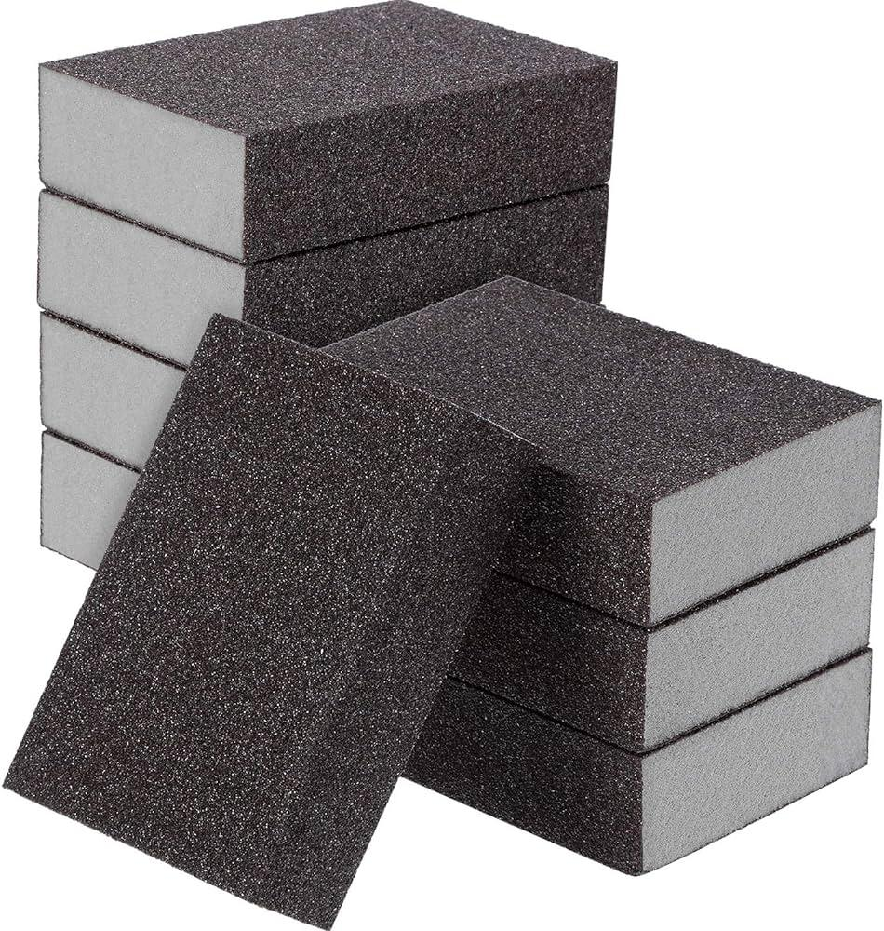
 | Gypsum Worker | Sanding pole |  |  | 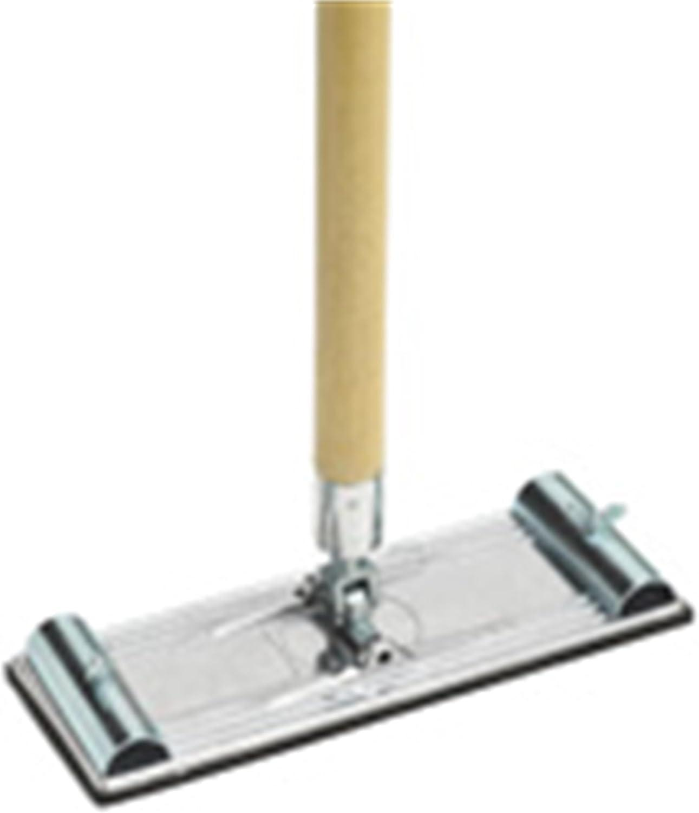
 | Gypsum Worker | Corner sander |  |  | 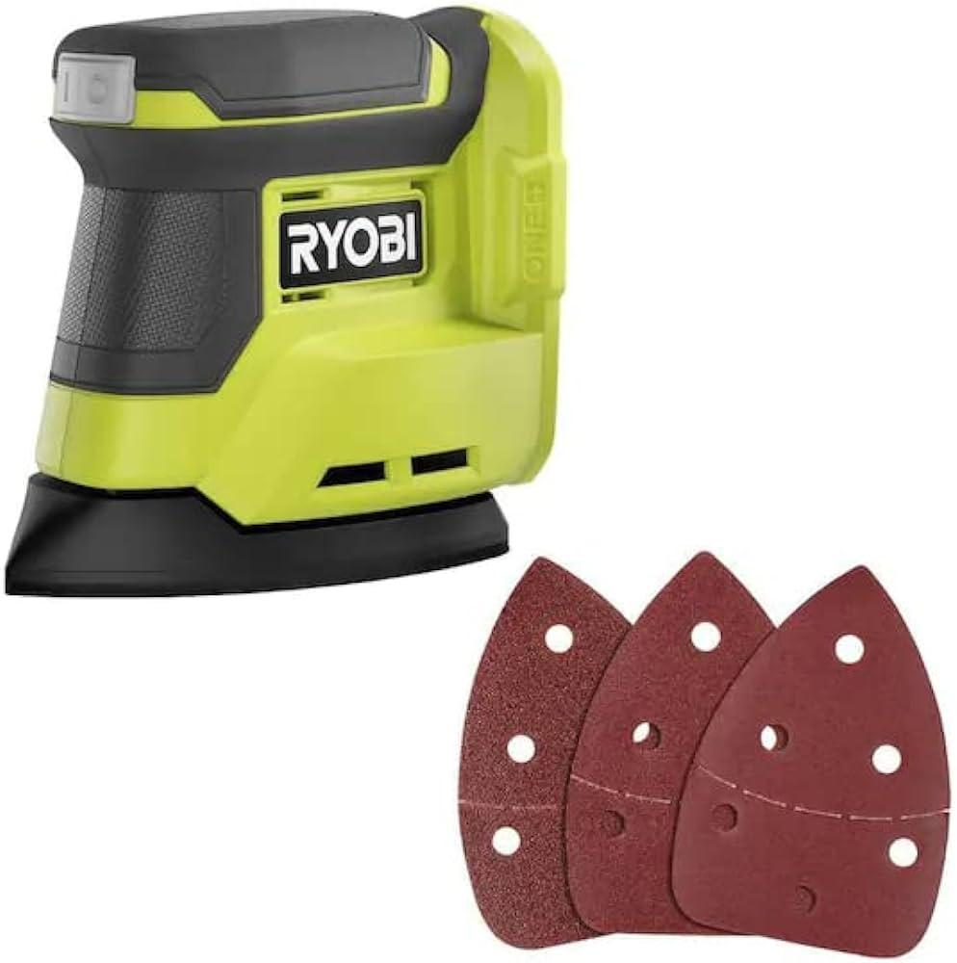
 | Gypsum Worker | Contractor software
 | Gypsum Worker | Electrical tester |  |  | 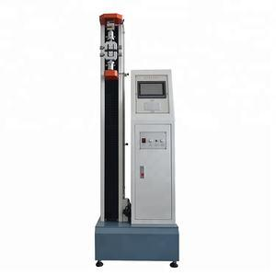
 | Gypsum Worker | Gypsum boards |  |  | 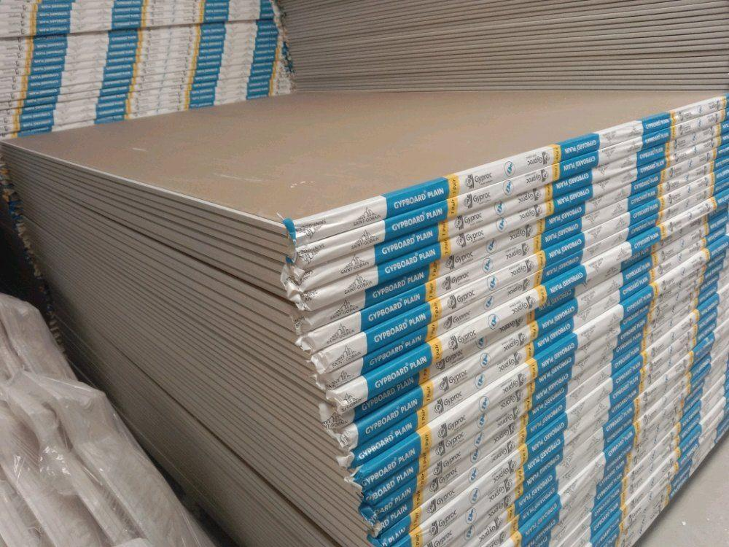
 | Gypsum Worker | Wall frame |  |  | 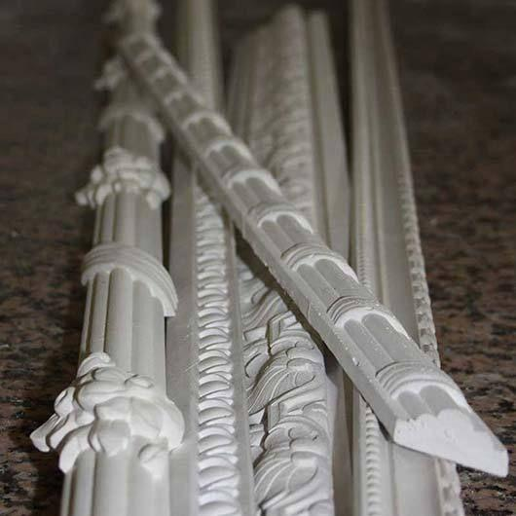
 | Gypsum Worker | Laser level |  |  | 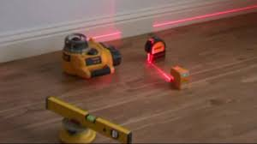
 | Gypsum Worker | Ladder and table |  |  | 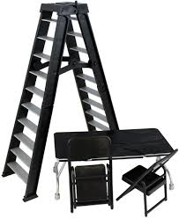
 | Gypsum Worker | Construction adhesive |  |  | 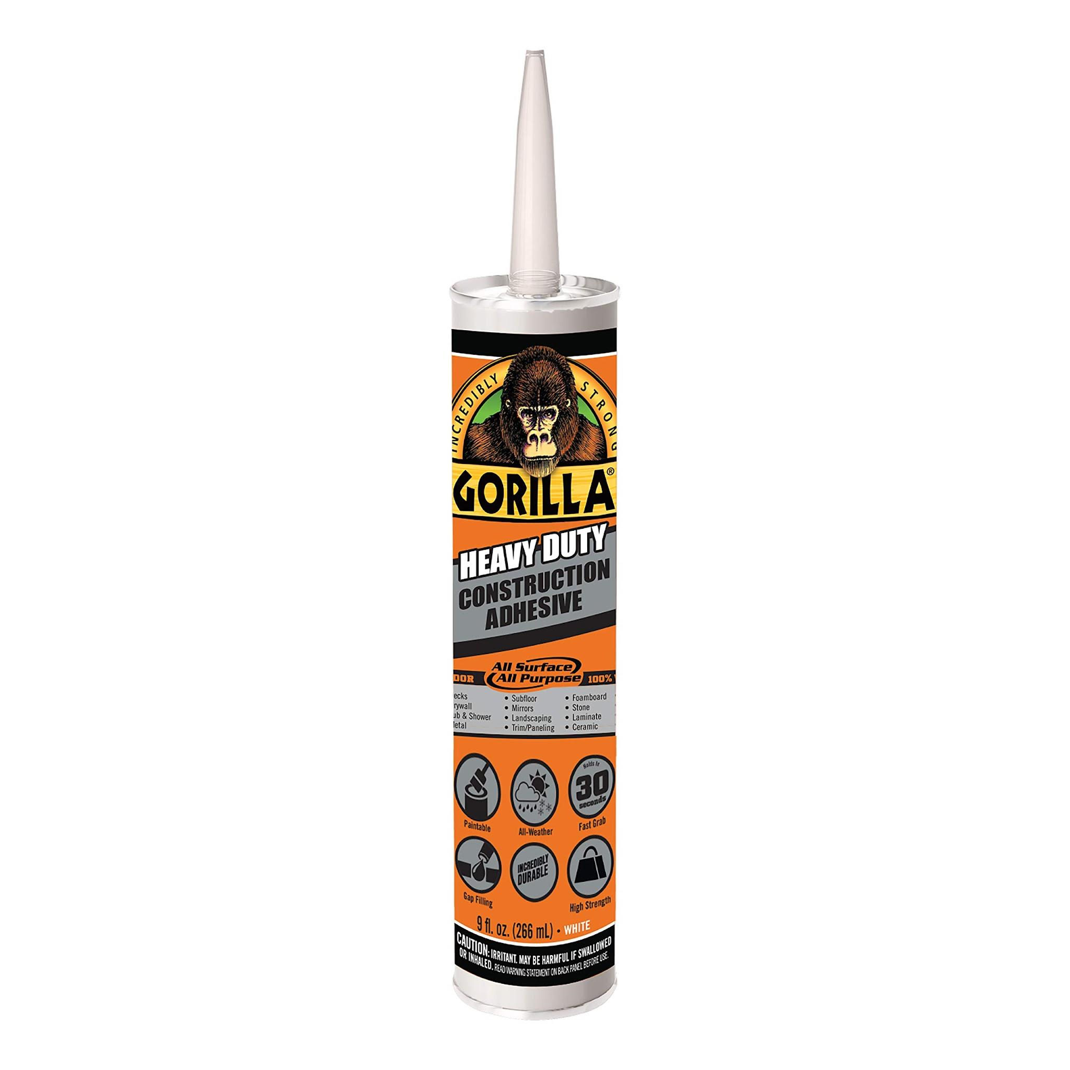
 | Gypsum Worker | Caulking gun |  |  | 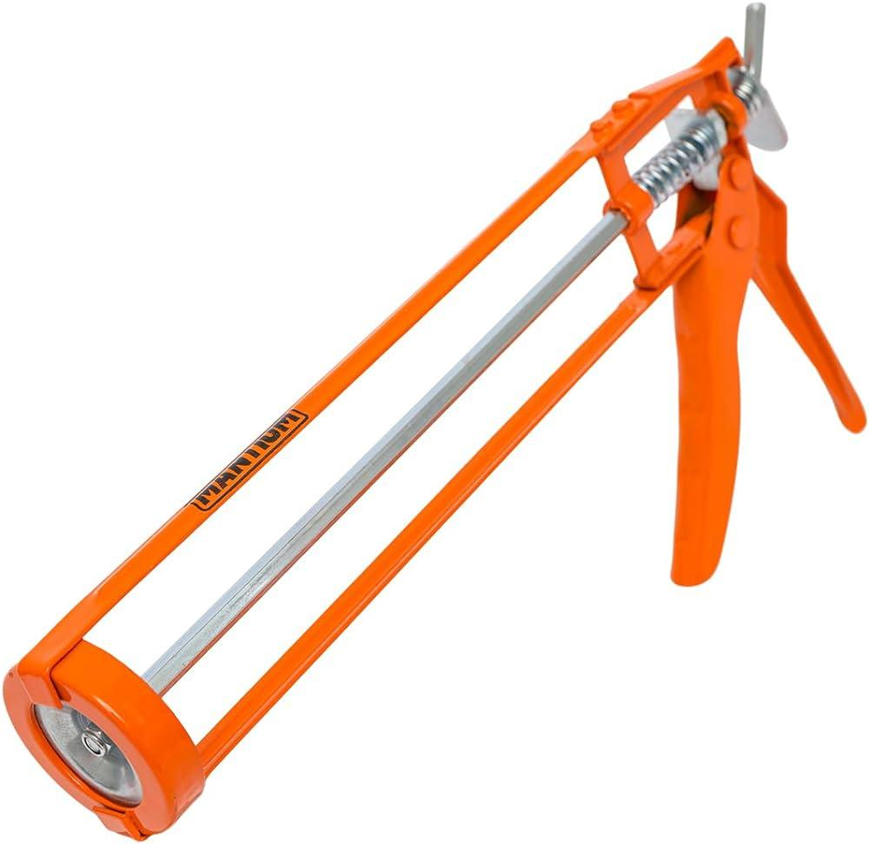
 | Gypsum Worker | Joint tape
 | Gypsum Worker | Replacement blades |  |  | 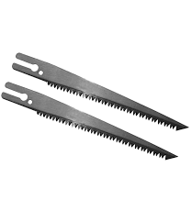
 | Gypsum Worker | Reciprocating saw with drywall blade |  |  | 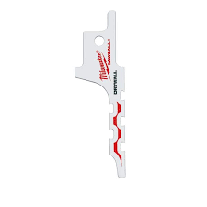
 | Gypsum Worker | Spiral saw (Rotozip) |  |  | 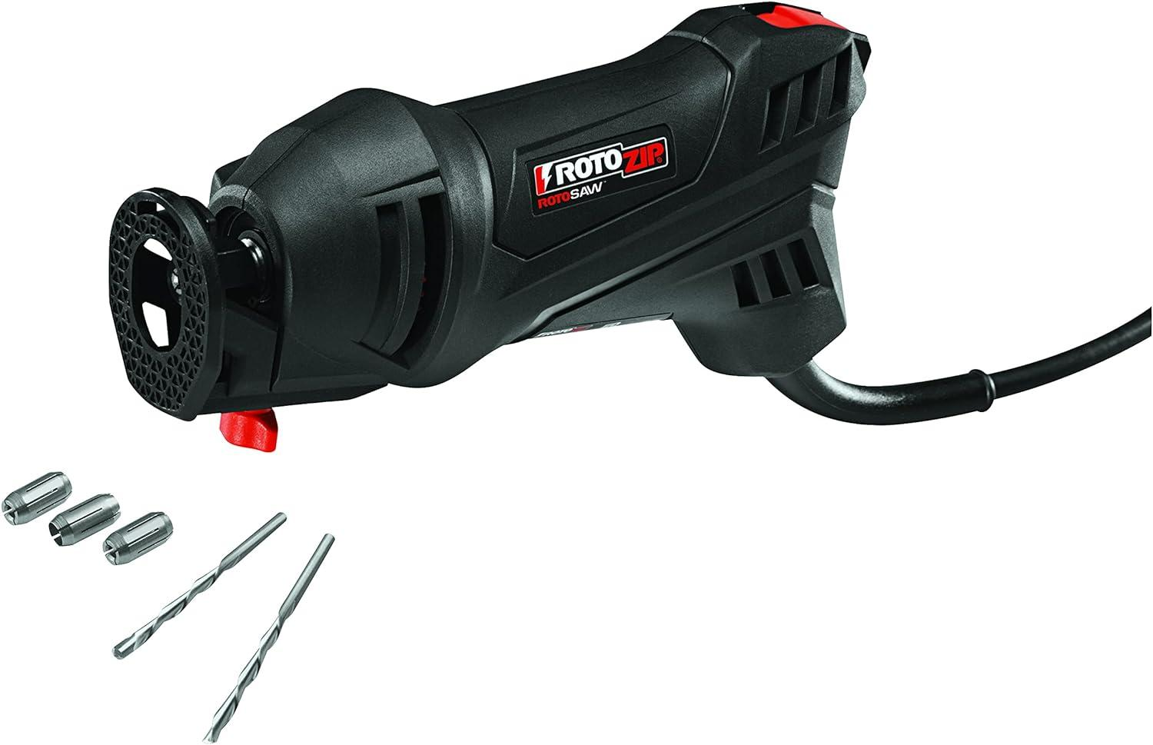
 | Gypsum Worker | Oscillating multi-tool |  |  | 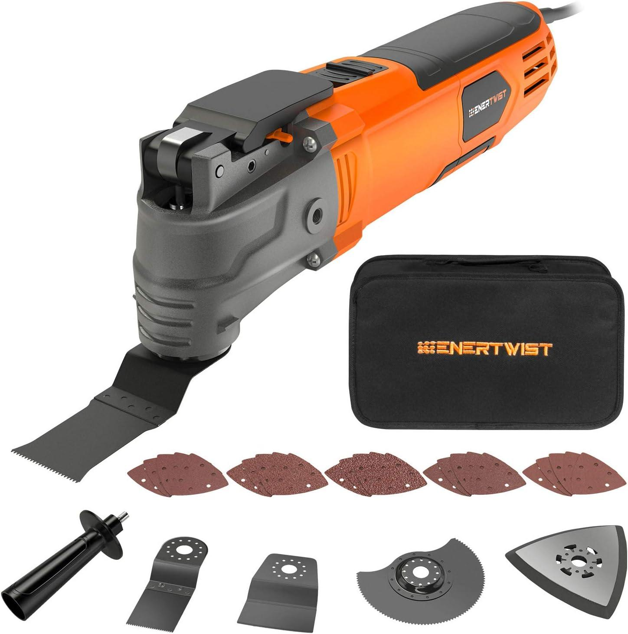
 | Gypsum Worker | Intricate shape/design drywall blade |  |  | 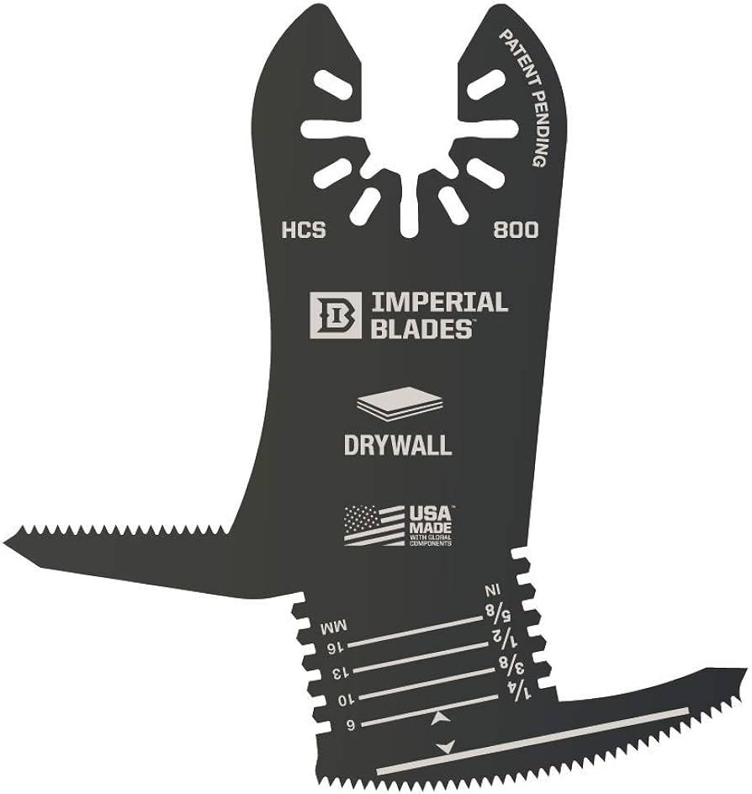
 | Gypsum Worker | Metal studs |  |  | 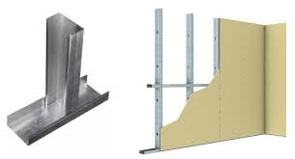
 | Gypsum Worker | Bottom and top tracks |  |  | 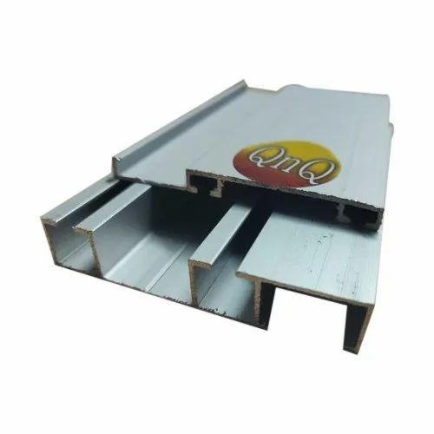
 | Gypsum Worker | Crimping tool |  |  | 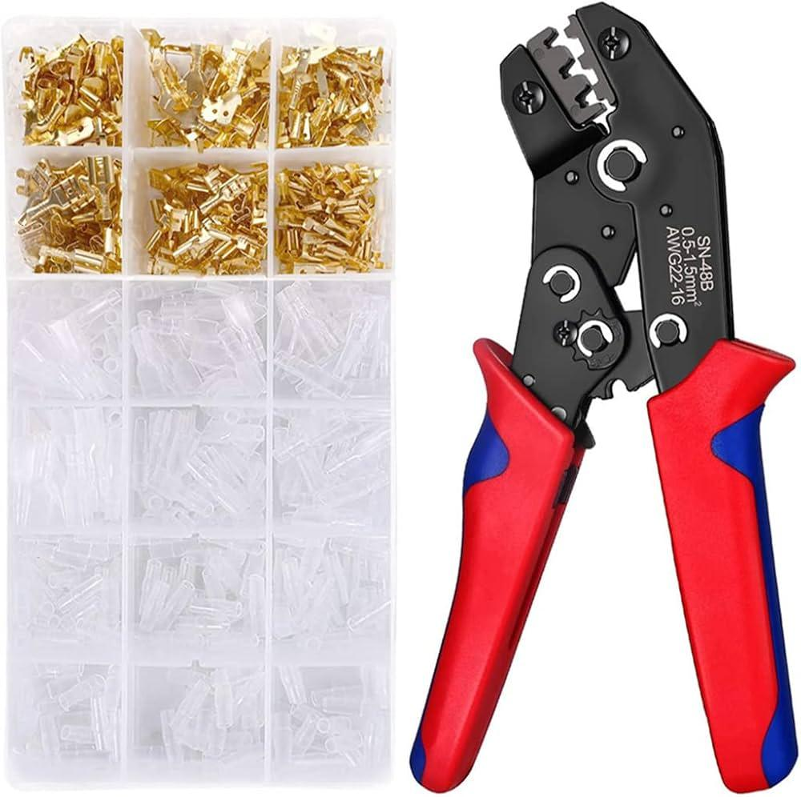
 | Gypsum Worker | Timber-wood studs |  |  | 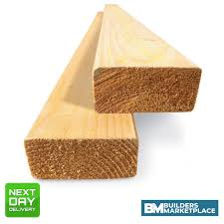
 | Gypsum Worker | Bottom and top plates
 | Gypsum Worker | Wood screws |  |  | 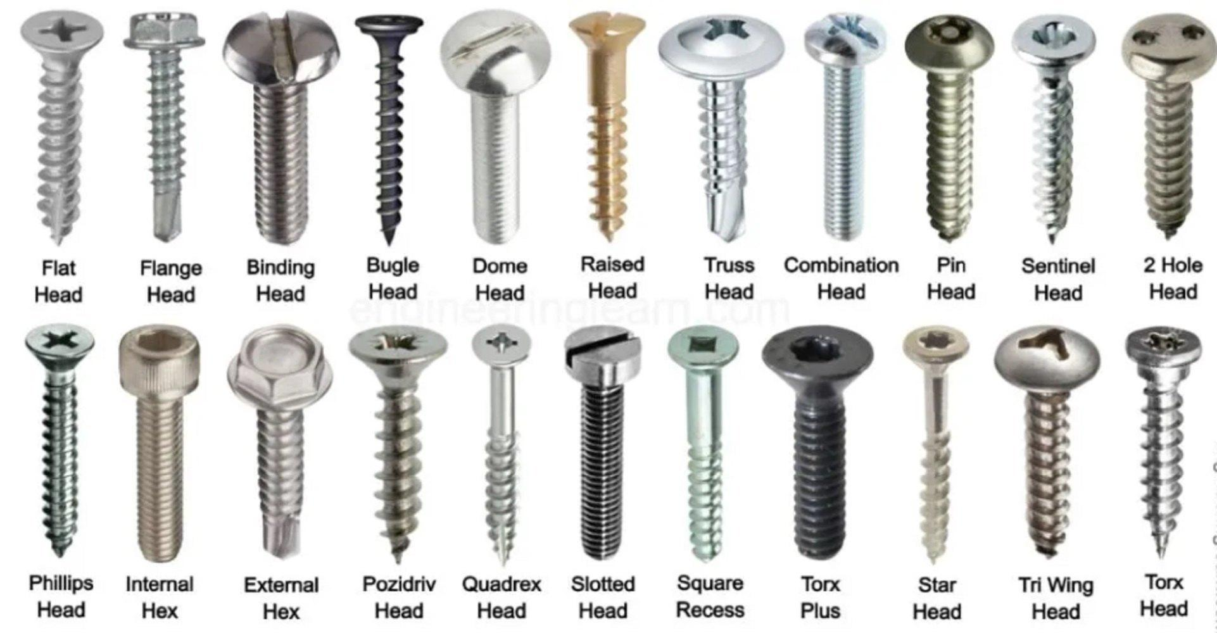
 | Gypsum Worker | Hammer |  |  | 
 | Gypsum Worker | Plumb bob |  |  | 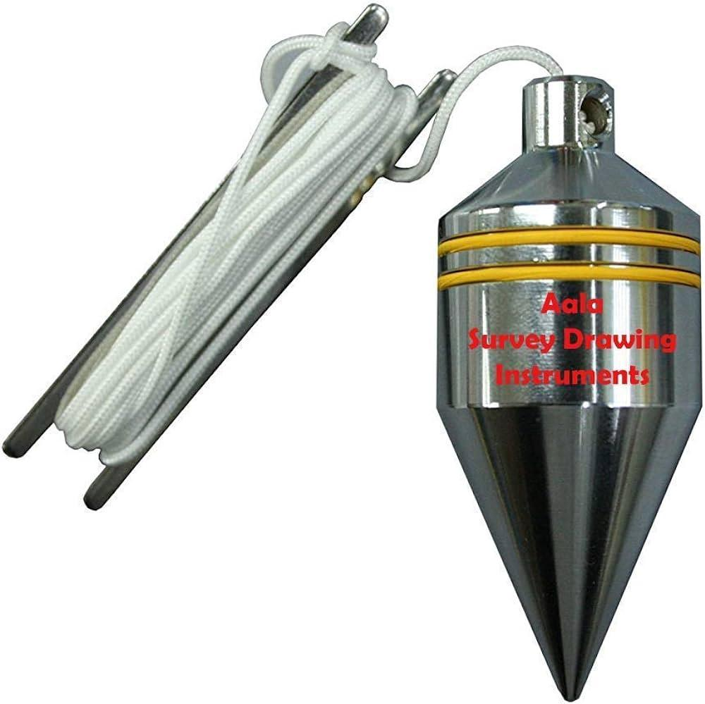
 | Gypsum Worker | U-channel tracks |  |  | 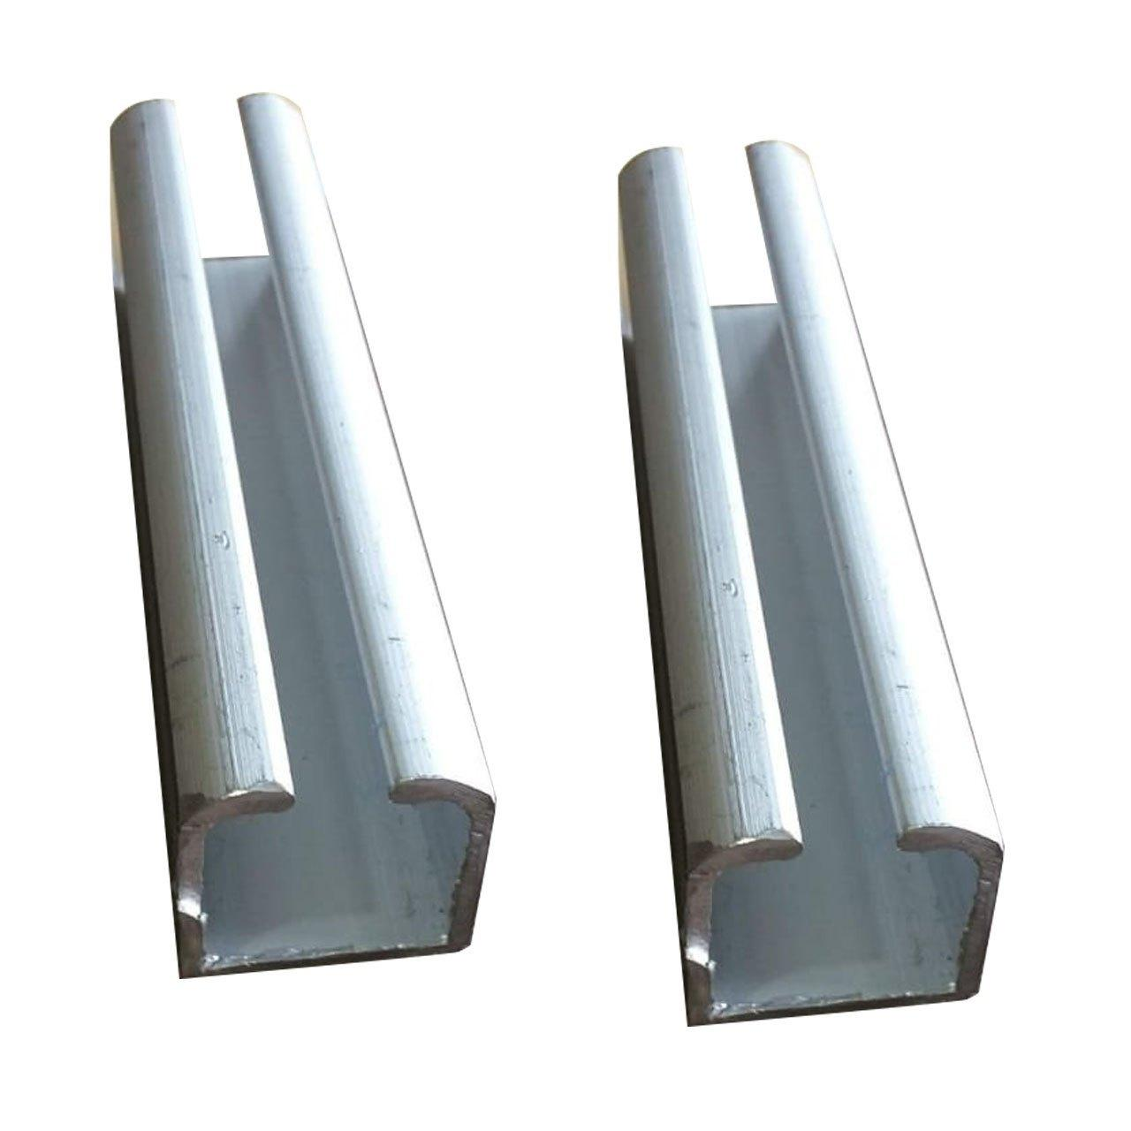
 | Gypsum Worker | Pre-fitted wall frame
 | Gypsum Worker | Corner bead/ Wall angle |  |  | 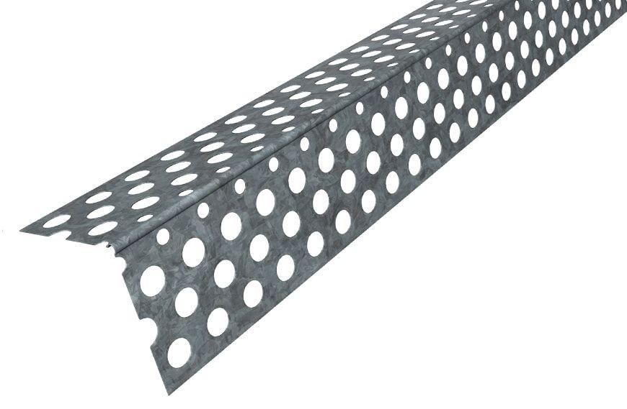
 | Gypsum Worker | Pre-fitted ceiling frame
 | Gypsum Worker | Pre-fitted metal stud frame |  |  | 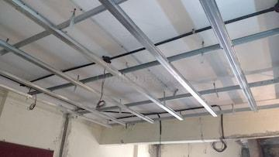
 | Gypsum Worker | Pre-fitted gypsum boards
 | Gypsum Worker | Vacuum cleaner
 | Gypsum Worker | Primer |  |  | 
 | Gypsum Worker | Paint
 | Gypsum Worker | Paint roller |  |  | 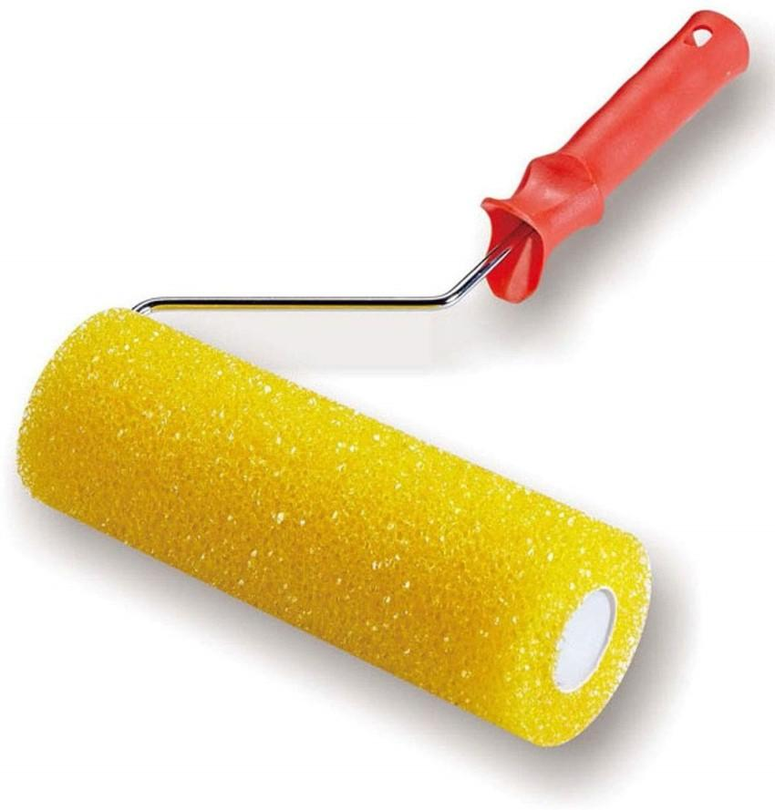
 | Gypsum Worker | Paint tray |  |  | 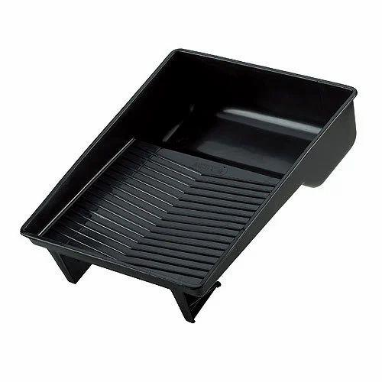
 | Gypsum Worker | Drop cloths |  |  | 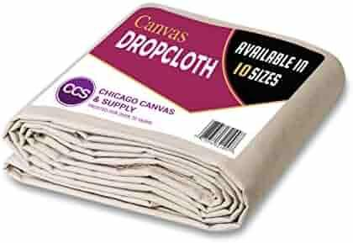
 | Gypsum Worker | Texture spray gun
 | Gypsum Worker | Compressor
 | Gypsum Worker | Mixing container |  |  | 
 | Gypsum Worker | Stirring stick |  |  | 
 | Gypsum Worker | Grid ceiling tiles |  |  | 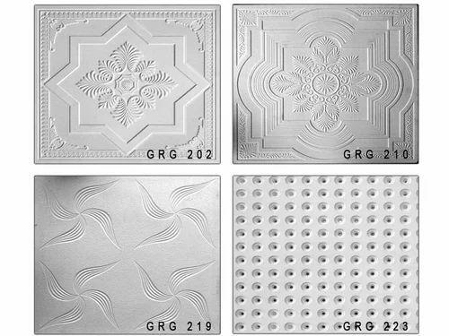
 | Gypsum Worker | Main T-sections |  |  | 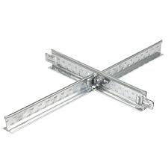
 | Gypsum Worker | Hangers |  |  | 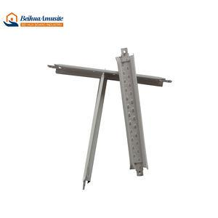
 | Gypsum Worker | Plugs |  |  | 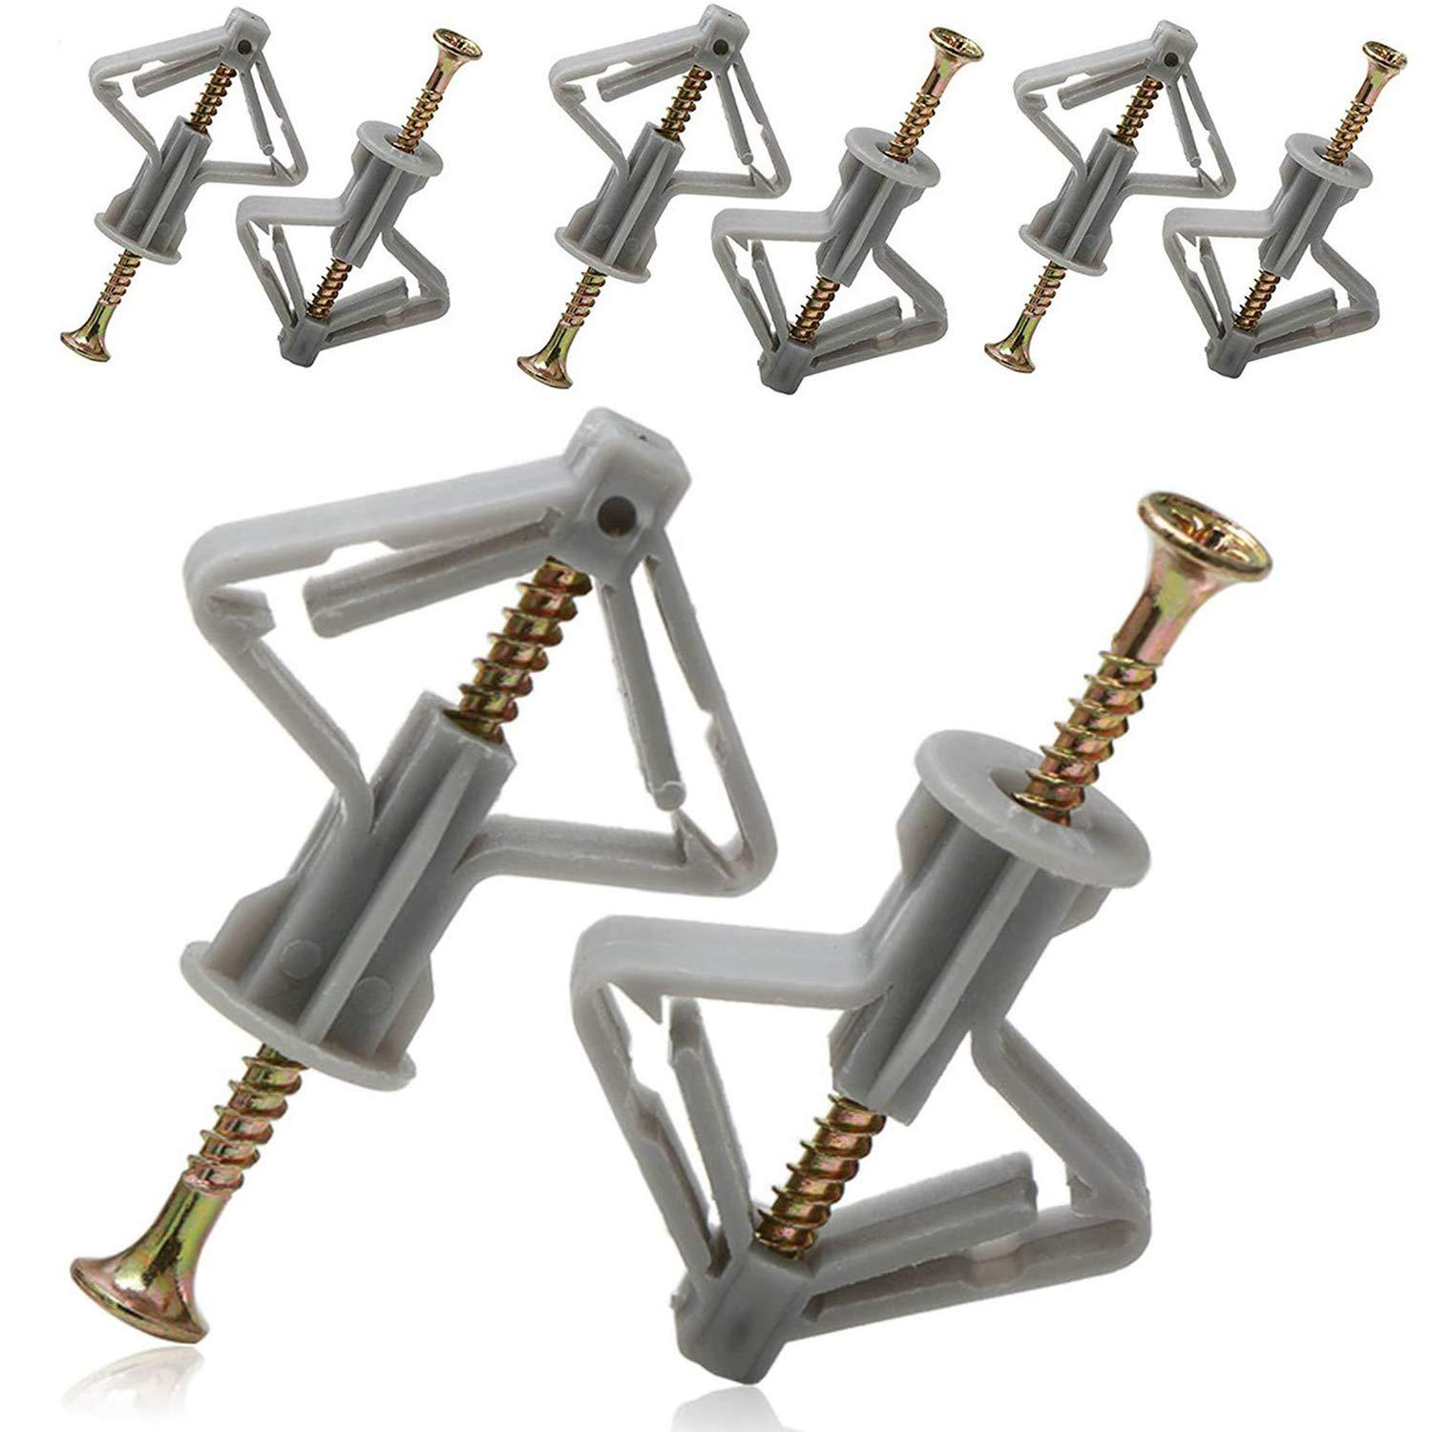
 | Gypsum Worker | Metal channels |  |  | 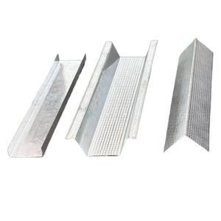
 | Gypsum Worker | Metal ceiling panels |  |  | 
 | Gypsum Worker | Inspection checklist
 | Gypsum Worker | Flashlight
 | Gypsum Worker | Repair tools |  |  | 
 | Gypsum Worker | Moisture meter
 | Gypsum Worker | Garbage bags and waste disposable bins |  |  | 
 | Gypsum Worker | Broom |  |  | 
 | Gypsum Worker | Dustpan |  |  | 
 | Gypsum Worker | Soap
 | Gypsum Worker | Cleaning cloths |  |  | 
 | Gypsum Worker | Wire brush |  |  | 
 | Gypsum Worker | Tool oil
 | Gypsum Worker | Project timeline template
 | Gypsum Worker | Gantt chart software
 | Gypsum Worker | Task list
 | Gypsum Worker | Calendar
 | Gypsum Worker | Resource allocation chart
 | Gypsum Worker | Inventory checklist
 | Gypsum Worker | Risk management plan template
 | Gypsum Worker | Risk assessment checklist
 | Gypsum Worker | Gypsum cornices (3m long)
 | Gypsum Worker | Cove adhesive |  |  | 
 | Gypsum Worker | Mitre box |  |  | 
 | Gypsum Worker | Decorative ceiling panels (60cm x 60cm)
 | Gypsum Worker | Crown molding (3m long)
 | Gypsum Worker | Bulkhead framing (metal studs 600mm centers)
 | Gypsum Worker | Decorative molding (3m long)
 | Gypsum Worker | Installed gypsum ceiling (240cm x 300cm)
 | Gypsum Worker | Door frame |  |  | 
 | Gypsum Worker | Shims |  |  | 
 | Gypsum Worker | Personal Protective Equipment (PPE) including: - Hard hat helmet - Hard hat - Safety glasses - Cut-resistant gloves - N95 mask - Knee caps - Safety cones - Caution tape

