Sheet1
Serial Number | Tools | Images
1 | Jackhammer
2 | Chisel | 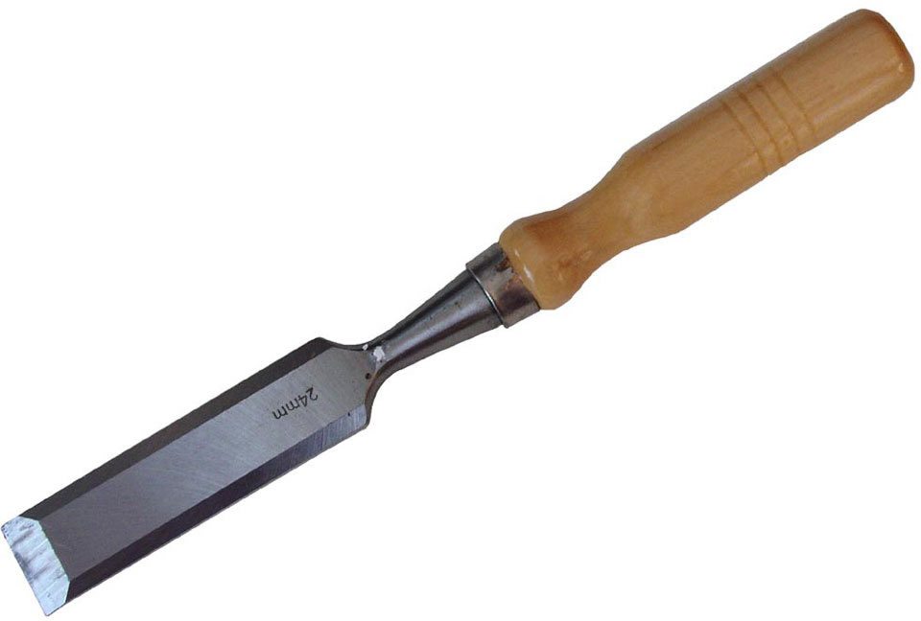
3 | Water sprayer | 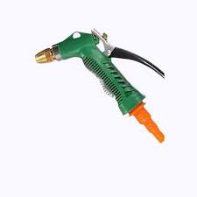
4 | Safety cones | 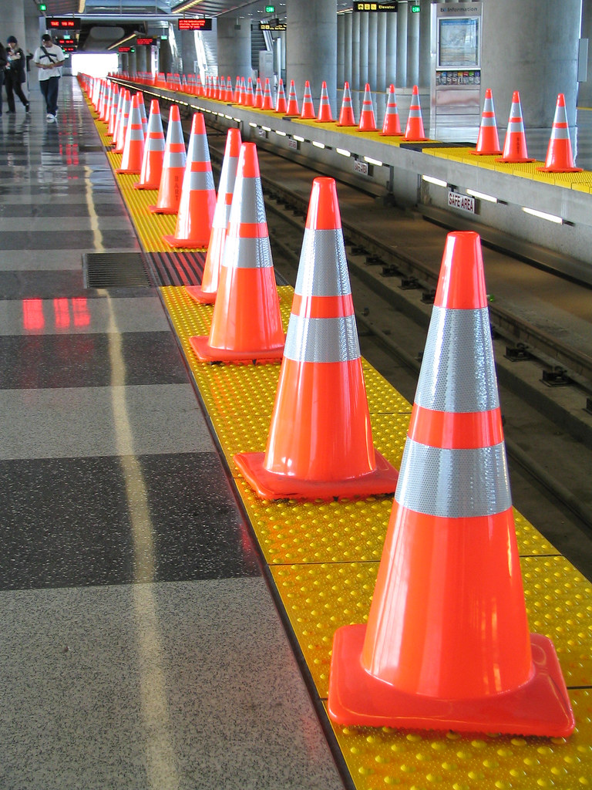
5 | Electric drill
6 | Core bit | 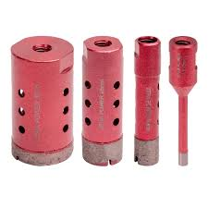
7 | Shovel | 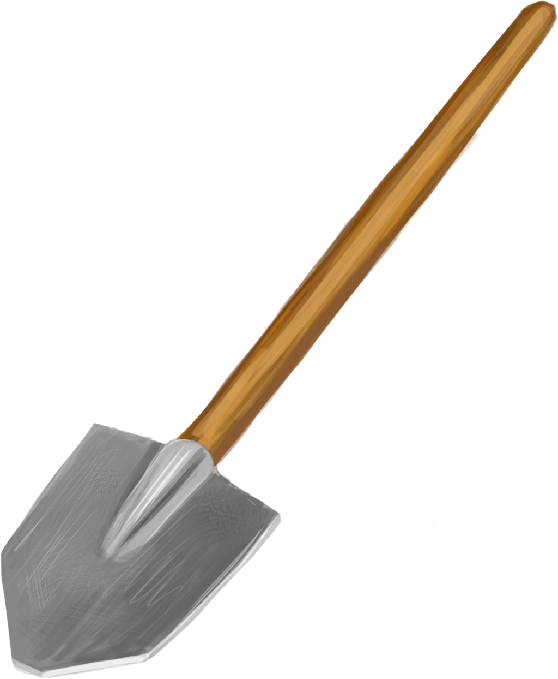
8 | Wheelbarrow | 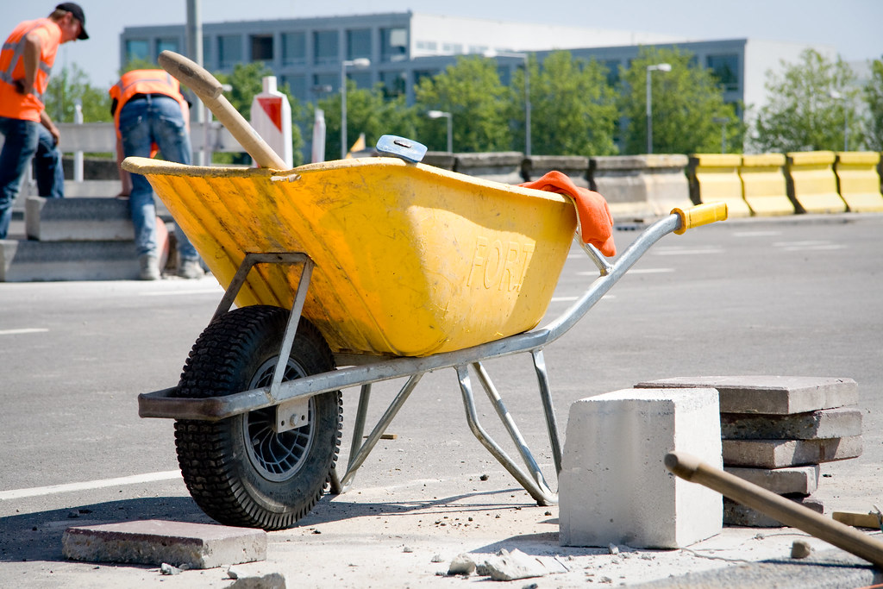
9 | Broom
10 | Garbage Bins (for different waste types) | 
11 | Rake | 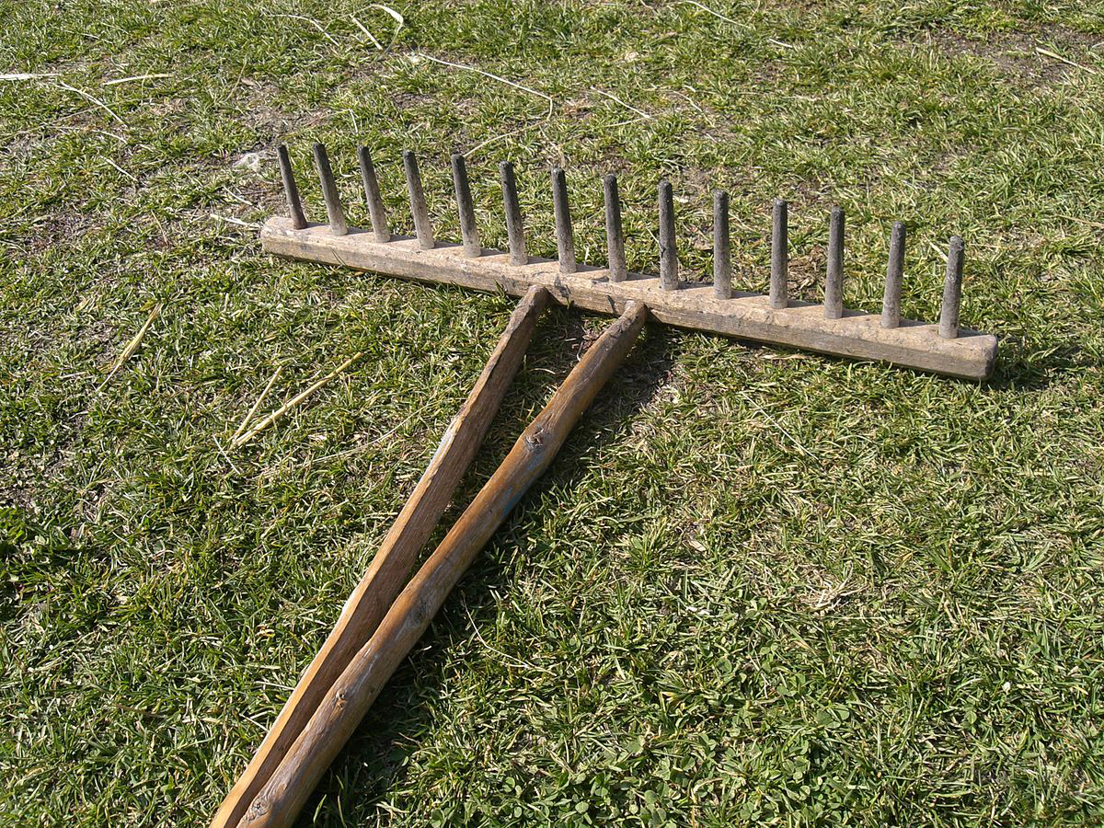
12 | Leveling tool
13 | Laser leveling tool | 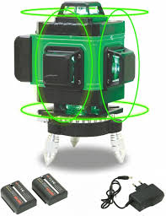
14 | Soil probe | 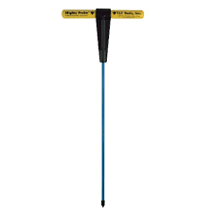
15 | Stakes | 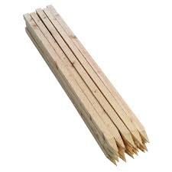
16 | Hammer - Claw Hammer | 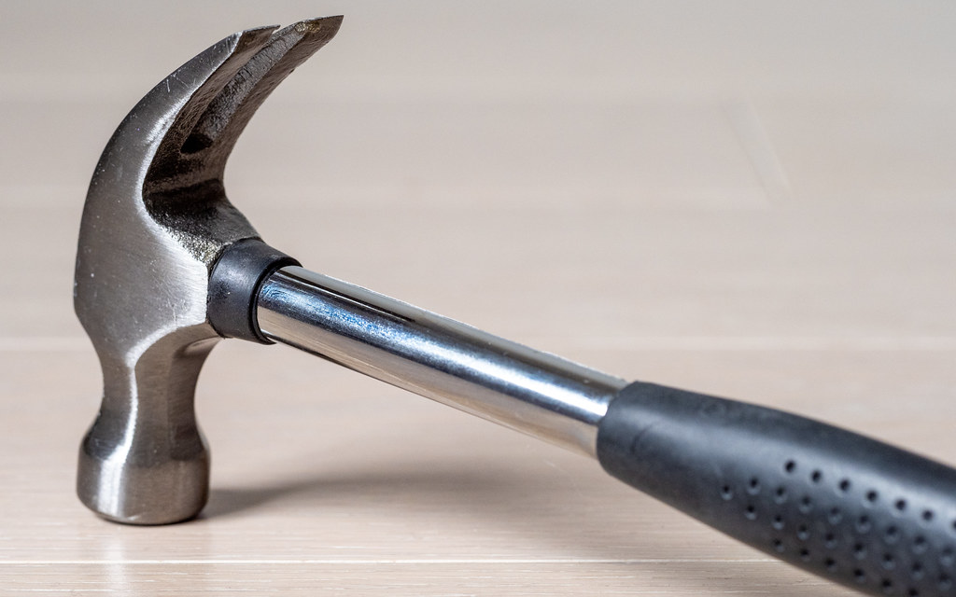
 | Hammer - Sledge hammer | 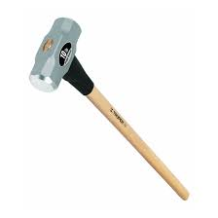
17 | Assorted Wooden planks | 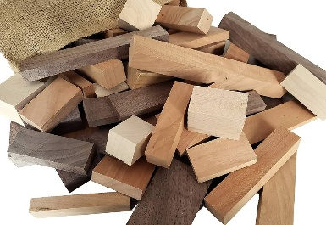
19 | Adjustable base plates | 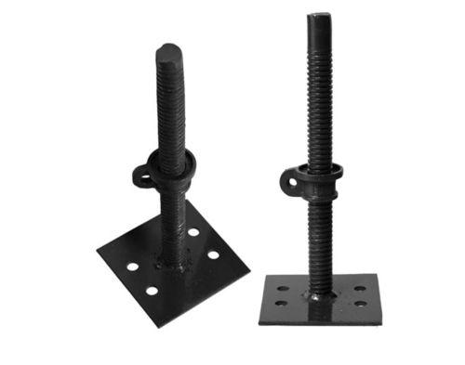
20 | Scaffold Guardrails | 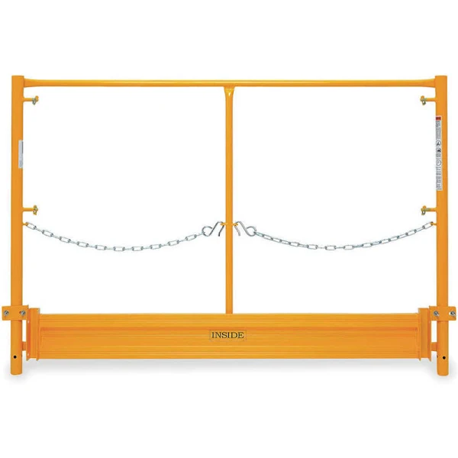
21 | Full body fall protection harness | 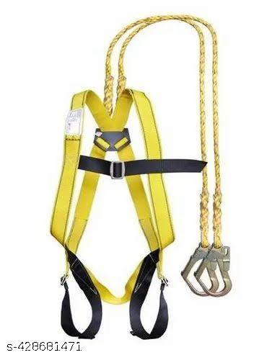
22 | Lifting straps
23 | Back support belt | 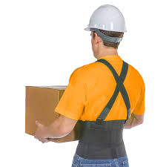
24 | Trailer truck | 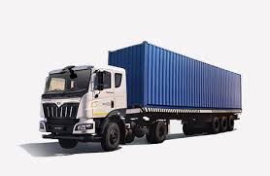
25 | TMT rods | 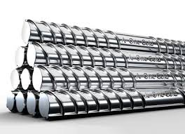
26 | Hand truck | 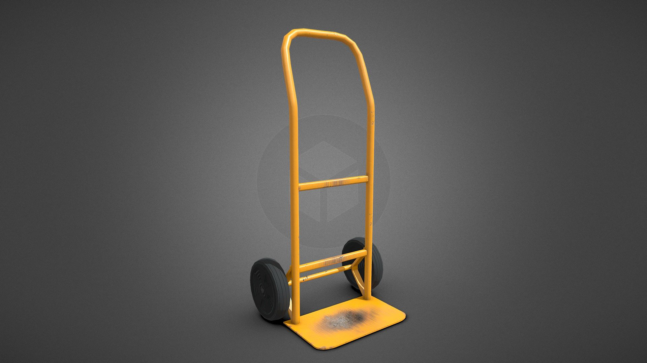
27 | Forklift | 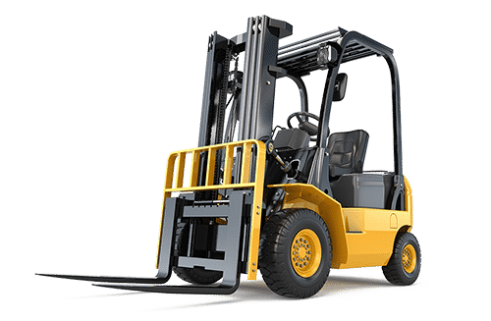
28 | Earth tamper | 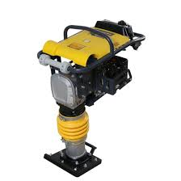
29 | Brick hammer | 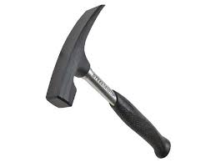
30 | Tile cutters | 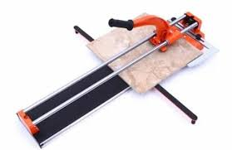
31 | Tile nippers | 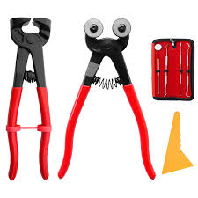
32 | Spray nozzles | 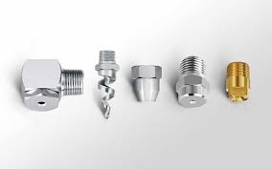
33 | Water hose | 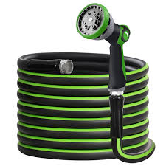
34 | Concrete Curing agent | 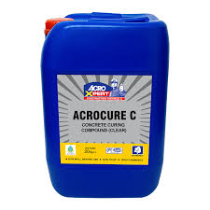
35 | Chains
36 | Ratchet straps | 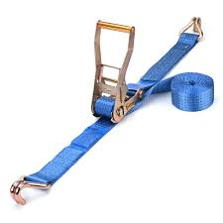
37 | Tension winches
38 | Corner protectors | 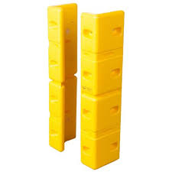
39 | Safety glasses
40 | Mixing tub | 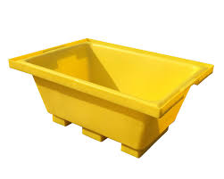
41 | Trowel
42 | Measuring cup | 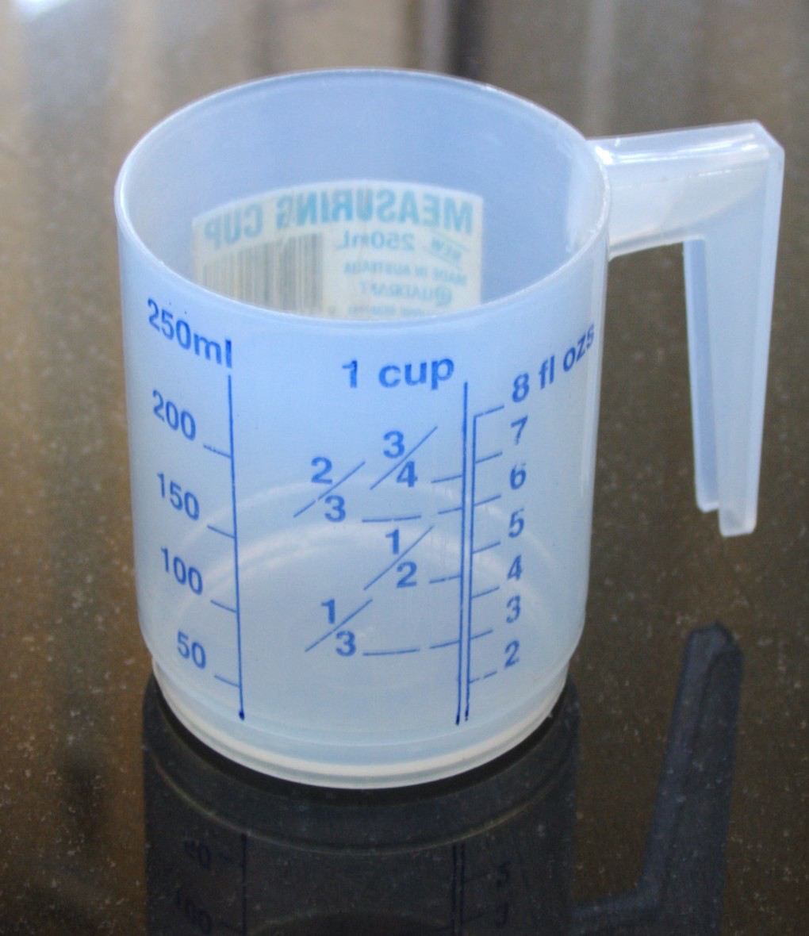
43 | Epoxy resin | 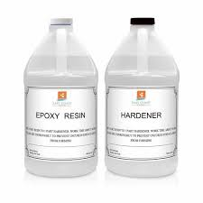
44 | Applicator | 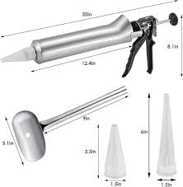
45 | Stone tile
46 | Polymeric sand | 
47 | Magnifying glass | 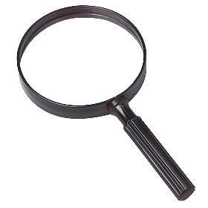
48 | Calipers
49 | Notebook
50 | Stone saw | 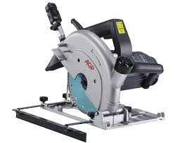
51 | Stone block | 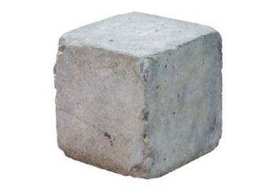
52 | Rubber mallet | 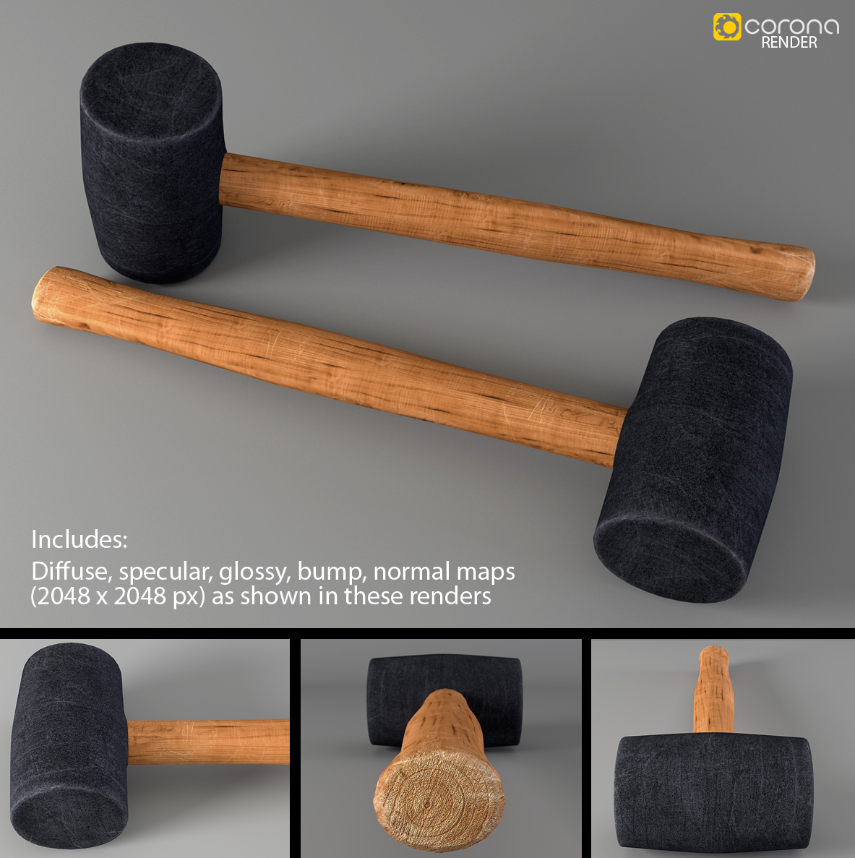
53 | Knee pads | 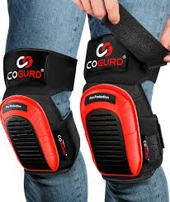
54 | Pry bar | 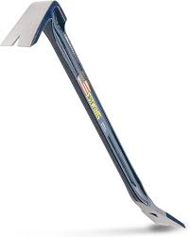
55 | Air hammer | 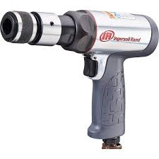
56 | Air compressor | 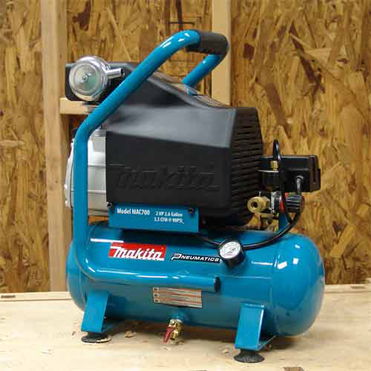
57 | Concrete mixer | 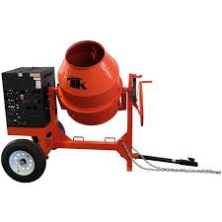
58 | Pneumatic tools
59 | Generator | 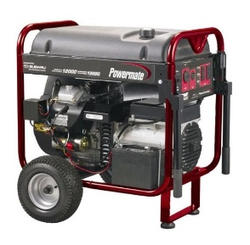
60 | Extension cords | 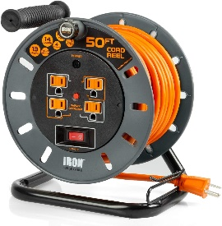
61 | Water pump | 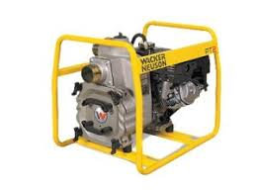
62 | Cleaning brush | 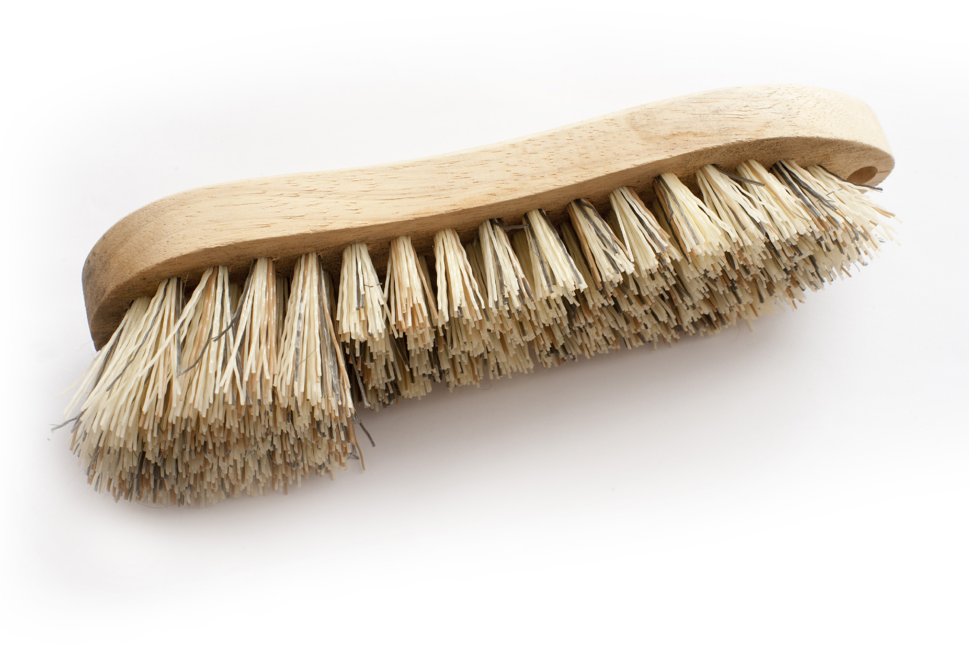
63 | Wire brush | 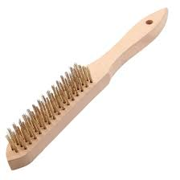
64 | Cleaning solvent
65 | Rag
66 | String line
67 | Releasing agent | 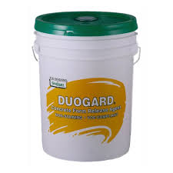
68 | Assorted Clamps | 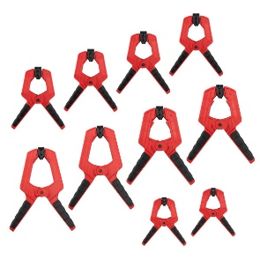
70 | Hand screed | 
71 | Surface vibrator | 
72 | Power trowel | 
73 | Power screed | 
74 | Magnesium float | 
75 | Concrete broom | 
76 | Superplasticizer | 
77 | Hydraulic cement
79 | Bull float | 
80 | Grouting trowel | 
81 | Spacers | 
82 | Hawk | 
83 | Mixing drill | 
84 | Putty knife | 
85 | Grease gun
86 | Paint roller | 
87 | Pressure washer | 
88 | Measuring tape | 
89 | Assorted Scaffold Components - Braces Transverse & Longitudinal | 
 | Sole Plate | 
 | Scaffolding Tubes | 
 | Ledgers | 
 | Facade Bracing with Transoms | 
 | Tranverse Bracing with Transoms
 | Assorted Couplers, Clamps, Right angle couplers Swivel couplers, brace couplers, Adjustable fork heads Adjustable base plate jack | 
 | Base Planks | 
 | Assorted Scaffold Ties | 
89 | Calculator | 
90 | Grinder | 
91 | Safety Hard Hat | 
92 | Steel-Toed Safety boots | 
93 | Half-Face Respirator with Organic Vapor Cartridges
94 | Cut-Resistant PVC Gloves | 
95 | Cut-Resistant Heavy-Duty Leather Gloves | 
96 | Over-the-Head Ear Muffs Hearing Protection | 

