Auto Plumber
Sector name | Occupation name | Equipment name | Minimum number of equipment required (per batch of 30 trainees) | Unit type | Images
 | Auto Plumber | Alligator clips |  |  | 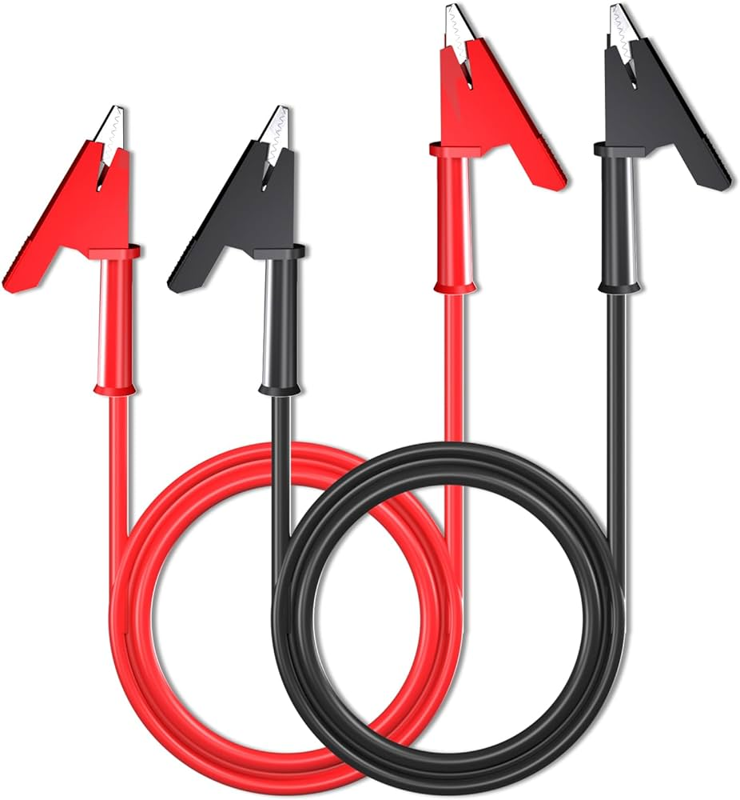
 | Auto Plumber | Anchors |  |  | 
 | Auto Plumber | Antifreeze |  |  | 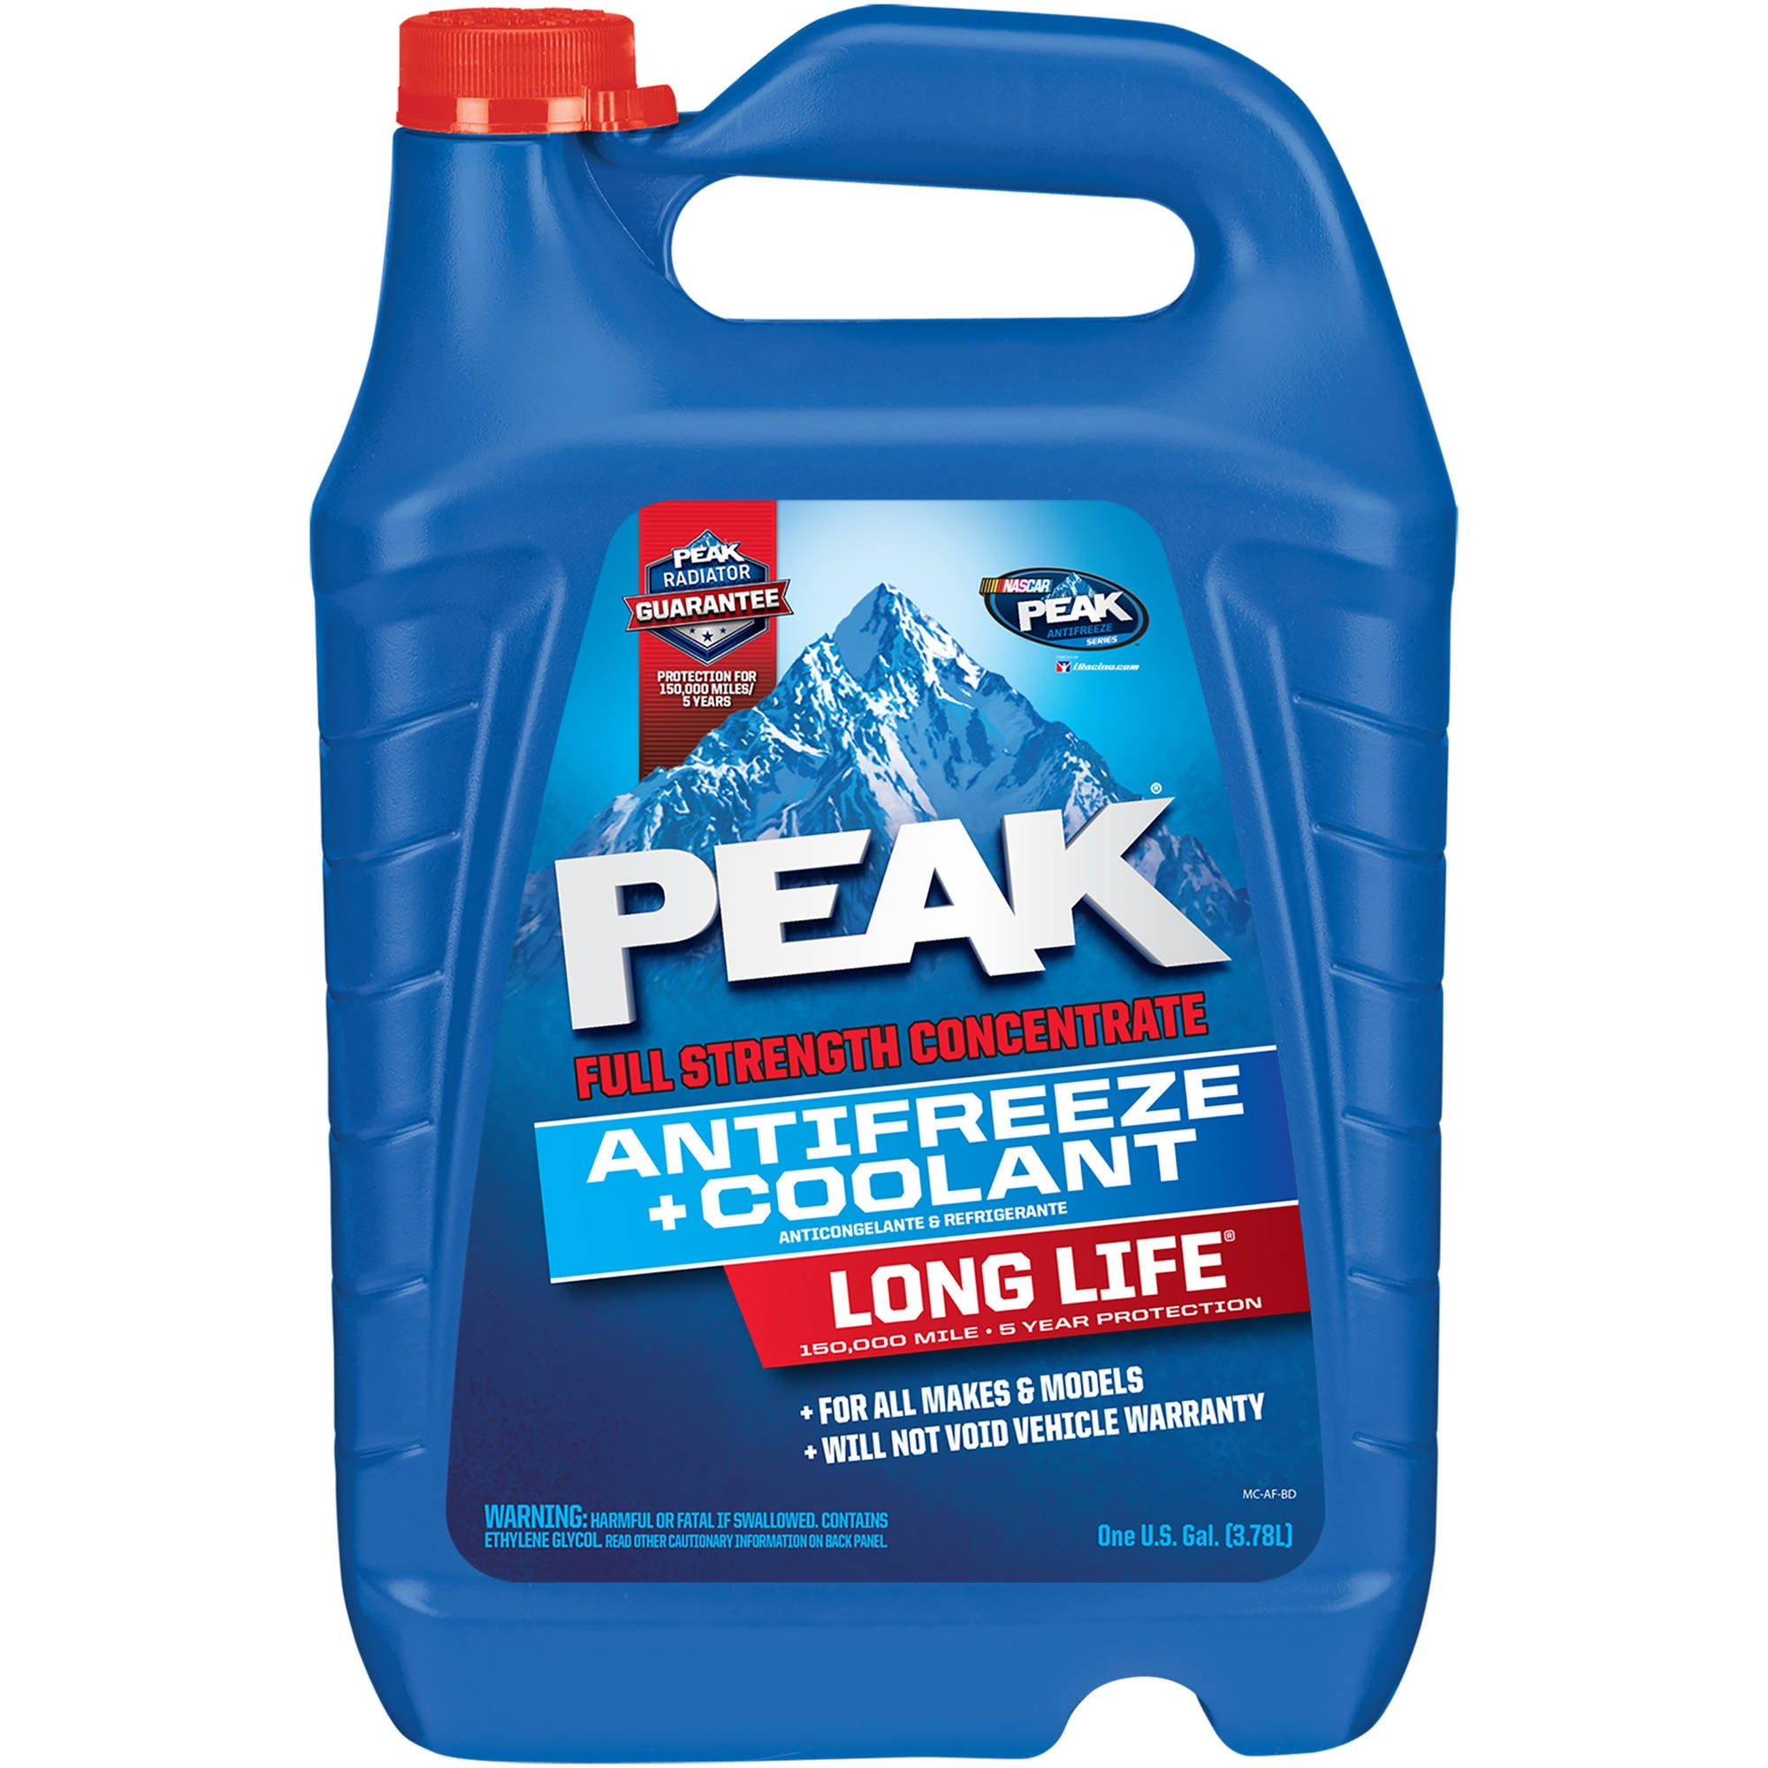
 | Auto Plumber | Assembly lubricant
 | Auto Plumber | Barricade Cones |  |  | 
 | Auto Plumber | Brake fluid |  |  | 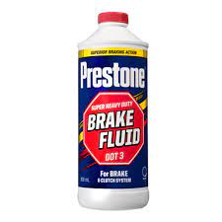
 | Auto Plumber | Bucket for fuel collection |  |  | 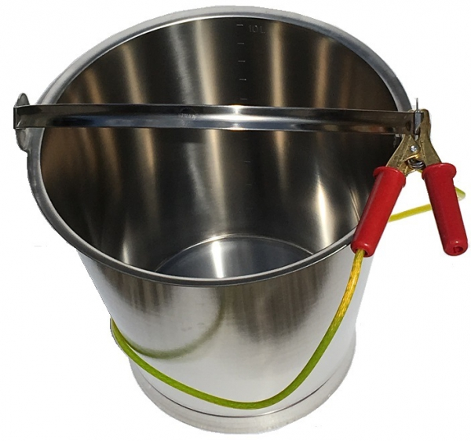
 | Auto Plumber | Cable clamps |  |  | 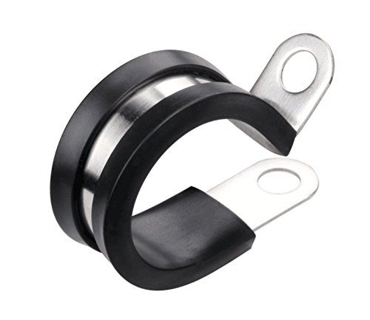
 | Auto Plumber | Cable cutter |  |  | 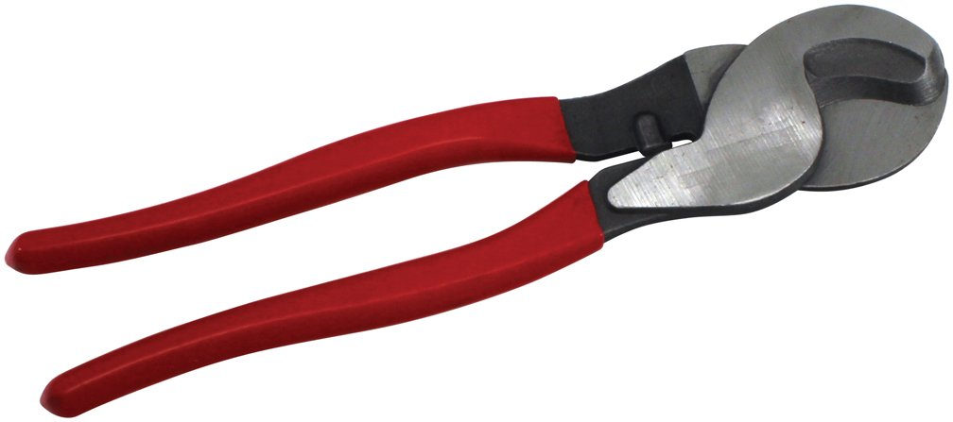
 | Auto Plumber | Cable drum |  |  | 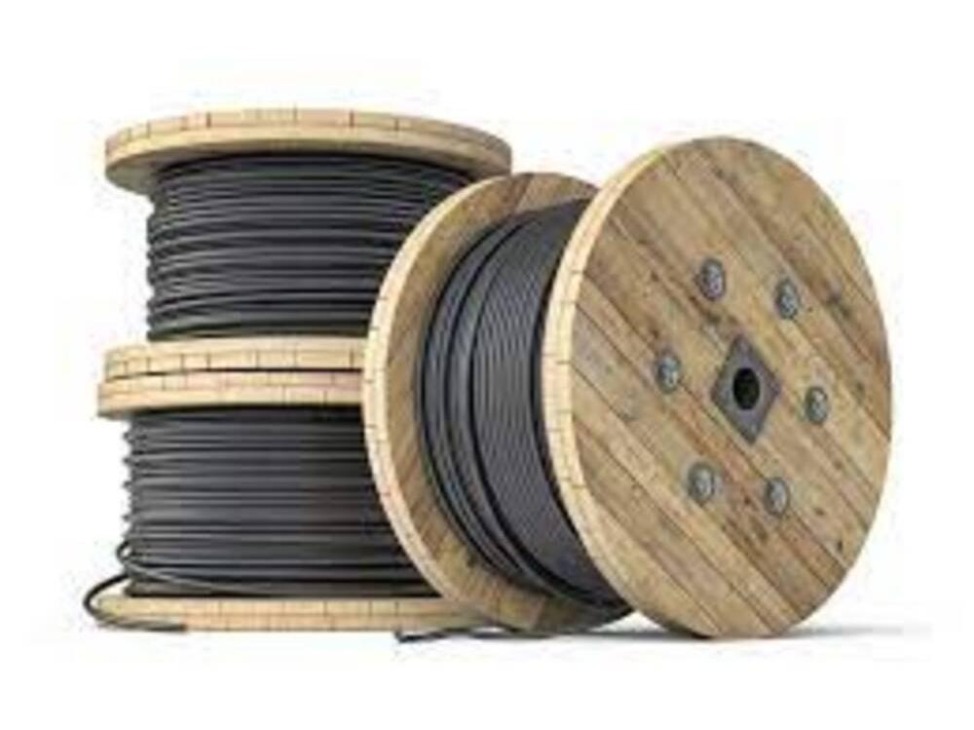
 | Auto Plumber | Cable fault locator |  |  | 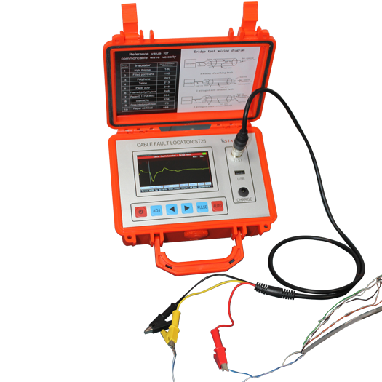
 | Auto Plumber | Cable grips |  |  | 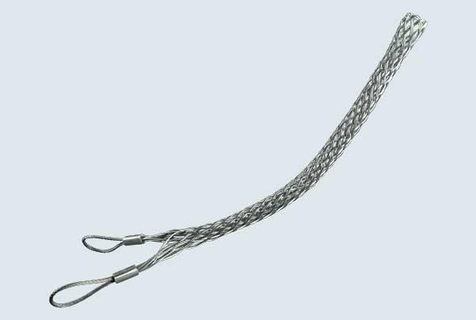
 | Auto Plumber | Cable jointing kit |  |  | 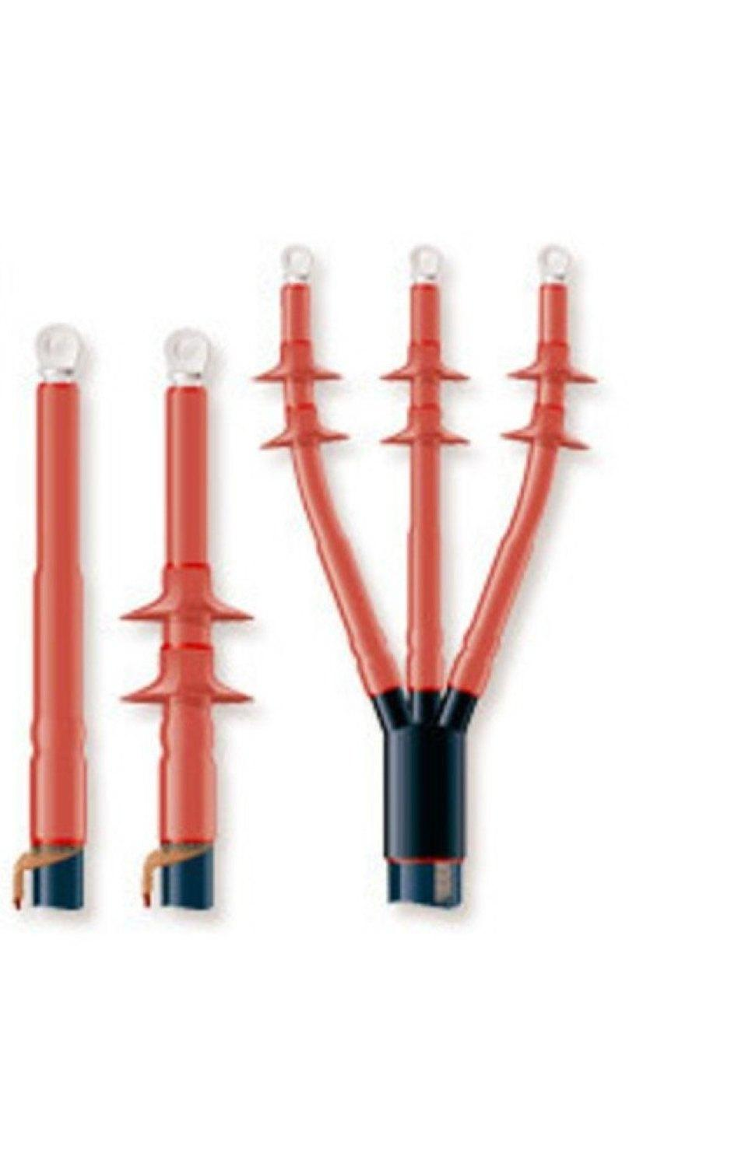
 | Auto Plumber | Cable laying tools |  |  | 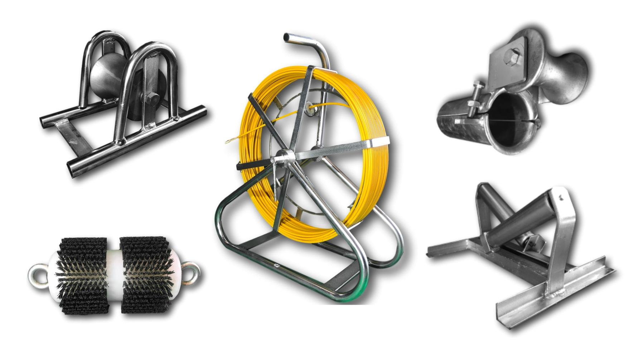
 | Auto Plumber | Cable lubricant |  |  | 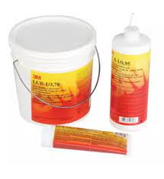
 | Auto Plumber | Cable markers |  |  | 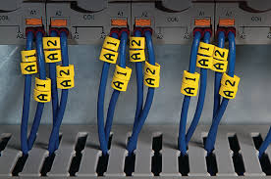
 | Auto Plumber | Cable preparation tools |  |  | 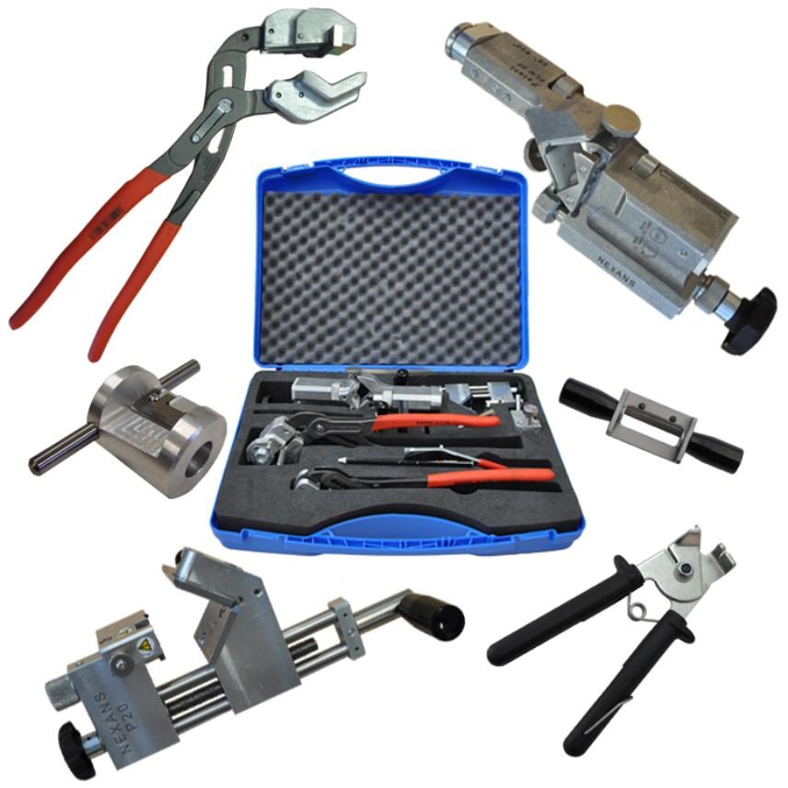
 | Auto Plumber | Cable protector |  |  | 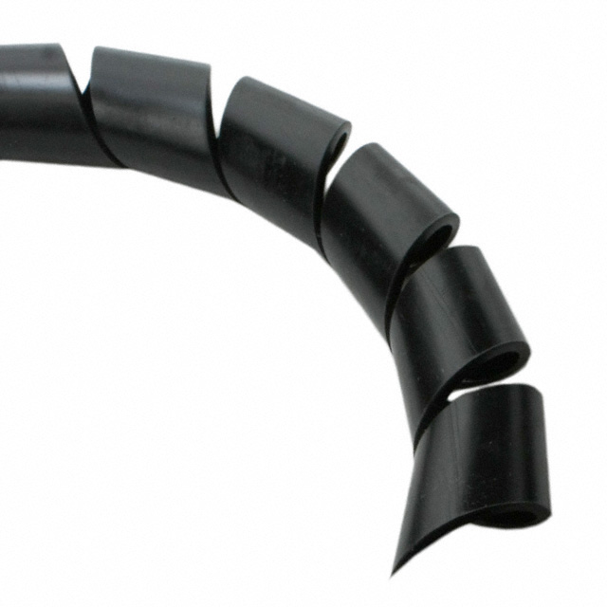
 | Auto Plumber | Cable pulling equipment |  |  | 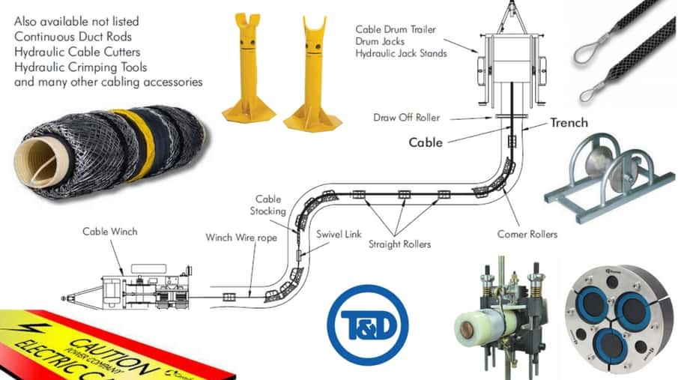
 | Auto Plumber | Cable sample |  |  | 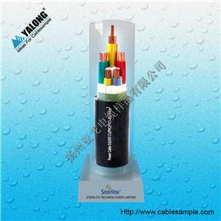
 | Auto Plumber | Cable tester |  |  | 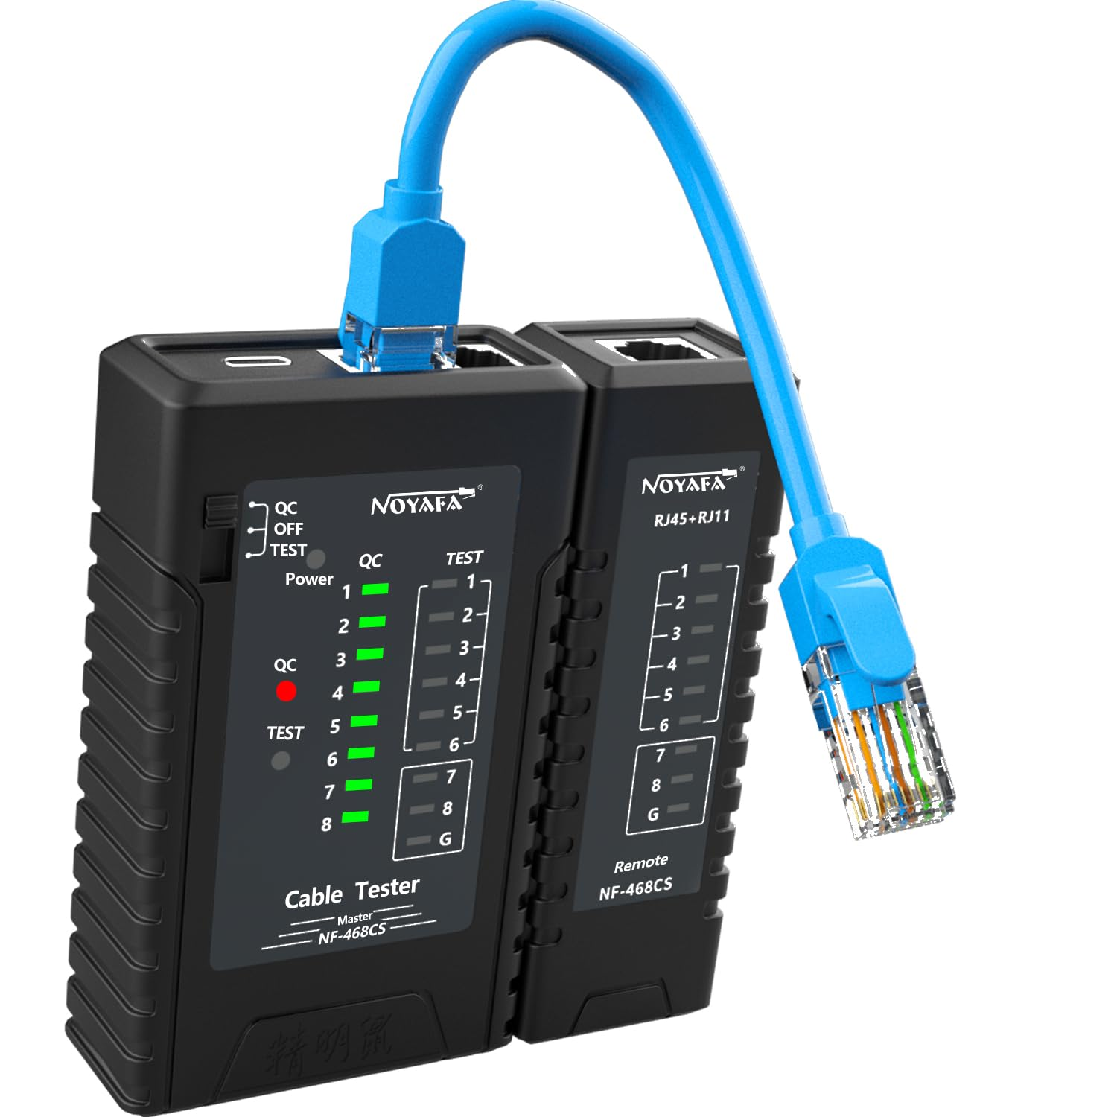
 | Auto Plumber | Cable tie |  |  | 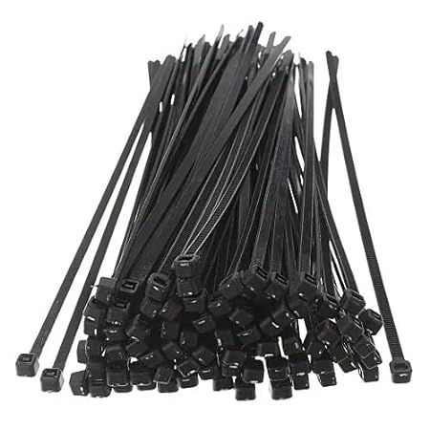
 | Auto Plumber | Cable trunking |  |  | 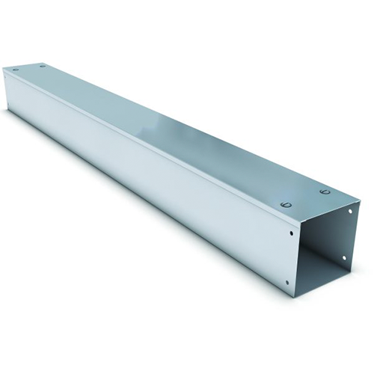
 | Auto Plumber | Circuit tracer |  |  | 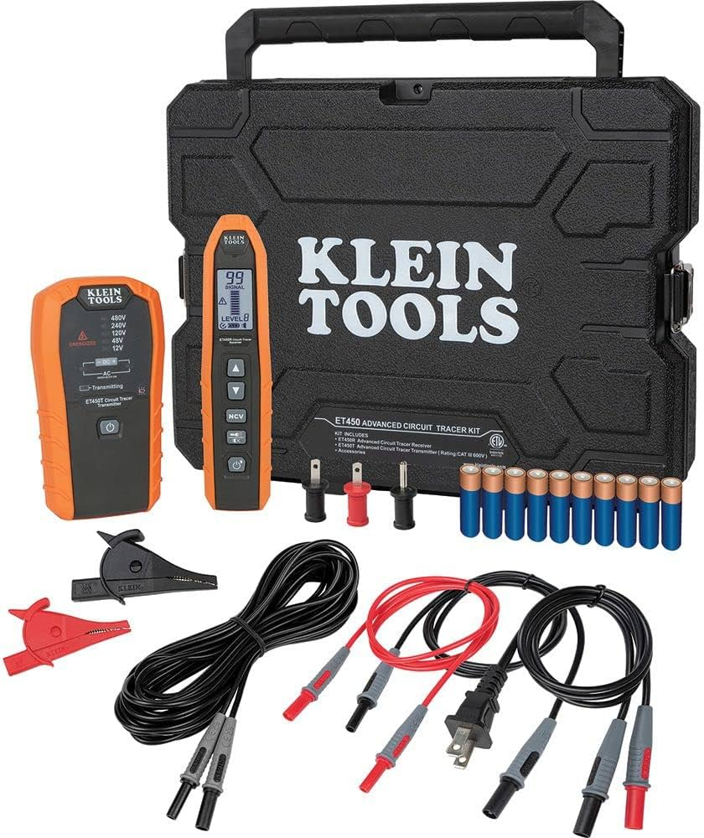
 | Auto Plumber | Cleaning solvents |  |  | 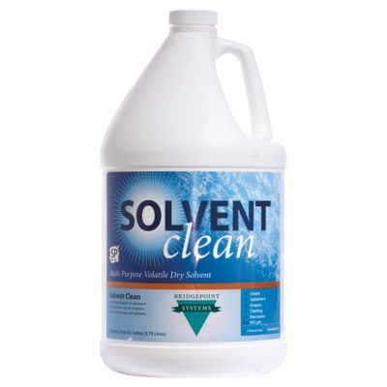
 | Auto Plumber | Conductive grease |  |  | 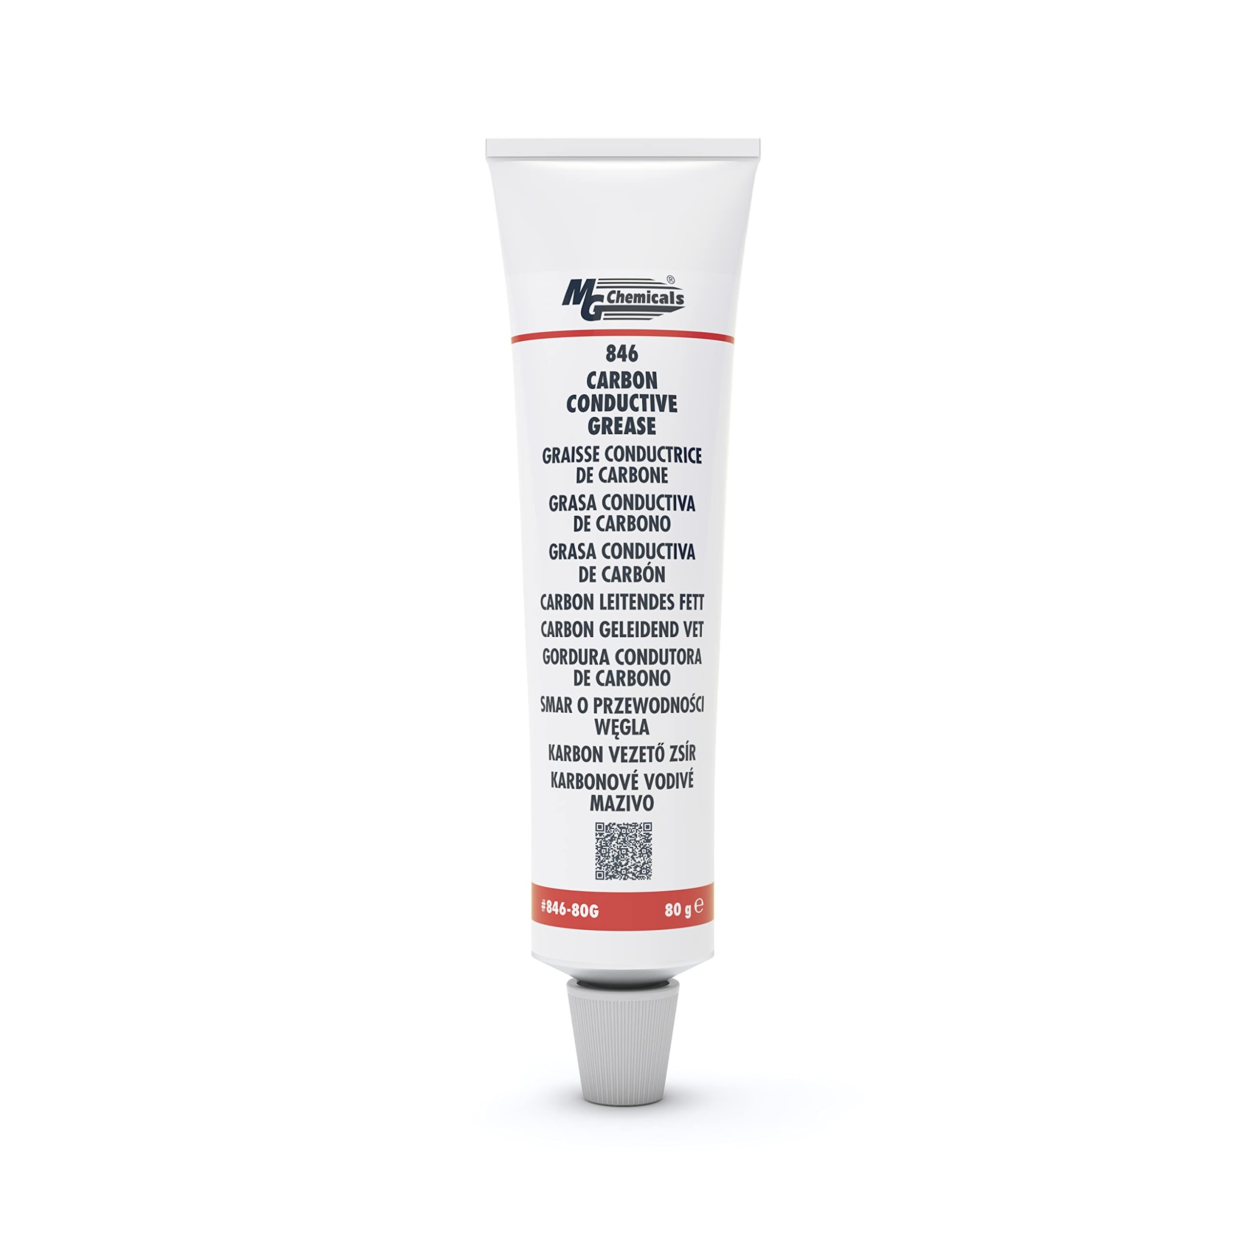
 | Auto Plumber | Conduit (both metallic and non-metallic) |  |  | 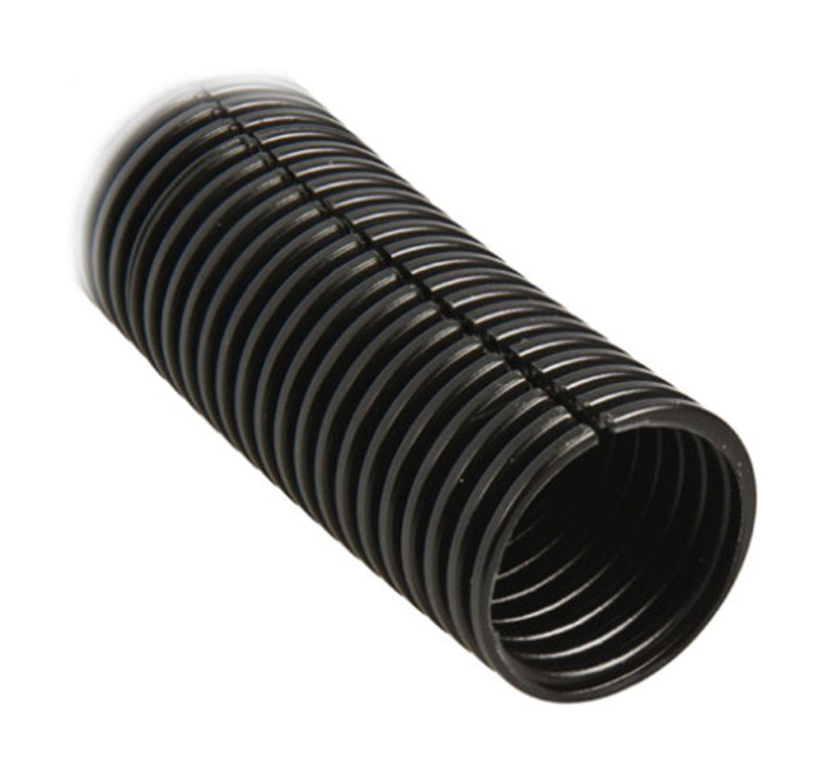
 | Auto Plumber | Conduit bending machine |  |  | 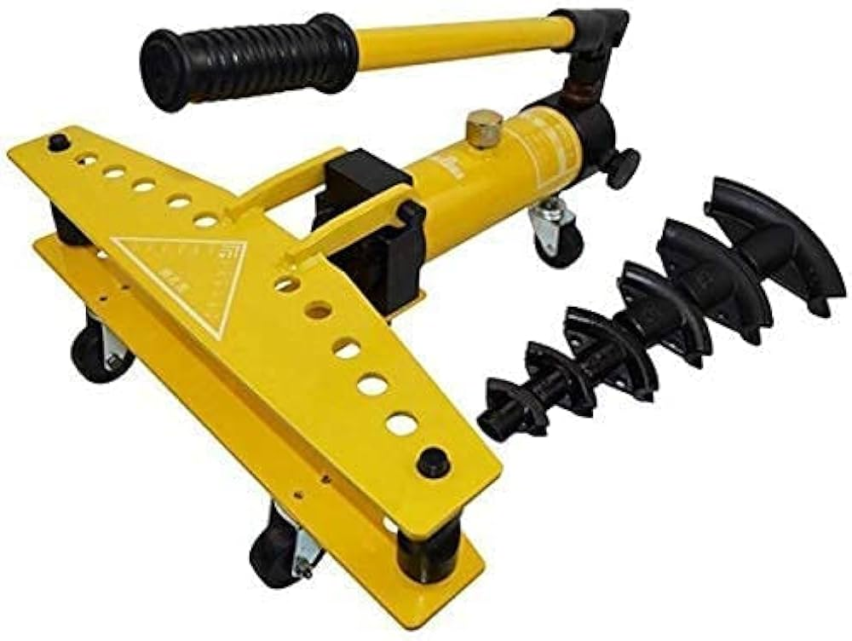
 | Auto Plumber | Connectors |  |  | 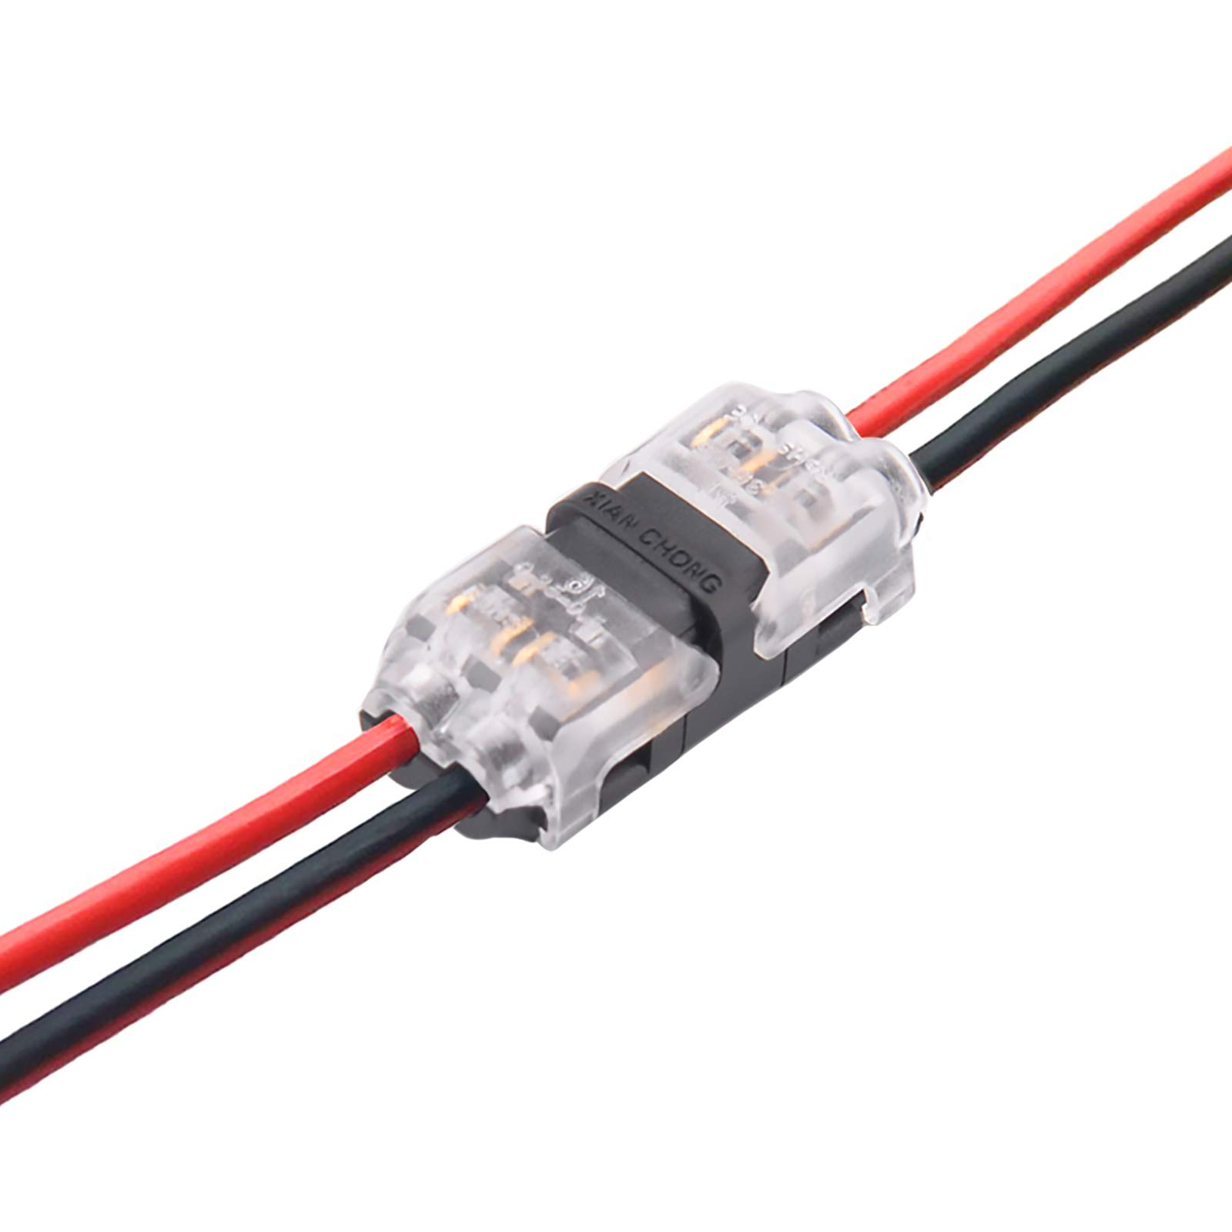
 | Auto Plumber | Continuity tester |  |  | 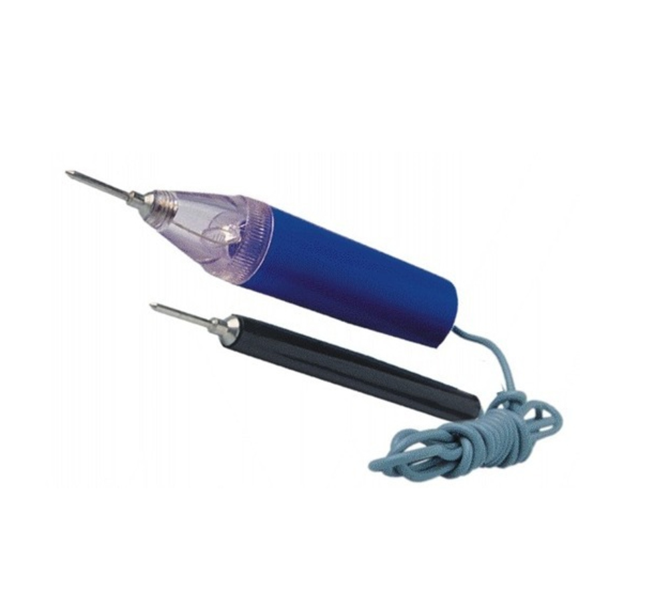
 | Auto Plumber | Control panel |  |  | 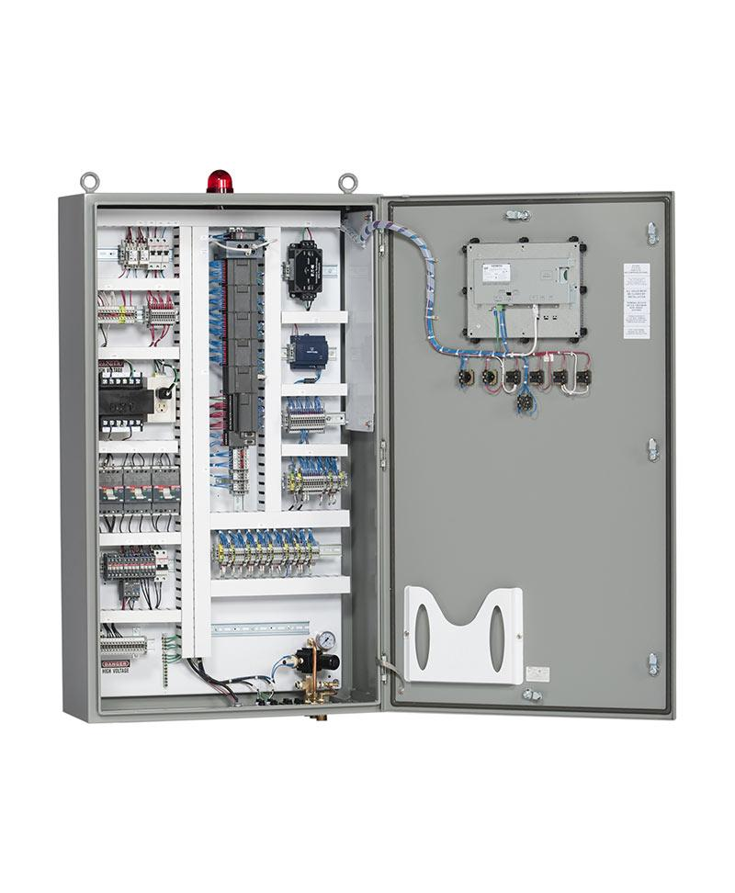
 | Auto Plumber | Coolant |  |  | 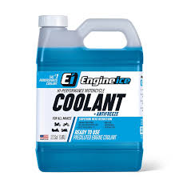
 | Auto Plumber | Cooling system flush machine |  |  | 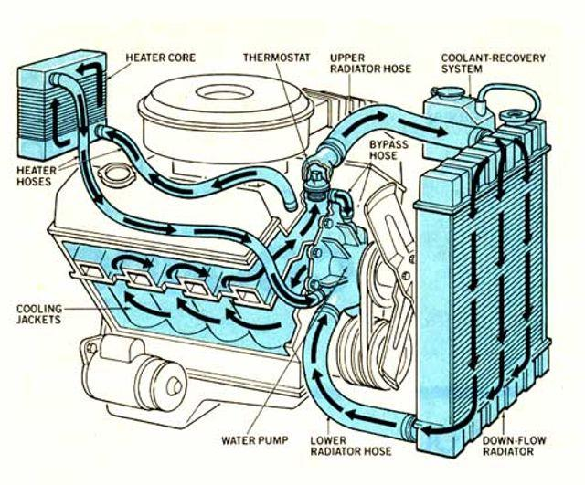
 | Auto Plumber | Crimp fittings |  |  | 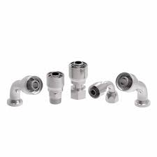
 | Auto Plumber | Crimp lugs |  |  | 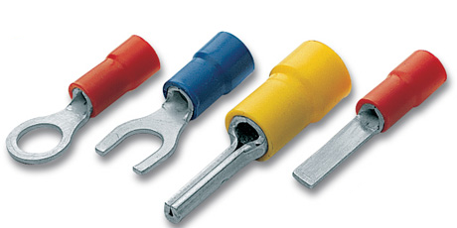
 | Auto Plumber | Crimping tools |  |  | 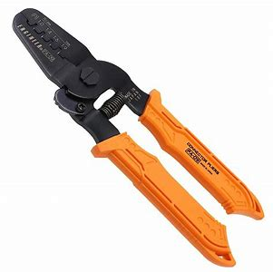
 | Auto Plumber | Diagnostic scan tool |  |  | 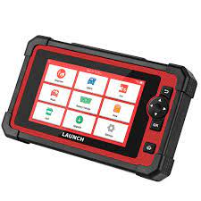
 | Auto Plumber | Digital camera |  |  | 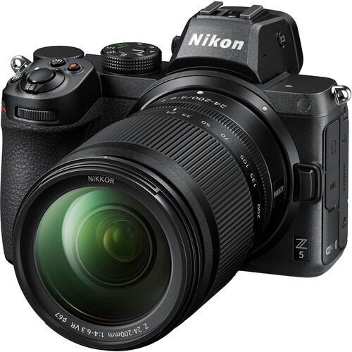
 | Auto Plumber | Drain pan |  |  | 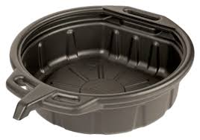
 | Auto Plumber | Drip pan |  |  | 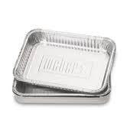
 | Auto Plumber | Earthing clamps |  |  | 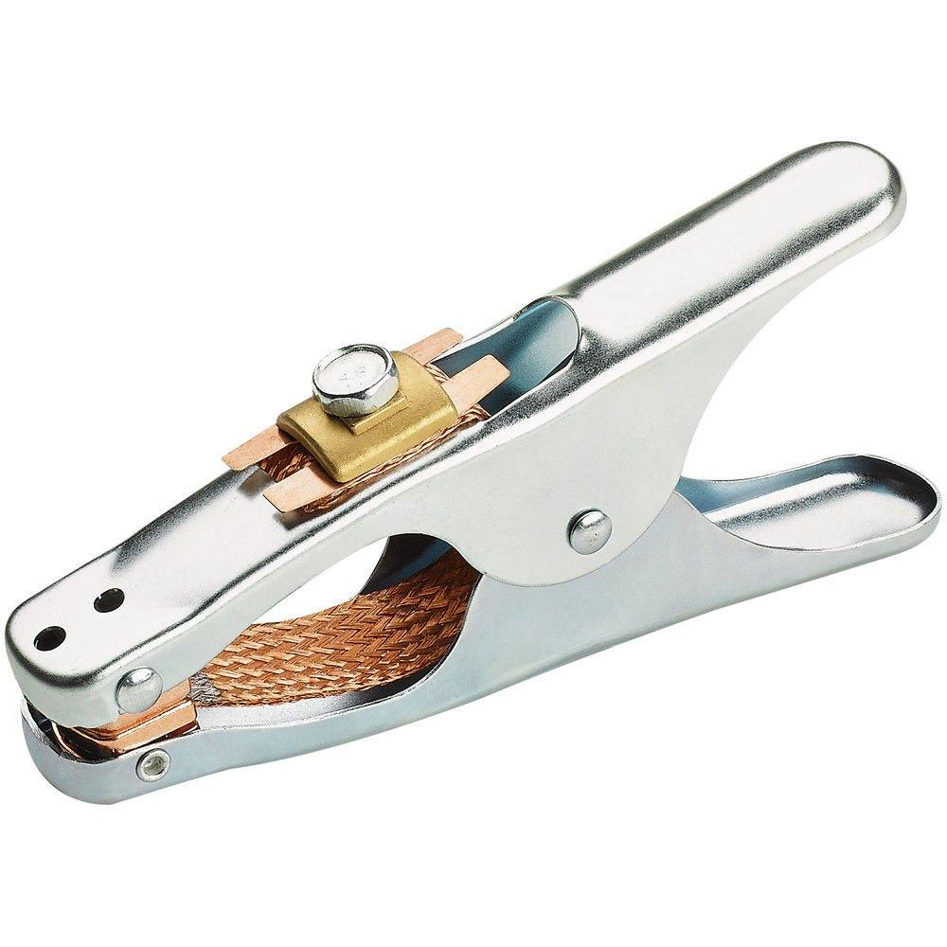
 | Auto Plumber | Electrical metallic conduit |  |  | 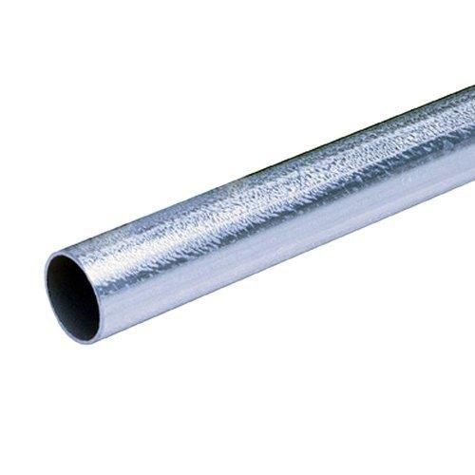
 | Auto Plumber | Filters |  |  | 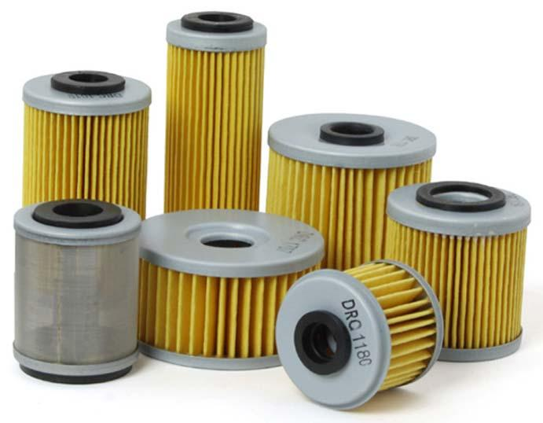
 | Auto Plumber | Fittings |  |  | 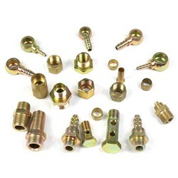
 | Auto Plumber | Flaring tool |  |  | 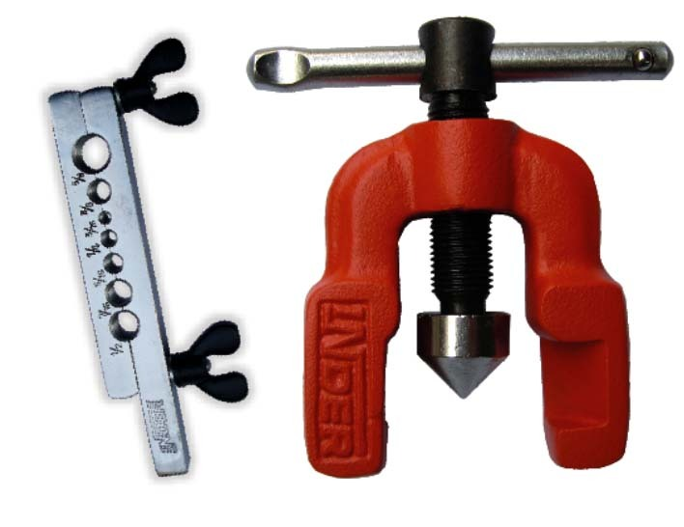
 | Auto Plumber | Fluid Dispenser |  |  | 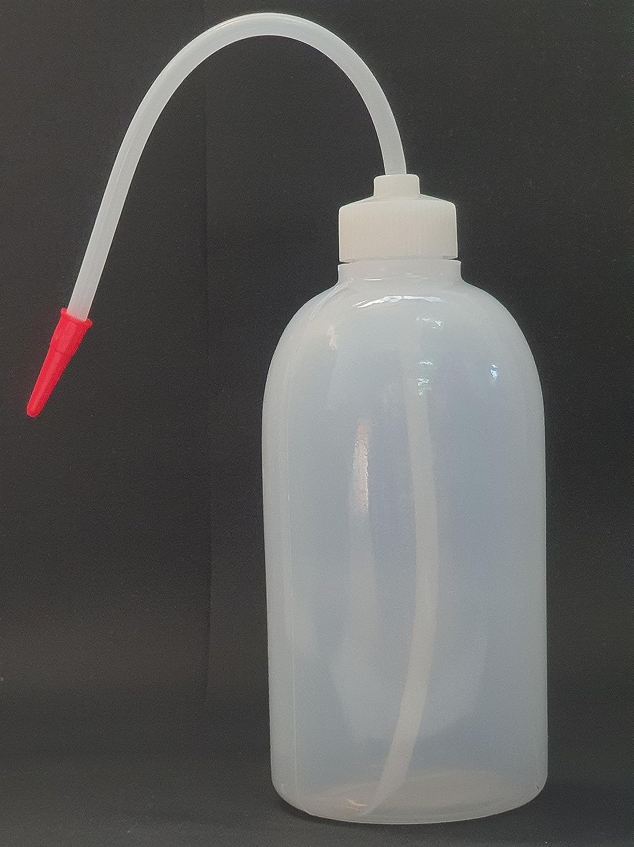
 | Auto Plumber | Fluid extractor |  |  | 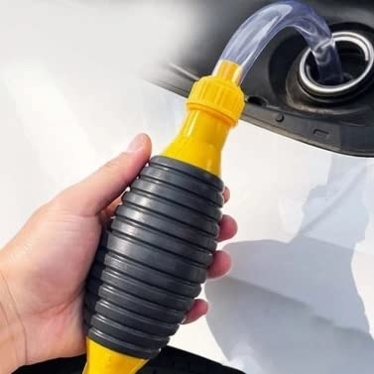
 | Auto Plumber | Fuel filter wrench |  |  | 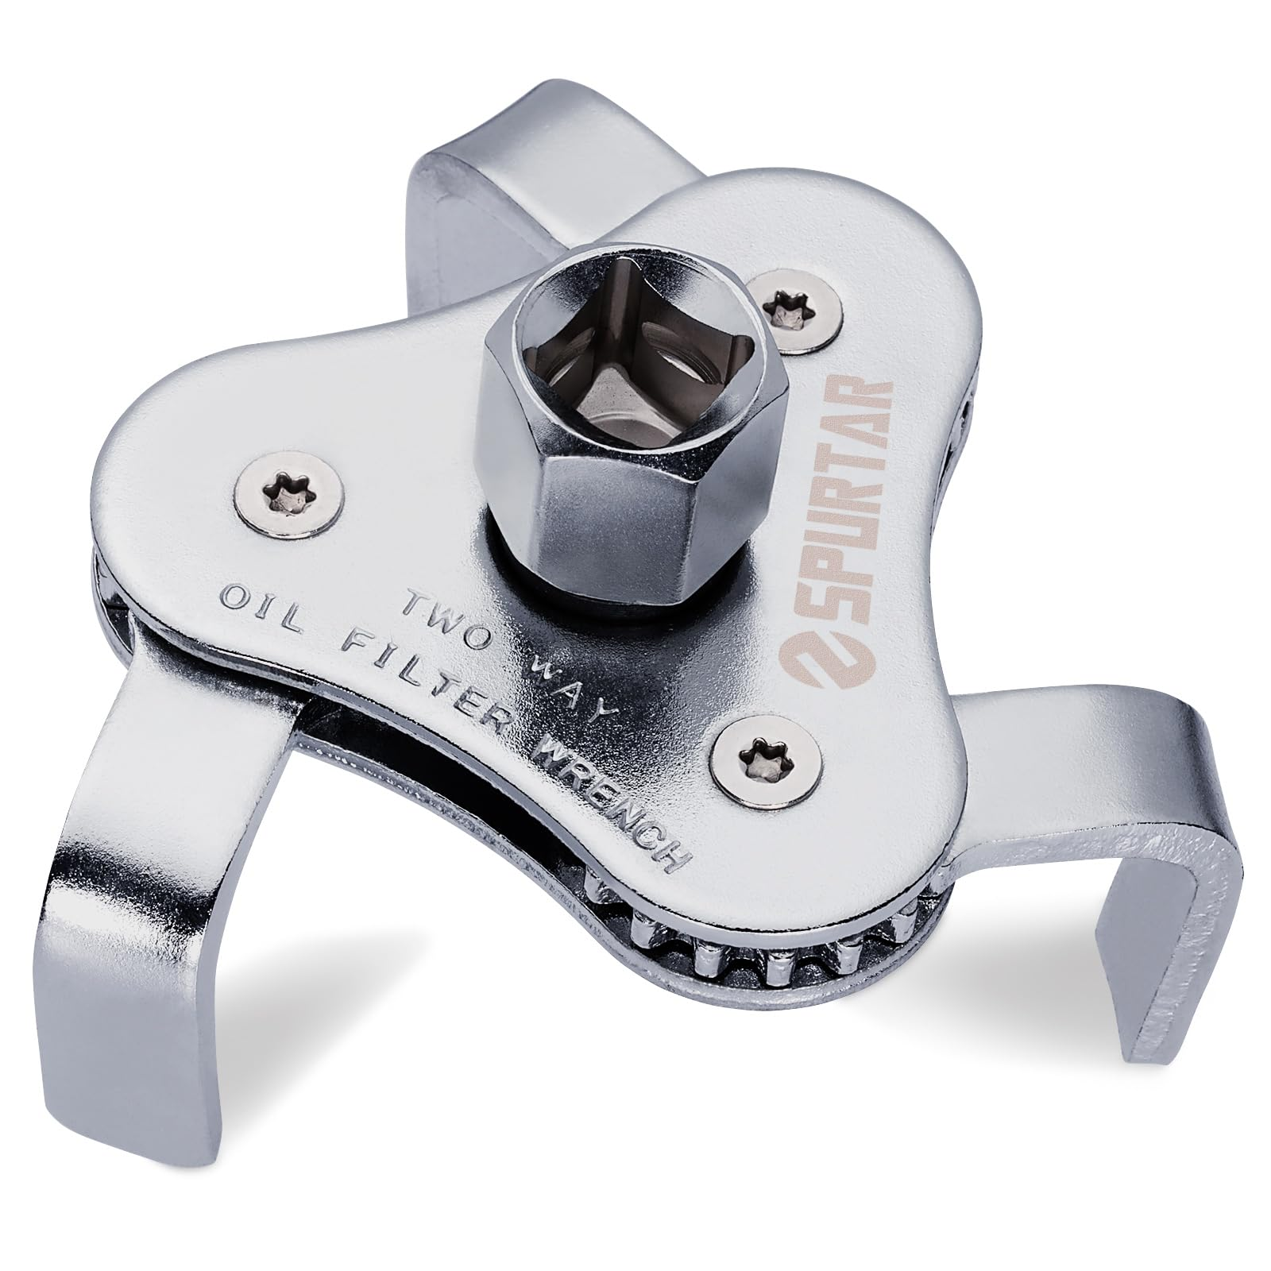
 | Auto Plumber | Fuel line |  |  | 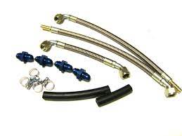
 | Auto Plumber | Fuel line cutter |  |  | 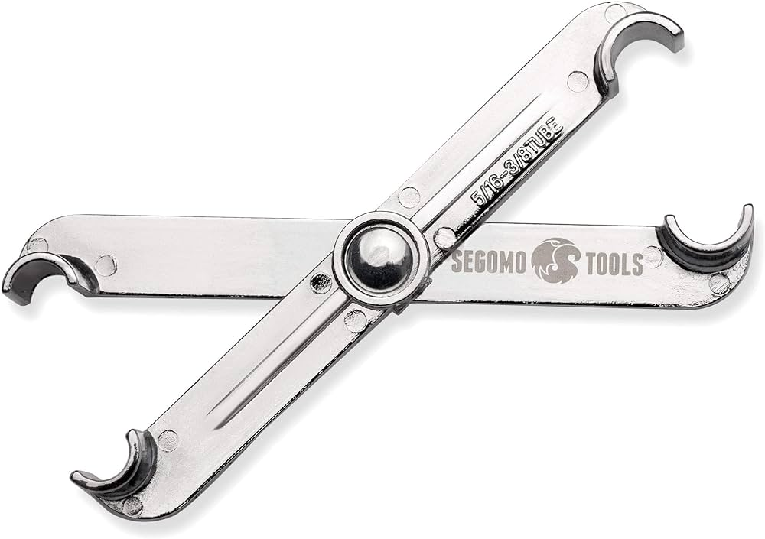
 | Auto Plumber | Fuel line repair toolkit |  |  | 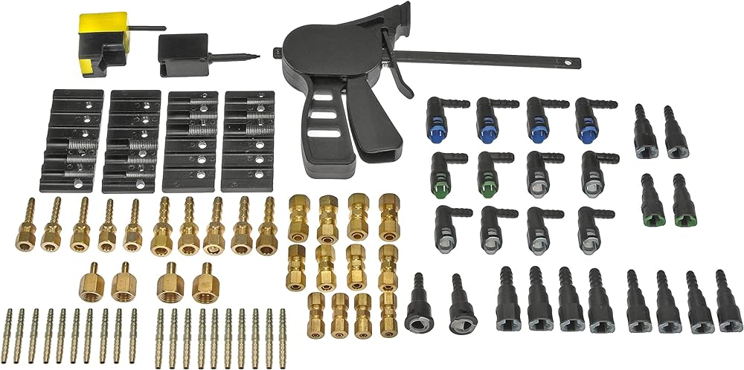
 | Auto Plumber | Fuel pressure tester |  |  | 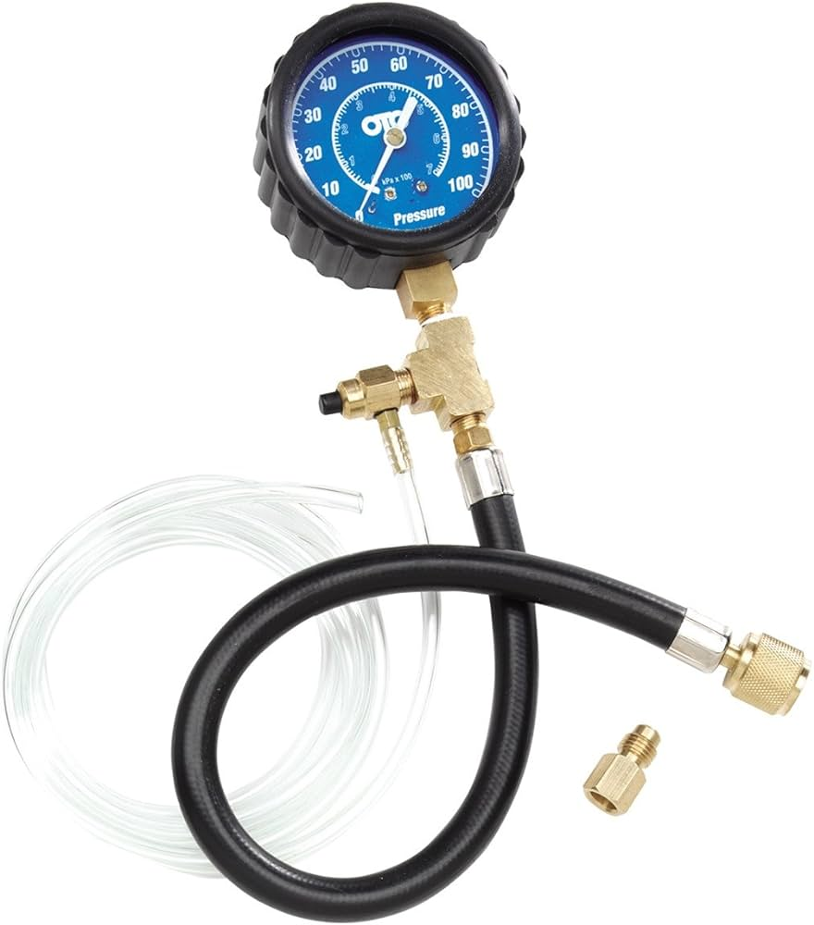
 | Auto Plumber | Funnel |  |  | 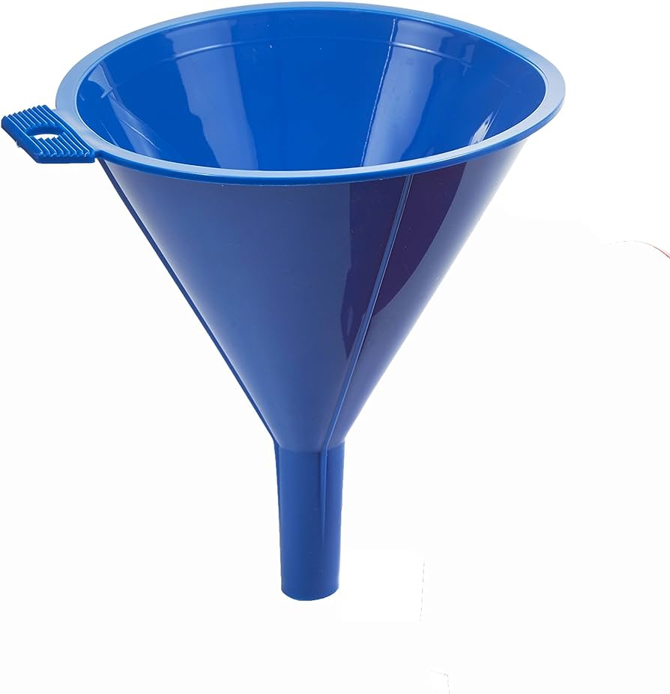
 | Auto Plumber | Grounding cables |  |  | 
 | Auto Plumber | Grounding rods |  |  | 
 | Auto Plumber | Hacksaw |  |  | 
 | Auto Plumber | Hammer drill |  |  | 
 | Auto Plumber | Heat gun |  |  | 
 | Auto Plumber | High tension cables |  |  | 
 | Auto Plumber | High-voltage cable |  |  | 
 | Auto Plumber | Hoisting equipment |  |  | 
 | Auto Plumber | Hose clamps |  |  | 
 | Auto Plumber | Hose removal tool |  |  | 
 | Auto Plumber | Hydraulic fittings |  |  | 
 | Auto Plumber | Hydraulic hose crimper |  |  | 
 | Auto Plumber | Hydraulic jack |  |  | 
 | Auto Plumber | Hydraulic lift |  |  | 
 | Auto Plumber | Hydraulic line repair kit |  |  | 
 | Auto Plumber | Hydraulic pressure test kit |  |  | 
 | Auto Plumber | Infrared thermometer |  |  | 
 | Auto Plumber | Inspection toolkit |  |  | 
 | Auto Plumber | Insulating tape |  |  | 
 | Auto Plumber | Insulation resistance tester |  |  | 
 | Auto Plumber | Jack stands |  |  | 
 | Auto Plumber | Joining adhesives |  |  | 
 | Auto Plumber | Jointing kits
 | Auto Plumber | Level |  |  | 
 | Auto Plumber | Marker pens |  |  | 
 | Auto Plumber | Marking paint |  |  | 
 | Auto Plumber | Measuring tape |  |  | 
 | Auto Plumber | Motorcycle stand |  |  | 
 | Auto Plumber | Mounting clamps |  |  | 
 | Auto Plumber | Multimeter |  |  | 
 | Auto Plumber | New radiator and thermostat |  |  | 
 | Auto Plumber | Notepad for notes |  |  | 
 | Auto Plumber | Overhead cables |  |  | 
 | Auto Plumber | Overhead line simulator |  |  | 
 | Auto Plumber | Pencil |  |  | 
 | Auto Plumber | Phase meter |  |  | 
 | Auto Plumber | Power cables |  |  | 
 | Auto Plumber | Pressure gauge |  |  | 
 | Auto Plumber | PVC conduit |  |  | 
 | Auto Plumber | Radiator flush fluid |  |  | 
 | Auto Plumber | Radiator installation kit |  |  | 
 | Auto Plumber | Radiator pressure tester |  |  | 
 | Auto Plumber | Radiator solder |  |  | 
 | Auto Plumber | Replacement fuel filter |  |  | 
 | Auto Plumber | Replacement fuel lines |  |  | 
 | Auto Plumber | Replacement hydraulic hoses |  |  | 
 | Auto Plumber | Screwdriver set |  |  | 
 | Auto Plumber | Screws |  |  | 
 | Auto Plumber | Sealing compound |  |  | 
 | Auto Plumber | Soldering iron |  |  | 
 | Auto Plumber | Splice closure kit |  |  | 
 | Auto Plumber | Standard metallic conduit |  |  | 
 | Auto Plumber | Terminal cabinet |  |  | 
 | Auto Plumber | Terminal lugs |  |  | 
 | Auto Plumber | Test cable set |  |  | 
 | Auto Plumber | Thread sealing tape |  |  | 
 | Auto Plumber | Threaded conduit |  |  | 
 | Auto Plumber | Threading machine |  |  | 
 | Auto Plumber | Trenching tools |  |  | 
 | Auto Plumber | Tubing cutter |  |  | 
 | Auto Plumber | Various gauges |  |  | 
 | Auto Plumber | Wall anchors |  |  | 
 | Auto Plumber | Wall plugs |  |  | 
 | Auto Plumber | Wire brush |  |  | 
 | Auto Plumber | Wire cutters |  |  | 
 | Auto Plumber | Wrench set |  |  | 
Protective Equipment & Wear
 | Auto Plumber | Fire retardant, Reflective jacket or Jumpsuit with multiple pockets and reflective bands
 | Auto Plumber | Full body harness
 | Auto Plumber | Face mask (For light duty installation work) |  |  | 
 | Auto Plumber | Chemical-Resistant Gloves
 | Auto Plumber | Technician gloves |  |  | 
 | Auto Plumber | HEPA filter Respirator (When using soldering iron, drills, or handling large electrical equipment like generators) |  |  | 
 | Auto Plumber | Protective Safety Glasses/Goggles |  |  | 
 | Auto Plumber | Insulated boots |  |  | 
 | Auto Plumber | Insulated Ladder
 | Auto Plumber | Polypropylene Safety Hat (When working at construction site, at all times) |  |  | 
 | Auto Plumber | Elbow and knee guards |  |  | 
 | Auto Plumber | Insulated gloves |  |  | 
Emergency Protection and Warning Equipment
 | Auto Plumber | Fire prevention Kit (Containing fire blanket, Heat Resistant Gloves, Escape Rope, Glass Hammer, Glow Sticks, Flashlight, First Aid Supplies with Burn Injury Care Treatment and More) |  |  | 
 | Auto Plumber | Lockout/Tagout Device with padlock |  |  | 
 | Auto Plumber | Fire extinguisher (Hand held or Wall mounted)
 | Auto Plumber | First aid box
 | Auto Plumber | Safety tags, |  |  | 
 | Auto Plumber | Safety notice board /safety message board |  |  | 
 | Auto Plumber | Barricade Cones
 | Auto Plumber | Warning Signs (Danger)

