Workshop Worker Lab images
S. No | Tools | Image
1 | Welding machine (generic) | 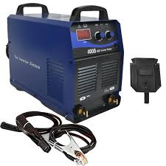
2 | MIG Welding machine | 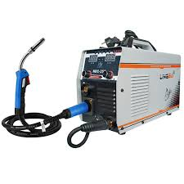
3 | TIG welding machine | 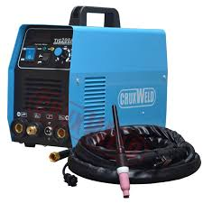
4 | Oxy-acetylene cutting torch | 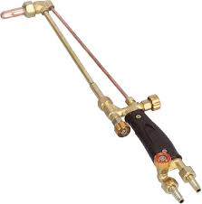
5 | Spark lighter | 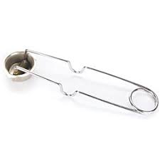
6 | Propane torch | 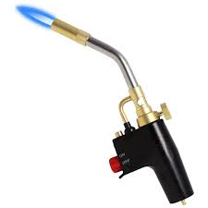
7 | Welding clamp set (C, F, Ground, Tack, cleats, magnetic etc) | 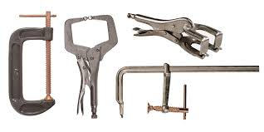
8 | Wire brush | 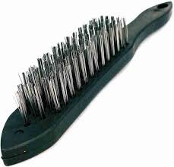
9 | MIG welding plier | 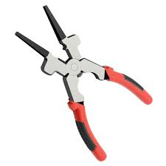
10 | Chipping hammer | 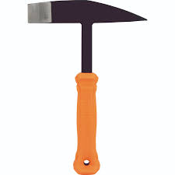
11 | Marking gauge - Weld gauge | 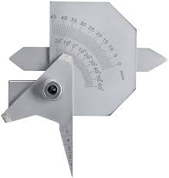
12 | Marking gauge - Sheet metal gauge | 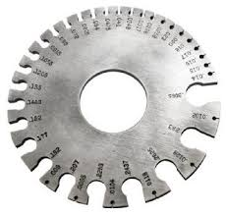
13 | Combination square | 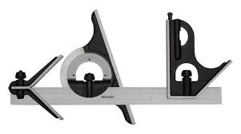
14 | Speed square | 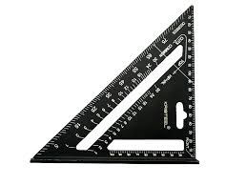
15 | Marking knife | 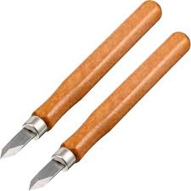
16 | Carpenter's pencil | 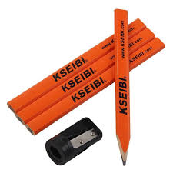
17 | Height gauge | 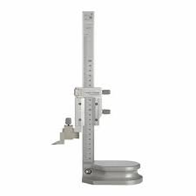
18 | Digital caliper
19 | Steel ruler | 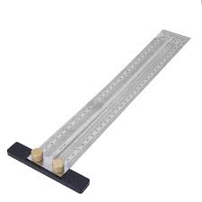
20 | Center punch | 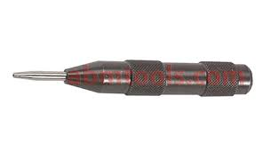
21 | Chalk line | 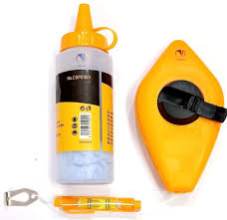
22 | Dial indicator | 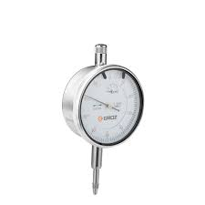
23 | Mechanic's stethoscope | 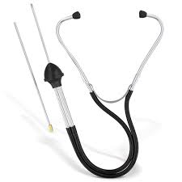
24 | Metric feeler gauge | 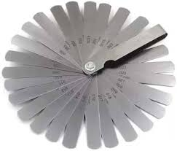
25 | Angle marking ruler | 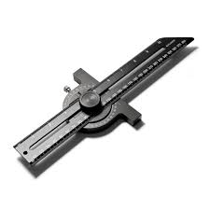
26 | Laser shaft alignment tool | 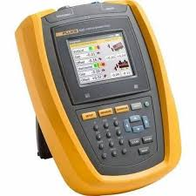
27 | Belt tension meter | 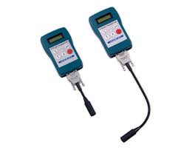
28 | Metal scribe | 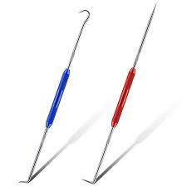
29 | Straight edge | 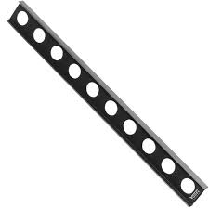
30 | Laser level | 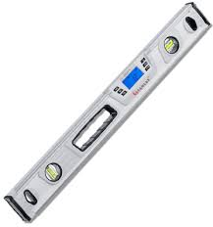
31 | Surface plate | 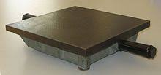
32 | Multimeter | 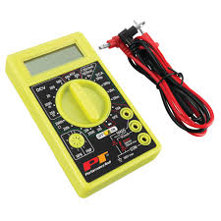
33 | Angle grinder | 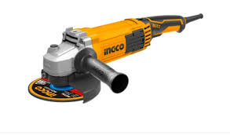
34 | Welding framing jig | 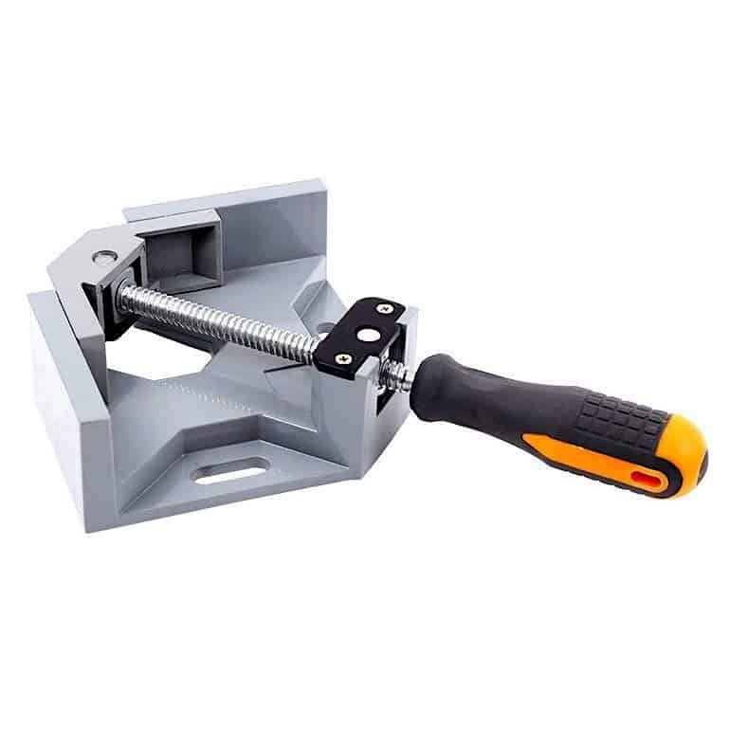
35 | Hydraulic press | 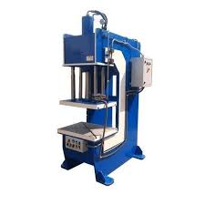
36 | Bench grinder | 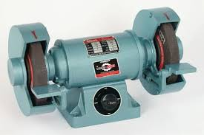
37 | Drill press | 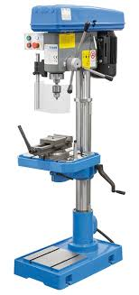
38 | Cordless drill | 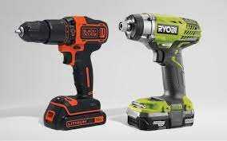
39 | Power drill | 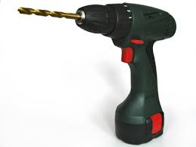
40 | Anvil | 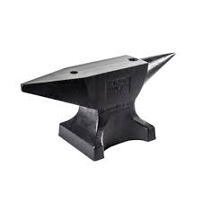
41 | Power hammer | 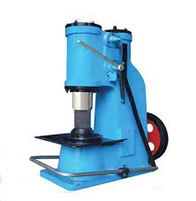
42 | Forge | 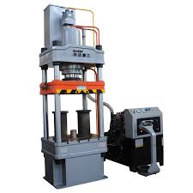
43 | Forging tongs (Bolt jaw, wolf jaw, flat jaw, double pickup) | 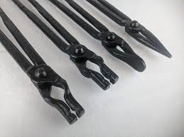
44 | Forging dies | 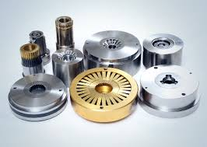
45 | Fuller tool | 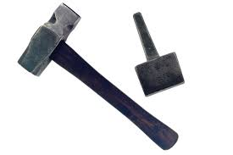
46 | Twisting wrench | 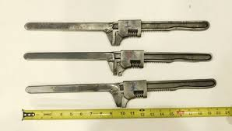
47 | Bending jig | 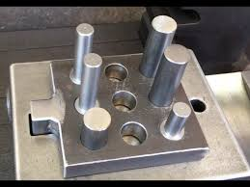
48 | Bending fork | 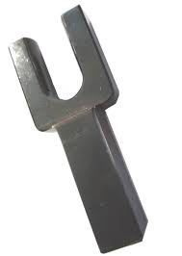
49 | Jigsaw | 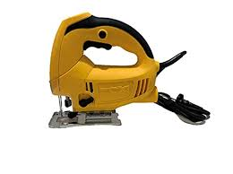
50 | Bandsaw | 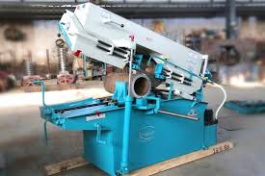
51 | Miter saw | 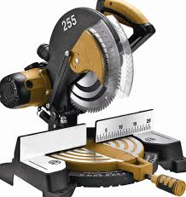
52 | Chop saw
53 | Pipe cutter
54 | Glass cutter - Fletcher
55 | Glass cutter - Vigrue
56 | Metal snip
57 | Block plane
58 | Heat gun
59 | Caulking gun
60 | Sandblasting machine
61 | Mechanical sander
62 | Punch and die set
63 | Press brake machine
64 | Offset tooling
65 | Bending wrench
66 | Precision grinding machine
67 | Milling machine
68 | Manual lathe machine
69 | CNC Milling machine
70 | Tool and cutter grinder
71 | Surface grinder
72 | CNC tool grinder
73 | (30) End mill cutter tool (for milling machines)
74 | Mortising attachment
75 | Mortising chisel drill bit set
76 | Sanding drum kit (For drill press)
77 | Countersink bit (drilling and finishing holes)
78 | Tool holder (for CNC tool grinder)
79 | (90) Magnetic chuck (used on grinding machines and surface grinders)
80 | Wrench set
81 | Allen wrenches (Hex key set)
82 | Sledge hammer
83 | Welding Plier
84 | Crimping plier
85 | Combination screwdriver set
86 | Cleaning brushes
87 | Sawhorse
88 | Bench vise
89 | Clamps - C Clamp
90 | Clamps - F clamp
91 | Clamps - Magnetic welding clamp
92 | Clamps - Cable cleats clamp
93 | Clamps - Toggle clamp
94 | Clamps -Pipe welding clamp
95 | Clamps - Ground clamp
96 | Sharpening tools - Grounding wheel
97 | Sharpening tools - Sharpening stone
98 | Grease gun
99 | High pressure washer
100 | Industrial Vacuum cleaner
101 | Flashlight
102 | Wooden toolbox
103 | Workbench
104 | Label marker
105 | Step ladder
106 | Shelving units
107 | Storage bins
108 | PPE kit - Welding helmet
109 | PPE Welding kit - MIG and TIG Gloves, sleeves, apron
 | PPE Kit
110 | Broom
111 | Dustpan
112 | Bucket

