Images for lab
 |  | Occupation - Warehouse Worker
 |  | Tools/Equipment/Material list
S No | Tools/Equipment/Material Name | Image
1 | PPE - N-95 mask, Disposable dust mask, Hard hat | 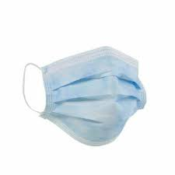 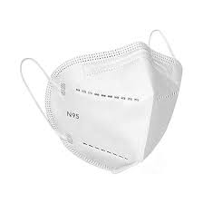
2 | PPE - Disposable nitrile gloves, Cut resistant nitrile gloves | 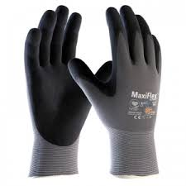
3 | Chemical resistant nitrile gloves | 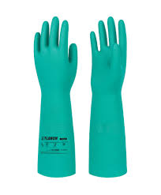
4 | PPE - High visibility vest | 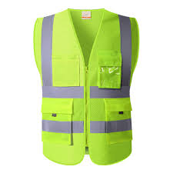
5 | Reflective rain jacket, Raincoat | 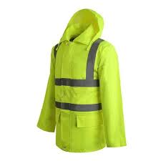 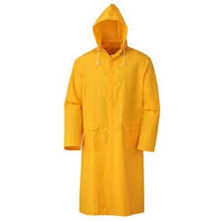
6 | PPE - Safety goggles | 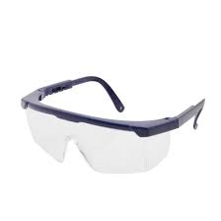
7 | Slip-resistant shoes | 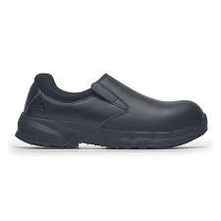
8 | Barcode scanner | 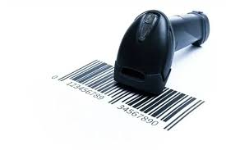
9 | QR code scanner | 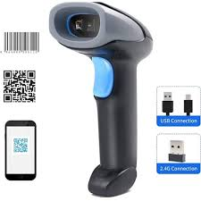
10 | Handheld terminal | 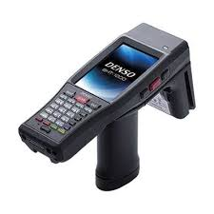
11 | Tablet with Warehouse Management System (WMS), Inventory software, Stacking SOP, | 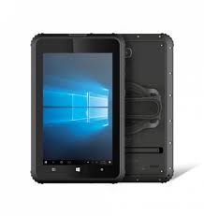
12 | Anti-static padding | 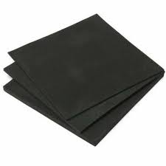
13 | Foam cushioning
14 | Shock absorbent foam | 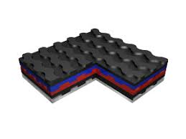
15 | Bubble wrap
16 | Hand trolley | 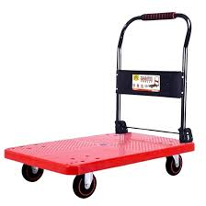
17 | Pallet jack | 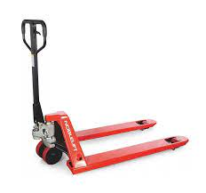
18 | Pallet racks | 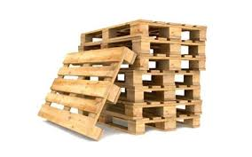
19 | Caution - Broken glass warning sign
20 | Caution - Slip hazard sign, Cleaning in progress sign | 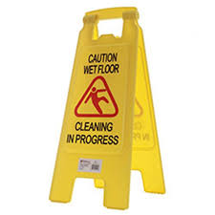
21 | Spill containment pallet, spill containment pad for hazardous chemicals | 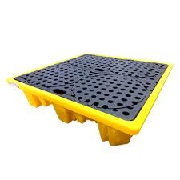 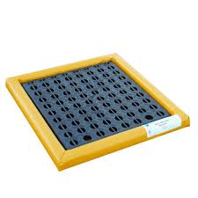
22 | Measuring tape | 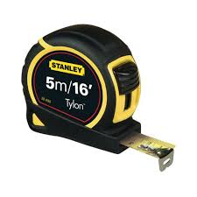
23 | Fragile label, "This side up" label, "handle with care" label
24 | "Do not stack" label, "Flammable" label | 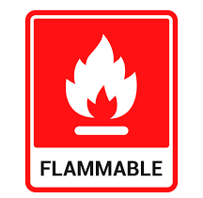
25 | "Expired" label, Red isolation tags | 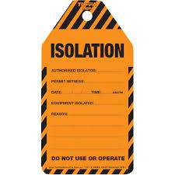
26 | QC pass label stickers and label tag | 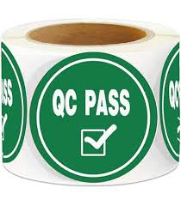
27 | Packing tape dispenser with packing tape | 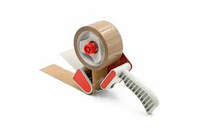
28 | Packing paper for glassware
29 | Warehouse tote | 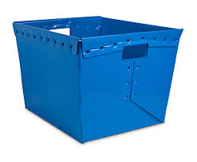
30 | Warehouse picking cart | 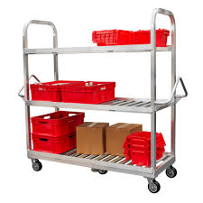
31 | Warehouse ladder, Step ladder with rubber feet | 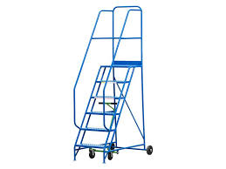 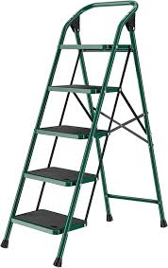
33 | Carton sealing tape | 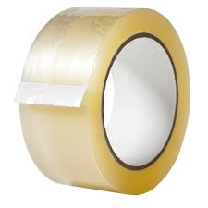
34 | Printer | 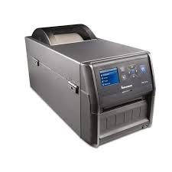
35 | Cargo ratchet straps | 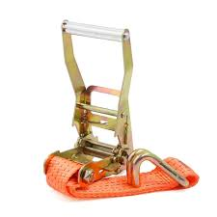
36 | Warehouse dolly (Two/four wheel) | 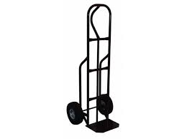
37 | Strapping machine | 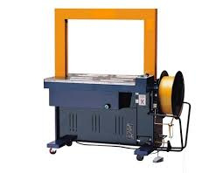
38 | Strapping tool | 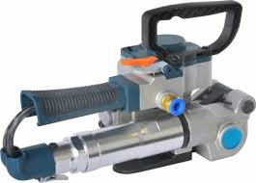
39 | Labeling machine | 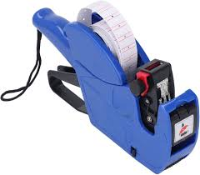
40 | Water-proof plastic pallet cover | 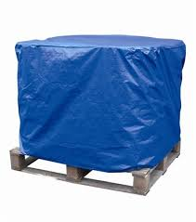
41 | Tarpaulin sheet | 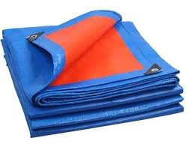
42 | Communication radio(Walkie talkie) | 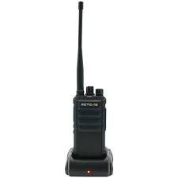
43 | Plastic curtains for dock entrance | 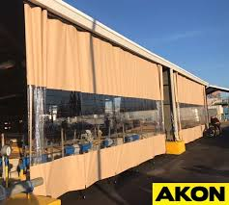
44 | Zip ties
45 | Corrugated boxes of different sizes | 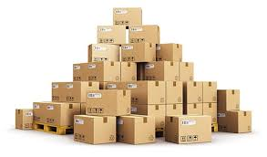
46 | Padded envelope | 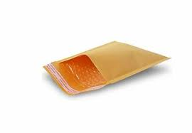
47 | Envelope sealing machine | 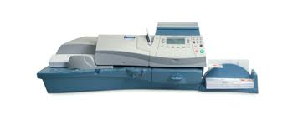
48 | Shrink wrap roll | 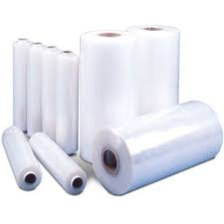
49 | Stretch wrap roll
50 | Edge protector
51 | Box cutter | 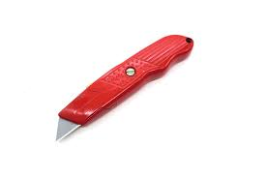
52 | Pallet strap | 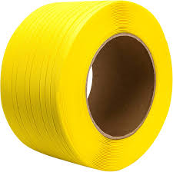
53 | Low temperature ice gel packs | 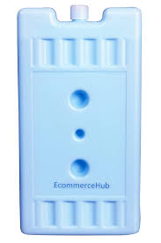
54 | Insulated boxes | 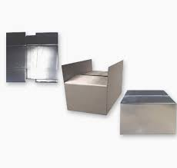
55 | Temperature monitoring stickers | 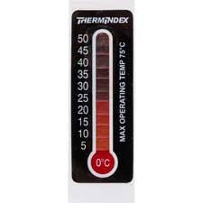
56 | Tamper evident seals
57 | Industrial floor scrubber
58 | Metal reinforced crates
59 | Documents/software - Staging checklist, Damage logging software, Safety documentation, Advanced Shipping Notice (ASN) manifest, Electronic packing list, Damage log, Safety data sheets, Stacking protocol checklist QC log sheet Shipping manifest Security seal logbook Return-processing form Evacuation route map Expired item logbook or software
60 | Material - Palletized dry goods (e.g. packaged electronics and homeware), Heavy building materials (e.g. cement bags and steel rods), Packaged canned beverages, Ceramic tiles in wooden crates, Dairy products in cases, Footwear cartons, Packaged glassware shipment, Industrial cleaning solvents (hazardous chemicals), Cases of bottled beverages, Sacks of raw grains, Fragile goods - wine glasses and tumblers, Fragile packaged electronics (flat-screen monitors), Mixed shipment of stationery and office supplies, Cartons of consumer packaged goods (e.g. shampoo bottles and liquid cleaners), Palletized laptop computers, Retail goods (apparel and accessories), Fragile shipment of glassware (e.g. drinking glasses and vases) Mixed parcels Packed cartons Grocery Stock (e.g. bottled sauces, snack packs, and canned goods Accessory Stock Keeping Units (e.g. t‑shirts, socks, belts) Fast‑moving packaged electronics accessories (e.g. phone cases, chargers) Food products (e.g. cereal boxes and snack packets Retail consumables (e.g. personal care like shampoo bottles Heavy goods (e.g. large bulk detergent cases and industrial cleaning supplies) 2 m tall cardboard boxes (e.g. packed furniture items). 1.8m steel rods or pipes 1.2m and 1.5m mix size snack food boxes Shrink-wrapped kitchen appliance units Mobile accessories for e-commerce orders Perishable consignment (fruit and vegetable products) Consignment of 50 mobile phone boxes Dry food packets
61 | Color coded shelf bins
62 | Color coded bin labels
63 | Shipping labels
64 | Wheel chock
65 | Dock barrier
66 | Dock leveler
67 | Fire extinguisher (ABC class)
68 | Portable fire alarm
69 | Zones - Fragile-goods shelving zone, Padded shelving racks, Staging zone, Forward pick shelving zone, Dispatch packing zone, Outbound loading dock dispatch zone, Narrow‐aisle zone, Selective pallet racking zone with adjustable beams, Vertical storage unit section for long items Dockside dispatch zone Packing zone near cold storage Quarantine zone
70 | Vehicles - Truck, Trailer truck
71 | Cleaning supplies - broom, mop, dustpan disinfectant wipes, multi-purpose disinfectant spray bottles, Degreasing solution
72 | Cleaning kit (microfiber cloths, alcohol-based wipes, mild detergent spray
73 | Cleaning brush
74 | Cleaned and sanitized sticker
75 | Spill kit
76 | Sharps puncture proof container
77 | Hazardous waste bin and bag

