Sheet1
 |  | Occupation - Transport Car Worker
 |  | Tools/Equipment/Material list
S No | Tools/Equipment/Material Name | Image
1 | PPE - N-95 mask, Disposable mask, | 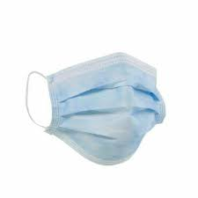 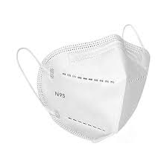
2 | PPE - Disposable nitrile gloves, safety goggles | 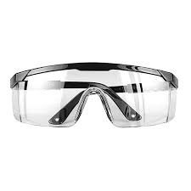
3 | Full face helmet | 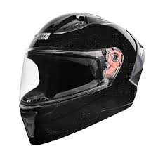
4 | Protective gloves (Full gauntlet) | 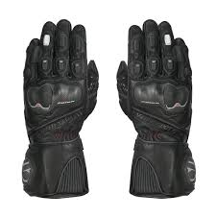
5 | Elbow and knee guards | 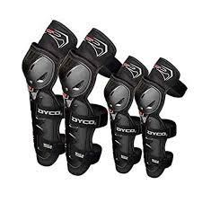
6 | Motorcycle riding boots | 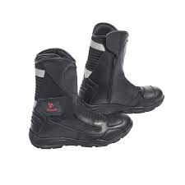
7 | Reflective jacket or high visibility reflective vest | 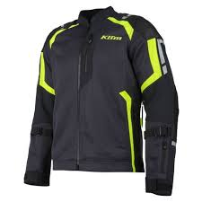 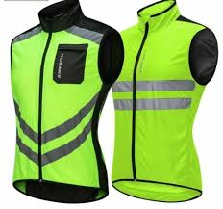
8 | Water resistant jacket | 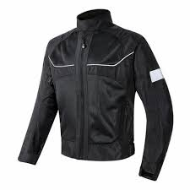
9 | Tire pressure gauge | 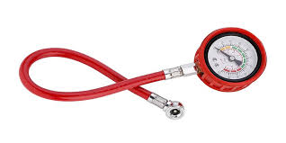
10 | Brake fluid testing tool | 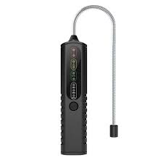
11 | Flashlight | 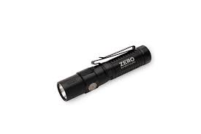
12 | Motorcycle delivery box with locking mechanism | 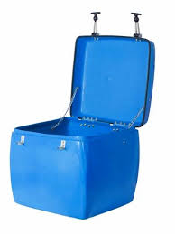
13 | Waterproof delivery bag | 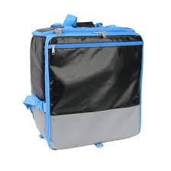
14 | Insulated delivery bag with compartments, Double-walled insulated food delivery box | 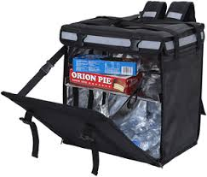 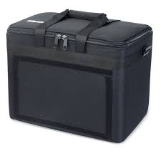
15 | Pre-heated delivery box | 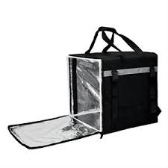
16 | Leak-proof plastic containers | 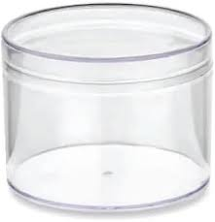
17 | Food-grade containers | 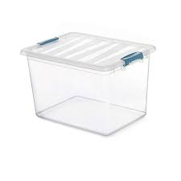
18 | Bubble wrap | 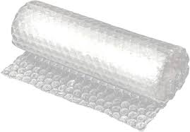
19 | Packing tape | 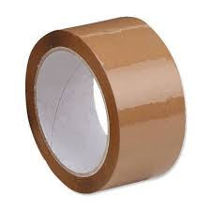
20 | Silica gel packets
21 | Smart phone with GPS facility | 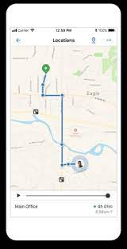
22 | Brown corrugated boxes for delivery | 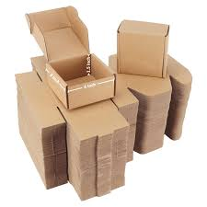
23 | Foam padding | 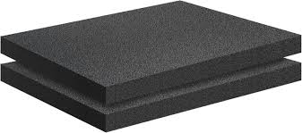
24 | Hand sanitizer | 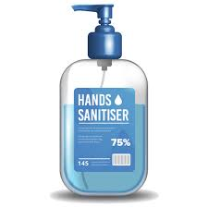
25 | Food-safe disinfectant spray | 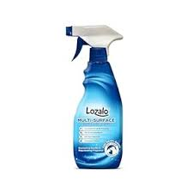
26 | Fragile stickers | 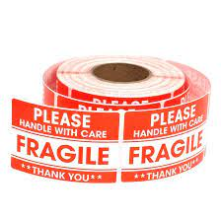
27 | Barcode scanner | 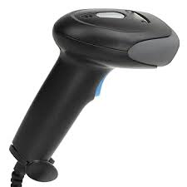
28 | Napkins or wipes | 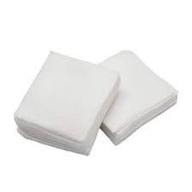 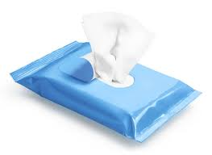
29 | Food safe microfiber cleaning rags, spill absorbent pads/cloth | 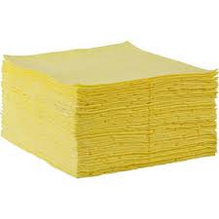 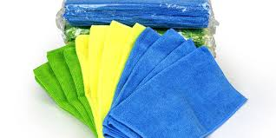
30 | Point-of-sales (POS) machine with paper roll | 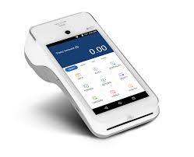 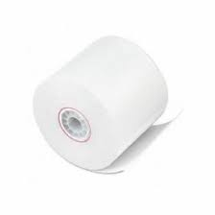
31 | Money belt pouch with cash and change | 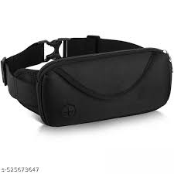
32 | Bungee cords | 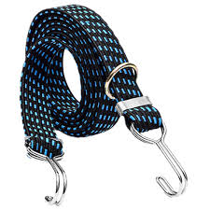
33 | Motorcycle essentials - Engine oil, Chain lubricant, funnel, Brake fuel | 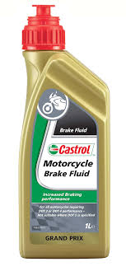 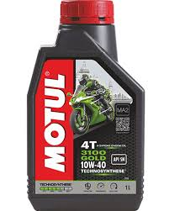
34 | Funnel for adding lubricant of oil | 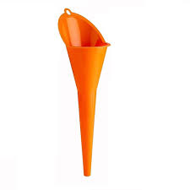
35 | Bike tool kit with basic tools (spanner, screwdriver, pliers, wrench) | 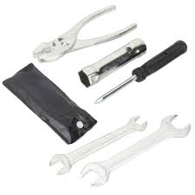
36 | Bouquet wrapping sleeve | 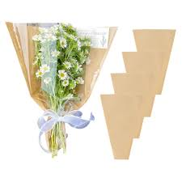
37 | Floral water tubes | 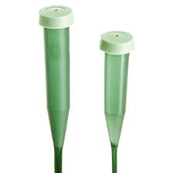
38 | Bouquet holder for delivery | 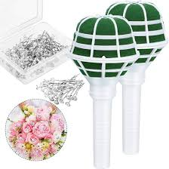
39 | Garment delivery covers | 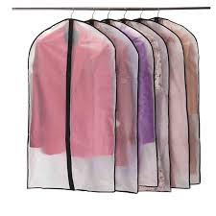
40 | Laundry labels/tags, Permanent marker | 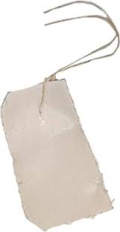
41 | Vegetable net bags | 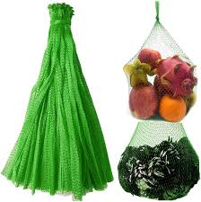
42 | Delivery motorbike with a container on the back | 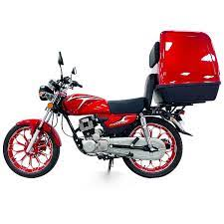
43 | Documents and booklets - Delivery manifest, Delivery schedule list, Bike inspection checklist, Package return checklist, Receipt booklet, Daily delivery logbook, Motorcycle manual, sheet with names for signatures
44 | Items for deliveries - Document in a sealed envelope for delivery, Head phone, Cold dessert, Hot and cold food orders, Smart phone, Hot food in food grade boxes, Gym weight sets, High value electronics item, Sealed parcels, Multiple packed food orders, Fragile items boxes, Multiple delivery parcels, Three orders of burger, pizza, French fries and ice-cream, Small box with car auto parts, Gift basket package, Chocolate box, Bouquet, Garments and laundry for delivery, Egg tray, Vegetables packets, Milk packets, 50 labeled invitation cards

