Tailor
Sector Name | Occupation name | Equipment name | Minimum number of equipment required (per batch of 30 trainees) | Unit type | Images
 | Tailor | Sewing machine |  |  | 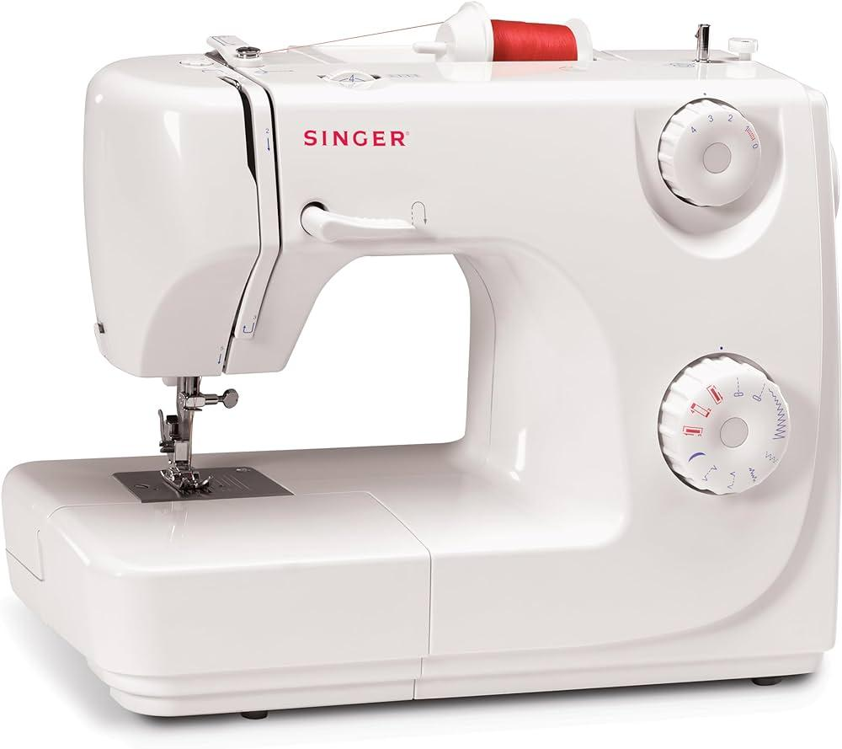
 | Tailor | Bobbin |  |  | 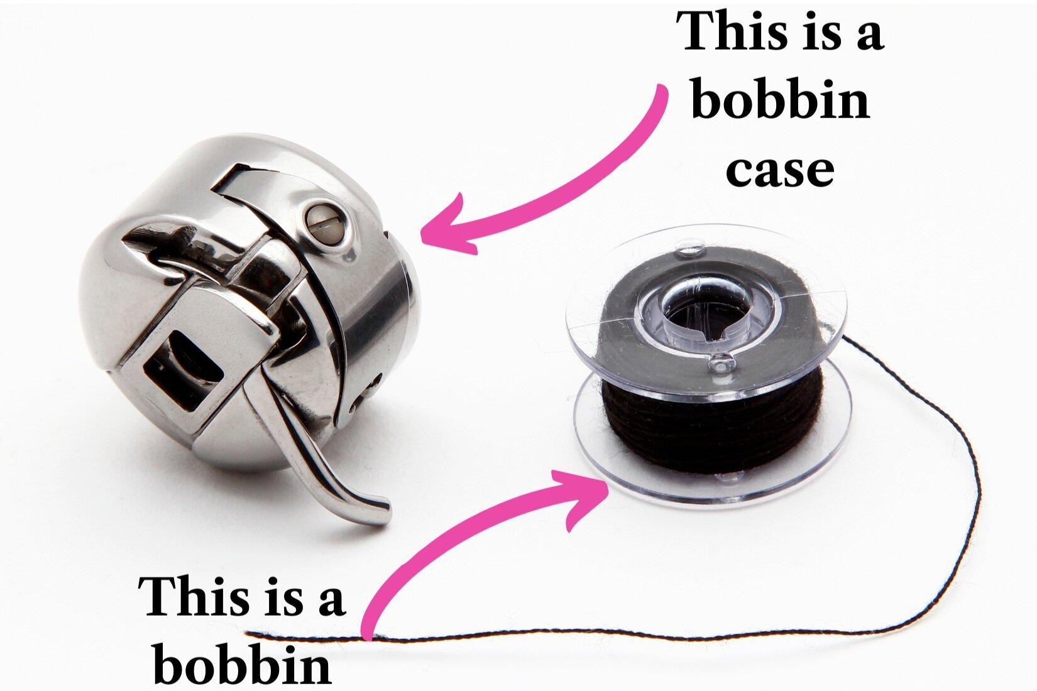
 | Tailor | Thread spool |  |  | 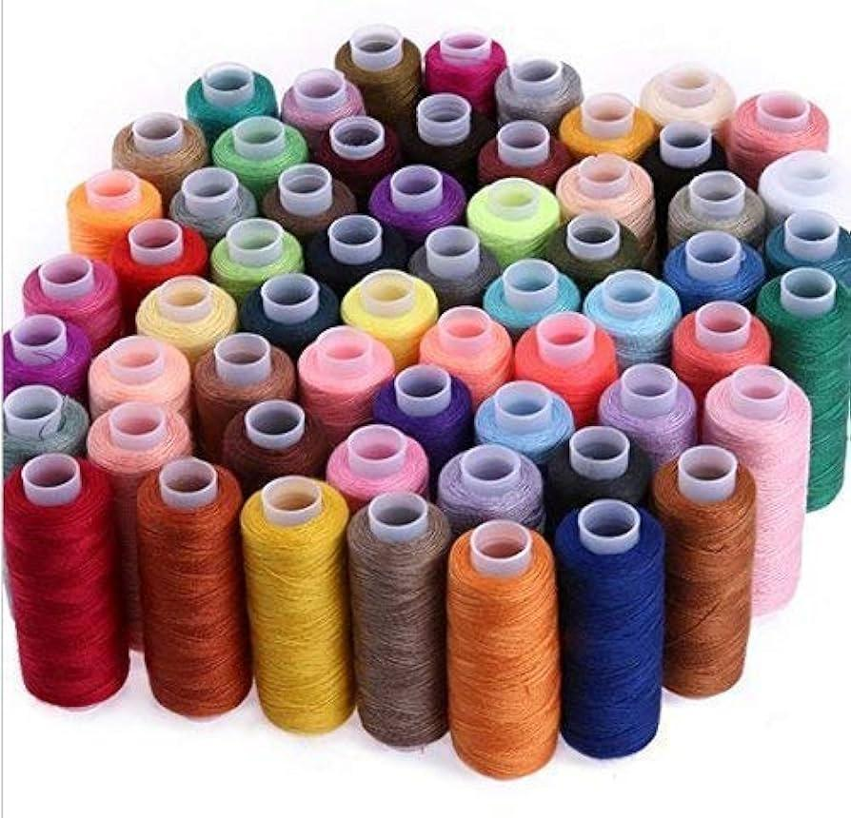
 | Tailor | Scissors |  |  | 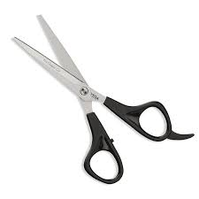
 | Tailor | Safety glasses |  |  | 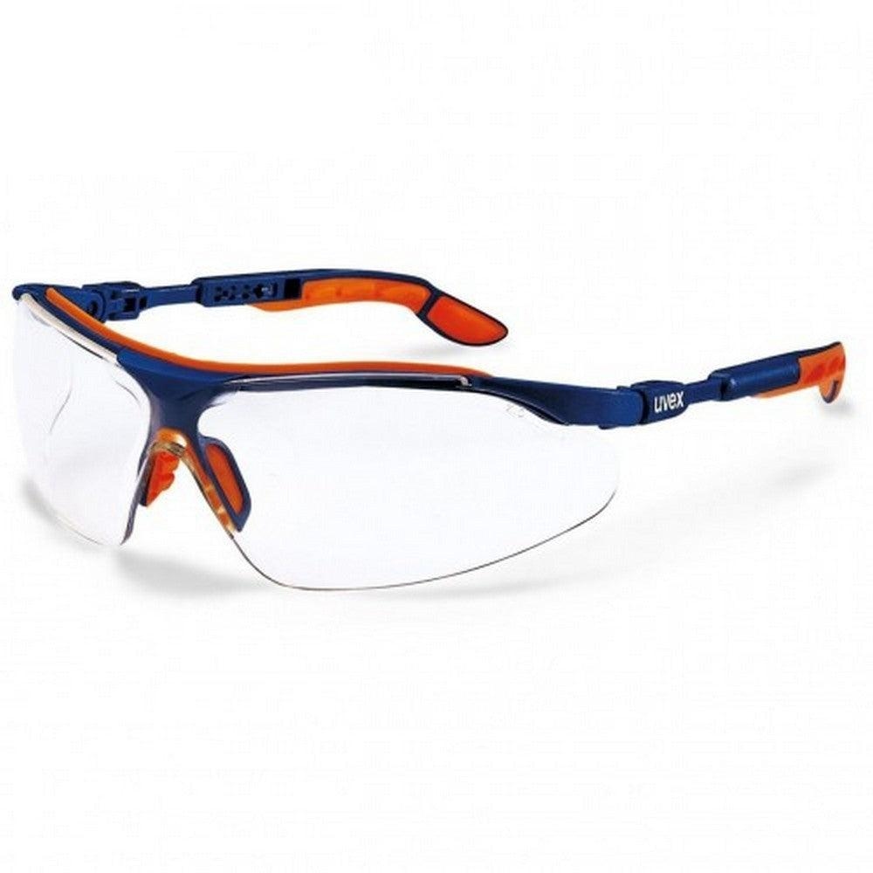
 | Tailor | N95 mask |  |  | 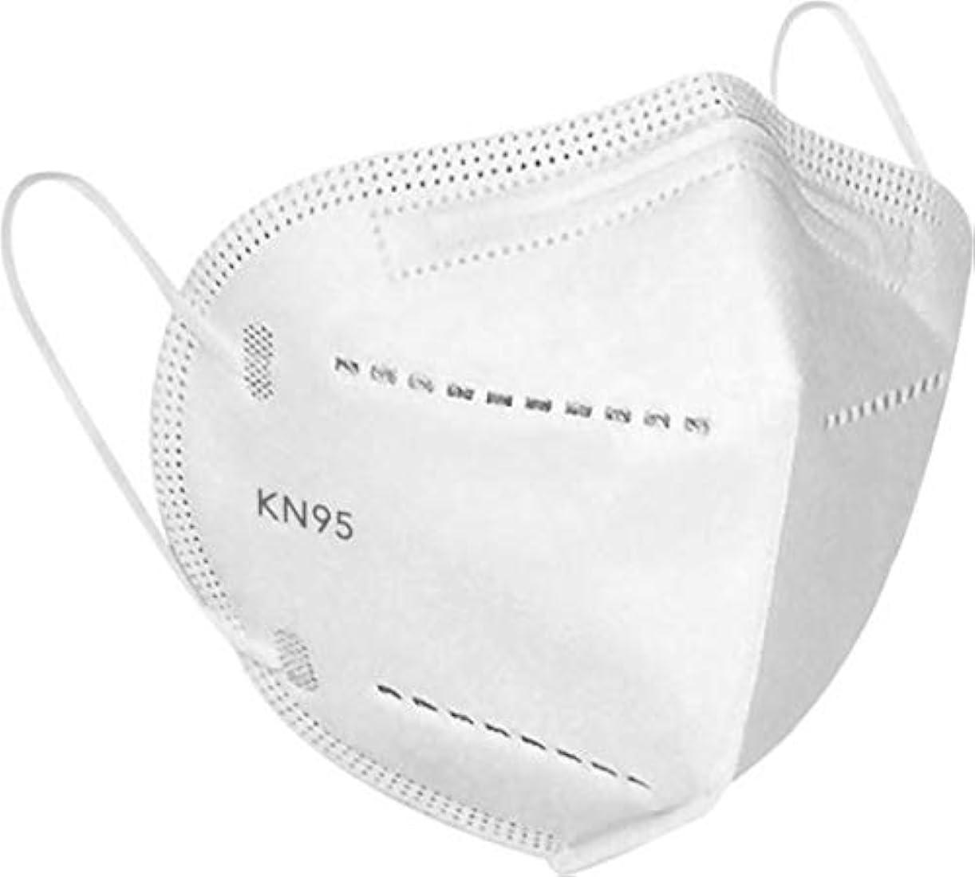
 | Tailor | Apron |  |  | 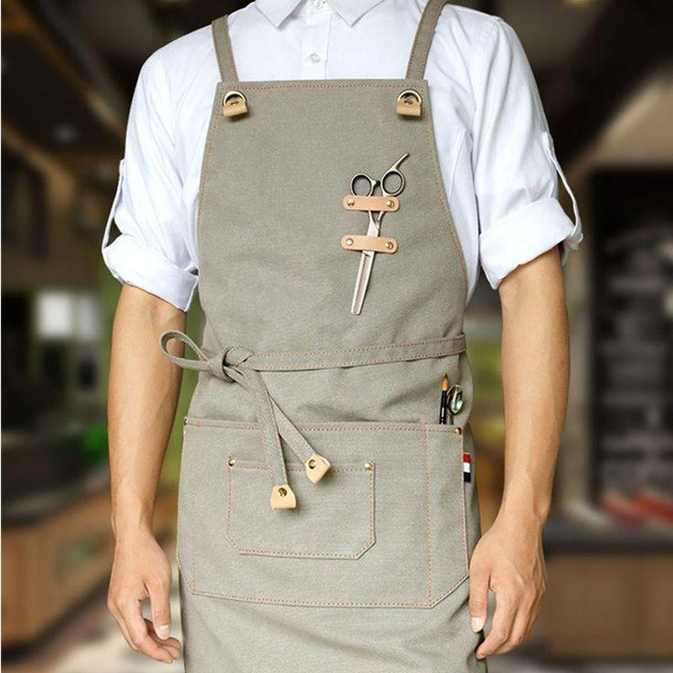
 | Tailor | Polyester fabric piece (20x20 cm)
 | Tailor | Sewing machine oil
 | Tailor | Lint brush |  |  | 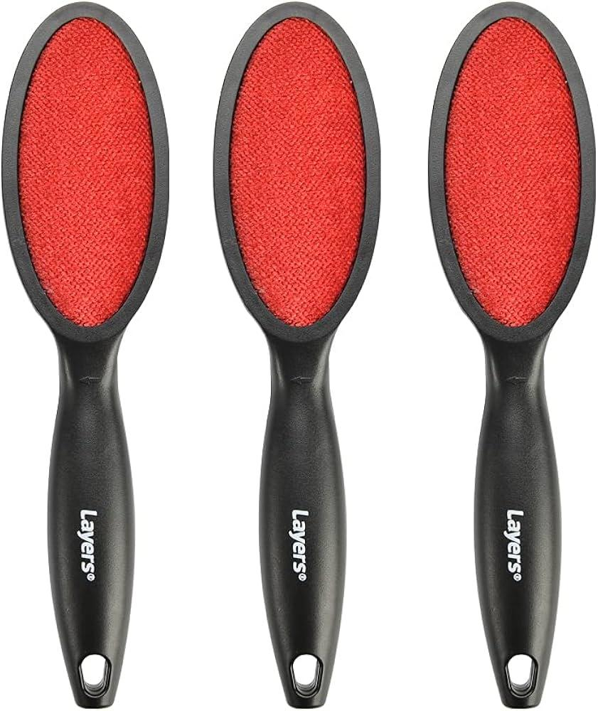
 | Tailor | Button fitting foot |  |  | 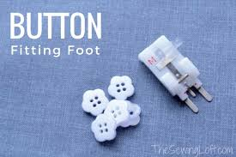
 | Tailor | Buttons |  |  | 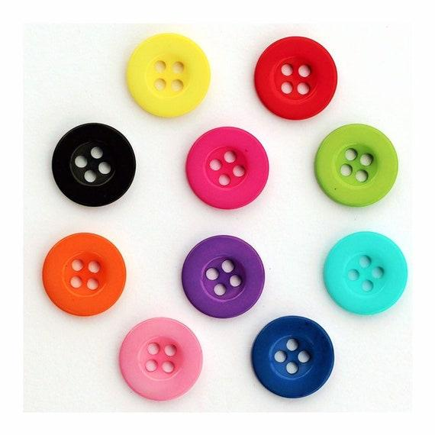
 | Tailor | Button tray or hopper |  |  | 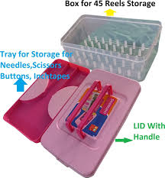
 | Tailor | Needle |  |  | 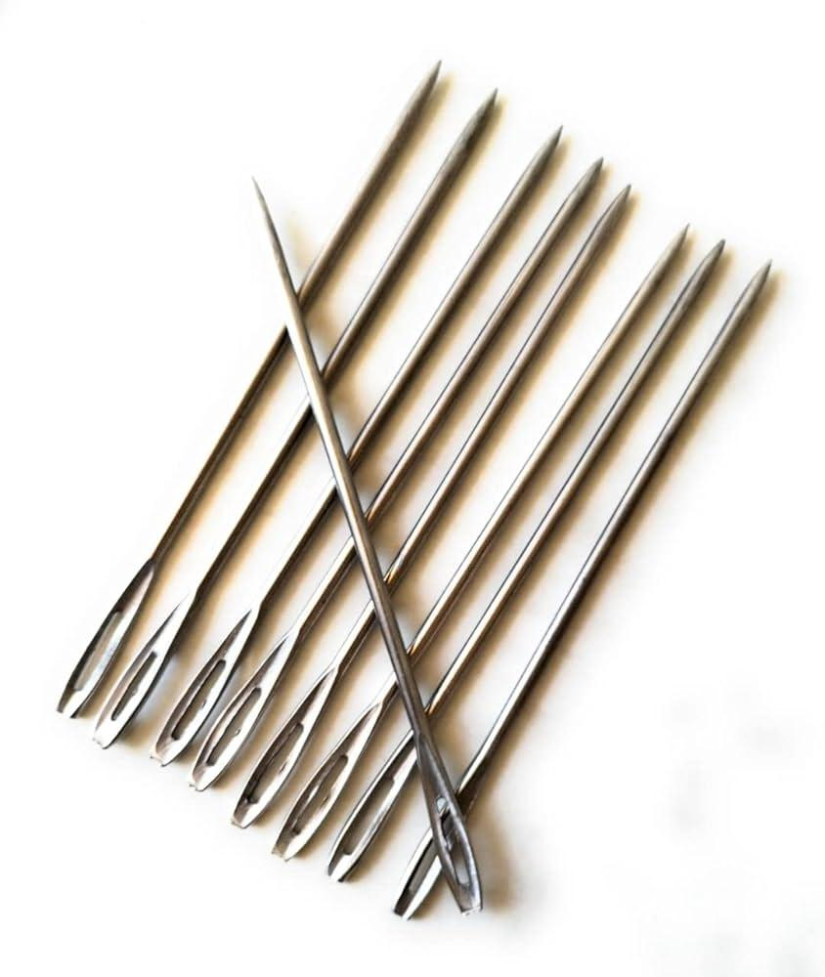
 | Tailor | Measuring tape |  |  | 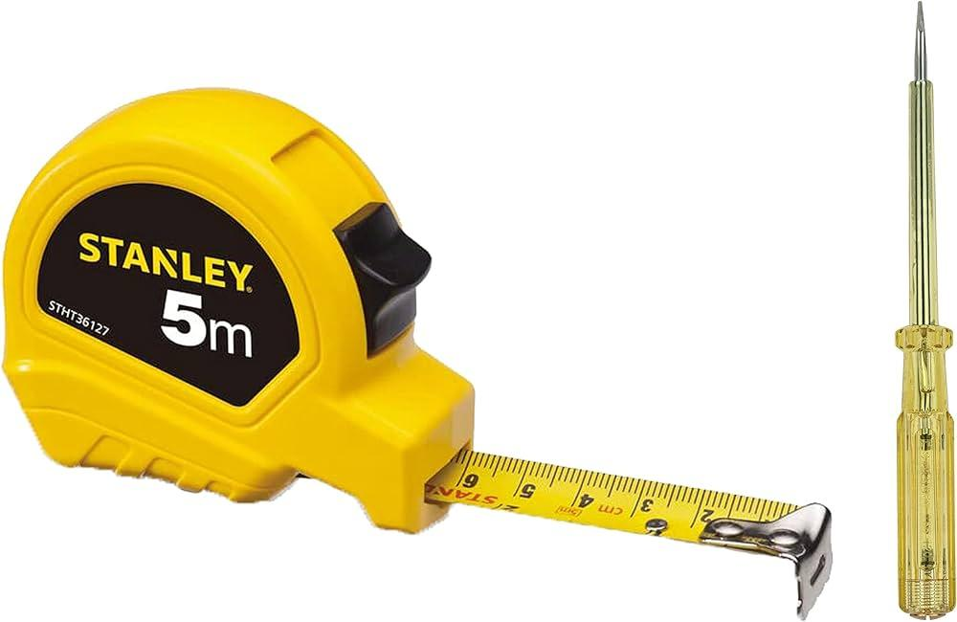
 | Tailor | Notebook
 | Tailor | Pen
 | Tailor | Mannequin/volunteer
 | Tailor | Notepad
 | Tailor | Assistant (optional)
 | Tailor | Polyester fabric (2 meters)
 | Tailor | Ruler |  |  | 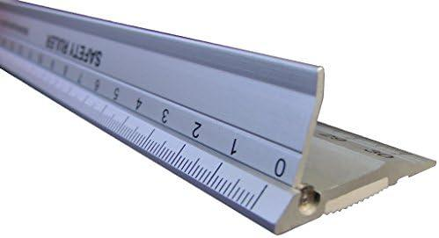
 | Tailor | Cutting mat |  |  | 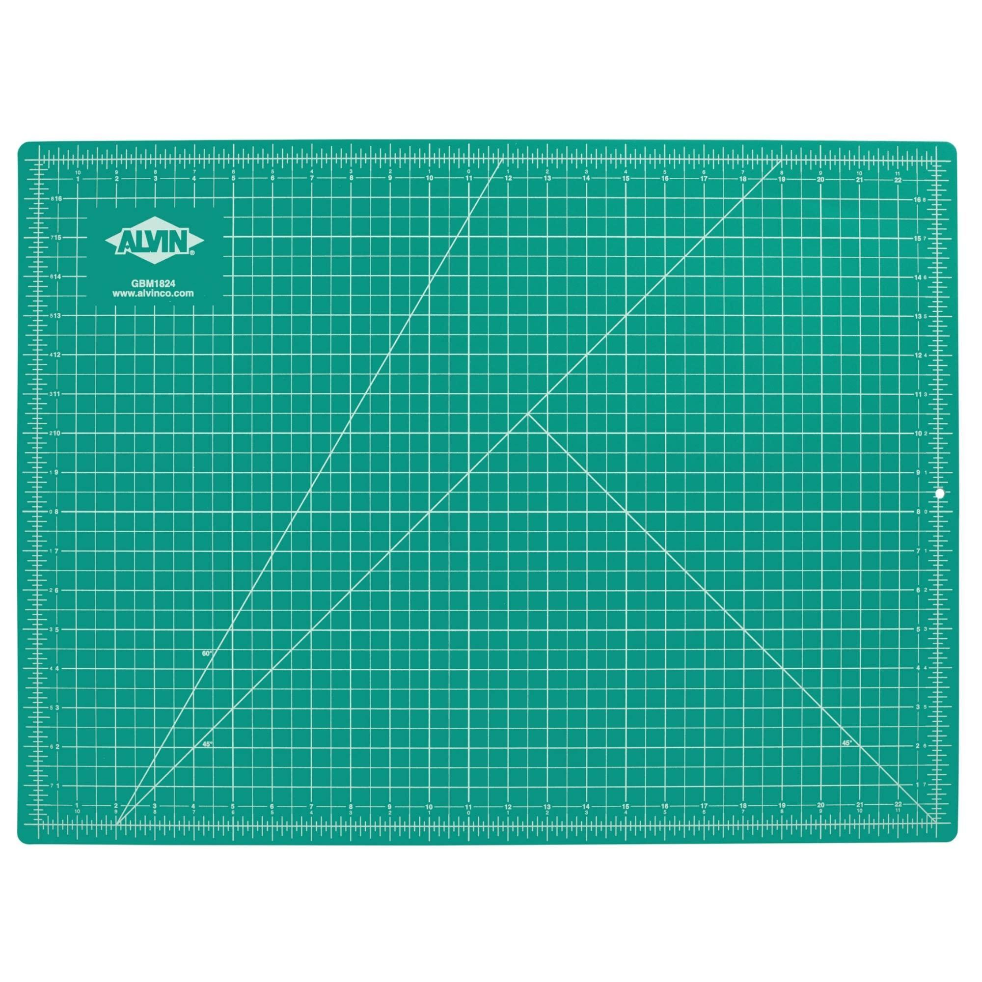
 | Tailor | Polyester fabric (1 meter)
 | Tailor | Suit jacket shell
 | Tailor | Lining polyester fabric (2 meters)
 | Tailor | Pins |  |  | 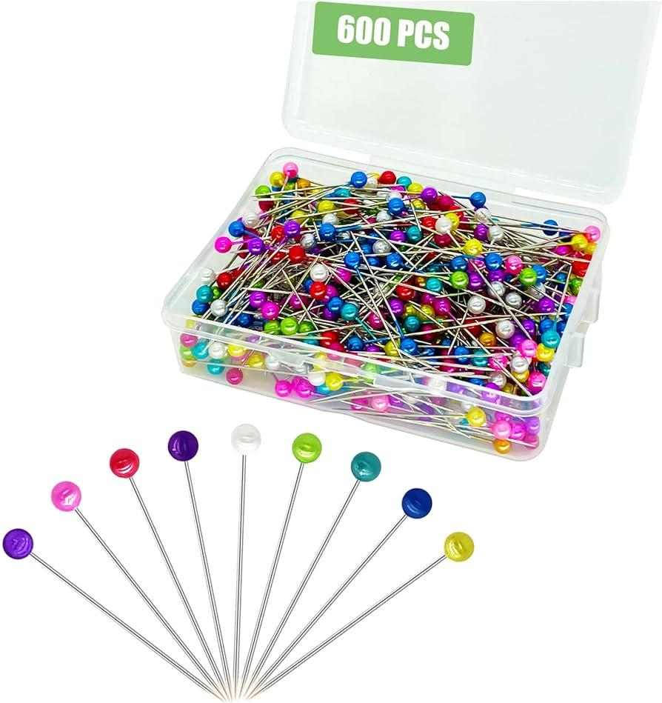
 | Tailor | Pressing cloth |  |  | 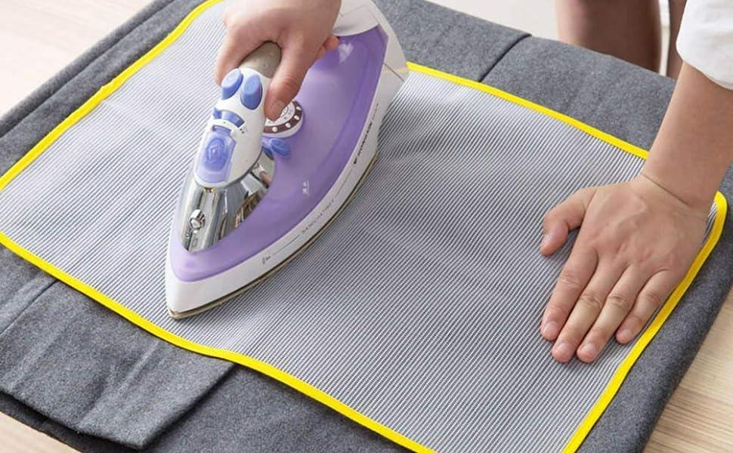
 | Tailor | Iron |  |  | 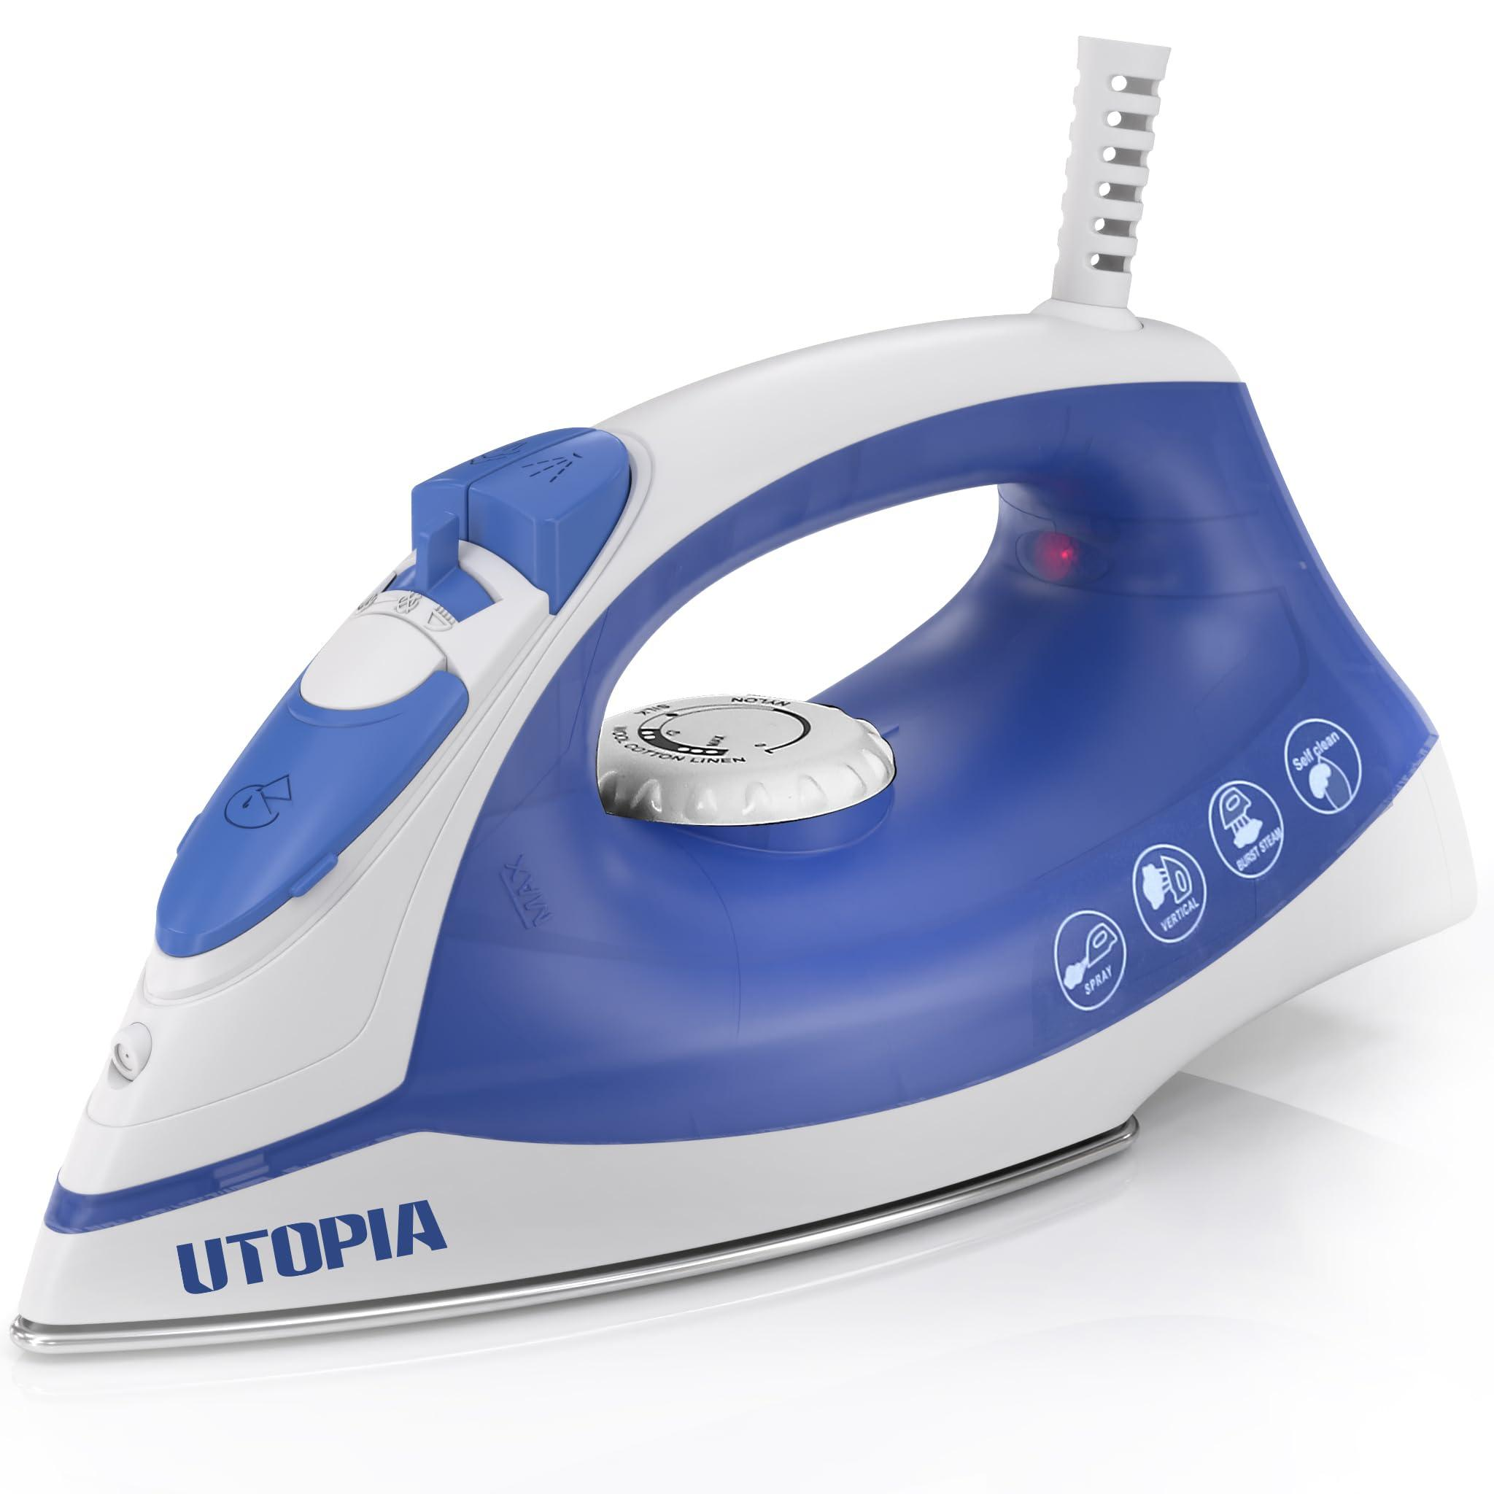
 | Tailor | Half-lining polyester fabric (1 meter)
 | Tailor | Sleeve lining polyester fabric (0
 | Tailor | Partial lining polyester fabric
 | Tailor | Polyester cotton fabric (2 meters)
 | Tailor | Fabric (1 meter)
 | Tailor | Seam ripper |  |  | 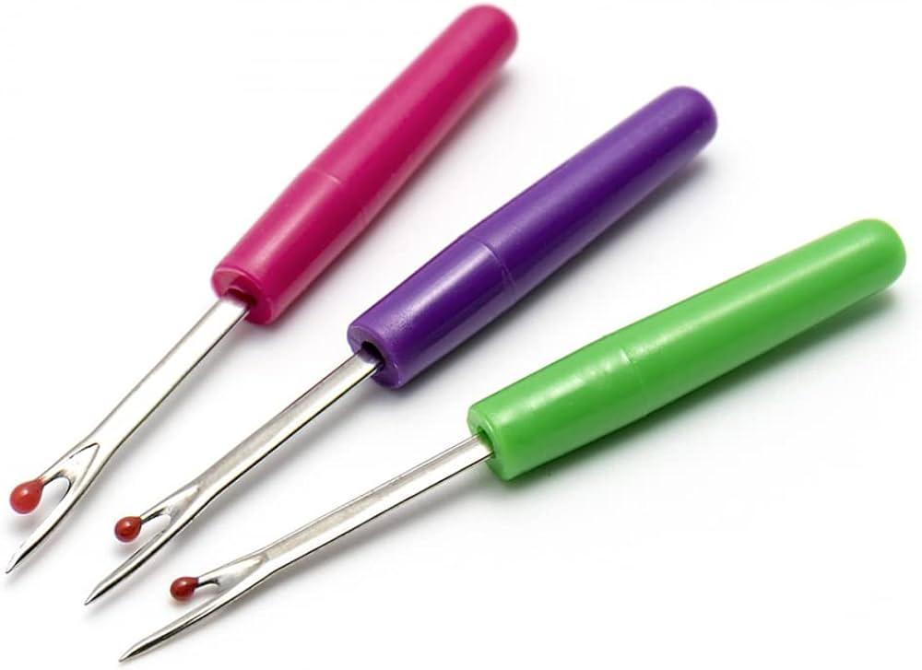
 | Tailor | Front and back panels of the suit jacket
 | Tailor | Sleeves of the suit jacket
 | Tailor | Notch lapels of a suit jacket
 | Tailor | Front and back panels of the thobe
 | Tailor | Sleeves of the thobe
 | Tailor | Neckline and collar of a thobe
 | Tailor | Front and back panels of abaya
 | Tailor | Sleeves of abaya
 | Tailor | Front and back panels of a shirt
 | Tailor | Sleeves of a shirt
 | Tailor | Collar of the shirt
 | Tailor | Trousers without waistband
 | Tailor | Zipper |  |  | 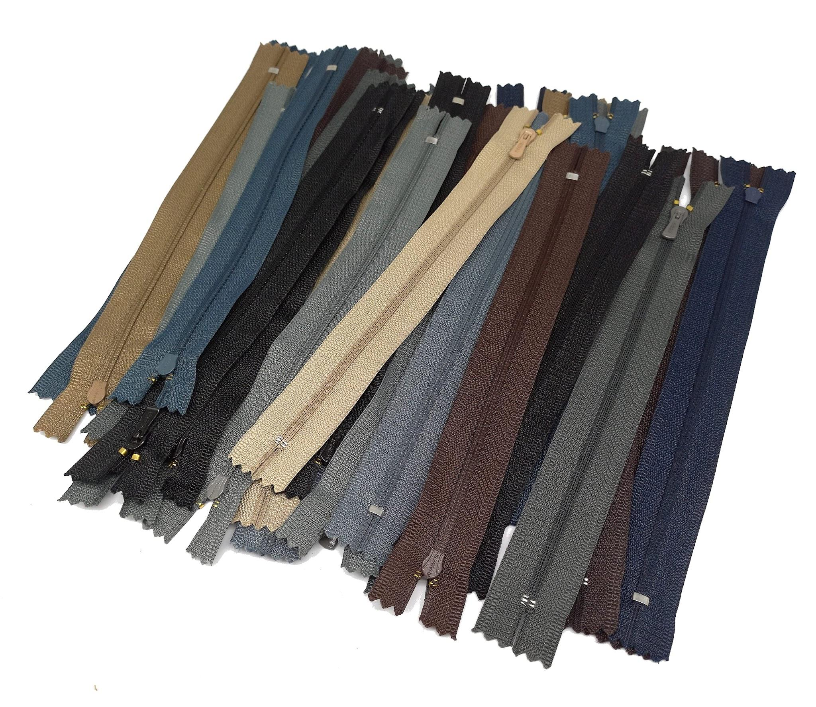
 | Tailor | Trousers
 | Tailor | Trousers without pockets attached
 | Tailor | Suit jacket
 | Tailor | Marking chalk |  |  | 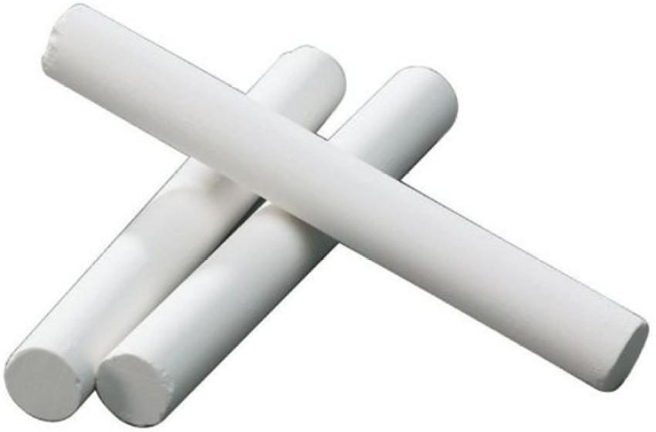
 | Tailor | Shoulder pads |  |  | 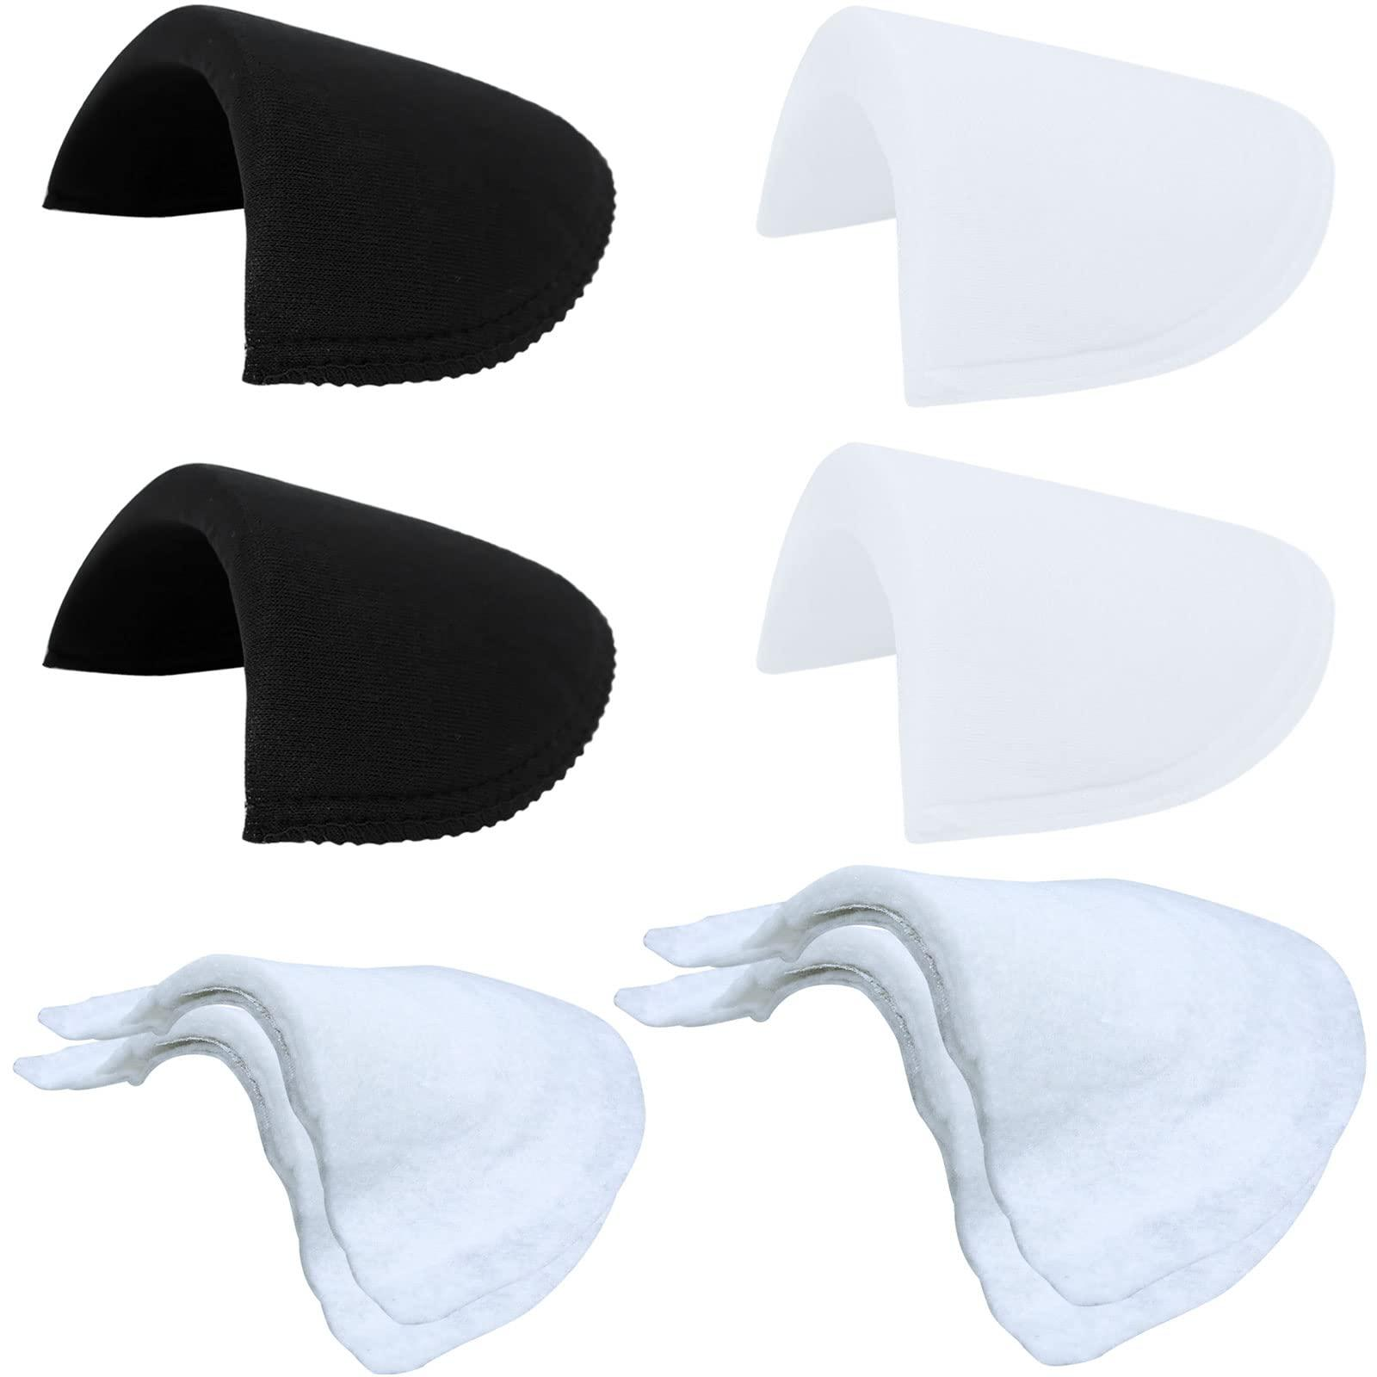
 | Tailor | Lining fabric
 | Tailor | Buttonhole sewing machine |  |  | 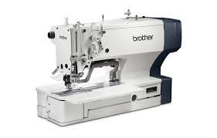
 | Tailor | Semi-ready suit to check fitting
 | Tailor | Full-length mirror |  |  | 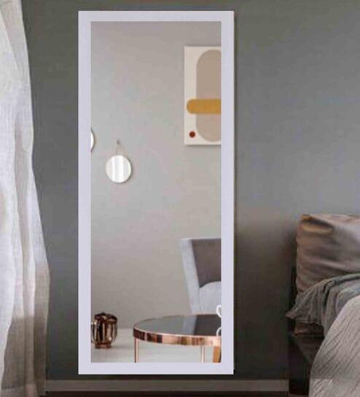
 | Tailor | Volunteer

