Street Cleaner images for lab
 |  | Occupation - Street Cleaner
 |  | Tools/Equipment/Material list
S No | Tools/Equipment/Material Name | Image
1 | PPE - Nitrile gloves, Mask, safety goggles, Face shield | 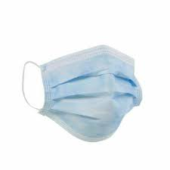 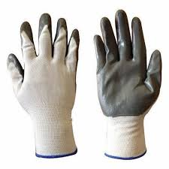
2 | Hard hat
3 | First-aid kit which includes Antiseptic wipes, Sterile bandages, Adhesive Bandages | 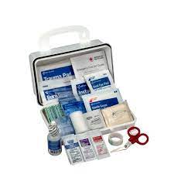
4 | Disposable nitrile gloves, waterproof gloves, disposable apron
5 | Safety vest, Reflective jacket | 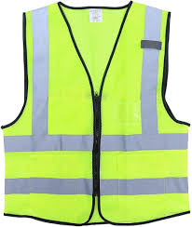 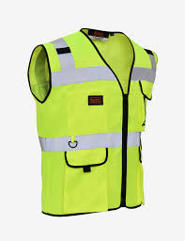
6 | Raincoat | 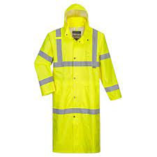
7 | Back support belt | 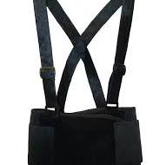
8 | Gum boots (PVC water proof) boots, Rubber boots | 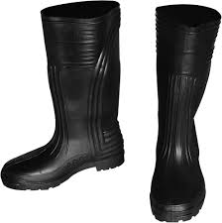 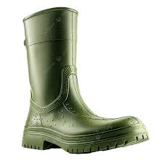
9 | Steel Toe shoes, closed toe safety shoes | 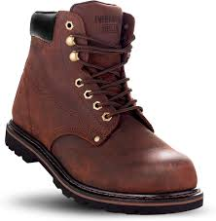 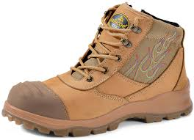
10 | Soft bristled broom
11 | Stiff bristled broom
12 | Push broom
13 | Hand broom, long handled street broom | 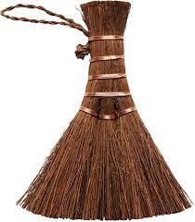
14 | Dust pan, Long handled dust pan
15 | Shovel, small shovel or scoop | 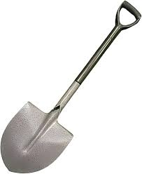
16 | Hand cart with lid | 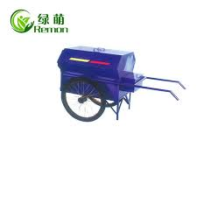
17 | Hand cart without lid | 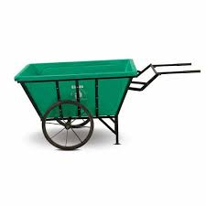
18 | Handcart with side panels | 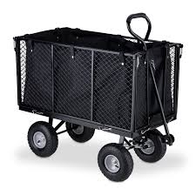
19 | Bin dolly | 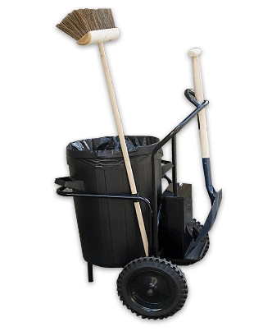
20 | Wire brush, Scrub brush | 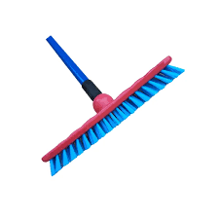
21 | Hand rake | 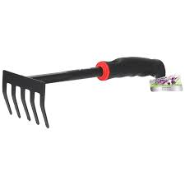
22 | Floor squeegee | 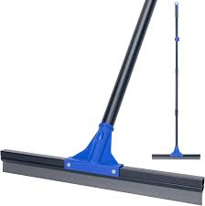
23 | Mop
24 | Water hose with gun nozzle, High pressure water hose | 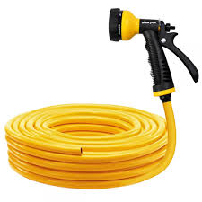 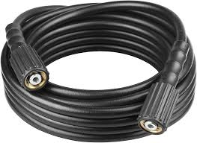
25 | Microfiber cloth, Cotton rag | 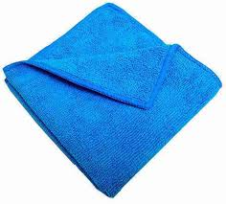 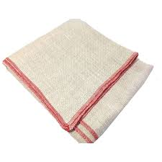
26 | Sharps container | 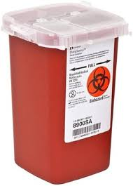
27 | Garbage liner | 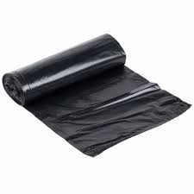
28 | Heavy duty garbage bag, two sizes (one big size garbage sack to put the filled ones) | 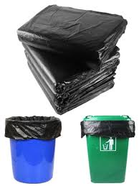
29 | Colored garbage bags | 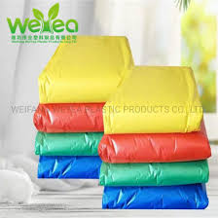
30 | Bio hazard waste bag | 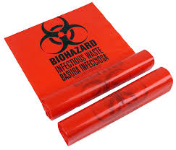
31 | "Cleaning in progress" caution sign, "Do not touch" caution sign, "Work in progress" caution sign | 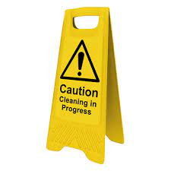
32 | "Out of use" caution sign
33 | Handheld stop sign
34 | Marked barrier tape - Do not enter, Caution tape | 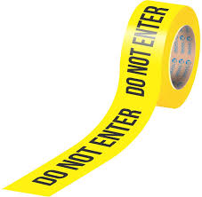 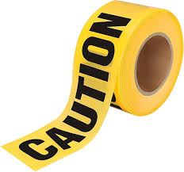
35 | Sandbags | 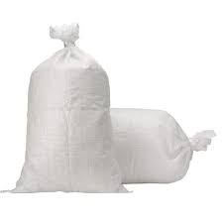
36 | Flashlight | 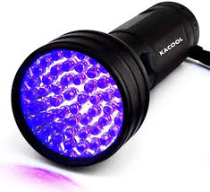
37 | Tool rack | 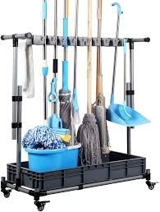
38 | Safety expandable barricade, Reflective barricade, Safety cone | 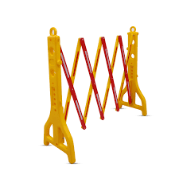 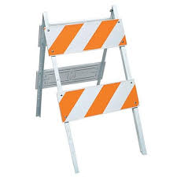
39 | Spray bottle | 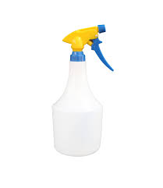
40 | Litter picker/garbage grabber | 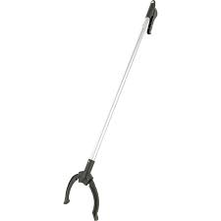
41 | Garbage tong | 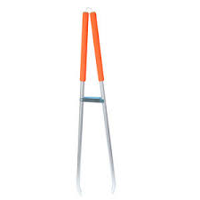
42 | Radio set/ walkie talkie | 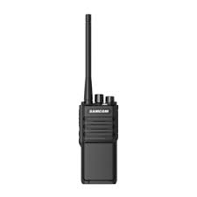
43 | Locking chain | 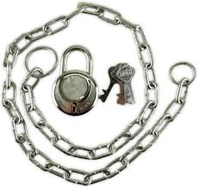
44 | Mud scraper tool | 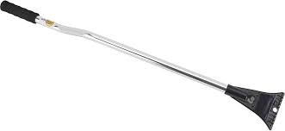
45 | Oil can | 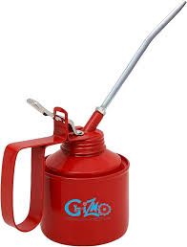
46 | Hygiene kit with Hand sanitizer, soap, hand towel
47 | Bucket, water, warm water, mild detergent for soapy water, multi-purpose cleaner, bio-degradable cleaning solution, disinfectant spray, Deodorizer
48 | Forms - Segregation guide chart, Defect report form
49 | Pen, notepad

