PW Lab
 |  | Occupation - Packaging Worker
 |  | Tools/Equipment/Material list
S No | Tools/Equipment/Material Name | Image
1 | PPE - N-95 mask, Disposable dust mask, Hard hat | 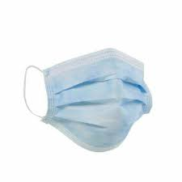 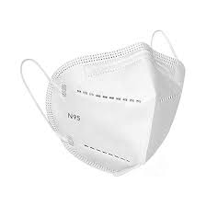
2 | PPE - Disposable nitrile gloves, Cut resistant nitrile gloves | 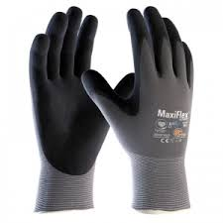
3 | Chemical resistant nitrile gloves | 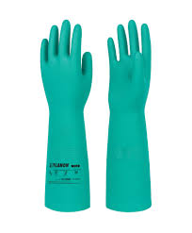
4 | PPE - High visibility vest | 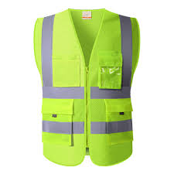
5 | Reflective rain jacket, Raincoat
6 | PPE - Safety goggles | 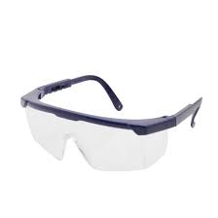
7 | Slip-resistant shoes | 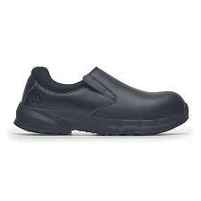
8 | Canvas Apron, disposable apron (Polyethylene)
9 | Long sleeved apron | 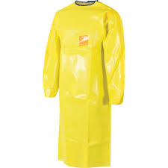
10 | Barcode scanner | 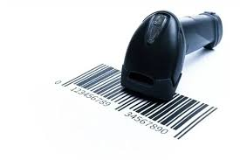
11 | BOPP Packaging tape | 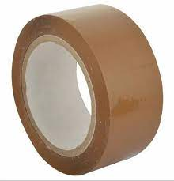
12 | Shipping labels | 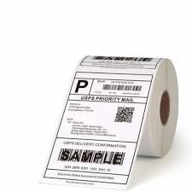
13 | Clip board with pen holder | 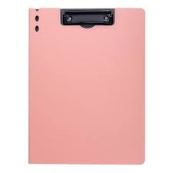
14 | Tape dispenser | 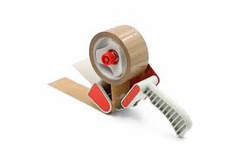
15 | Box cutter, Cutter blade | 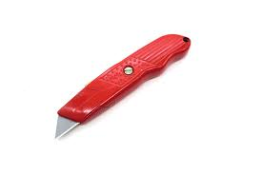
16 | Corrugated boxes of different sizes | 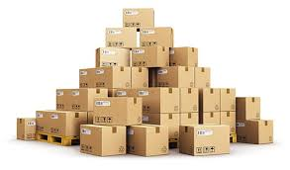
17 | Double walled corrugated outer boxes, Tripple walled corrugated outer boxes | 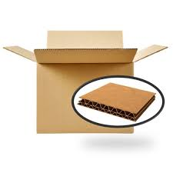
18 | Electronics packaging box | 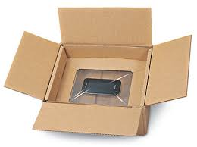
19 | Flame-retardant boxes | 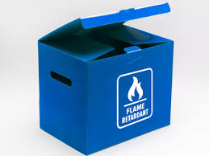
20 | Rigid United Nations (UN)-certified outer container meeting Packing Group II performance. | 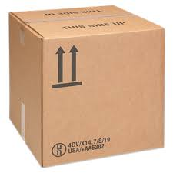
21 | Insulated boxes | 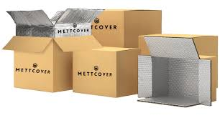
22 | Insulated box liners | 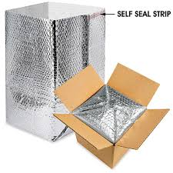
23 | Corrugated fiberboard boxes | 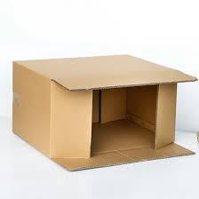
24 | Master carton (60x40x40 cm), Stock Keeping Unit (SKU) boxes (12x8x4 cm and 10x10x10 cm)
25 | Inner carton, outer carton (at least 15 cm larger), Damaged cartons
26 | Glue gun | 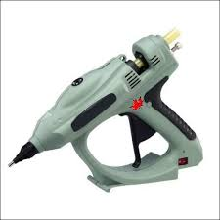
27 | Bubble wrap, Anti-static bubble wrap | 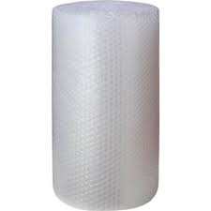 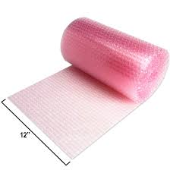
28 | Foam sheet roll | 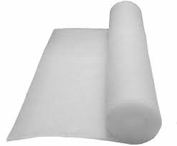
29 | Manual strapping tool | 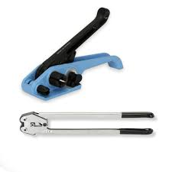
30 | Polypropylene strap roll, Polypropylene strap roll for semi-automatoc strapping machine | 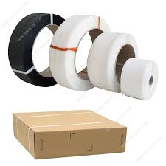 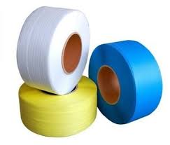
31 | Double-sided tape | 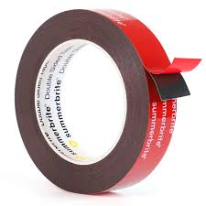
32 | Corrugated dividers | 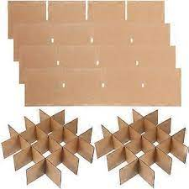
33 | Semi-automatic Strapping machine | 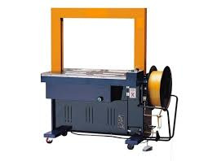
34 | Hand-held strapping machine | 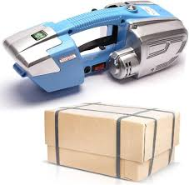
35 | Edge protector
36 | Wooden pallet | 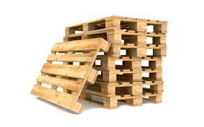
37 | Shrink wrap roll | 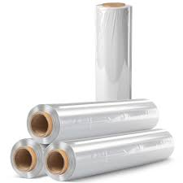
38 | Hand-held heat gun | 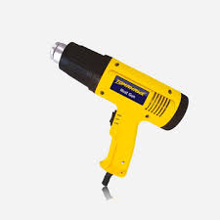
39 | Pallet stretch wrapping machine (Turn table type) | 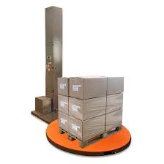
40 | LLDPE stretch film roll | 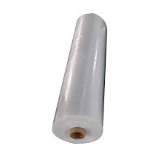
41 | Anti-static ESD wrist strap | 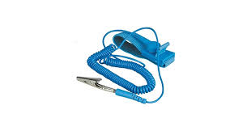
42 | anti-static (ESD) inspection mat | 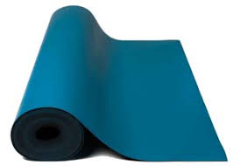
43 | Hand-held magnifier | 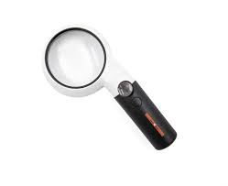
44 | Foam net sleeves | 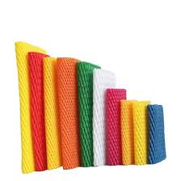
45 | Ice-pack sleeves
46 | Foam filler/Foam-in-place filler | 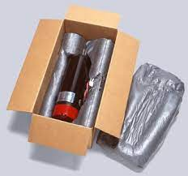
47 | Food grade liners | 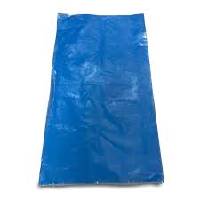 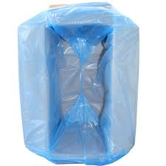
48 | Anti-static box liner | 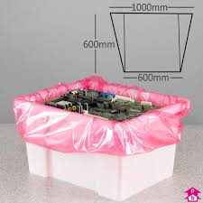
49 | Moisture resistant liners | 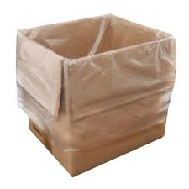
50 | Food grade polyethylene sleeve packaging | 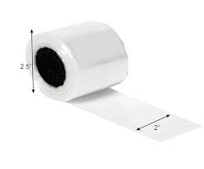
51 | Cardboard food tray | 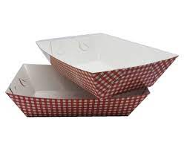
52 | Tamper-evident tape | 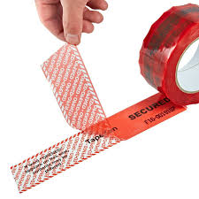
53 | LLDP Leak-proof pouches
54 | Absorbant liner roll
55 | Spill absorbant pads and rolls
56 | Packing foam peanuts
57 | Fragile label, "This side up" label, "handle with care" label, "Caution - Heavy" label
58 | “Caution - Sensitive Electronics" sign, Caution "Do not stack" label
59 | "United Nations (UN) approved packaging for dangerous goods" label
60 | "Hazardous material" caution label, Corrosive material caution lebel, "Flammable" label
61 | Foam inserts
62 | Honeycomb paper wrap
63 | Kraft mailer box
64 | Kraft paper filler
65 | Stock Keeping Unit (SKU) labels
66 | Barcode printer
67 | Void fillers - Kraft paper/shredded paper/foam sheet/packing peanuts/air pillows
68 | Reinforced tape
69 | United Nations (UN)-certified drums
70 | UN approved spec plastic inner pack
71 | Polyethylene liners for drum
72 | Zip ties
73 | Non-conductive cushion pad (silicon)
74 | Lithium battery label, Class 9 hazard label
75 | "Cargo aircraft only" label
76 | Semi-automatic L-bar shrink-wrap machine
77 | Center-fold shrink film roll
78 | Impulse sealer
79 | Automatic stretch-wrap turntable machine
80 | Linear Low-Density Polyethylene (LLDPE) stretch film reel
81 | Semi-automatic tape sealing machine
82 | Semi-automatic bagging and sealing machine
83 | Compresses air duster
84 | Lubricat spray
85 | Soft-bristle cleaning brush
86 | Cleaning wipes
87 | Caliberation weights
88 | Microfiber cloth, Lint-free cloth
89 | Inspection mirror
90 | Thermometer IR/ Thermometer gun
91 | Nylon rope
92 | Stock bins for keeping packaging material
93 | Cold packs
94 | Label printer
95 | Isopropyl spray
96 | Ventilated plastic crates
97 | ventilated wooden crate
98 | Molded pulp tray
99 | Strap coil
100 | Mesh bags
101 | Torque tester
102 | Pen, Marker pans, scissor
103 | Material to be packaged - Heavy bundles product for packaging, Cosmetics sample kits, Loaded pallet of boxed goods, Packaged printed books, Full pallet of canned beverages, Pre-packed circuit boards, Fragile ceramic vases, Meal kits for refrigerated delivery, Bottled liquid detergent, boxed electonic gadgets, Pre-boxed light bulbs, Boxed glass pefume bottles, 10 units of Stock Keeping Unit (SKU) A1 (USB wall charger) and 5 units of Stock Keeping Unit (SKU) B2 (Bluetooth earphones), fragile ceramic figurine, Heavy glass vase, fragile electronic Printed Circuit Board (PCB), Corrosive liquid canisters, Aerosol spray cans, Standalone lithium‑ion battery packs (United Nations (UN) 3480), Full pallet load of boxed goods, Packed flammable items and packed food items, Strawberries for refrigerated transport, Mangoes for export shipment, Fresh leafy greens for regional delivery
104 | Cleaning chemicals - Surface disinfectant spray
105 | Documents - Packing list, E-commerce orders, Inspection checklist, Packing checklist sheet, Manufacturer checklist, Pre‑use inspection log, Cleaning checklist, Adjustment log form, Packing spec sheet, Damage report form, inventory check of packing supplies (e.g., boxes, tape rolls, bubble wrap, void fill, Manual count sheets, Hazardous spill report, Weight log sheet, Temperature data logger, Package retun form
106 | Broom, Dustpan, Garbage bin
107 | Waste segregation bins labeled for cardboard, plastic wrap, damaged packaging
108 | Waster disposal bags
109 | Sealed waste bin, Puncture proof sharps container for glass pieces
110 | Caution - Wet floor signage
111 | Acid spill kit
112 | Hazardous spill absorbent pads
113 | Acid neutralizing agent
114 | Hazardous waste drum
115 | Vacuum cleaner
116 | Isolation cart
117 | Weighing scale
118 | Bench scale with label printer

