Office_facilities worker
 |  | Occupation - Office and facilities cleaning worker
 |  | Tools/Equipment/Material list
S No | Tools/Equipment/Material Name | Image
1 | PPE - Nitrile gloves, Mask, safety goggles, Face shield | 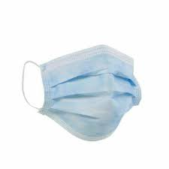 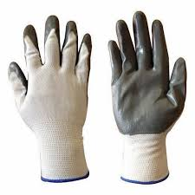
2 | PPE - Microfiber gloves, hard hat | 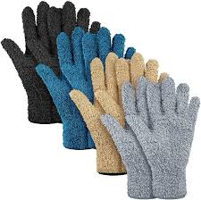
3 | First-aid kit which includes Antiseptic wipes, Sterile bandages, Adhesive Bandages | 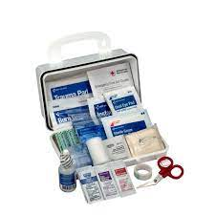
4 | Microfiber window glass cleaning cloths | 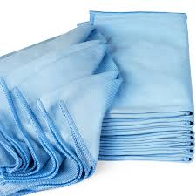
5 | Microfiber dusting cloth | 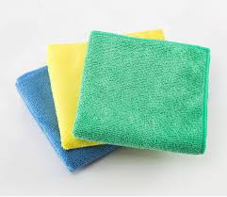
6 | Anti-static dusting cloth | 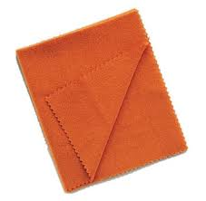
7 | Lint-free cloth, Lint-free towel
8 | Dustpan with brush | 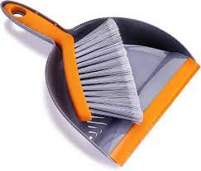
9 | Dustpan with long handle | 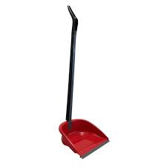
10 | Flat mop and tube mop with microfiber head | 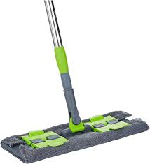 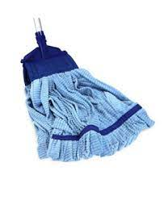
11 | Cotton string mop | 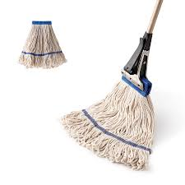
12 | Sponge mop with wringer mechanism | 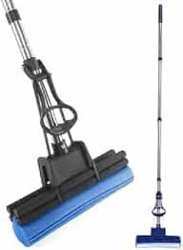
13 | Neutral pH floor cleaner/Bathroom floor cleaner | 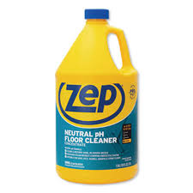
14 | Mop bucket with wringer | 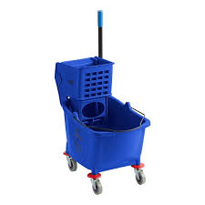
15 | Mop wringer | 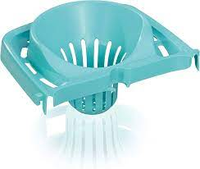
16 | Walk-behind or ride-on floor scrubber with squeegee | 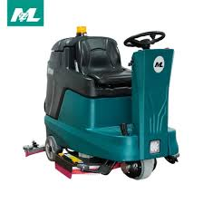
17 | Pressure washer | 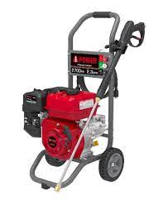
18 | Appropriate pads for scrubber | 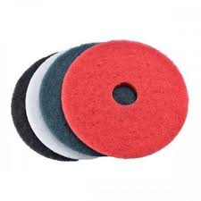
19 | Pre-sweeper or broom | 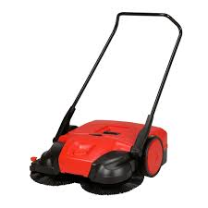
20 | Upright commercial vacuum cleaner with HEPA filter | 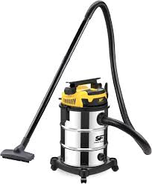
21 | Vacuum cleaner with upholstery attachment | 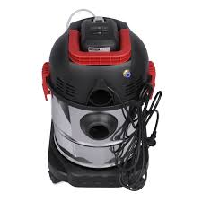
22 | Refrigerator | 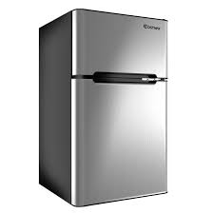
23 | Floor buffer machine with pad | 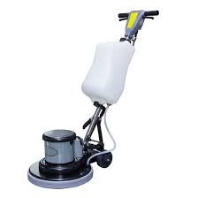
24 | Neutral floor polish | 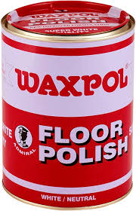
25 | Spray bottle with glass cleaner | 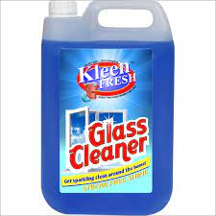
26 | Floor Squeegee | 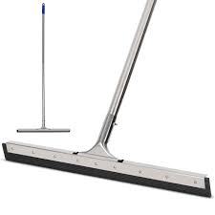
27 | Step stool | 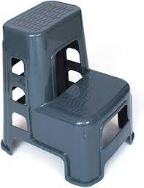
28 | Disinfectant spray | 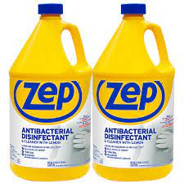
29 | Ladder or mobile scaffold | 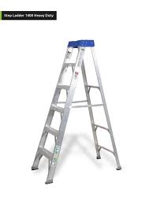 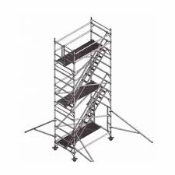
30 | Vertical blinds cleaning brush | 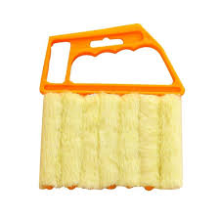
31 | Extendable microfiber duster, dusting brush | 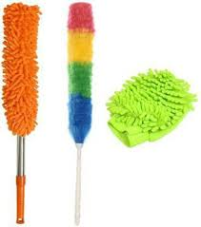
32 | Soft-bristled brush | 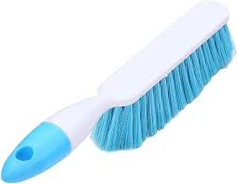
33 | Toilet brush | 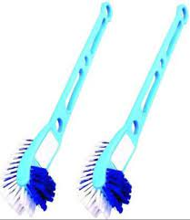
34 | Wire brush or grout-cleaning tool | 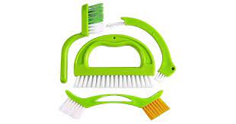
35 | Stiff-bristled scrubbing brush | 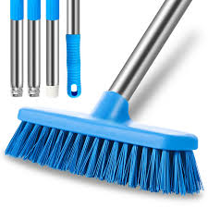
36 | Floor drain brush | 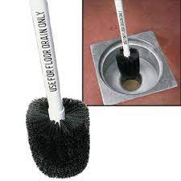
37 | Compressed air canister | 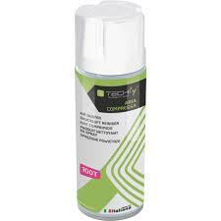
38 | Computer-safe electronics cleaner
39 | Screen-safe electronic cleaner spray | 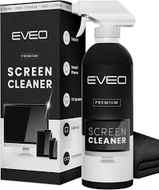
40 | Disposable cleaning cloths | 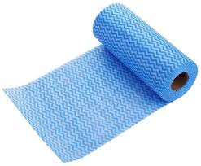
41 | Labeled puncture-resistant sharps container or thick cardboard box | 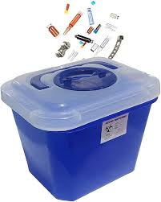
42 | Degreaser | 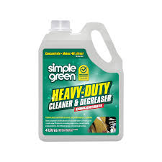
43 | Non-abrasive sponge | 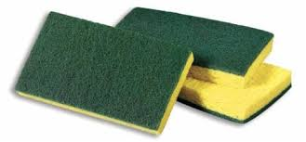
44 | Soft sponge | 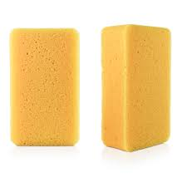
45 | Baking soda and white vinegar
46 | Acid-based drain cleaner powder (e.g., caustic soda) | 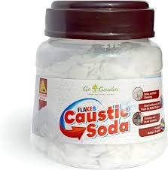
47 | Measuring spoon | 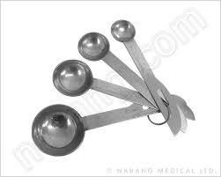
48 | Tester | 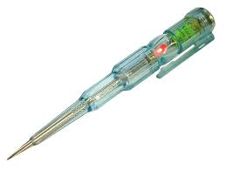
49 | Insulated screwdriver | 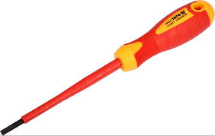
50 | Flashlight | 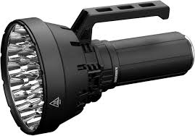
51 | Inspection flashlight
52 | Extension cord
53 | Replacement bulb
54 | Wrench set
55 | Adjustable wrench
56 | Lubricant oil
57 | High-pressure hose
58 | Cable ties
59 | Adhesive cable clips
60 | Wire sleeves
61 | Wire trunking channels
62 | Scissors, Measuring tape
63 | Screwdriver set
64 | Small tool kit
65 | Carpet stretcher
66 | Carpet adhesive
67 | Clean Carpet roll
68 | Mild carpet spot cleaner
69 | Color-coded bins
70 | Color-coded bin liners
71 | Waste collection trolley
72 | Designated e-waste bin or container with label
73 | Waste segregation bins
74 | Signage for restricted waste
75 | Bathroom-grade tile and grout cleaner
76 | Tile cleaner with descaling agent
77 | Plunger
78 | Replacement wax ring
79 | Toilet Drain snake
80 | Insect traps or glue boards
81 | Sticky cockroach trap
82 | Sealant or caulk
83 | Caulking gun
84 | Mild pest repellent spray
85 | Preservation sealing tape
86 | Hand sanitizer
87 | Wood surface cleaner
88 | Borate-based wood preservative solution
89 | Spray applicator or brush to apply wood preservative
90 | Watering can with a narrow spout
91 | Mild liquid fertilizer for indoor plants
92 | Stainless steel elevator wall cleaner
93 | ‘Lift Out of Service’ signage
94 | Communication device (e.g., two-way radio)
95 | Plastic scoop or trowel
96 | Kettle or pot for boiling water
97 | Whiteboard eraser
98 | Whiteboard cleaning solution or isopropyl alcohol
99 | Rat trap cage
100 | Bait (e.g., peanut butter or dried fruit)
101 | Zip-lock bag
102 | Fabric-safe deodorizing spray
103 | Activated charcoal odor absorber bags
104 | Enzymatic restroom cleaner
105 | Scented urinal screens
106 | Automatic air freshener dispenser with refill
107 | Absorbent floor mats
108 | Bucket with clean water
109 | Storage shelves or designated cleaning supply area
110 | Janitor’s closet or cleaning supply room
111 | Documents - Waste segregation chart, Inventory logbook or disposal form, disposal tracking form
112 | Cleaning agents - Mild detergent solution, All purpose cleaner, Mild all purpose cleaner spray, Isopropyl alcohol (70%) solution, Toilet bowl cleaner with disinfectant, Cleaning detergent, sanitizing solution, Mild non-abrasive cleaning solution, Heavy duty floor cleaner, Mild soap solution

