NailCare Technician
Sector name | Occupation name | Equipment name | Minimum number of equipment required (per batch of 30 trainees) | Unit type | Images
 | NailCare Technician | Acetone
 | NailCare Technician | Acrylic Brush |  |  | 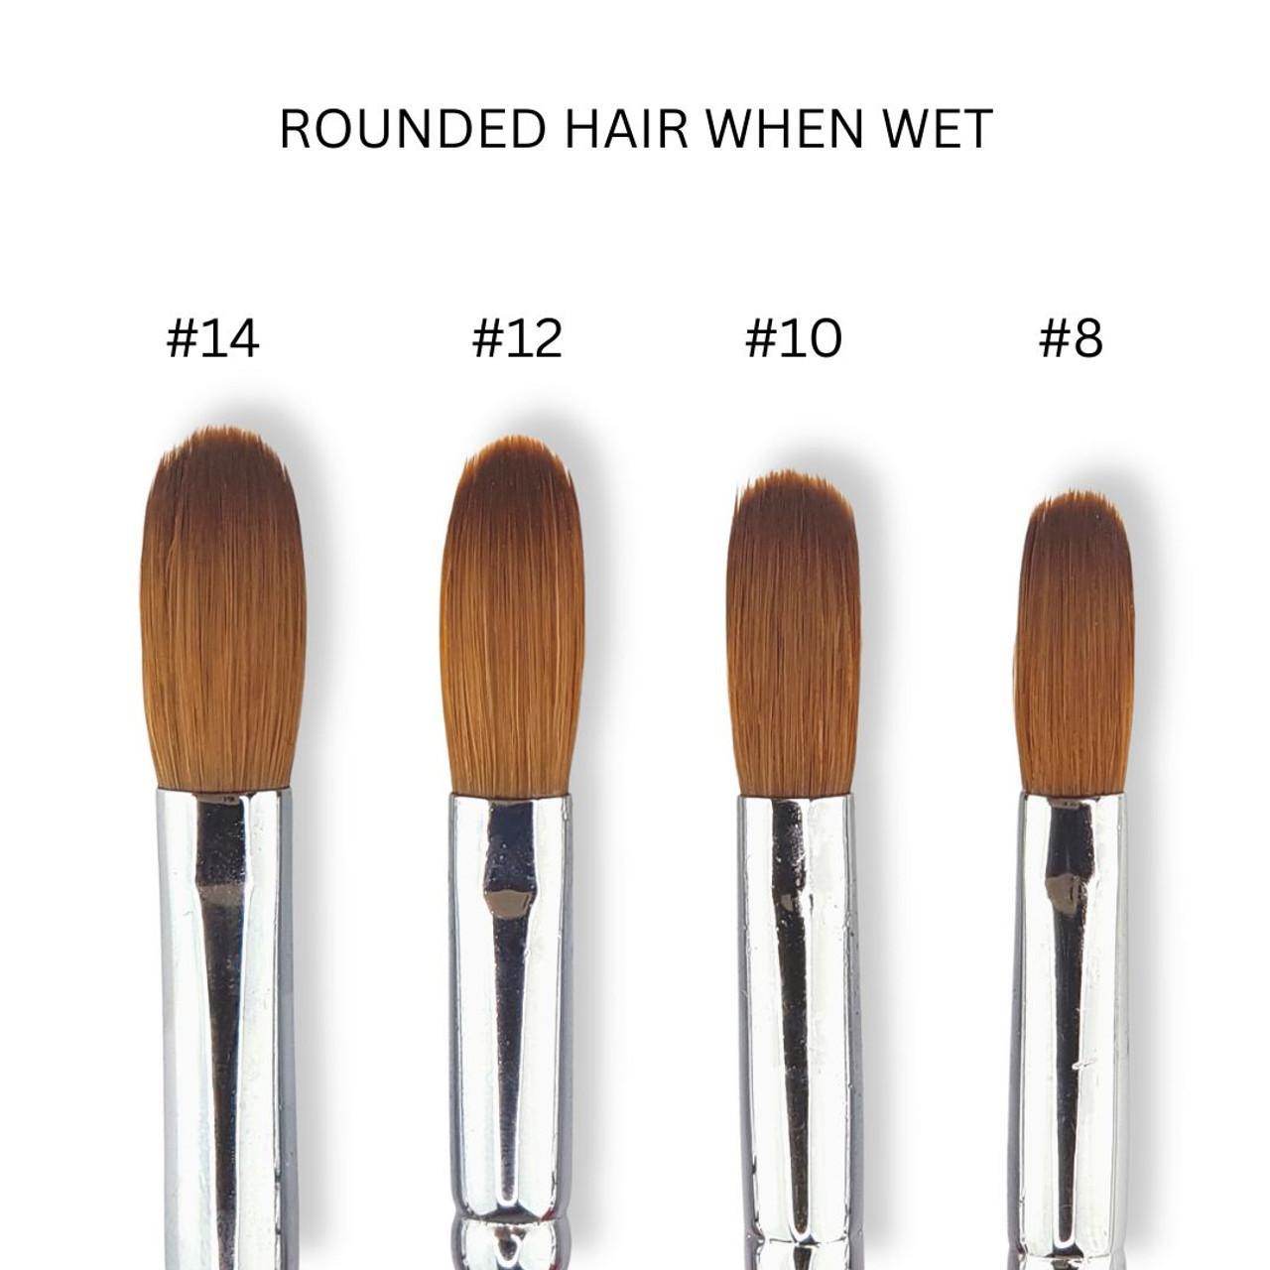
 | NailCare Technician | Acrylic Liquid |  |  | 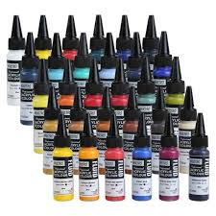
 | NailCare Technician | Acrylic Liquid (Monomer) |  |  | 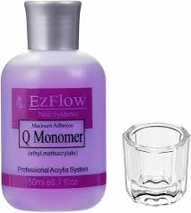
 | NailCare Technician | Acrylic liquid and powder |  |  | 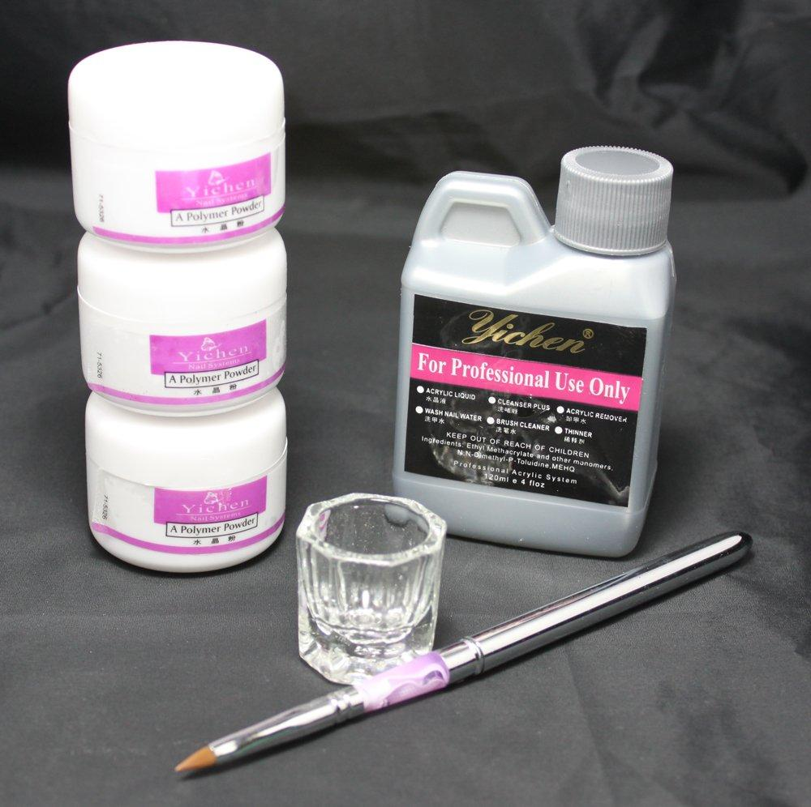
 | NailCare Technician | Acrylic Nail Remover Tray |  |  | 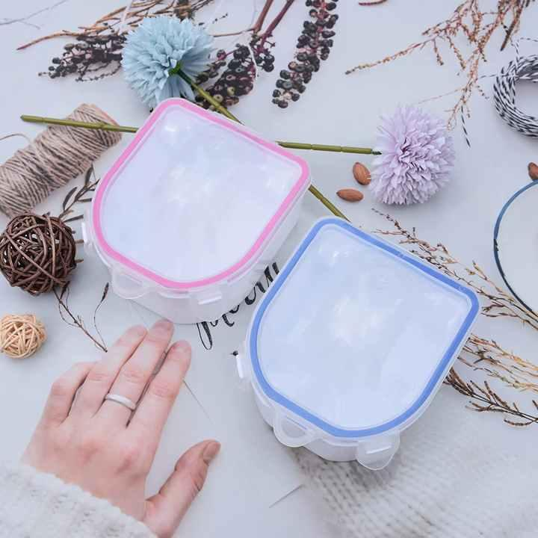
 | NailCare Technician | Acrylic Paints |  |  | 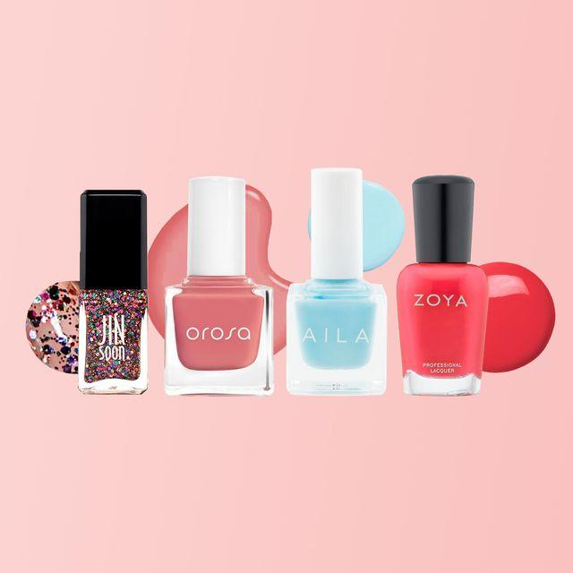
 | NailCare Technician | Activator |  |  | 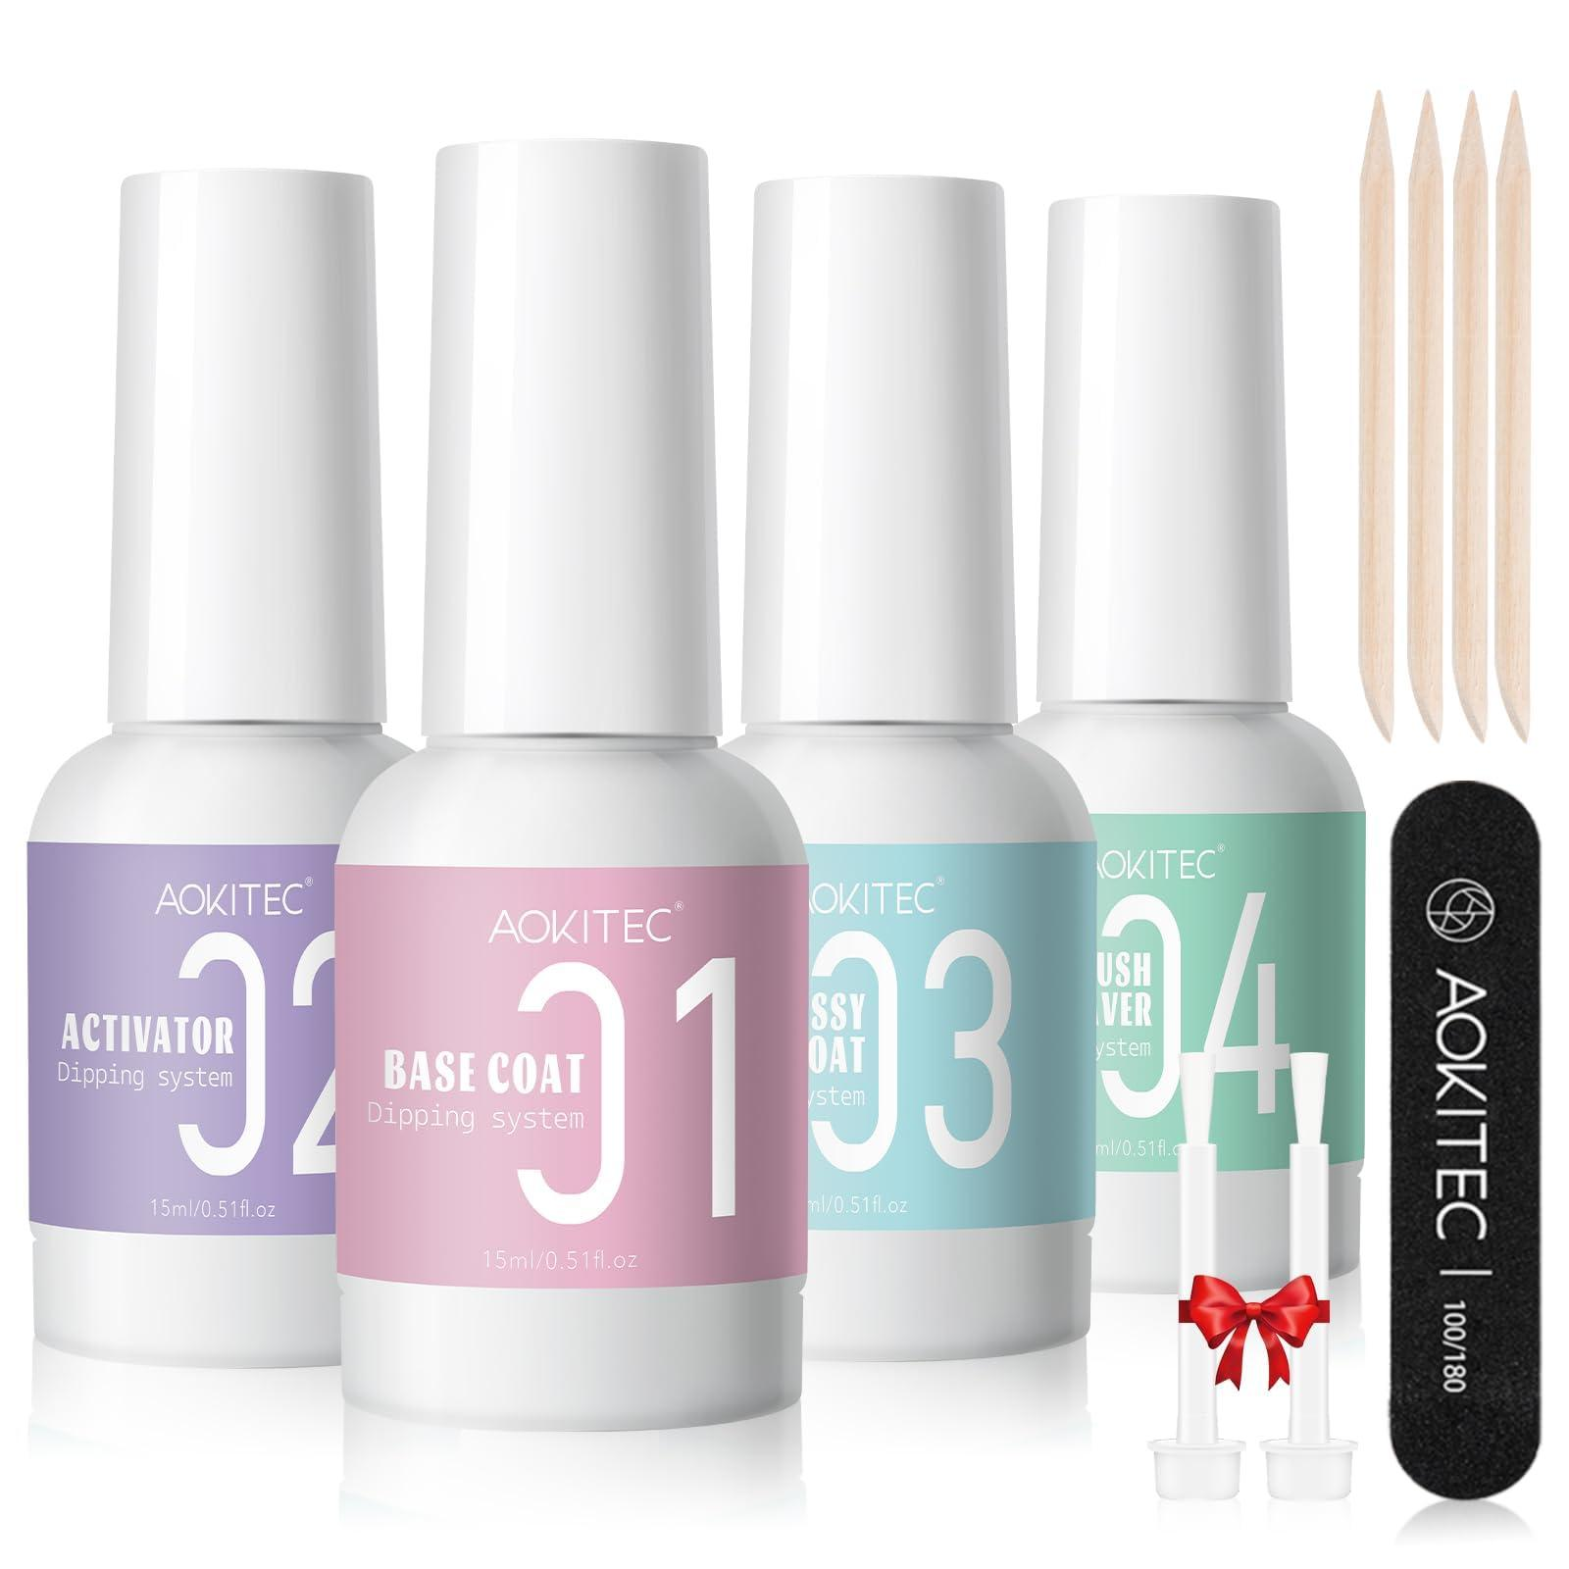
 | NailCare Technician | Alcohol Wipes |  |  | 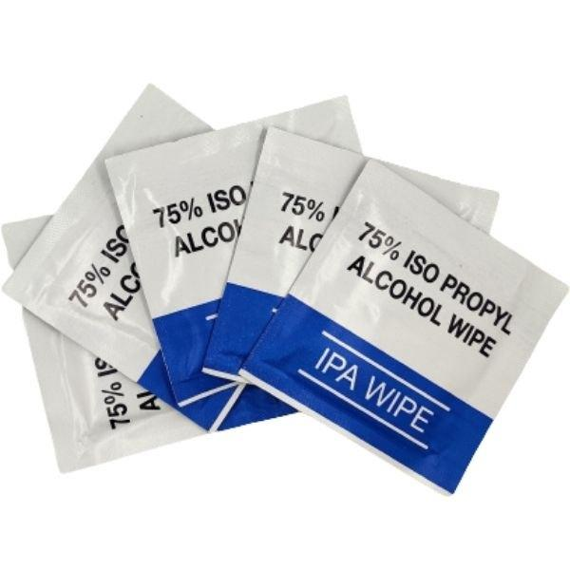
 | NailCare Technician | All-In-One Nail Repair Formula |  |  | 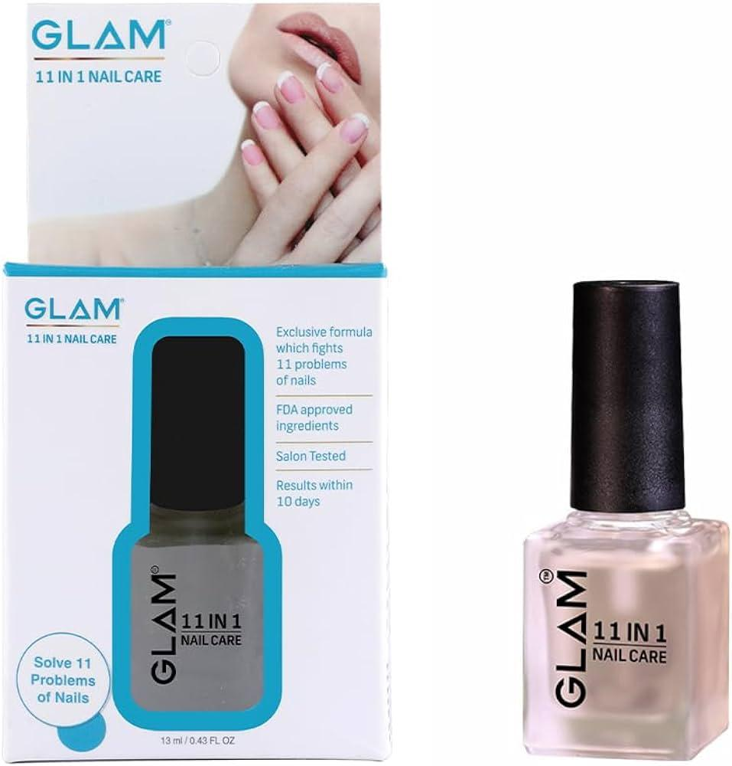
 | NailCare Technician | Aluminum Foil |  |  | 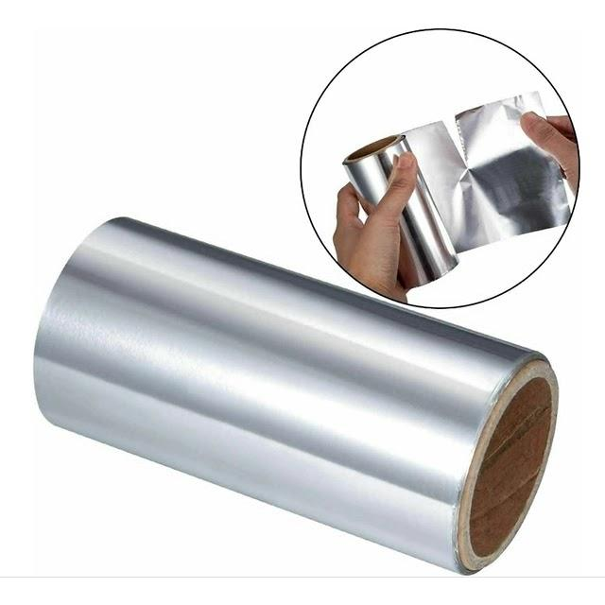
 | NailCare Technician | Antibacterial Cream |  |  | 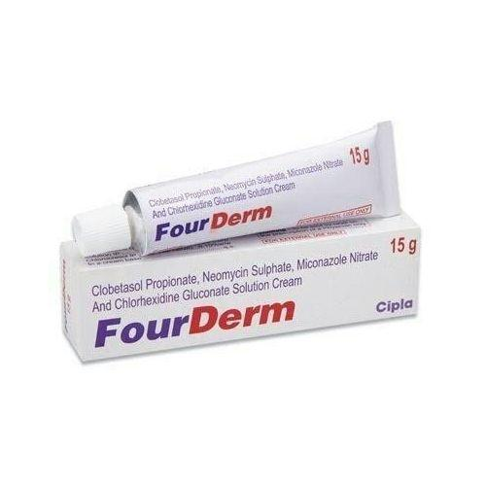
 | NailCare Technician | Antibacterial Solution |  |  | 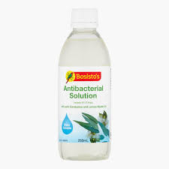
 | NailCare Technician | Antiseptic Wipes
 | NailCare Technician | Aromatic Foot Soak |  |  | 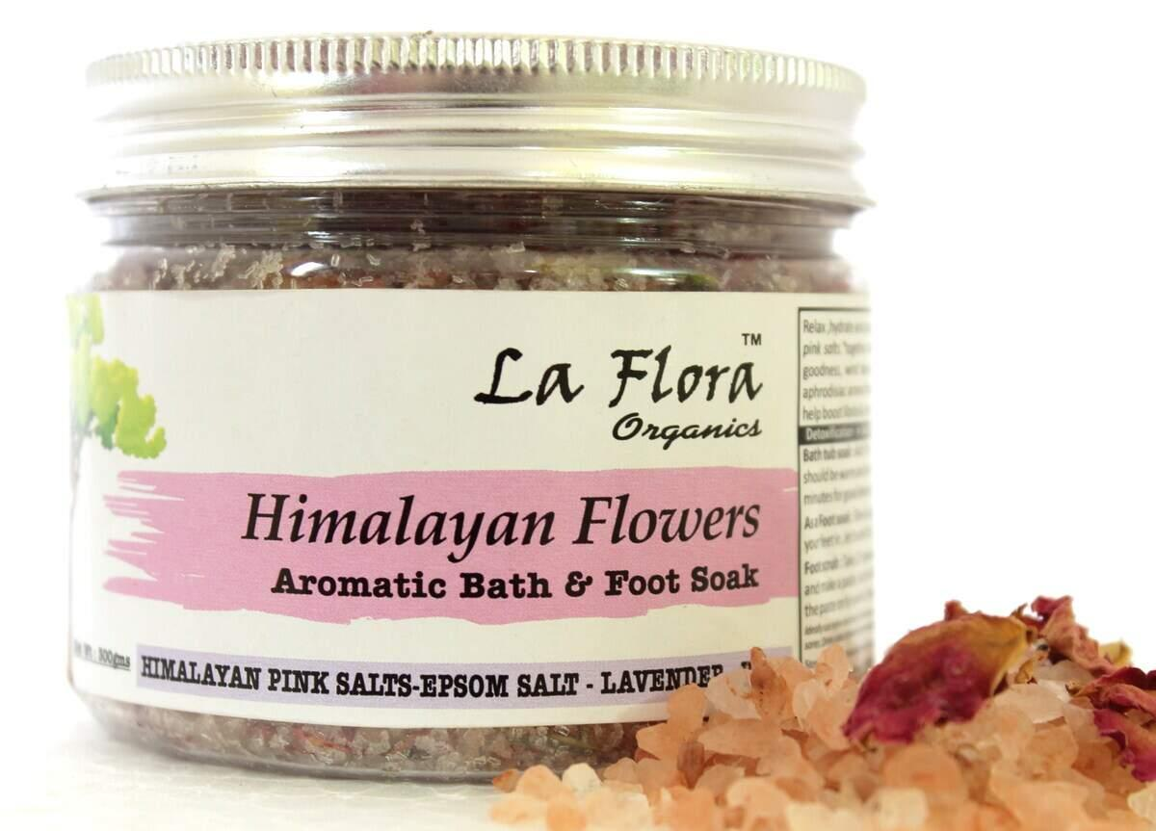
 | NailCare Technician | Autoclave |  |  | 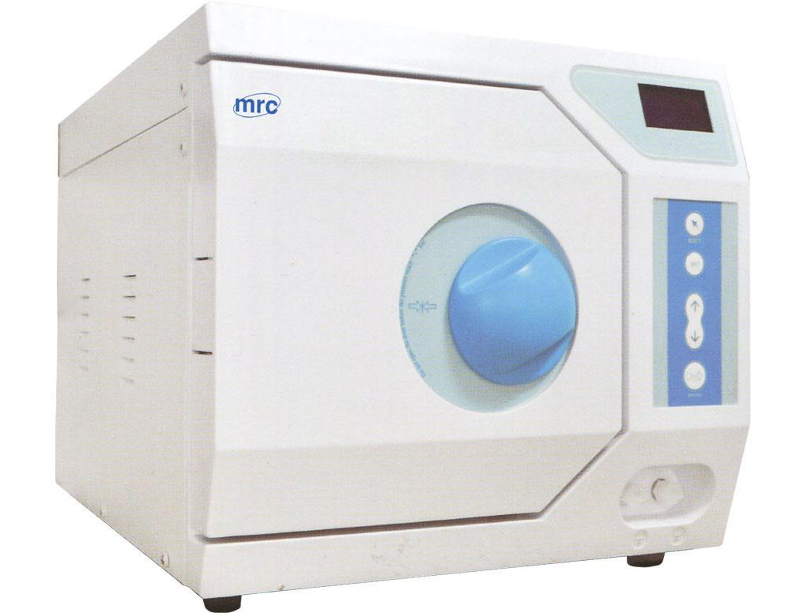
 | NailCare Technician | Autoclave Sterilized Nail Clippers |  |  | 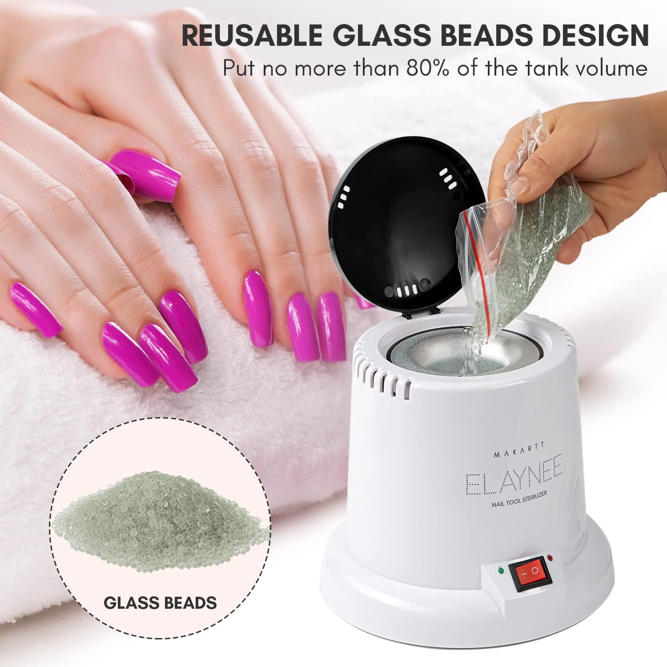
 | NailCare Technician | Baking Soda
 | NailCare Technician | Bandages |  |  | 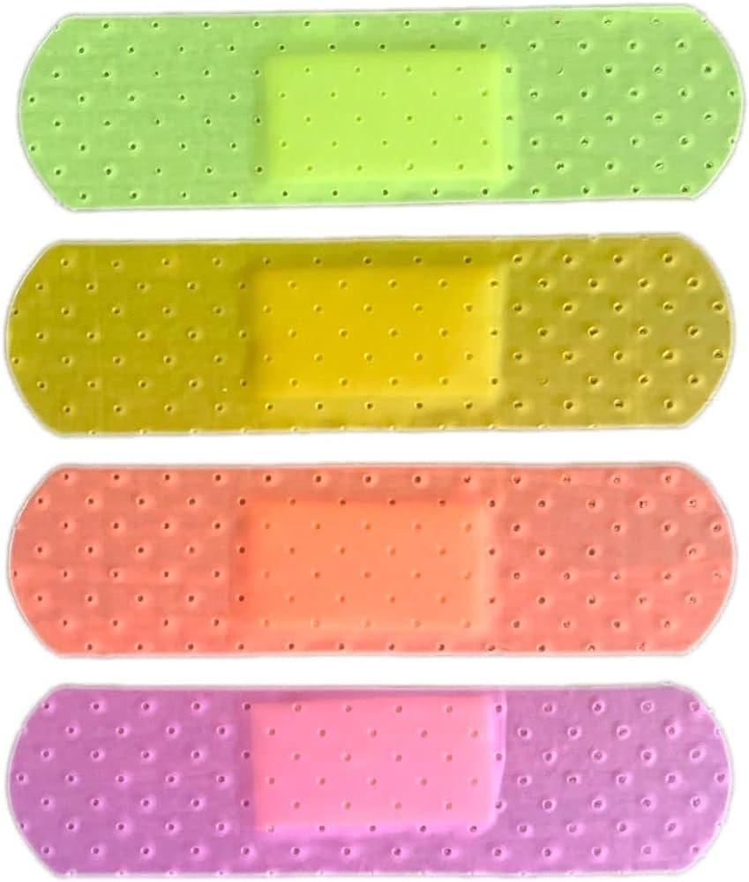
 | NailCare Technician | Base Coat/Gel base coat |  |  | 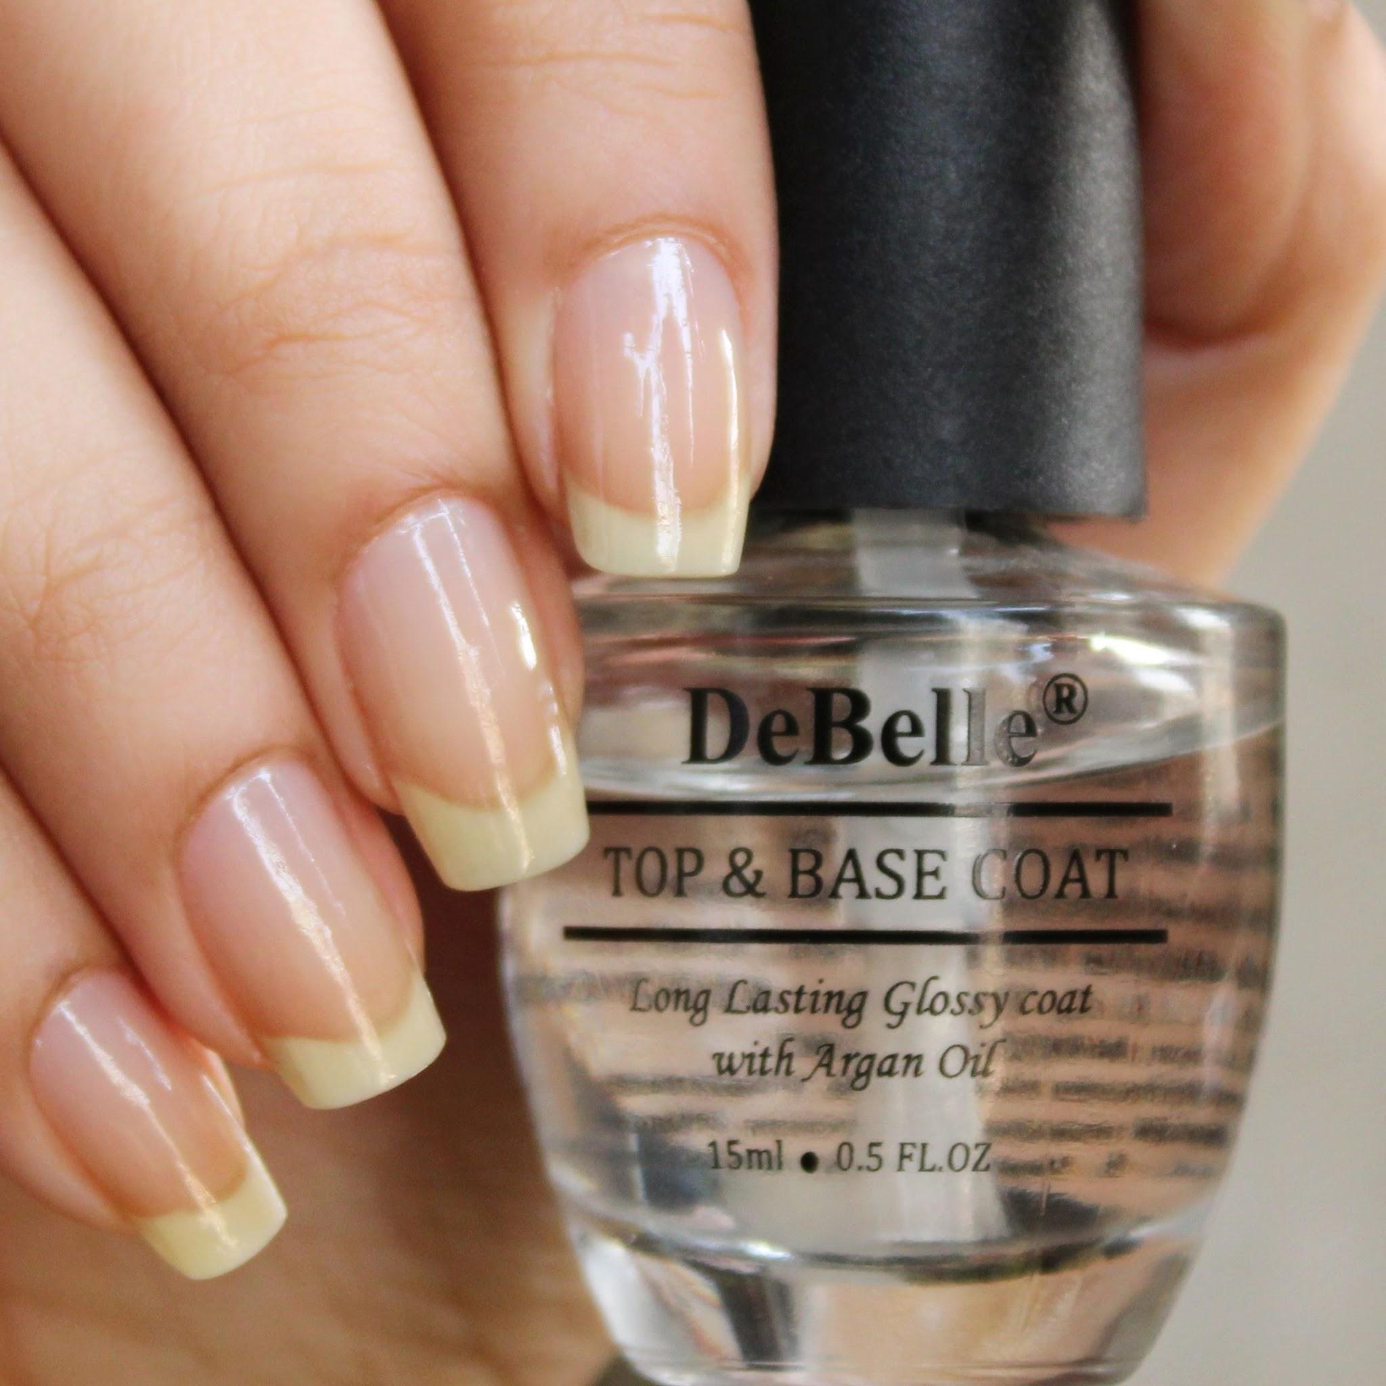
 | NailCare Technician | Biodegradable Nail Files
 | NailCare Technician | Biotin Supplement |  |  | 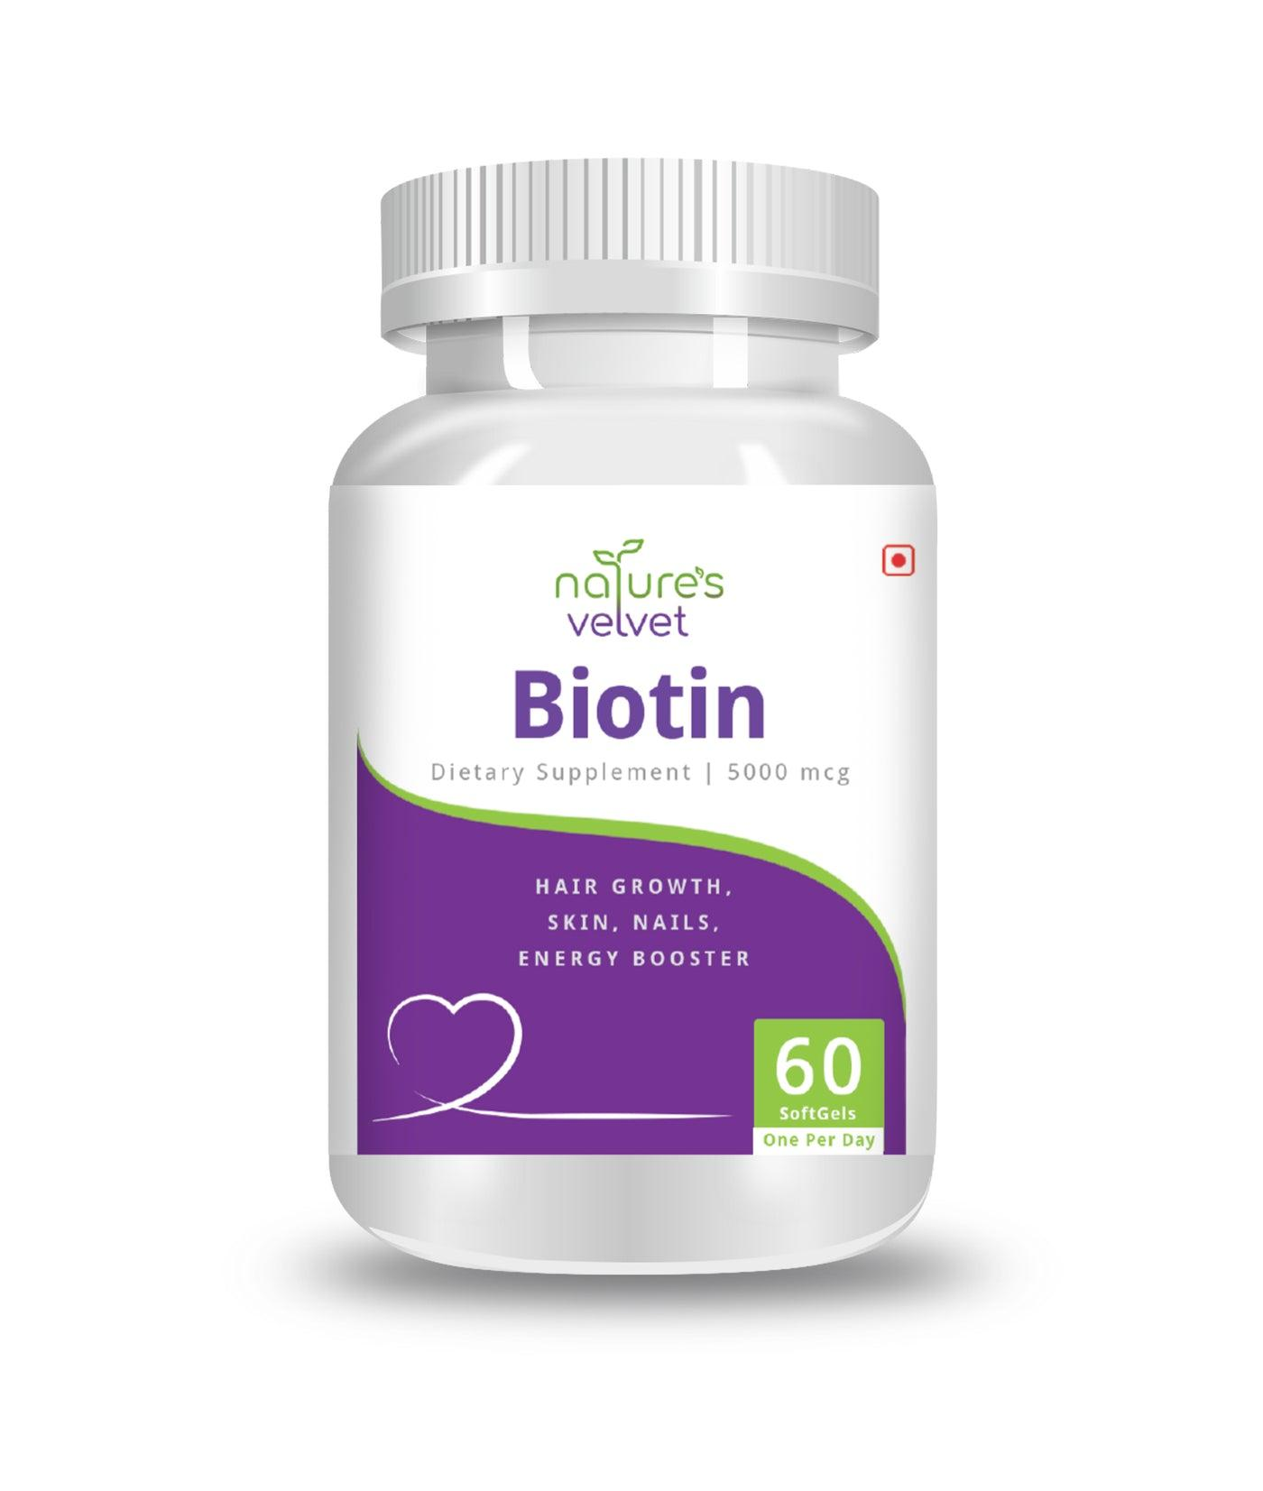
 | NailCare Technician | Bitter-tasting nail polish |  |  | 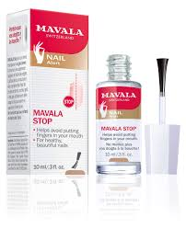
 | NailCare Technician | Buffer |  |  | 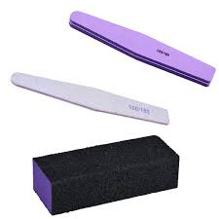
 | NailCare Technician | Builder Gel |  |  | 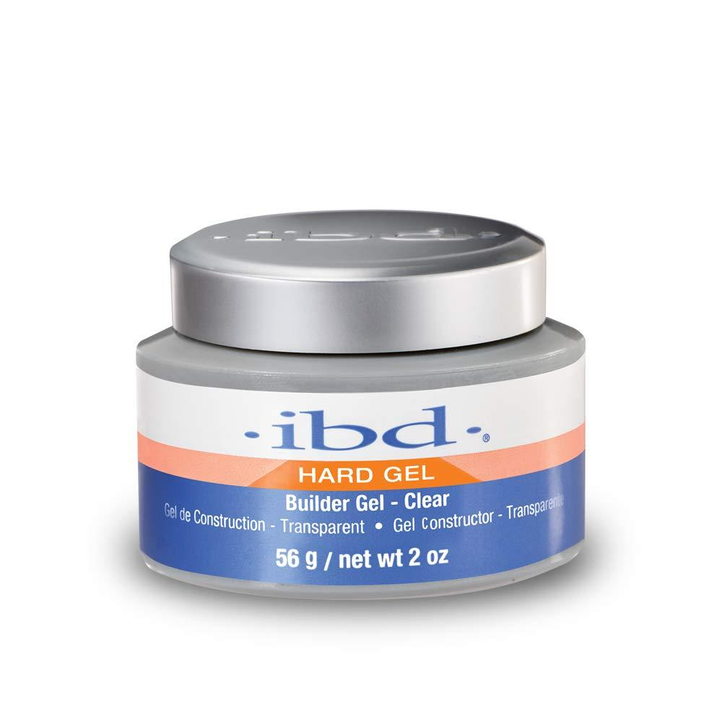
 | NailCare Technician | Calming music player
 | NailCare Technician | Chrome Powder |  |  | 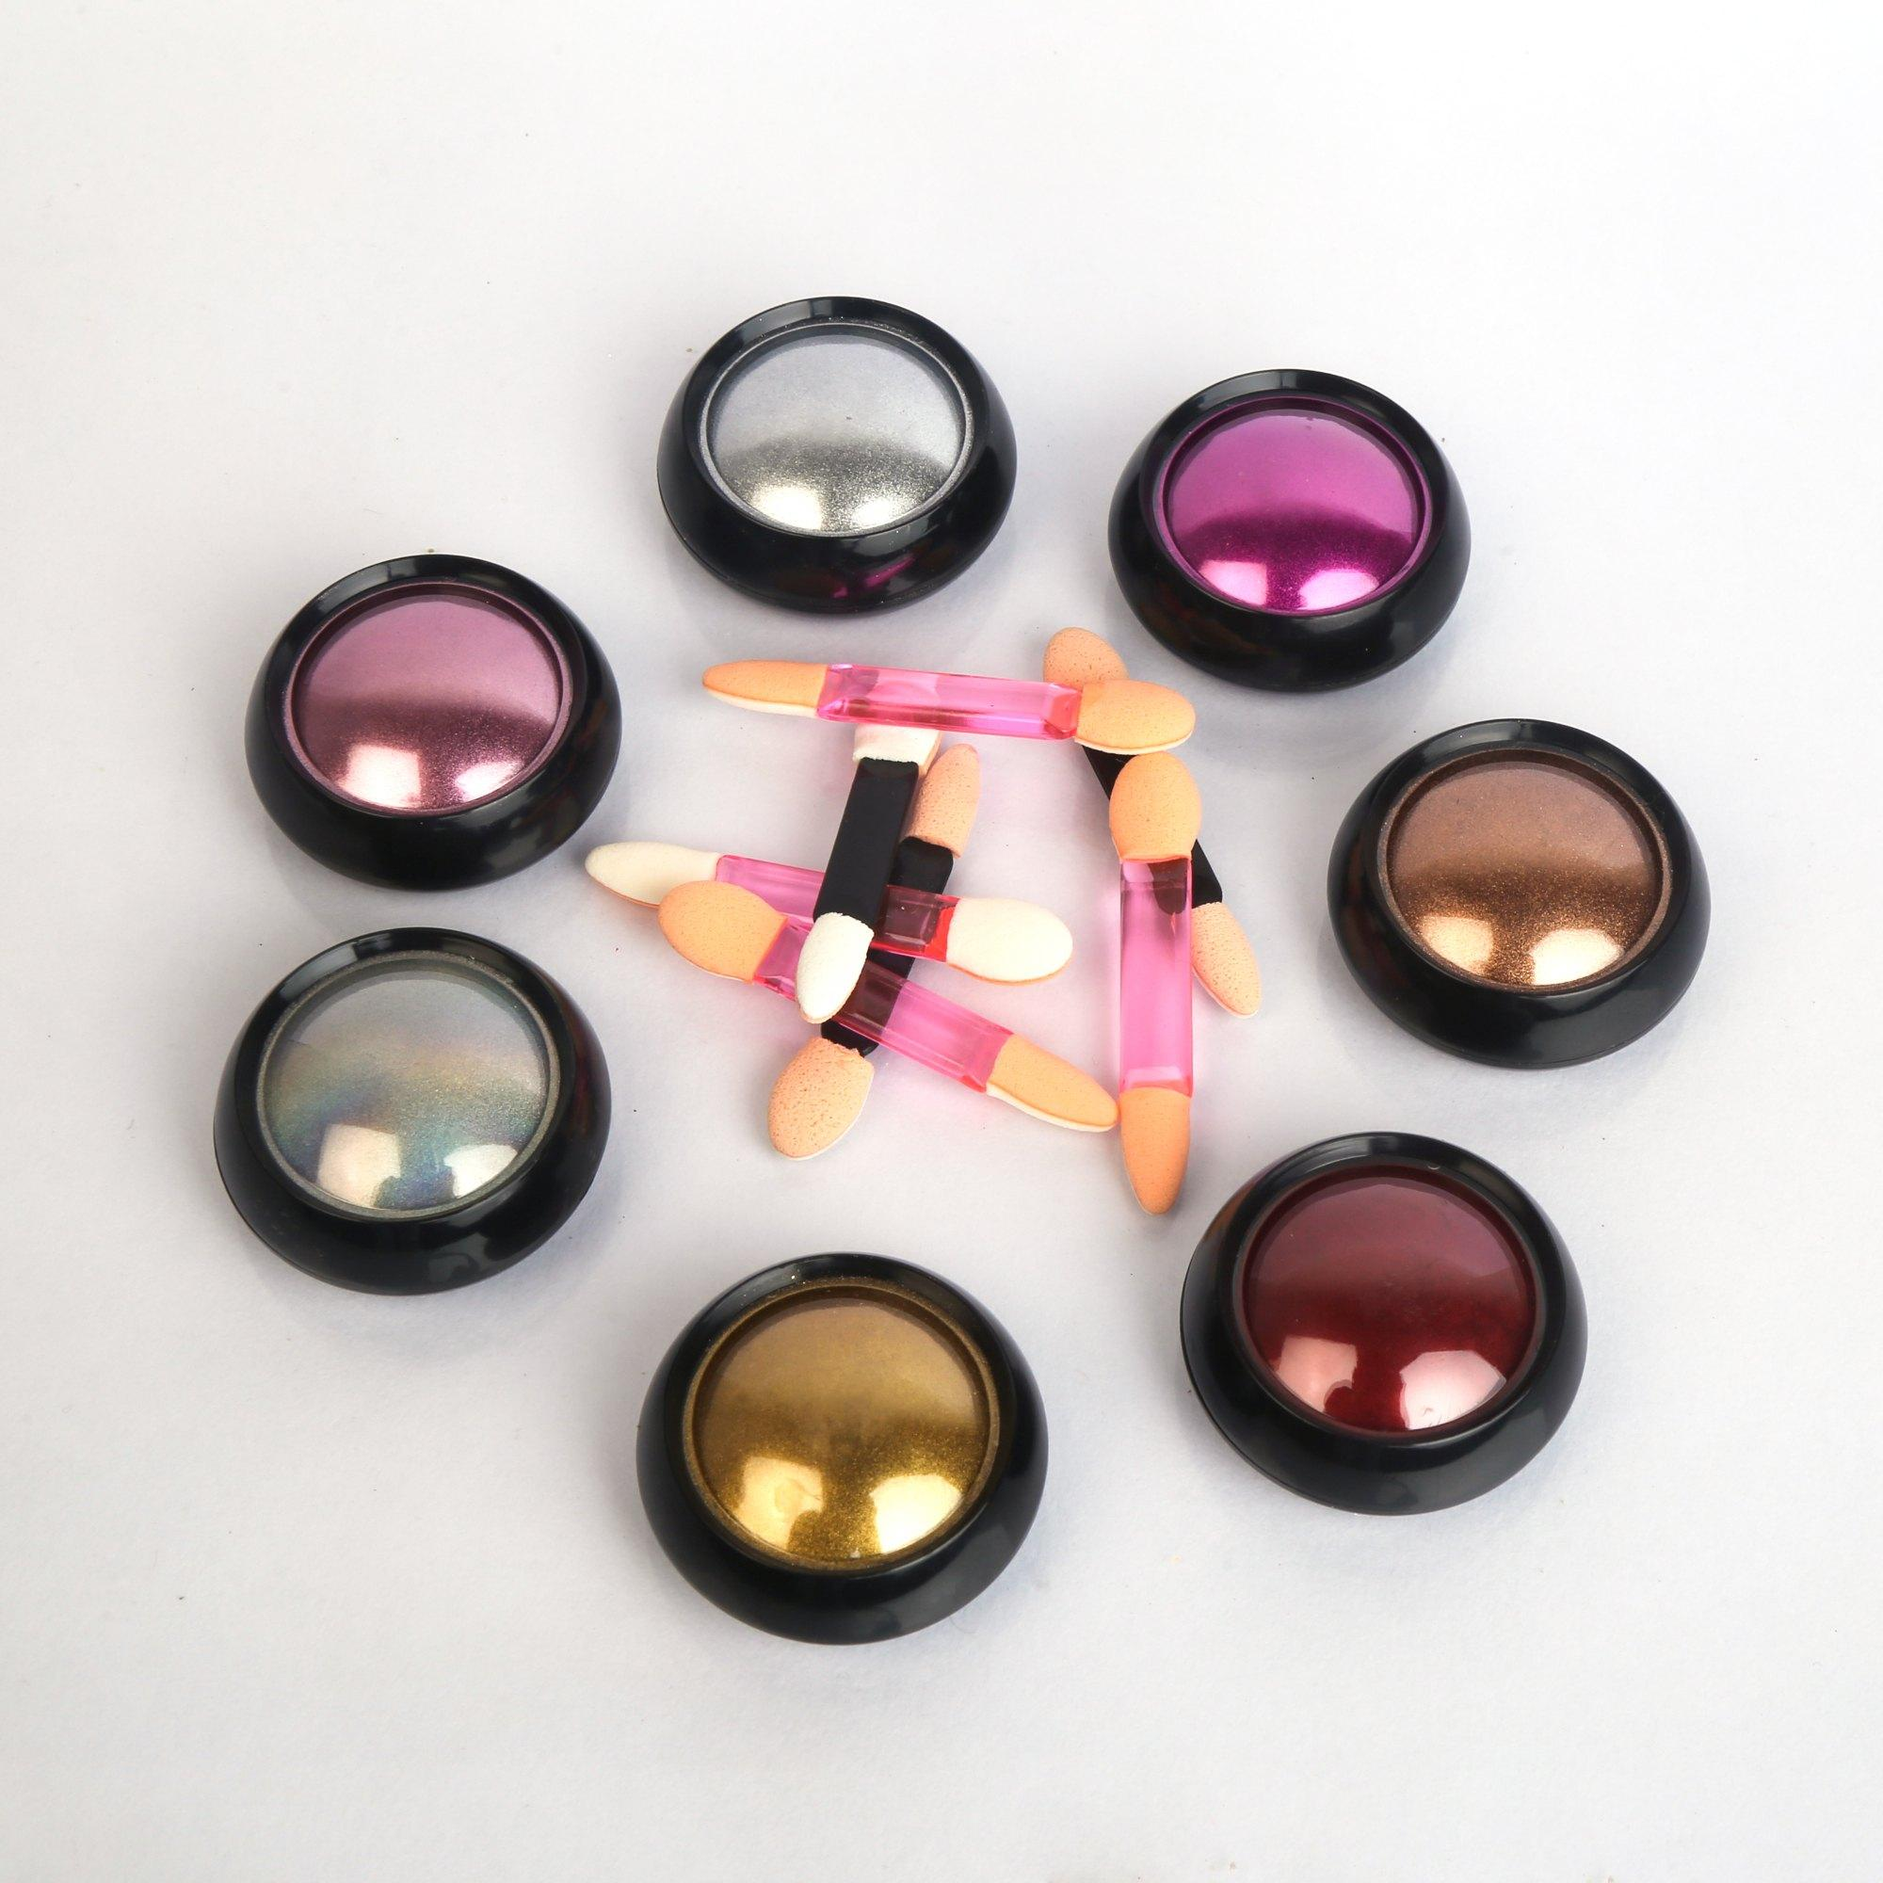
 | NailCare Technician | Cleaning Brushes |  |  | 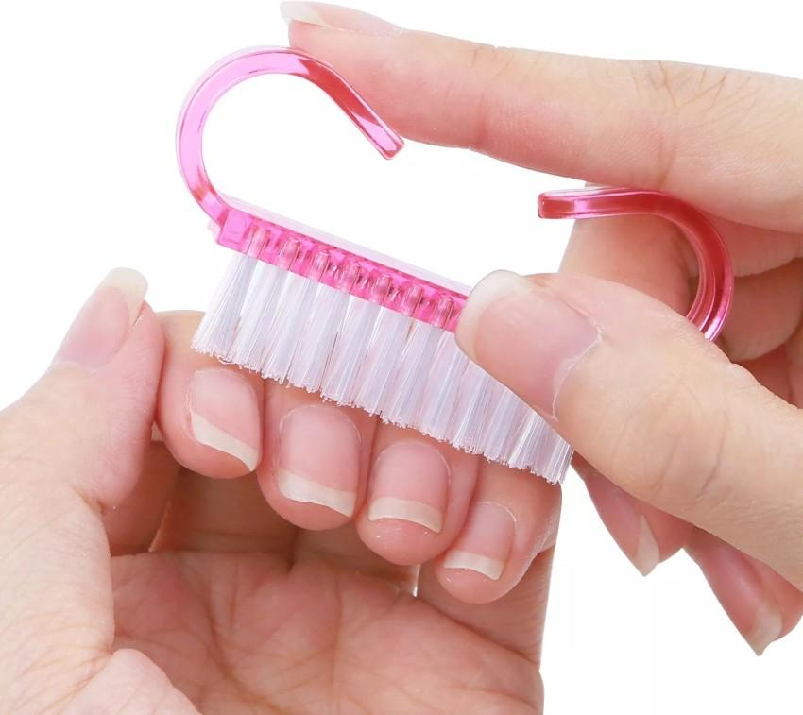
 | NailCare Technician | Client Consultation Form
 | NailCare Technician | Comfortable seating
 | NailCare Technician | Cooling gel |  |  | 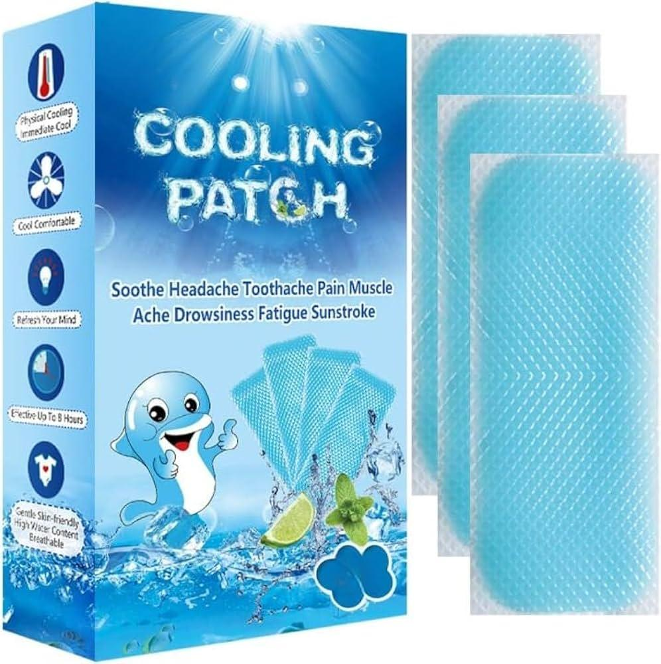
 | NailCare Technician | Cotton Balls |  |  | 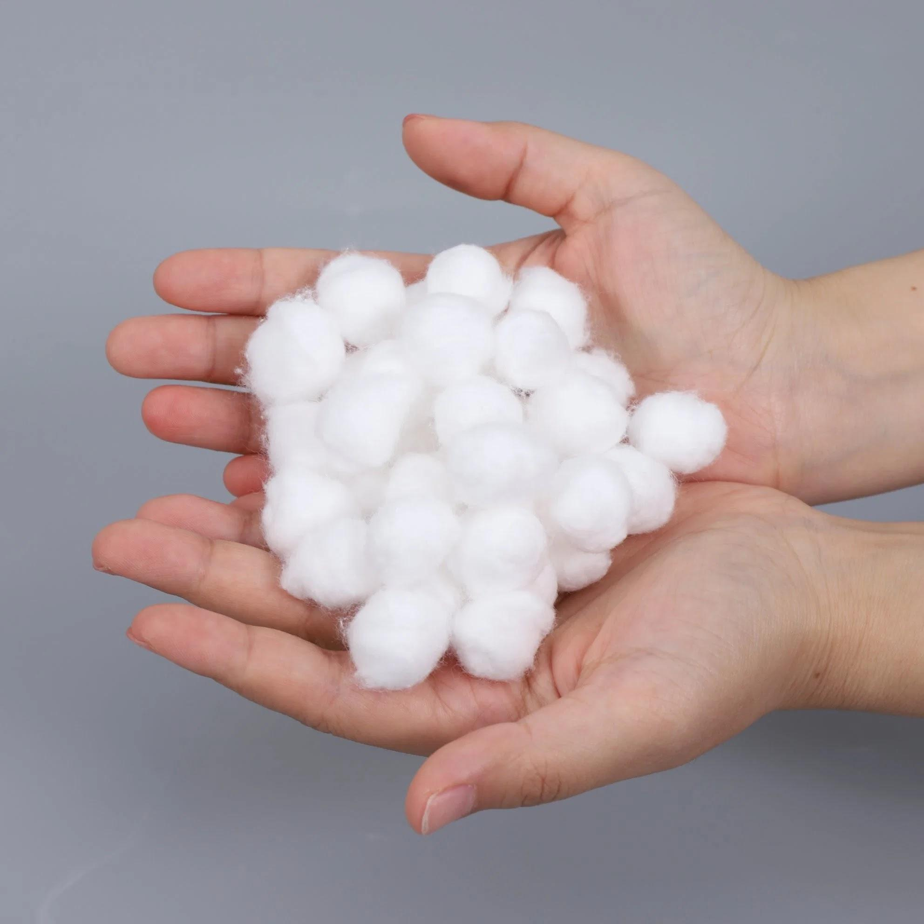
 | NailCare Technician | Cotton Gloves |  |  | 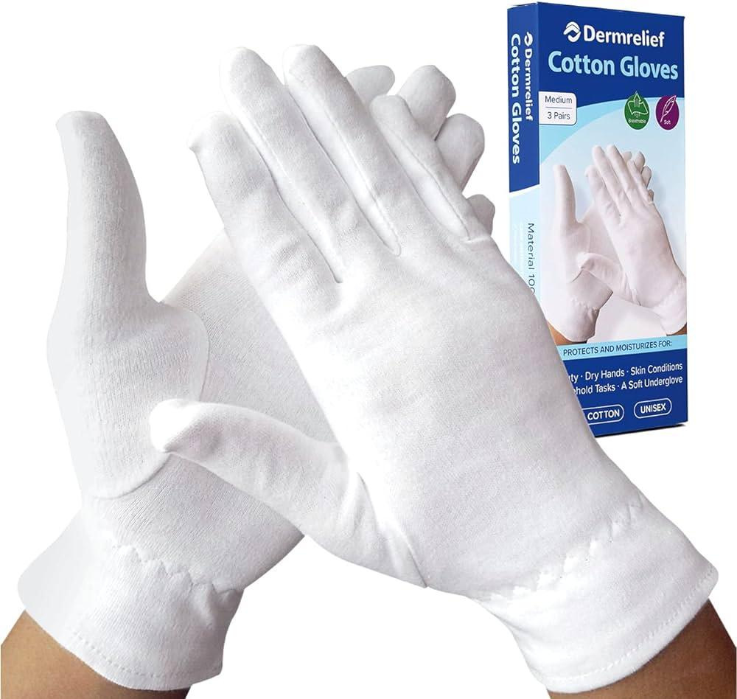
 | NailCare Technician | Cotton Pads |  |  | 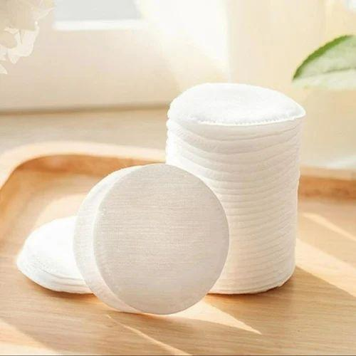
 | NailCare Technician | Cotton Swabs |  |  | 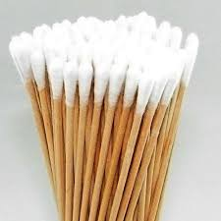
 | NailCare Technician | CPR Mask |  |  | 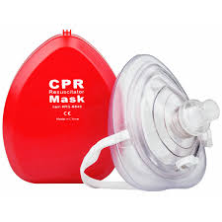
 | NailCare Technician | Cuticle Nippers |  |  | 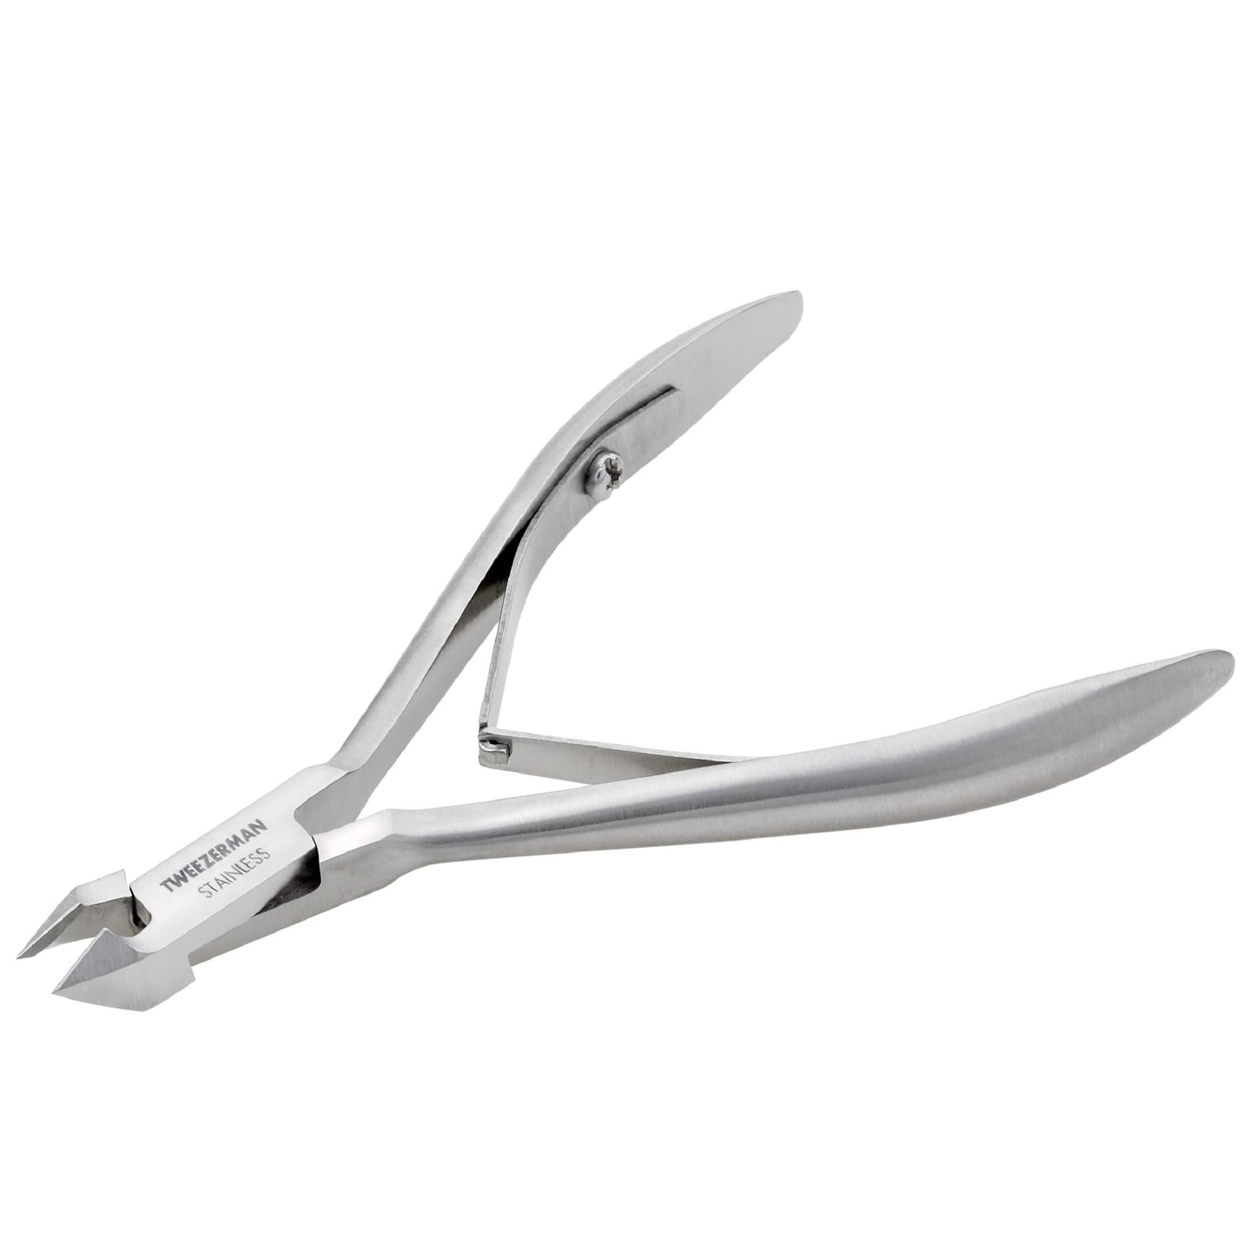
 | NailCare Technician | Cuticle Pusher |  |  | 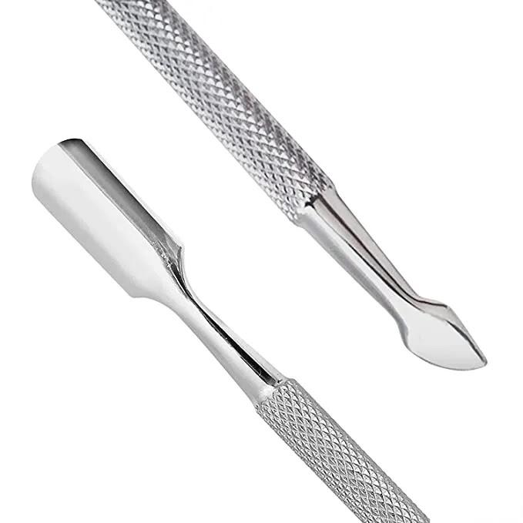
 | NailCare Technician | Cuticle Remover |  |  | 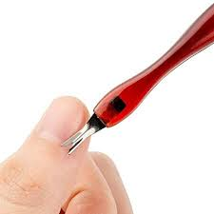
 | NailCare Technician | Detail Brushes |  |  | 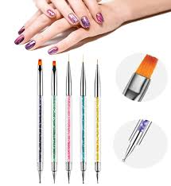
 | NailCare Technician | Digital Tablet
 | NailCare Technician | Dip Powder |  |  | 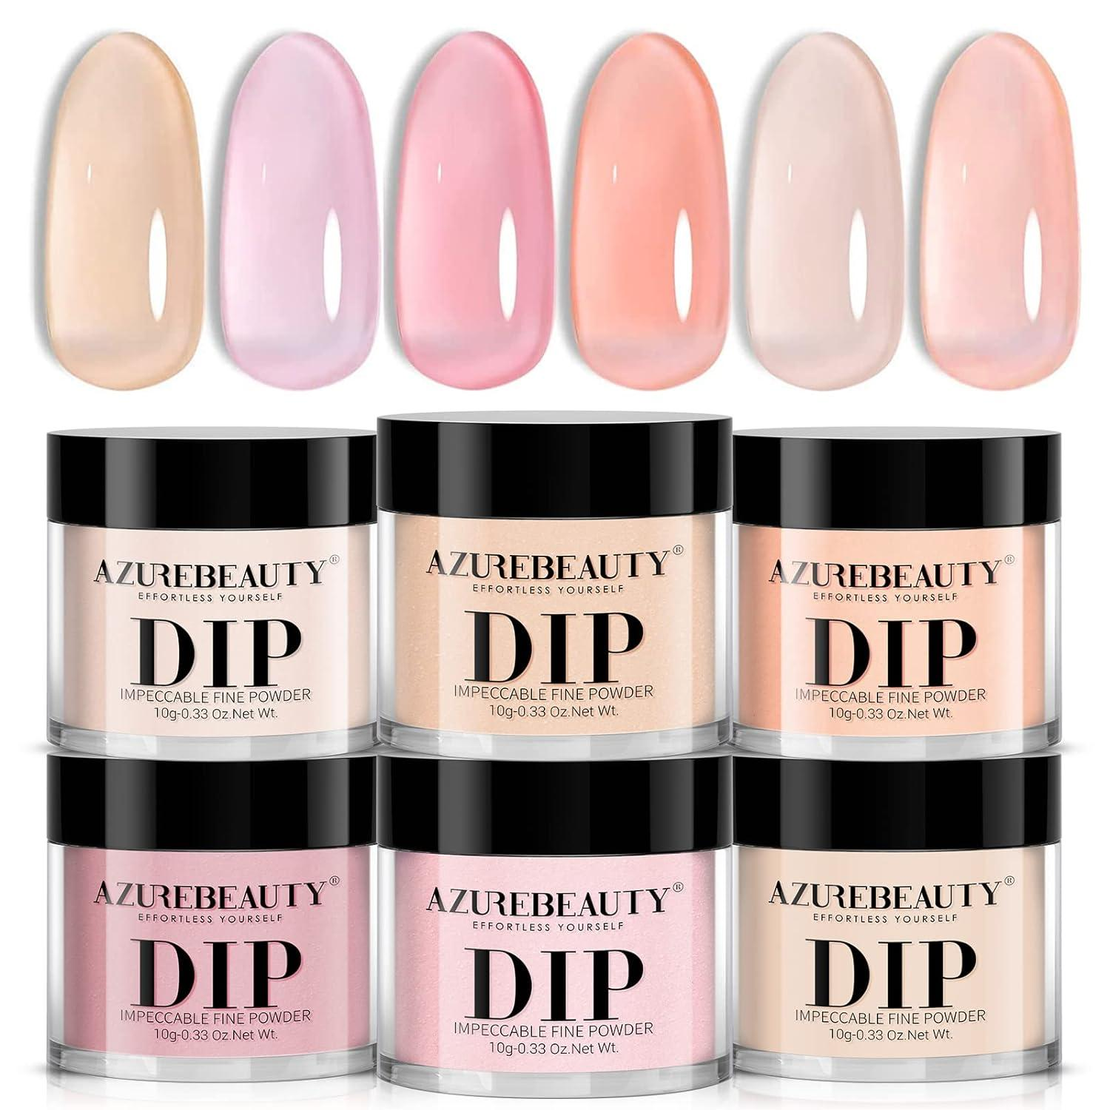
 | NailCare Technician | Discount vouchers
 | NailCare Technician | Disinfectant Solution |  |  | 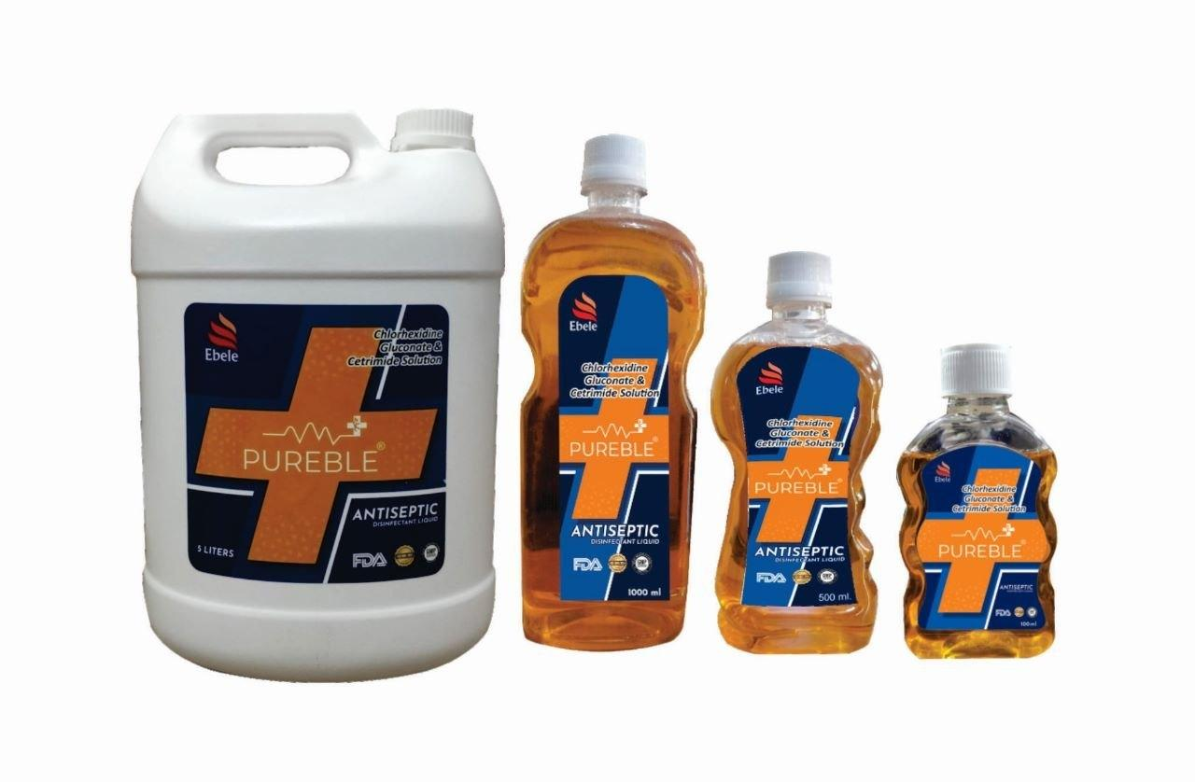
 | NailCare Technician | Disinfectant Spray |  |  | 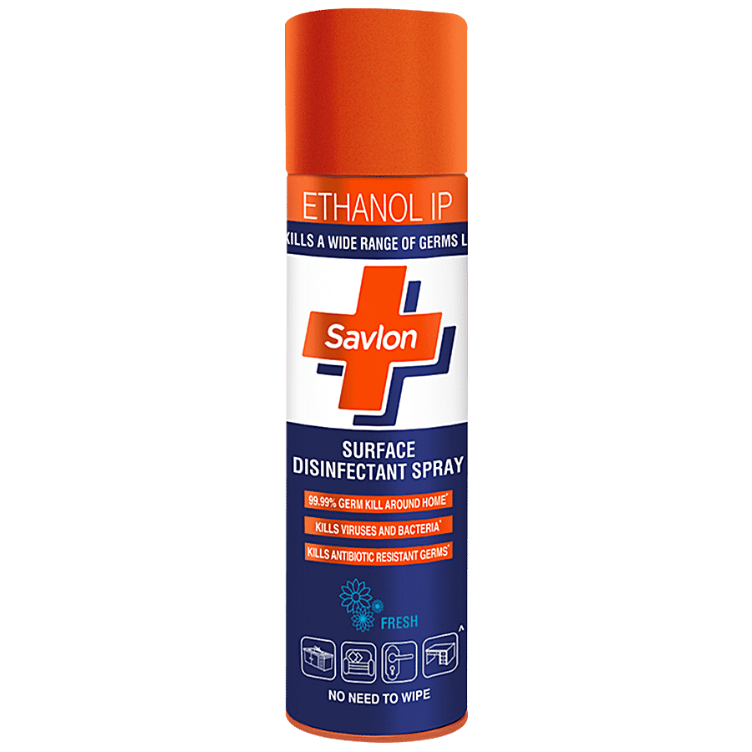
 | NailCare Technician | Disposable Application Brushes |  |  | 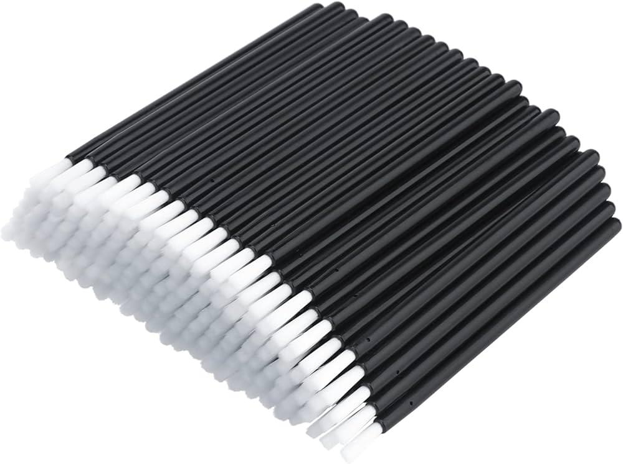
 | NailCare Technician | Disposable Aprons |  |  | 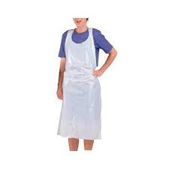
 | NailCare Technician | Disposable Dotting Tools |  |  | 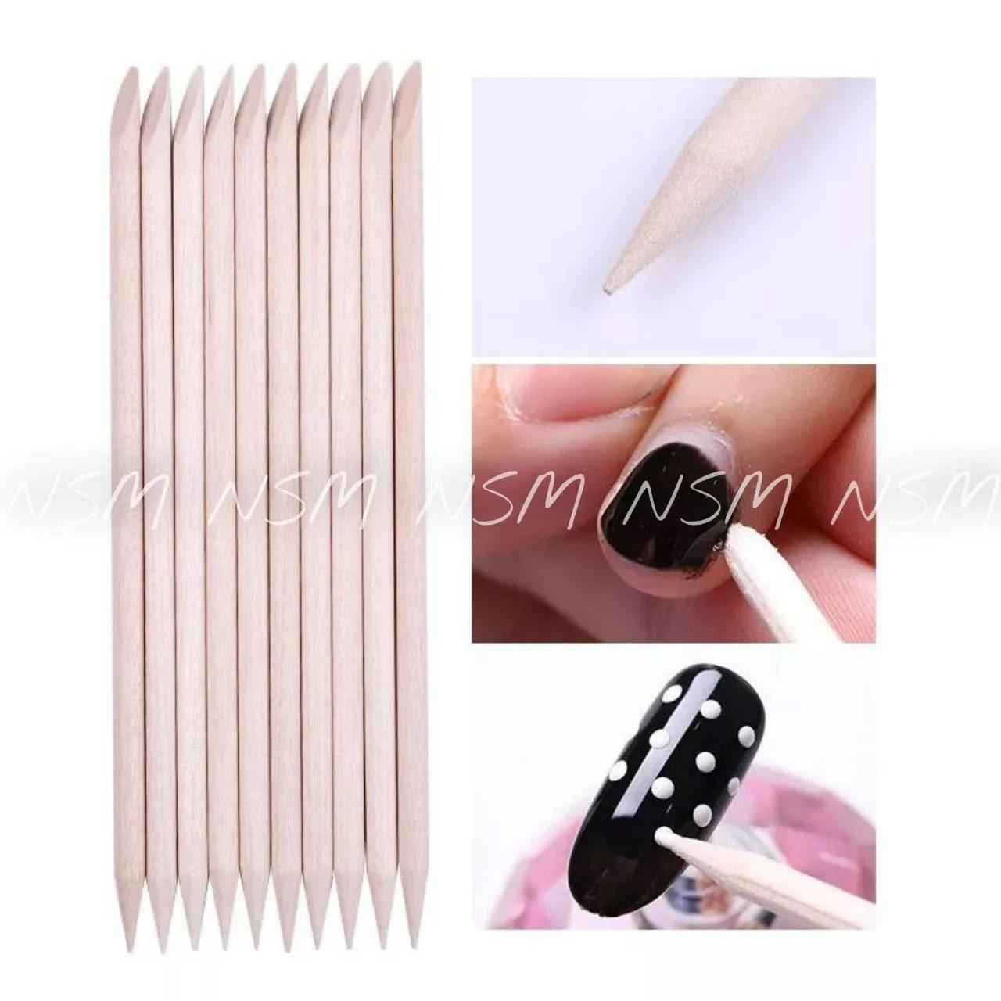
 | NailCare Technician | Disposable Gloves |  |  | 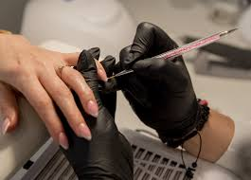
 | NailCare Technician | Disposable Liners |  |  | 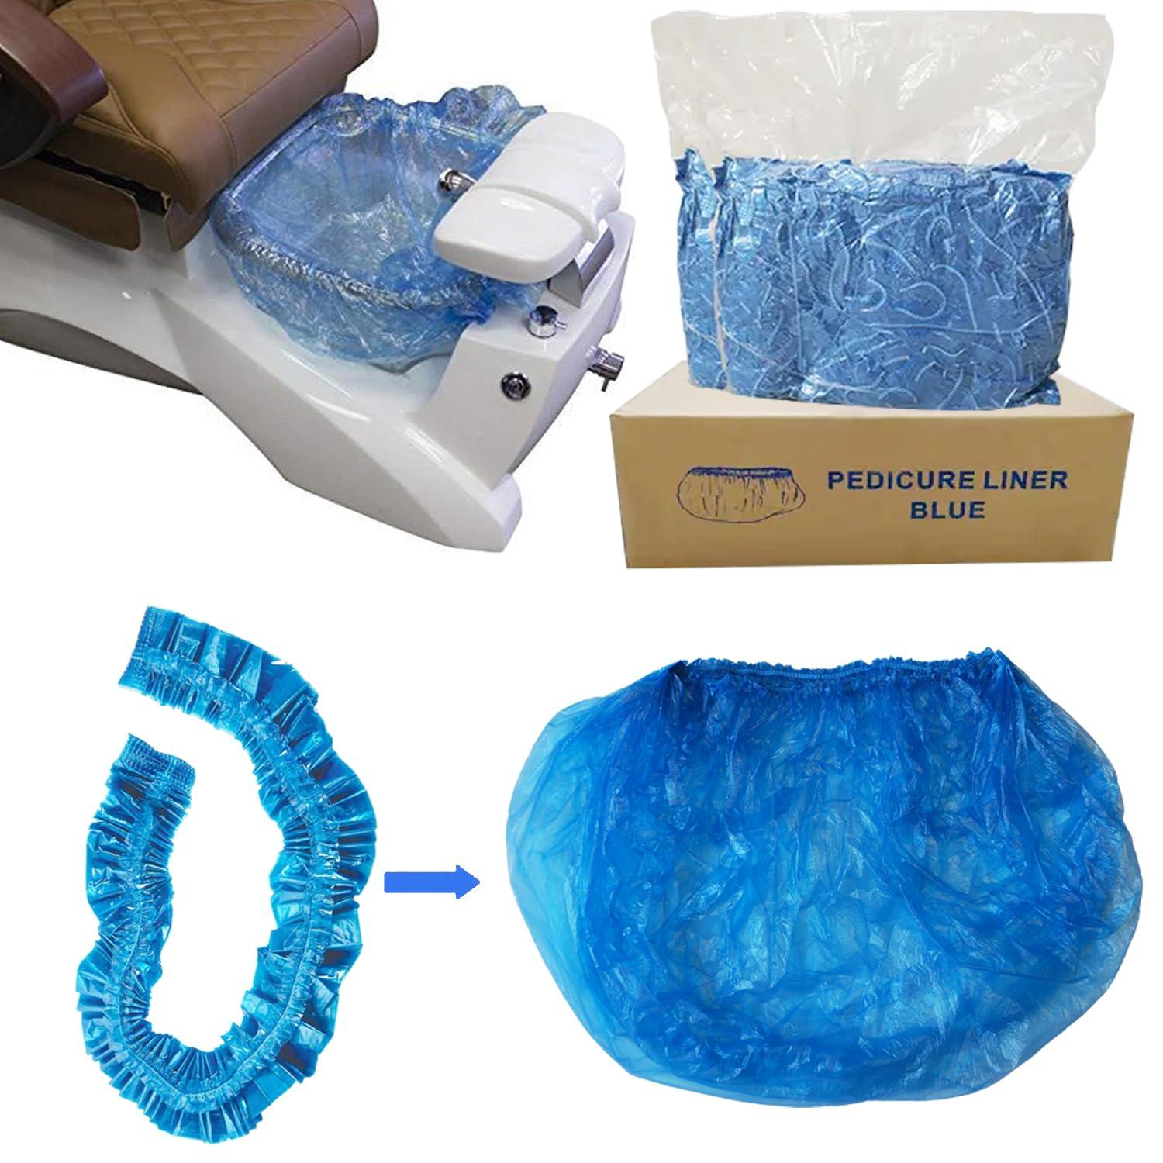
 | NailCare Technician | Disposable Pen
 | NailCare Technician | Dotting Tools |  |  | 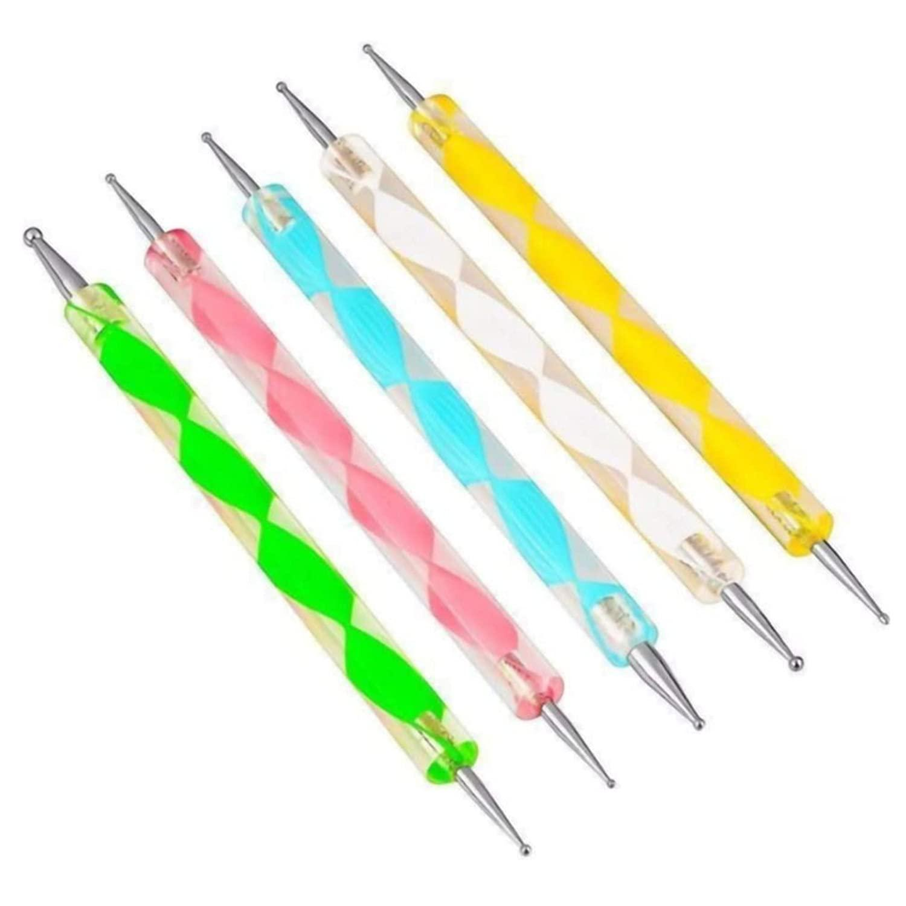
 | NailCare Technician | Dust Collector |  |  | 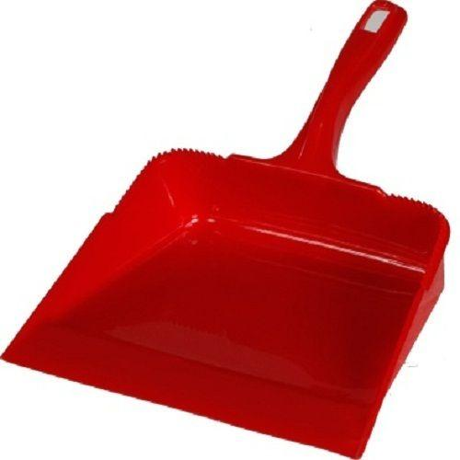
 | NailCare Technician | Dust Extractor |  |  | 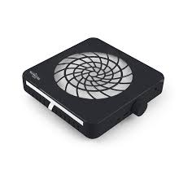
 | NailCare Technician | Electric Heater |  |  | 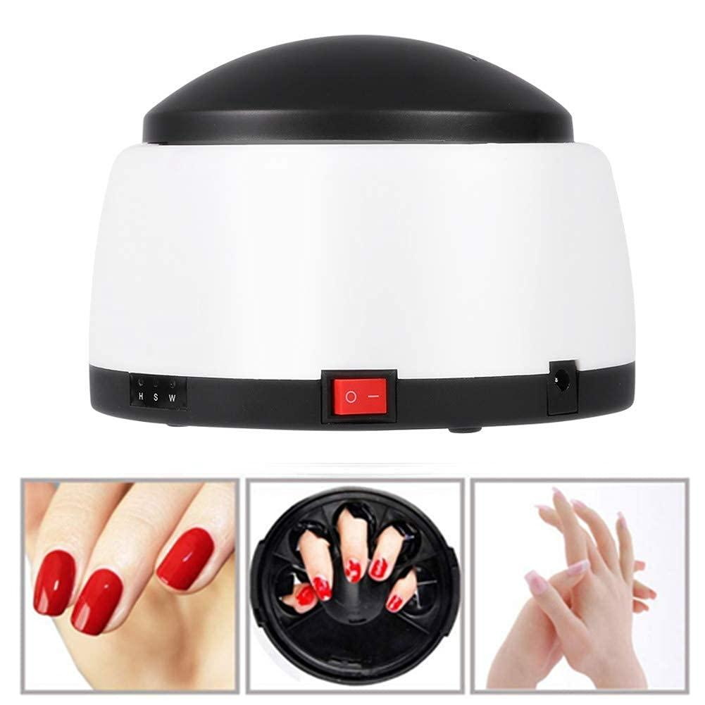
 | NailCare Technician | Emergency Contact List
 | NailCare Technician | EPA-Registered Disinfectant |  |  | 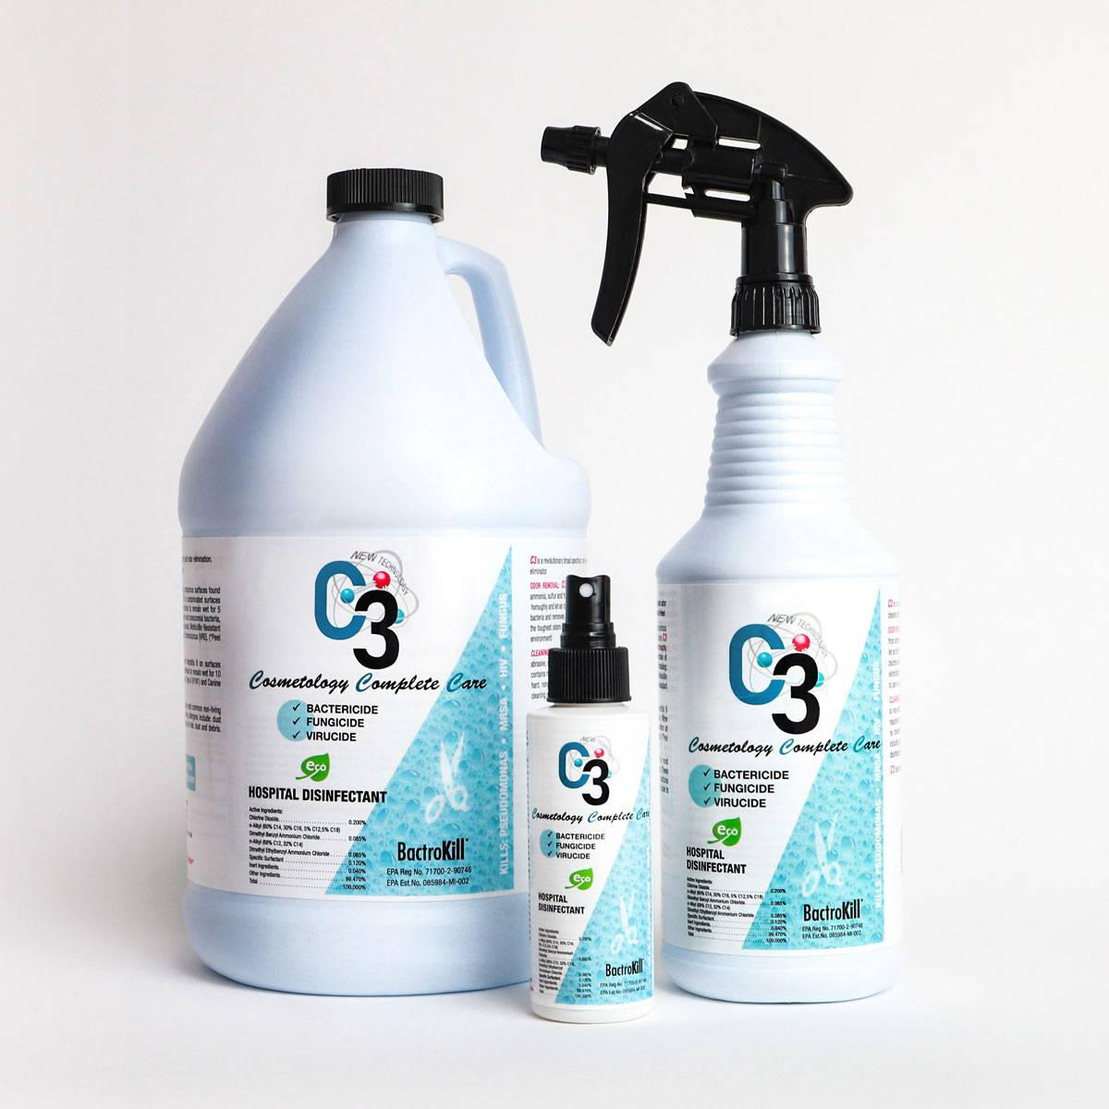
 | NailCare Technician | Exfoliating Scrub |  |  | 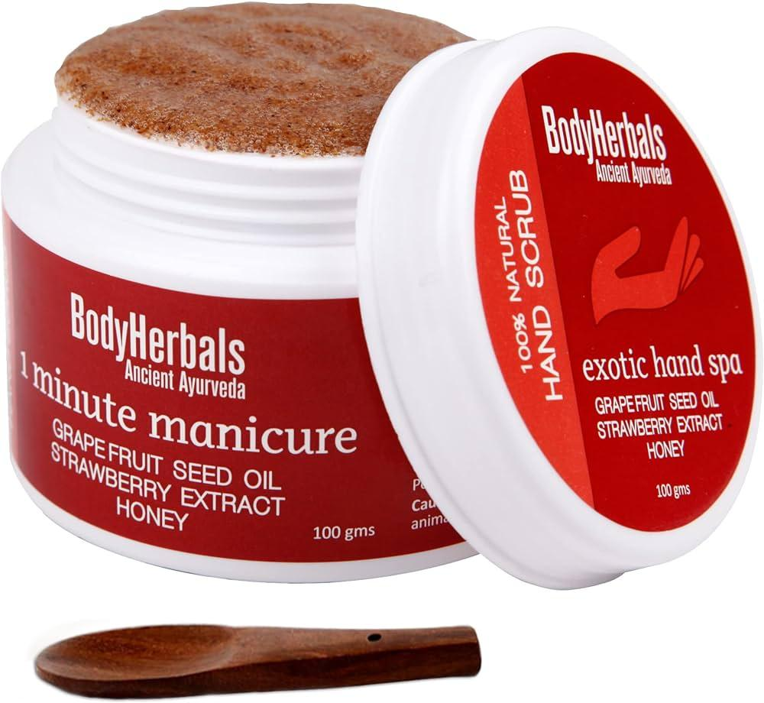
 | NailCare Technician | Face Masks |  |  | 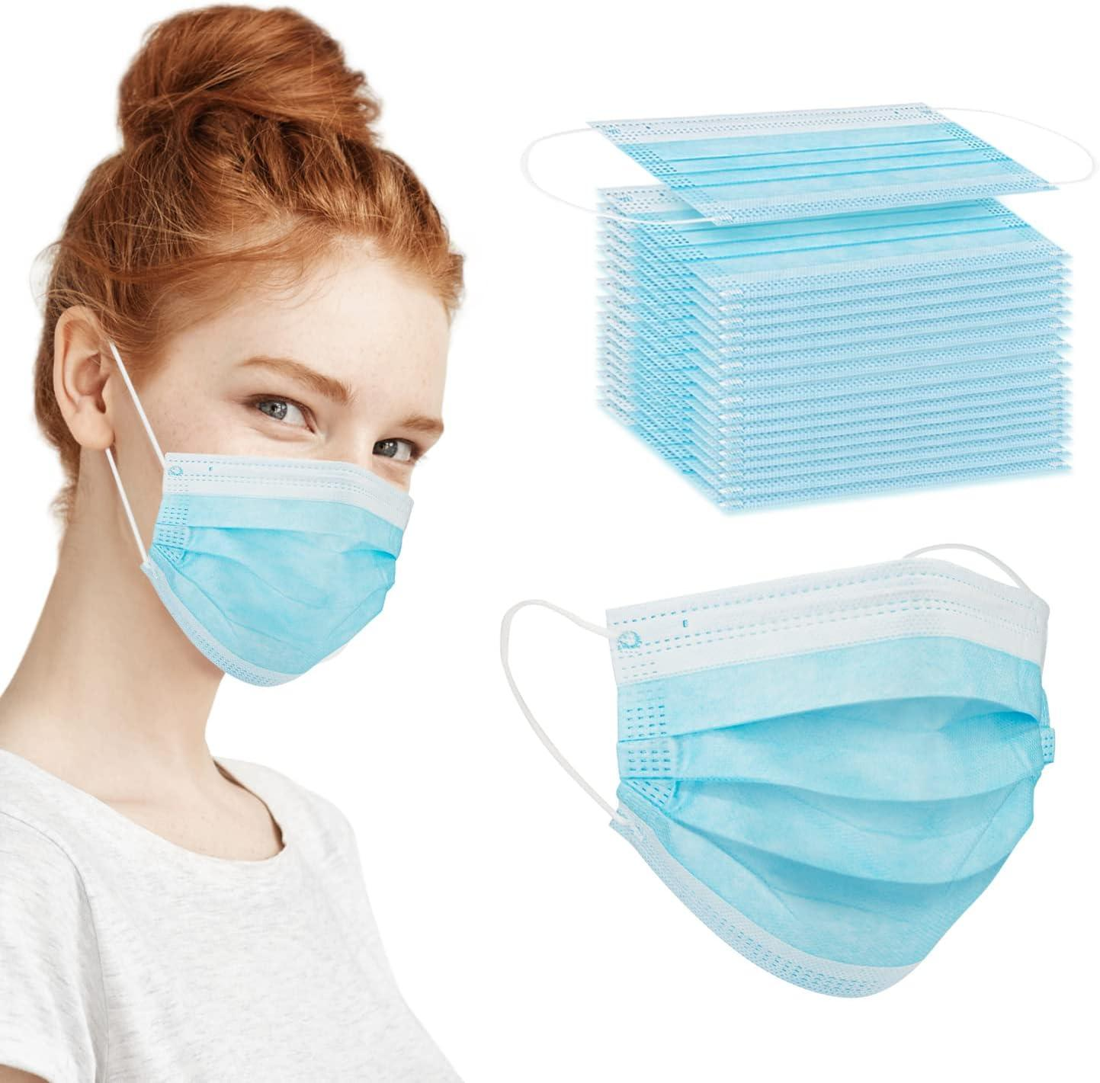
 | NailCare Technician | Files |  |  | 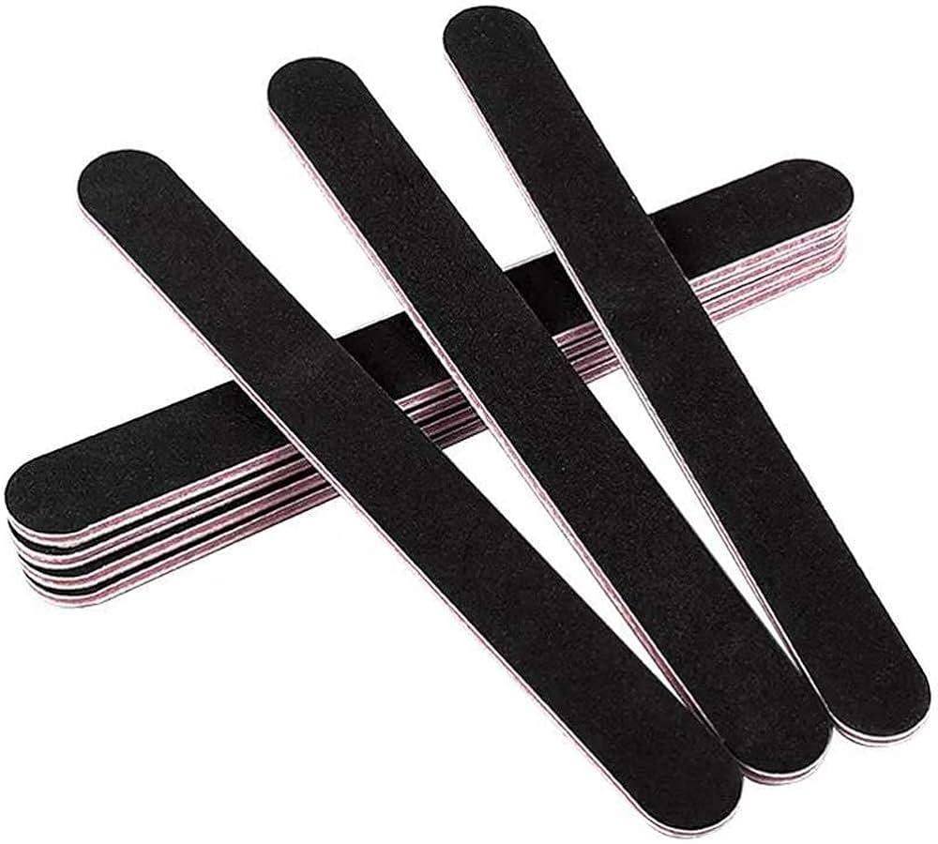
 | NailCare Technician | First Aid Kit |  |  | 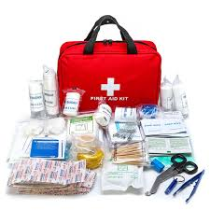
 | NailCare Technician | Foot File
 | NailCare Technician | Foot soak
 | NailCare Technician | Gel Cleanser
 | NailCare Technician | Gel Nail Polish(all colors- vibrant, nude etc)
 | NailCare Technician | Gel Top Coat
 | NailCare Technician | Glass File
 | NailCare Technician | Glow-in-the-Dark Gel Polish
 | NailCare Technician | Gold Foil
 | NailCare Technician | Guides or Stencils
 | NailCare Technician | Hand cream
 | NailCare Technician | Hand Sanitizer
 | NailCare Technician | Heat Lamp
 | NailCare Technician | Herbal tea
 | NailCare Technician | High-Gloss Top Coat
 | NailCare Technician | High-Quality Nail Polish
 | NailCare Technician | Hydrating Mask
 | NailCare Technician | Hydrating Nail Serum
 | NailCare Technician | Hypoallergenic gloves
 | NailCare Technician | Hypoallergenic Nail Products
 | NailCare Technician | Hypoallergenic products
 | NailCare Technician | Indicator Strips
 | NailCare Technician | Information pamphlets
 | NailCare Technician | Instruction cards
 | NailCare Technician | Keratin Nail Treatment
 | NailCare Technician | Latest color polishes
 | NailCare Technician | Lavender oil
 | NailCare Technician | Lemon Juice
 | NailCare Technician | Log Book
 | NailCare Technician | Magnifying Lamp
 | NailCare Technician | Manicure Table
 | NailCare Technician | Minx Nail Wraps
 | NailCare Technician | MSDS Sheets
 | NailCare Technician | Nail Art Polish
 | NailCare Technician | Nail art tools
 | NailCare Technician | Nail Clipper
 | NailCare Technician | Nail decals
 | NailCare Technician | Nail Dehydrator
 | NailCare Technician | Nail Drill
 | NailCare Technician | Nail Forms
 | NailCare Technician | Nail Glue
 | NailCare Technician | Nail Growth Serum
 | NailCare Technician | Nail Hardener
 | NailCare Technician | Nail Health Brochures
 | NailCare Technician | Nail Primer
 | NailCare Technician | Nail Repair Gel
 | NailCare Technician | Nail strengthener
 | NailCare Technician | Nail Strengthener Brush
 | NailCare Technician | Nail Strengthening Cream
 | NailCare Technician | Nail Strengthening Polish
 | NailCare Technician | Nail Strengthening Treatment
 | NailCare Technician | Natural nail treatments
 | NailCare Technician | Neutralizing Agent
 | NailCare Technician | Paper Towels
 | NailCare Technician | Pedicure Spa Chair
 | NailCare Technician | Pedicure Tub
 | NailCare Technician | Pipeless Pedicure Chair
 | NailCare Technician | Product display
 | NailCare Technician | Protective Eyewear
 | NailCare Technician | Pumice Stone
 | NailCare Technician | Quick-Dry Nail Polish
 | NailCare Technician | Quick-dry Top Coat
 | NailCare Technician | Regular polish
 | NailCare Technician | Resin
 | NailCare Technician | Rhinestones
 | NailCare Technician | Safety Signage
 | NailCare Technician | Sample products
 | NailCare Technician | Sample Treatments
 | NailCare Technician | Sealed Nail Art Supplies
 | NailCare Technician | Sensitive skin products
 | NailCare Technician | Service correction offer
 | NailCare Technician | Service feedback form
 | NailCare Technician | Sharps Disposal Container
 | NailCare Technician | Silicone Flat Edge
 | NailCare Technician | Silk Wrap
 | NailCare Technician | Reusable Nail Files
 | NailCare Technician | Single-use Pumice Stone
 | NailCare Technician | Single-use Towels
 | NailCare Technician | Small Bowls
 | NailCare Technician | Soaking Solution
 | NailCare Technician | Soft nail files
 | NailCare Technician | Sponge Applicator
 | NailCare Technician | Stamping Plates
 | NailCare Technician | Sterilization Pouches
 | NailCare Technician | Striping Brush
 | NailCare Technician | Test Strips
 | NailCare Technician | Toe Separators
 | NailCare Technician | UV Sterilizer
 | NailCare Technician | Ventilation System
 | NailCare Technician | Vitamin-Enriched Nail Oil
 | NailCare Technician | Water-Based Nail Polish
 | NailCare Technician | White Nail Polish
 | NailCare Technician | Whitening nail polish
 | NailCare Technician | Whitening Soak
 | NailCare Technician | Cuticle Oil

