MO_LabI Images
S No | Tools\Equipment | Image
1 | Forklift | 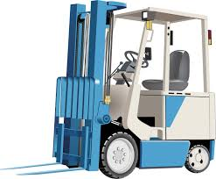 | Machines and Larger equipment
2 | Crane - Carry deck crane | 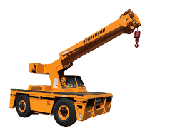
3 | Industrial vacuum cleaner | 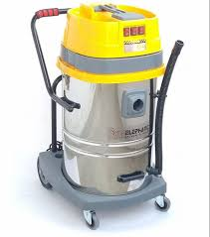
4 | Electric drill press | 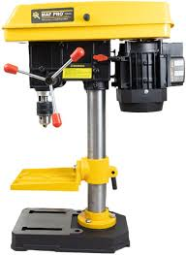
5 | Inspection conveyor belt (for defective/non-defective products) | 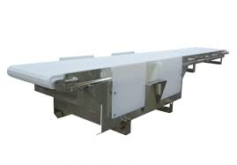
6 | Assembly line belt conveyor | 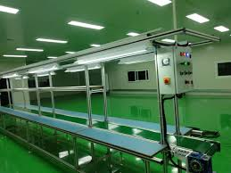
7 | Fully Automated assembly line | 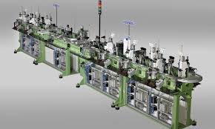
8 | Air duster | 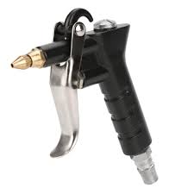
9 | Air compressor for cleaning | 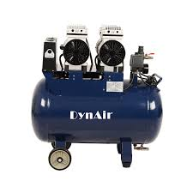
10 | Backup generator | 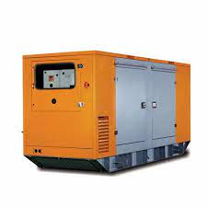
11 | Storage bins | 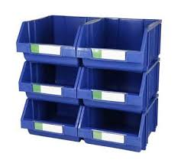 | Storage and material handling
12 | Pre-labeled bins or containers | 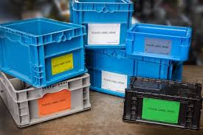
13 | Wooden pallets | 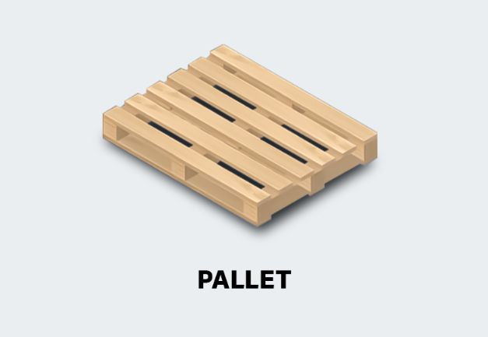
14 | Wooden skids (4"x4") | 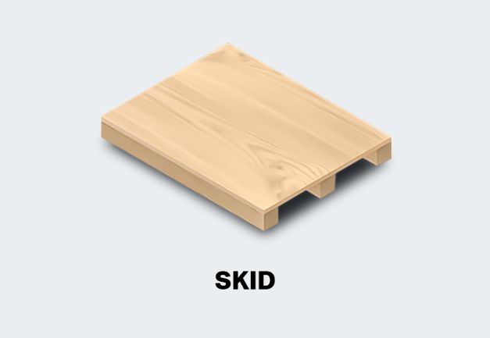
15 | Stackable crates | 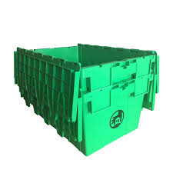
16 | Stackable storage bins | 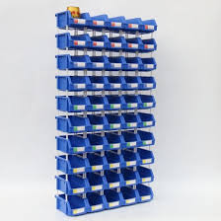
17 | Cardboard boxes
18 | Plastic containers - barrels
19 | Pre-labeled boxes | 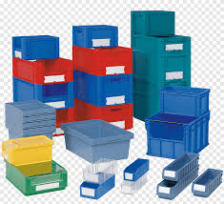
20 | Fire extinguisher | 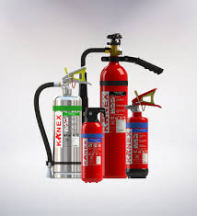 | Safety equipment
21 | First aid kit | 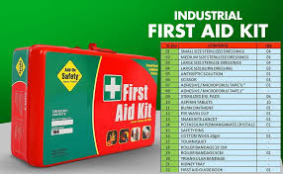
22 | Wire brush | 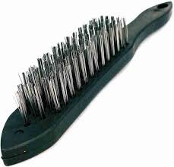
23 | Multimeter | 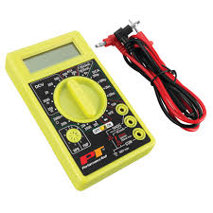
24 | Strapping tensioner and sealer | 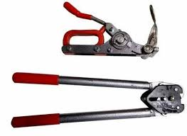
25 | Measuring tape | 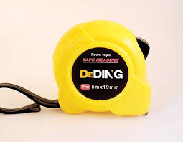 | Measuring tools
26 | Ruler | 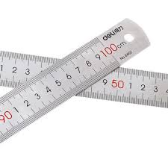
27 | Calipers
28 | Micrometer | 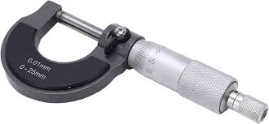
29 | Surface finish tester | 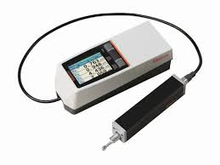
30 | Label maker | 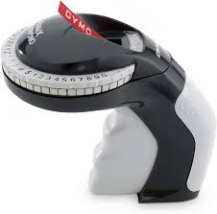
31 | Barcode scanner | 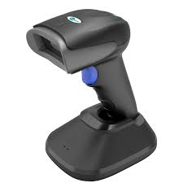
32 | Pallet jack | 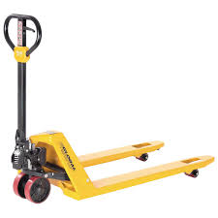
33 | Hand trolley | 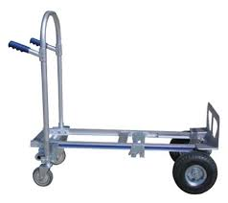
34 | Dolly | 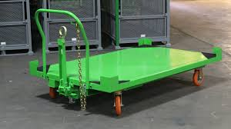
35 | Clamps (C, F, toggle, Ground) |  | Hand tools
36 | Combination screwdriver set | 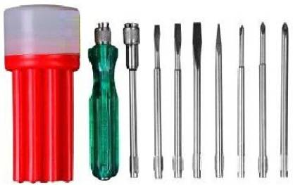
37 | Wrench set | 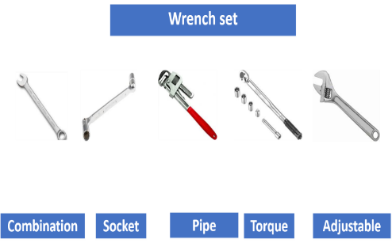
38 | Pliers - Crimping | 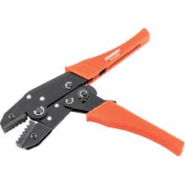
39 | Combination pliers | 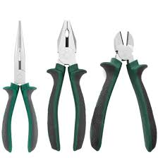
40 | Magnifying glass
41 | Flashlight
42 | Stopwatch (timer) | 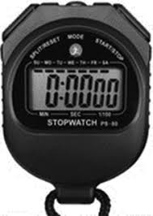
43 | Writing accessories - Pen, pencil, marker Pen |  | Miscellenous
44 | Oil can (for applying lubricant) | 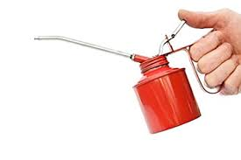
45 | Funnel (for transferring liquids)
46 | Workbench | 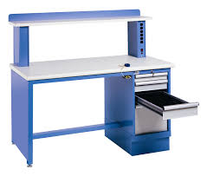
47 | Inspection table | 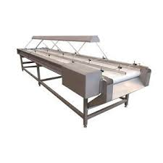
48 | Shelving units | 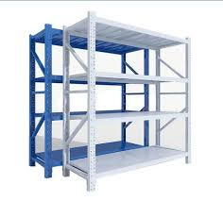
49 | Whiteboard for status display
50 | Labeling station | 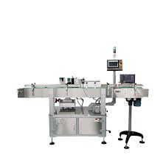
51 | Industrial broom | 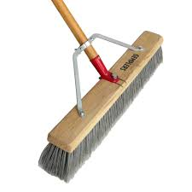 | Cleaning tools
52 | Soft cleaning brush
53 | Dustpan
54 | Mop
55 | Bucket
56 | PPE kit | 