L UL images for lab
 |  | Occupation - Loader and Unloader
 |  | Tools/Equipment/Material list
S No | Tools/Equipment/Material Name | Image
1 | PPE – Hardhat, Safety Shoes, Gloves, Safety goggles, High Visibility Safety Vest, Face Mask, Respirator, Full Body Safety Harness and Lanyards | 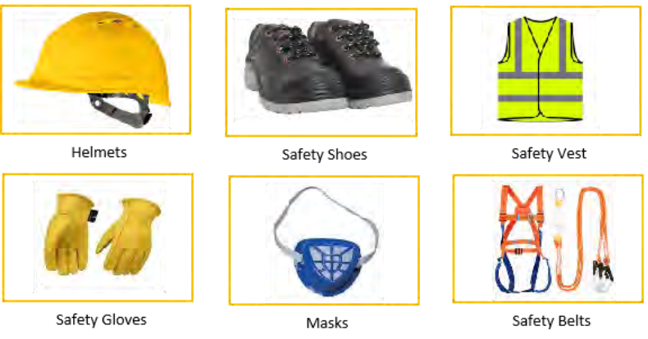
2 | Chemical Protective Suit
3 | Cold Storage Jacket & Gloves | 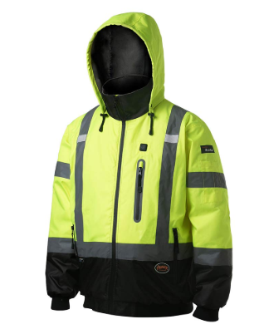 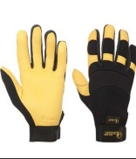
4 | Chemical splash protection goggles | 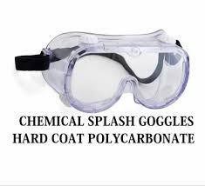
5 | Face shield | 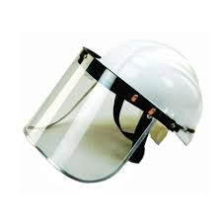
6 | Chemical resistant PVC apron | 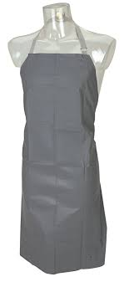
7 | Hydration kit | 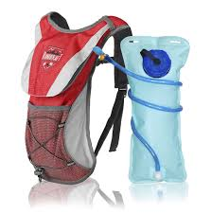
8 | Spill containment kit | 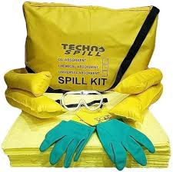
9 | Wooden pallets
10 | Spill containment pallet | 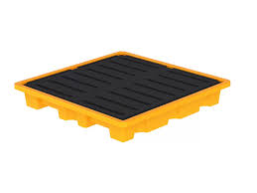
11 | Air cargo pallets | 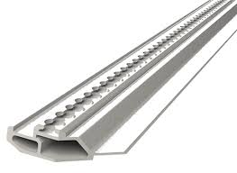
12 | Hand pallet truck/Pallet Jack | 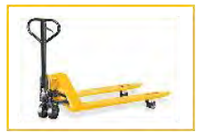
13 | Electric Pallet jack | 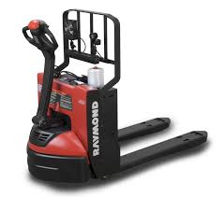
14 | Lithium Battery of electric pallet jack | 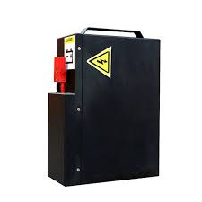
15 | Battery removal/service tool kit(wrench, plier, brush etc.) | 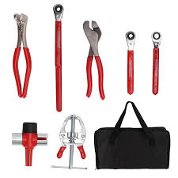
16 | Forklift | 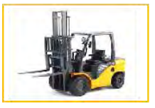
17 | Crane/Hoist | 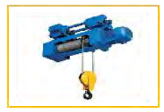
18 | Drum Trolly | 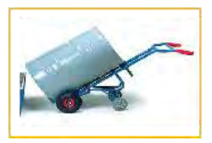
19 | Hand Truck/Trolley | 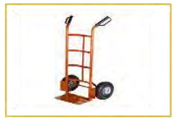
20 | Temperature-controlled/ insulated transport trolleys | 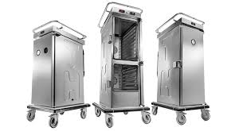 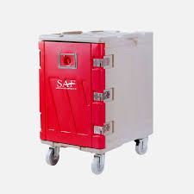
22 | Pallet Strapping Belts/Drum Strapping Belts | 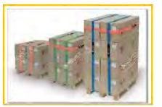 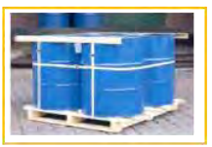
23 | Slings | 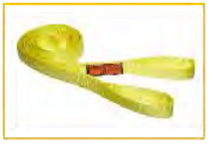
24 | Lashing Straps | 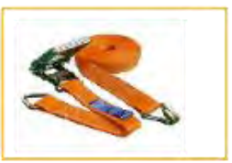
25 | Nylon straps | 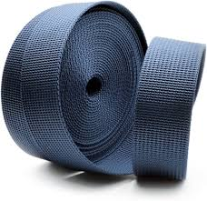
26 | Padding/Bubble Rap/ Packing Peanuts/ Bubble Wrap | 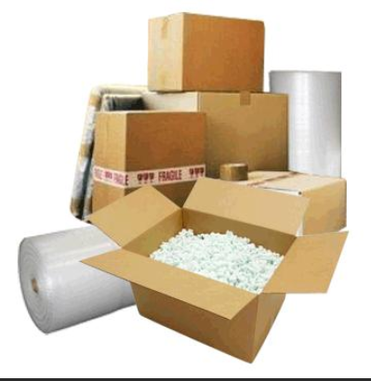
27 | Cargo Nets | 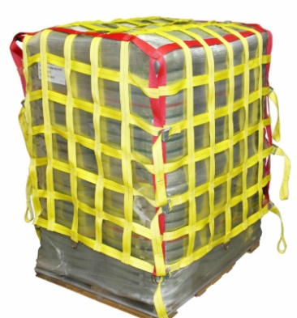
28 | Storage Bins, Plastic crate | 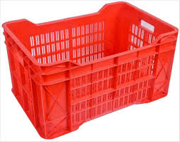
29 | Manual sorting shelves | 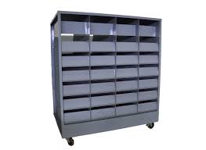
30 | Foam & Rubber Mats, Anti-slip friction mat | 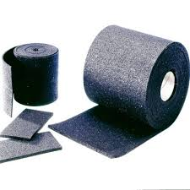
31 | Sturdy Boxes | 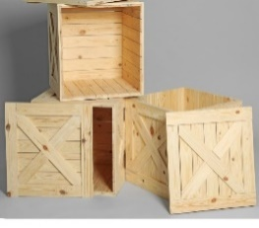
32 | Moving Blankets | 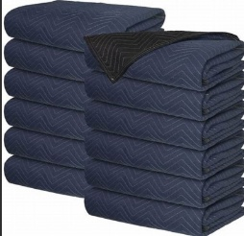
33 | Small Cargo Container | 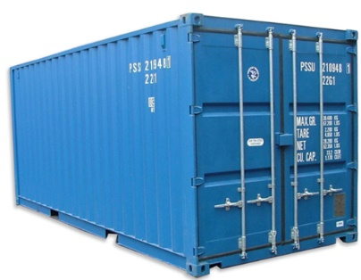
34 | Load bar | 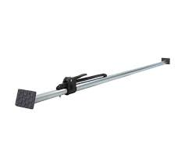
35 | Grounding cables | 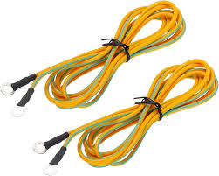
36 | Temperature Monitoring Equipment | 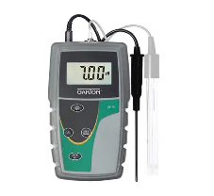
37 | Anti-Static Bags | 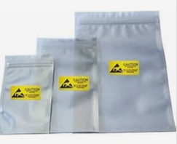
38 | Conveyor | 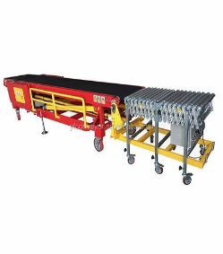 | Manual Conveyer | Make a Stand and Fix a belt on the frame
39 | Weighing machine | 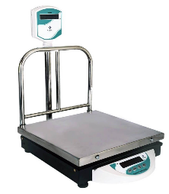
40 | Barcode Scanner | 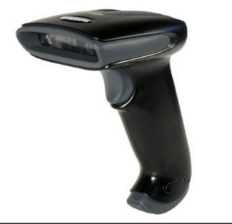
41 | QR code scanner | 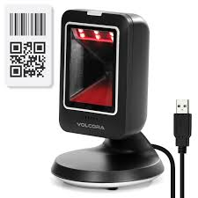
42 | Chocks | 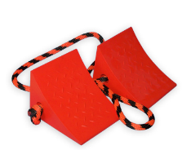
43 | Hammer/Nails | 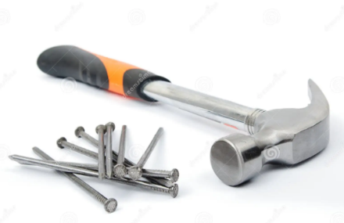
44 | Screwdrivers | 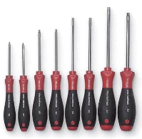
45 | Wrench | 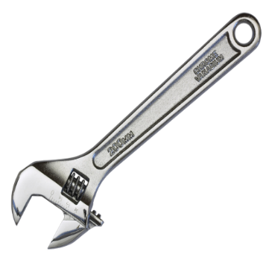
46 | Pliers | 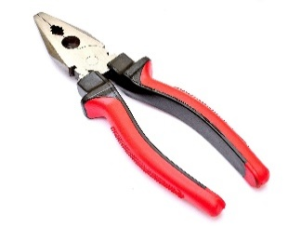
47 | Tape measure | 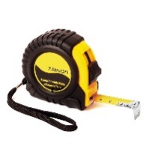
48 | Warehouse Storage Rack | 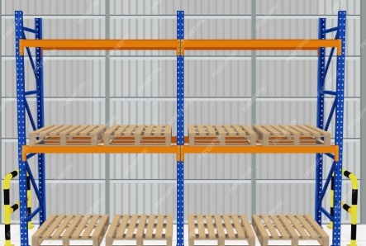
49 | Delivery /Flatbed Truck | 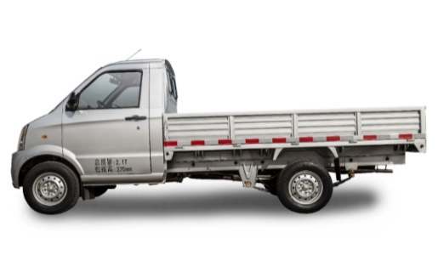
50 | Furniture | 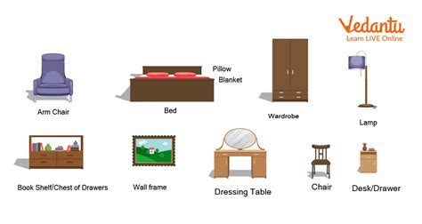
51 | Construction materials (bricks, pipes, cement bags)
52 | Loading/Unloading hose
53 | Chemical transfer pump
54 | Gas Cylinders
55 | Crowbar
56 | Edge protector, Corner protector
57 | Corner boards
58 | Loading Ramp |  | Ramp can be made localy | step and slope can be made for that purpose
59 | Radio (walkie talkie)
60 | Tarpaulin sheet
61 | Shrink wrap roll, stretch wrap roll
62 | Poly propylene and steel strapping
63 | Woven polyester strapping
64 | Dunnage bags
65 | Metal buckles
66 | Strapping tensioner tool
67 | Strap cutter
68 | Dolly
69 | Wheelbarrow
70 | Banding material
71 | Vacuum glass lifter |  | Stand can be Made and fix the suction lifter on it
72 | A-frame glass rack
73 | Suction lifter (for glass)
 | Animal Transport tools/equipment/material
75 | Livestock transport trailer |  | No need of truck.Model can be made instead, the size of model should be big enough to do activity
76 | S flow chute |  | This can be made by using pipes. In s shape | can be requested from minhas
77 | Water trough
78 | Rotating push door livestock gate |  | Can be made from pipe in semi circule shape
79 | Soft sorting paddle for livestock
80 | Non-slip livestock ramp |  | Slope ramp with protection on both side can be made of pipes
81 | Crates of fresh vegetables
82 | Hydraulic lift table
83 | Dock leveler |  | Manual ramp can be made by using pipe. With adjustable slope
84 | Drum racks
85 | Air pump to inflate dunnage bags
86 | Crimper sealer
87 | Waterproof plastic sheet
88 | Anti-slip furniture pads
89 | Hydraulic oil for hydraulic lift table
90 | Desiccant silica gel packs
91 | Fragile load stickers and labels
92 | Meat hooks
93 | Foam inserts
94 | Coil cradle
95 | Traffic cones
96 | Caution/ Barrier tape
97 | Dunplon packing tape
98 | Color coded tapes
99 | Flashlight
100 | Marker pens, Pens, highlighter pens, calculator
101 | Camera
102 | Documents - Delivery schedule, Delivery Logbook, Load sheets, Maintenance log sheet, Site map, Label checklist, inventory list
103 | Damage report form, Driver delivery sheet form, Item list, Cargo manifest, Temperature log sheet
104 | Veterinary checklist form
105 | Mop, bucket with disinfectant
106 | Broom, dust pan, trash bin, Trash bag

