Sheet1
 |  | Occupation - Labeling Worker
 |  | Tools/Equipment/Material list
S No | Tools/Equipment/Material Name | Image
1 | PPE - N-95 mask, Disposable dust mask | 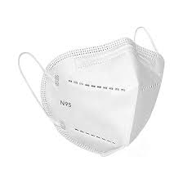
2 | PPE - Disposable nitrile gloves,
3 | Canvas/leather Apron, disposable apron (Polyethylene)
4 | Safety vest | 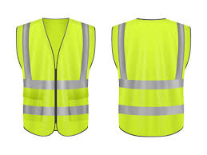
5 | Lab coat
6 | Slip-resistant shoes | 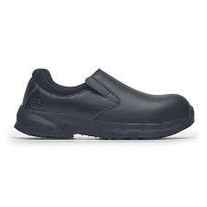
7 | Discounted price stickers | 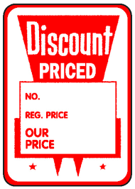 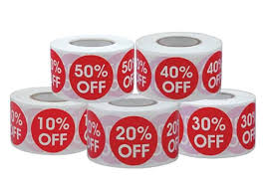
8 | Expiration date stickers, Expiry imminent stickers | 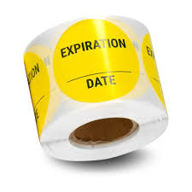
9 | Regular price and discounted price labels, Special offer labels | 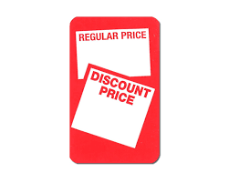
10 | Barcode scanner | 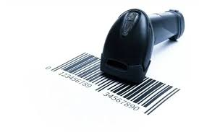
11 | Manual barcode label applicator | 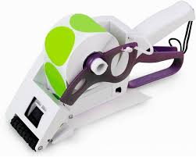
12 | Label applicator machine
13 | "Last day discount" labels
14 | Shelf edge pricing labels | 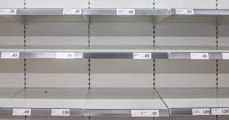 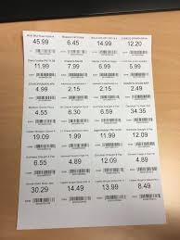
15 | Shelf edge label holder | 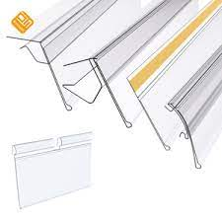
16 | Shelf edge label insertion tool | 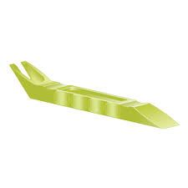
17 | Hand held label applicator | 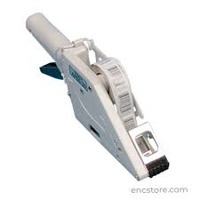
18 | Label printer, POS(Point of Sales) linked label printer, Thermal label printer, Semi automatic label printer | 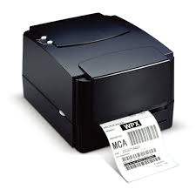 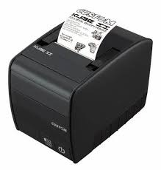
19 | Desktop with inventory software (e.g., SAP/WMS), | 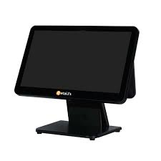
20 | Buy2, get 1 free, buy 1, get 1 free stickers | 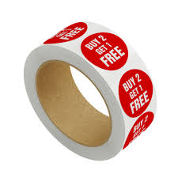 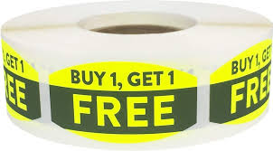
21 | Refrigerated/ambient storage cartons for exotic fruits | 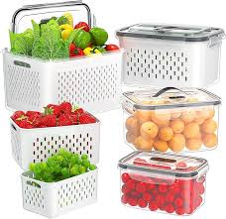
22 | Ink-jet label sheets | 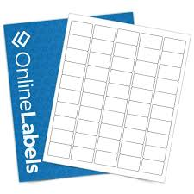
23 | Label printer sticker roll, Thermal label roll | 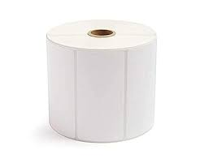
24 | Price tag rolls | 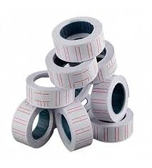
25 | Label remover tool, Sticker label /adhesive remover
26 | Sticker or label /adhesive remover spray | 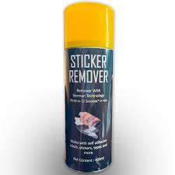
27 | Printer calibration tool | 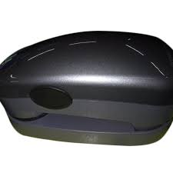
28 | Printer head cleaning swabs | 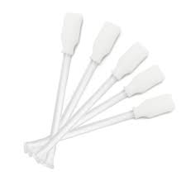
29 | Isopropyl spray | 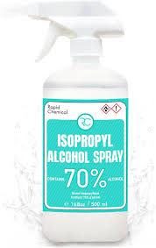
30 | Inspection mirror | 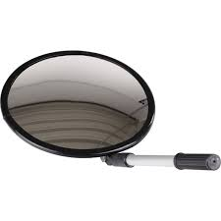
31 | Fragile label, "This side up" label, "handle with care" label, Do not stack | 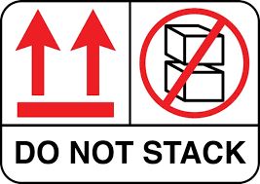
32 | "Urgent" sticker, "QC passed" sticker
33 | "Keep refrigerated" stickers
34 | "temperature range" stickers
35 | Corrugated boxes of different sizes | 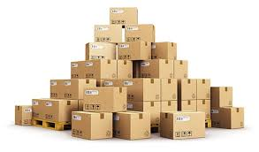
36 | Gel ice packs | 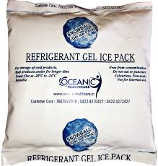
37 | Insulated cold shipping box | 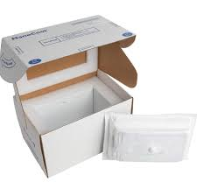 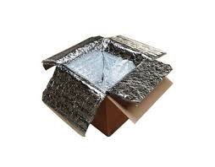
38 | Cleaning wipes | 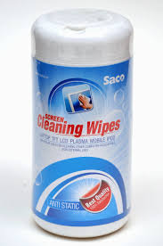
39 | Microfiber cleaning cloth, Lint-free cloth | 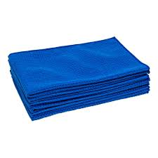
40 | Scissors, Pen
41 | Commercial supermarket refrigerator | 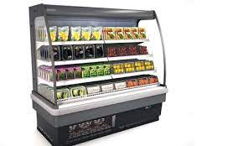
42 | Semi‑automatic bottle labelling machine and label rolls compatible with the same machine | 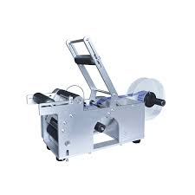
43 | Semi‑automatic jar labelling machine with label roll | 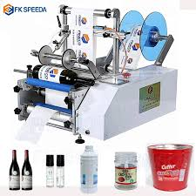
44 | Semi‑automatic pouch labelling machine with label roll | 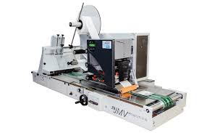
45 | Packaged Items - Mixed‑item food packages (e.g. lunch combo), Exotic fruits (mangoes, dragon fruit, lychee), Fresh-cut exotic vegetables (e.g. microgreens, avocados) packed with short shelf‑life. Snack pouches for labeling
46 | Documents - Price list sheet, Batch date list, Price update logs, Combo price list, Batch manifest, Updated price list or discount sheet, Printed shelf-edge label strips (product name, price, barcode, stock code), Branding labels with logo, Product Stock Keeping Unit (SKU) sheet, Printed barcode labels, Job order paperwork
47 | Waste bin | 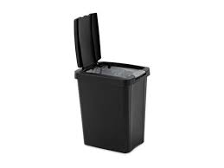
48 | Brush and dustpan
49 | Sanitizing spay | 