Kitchen worker
 |  | Occupation - Kitchen Worker
 |  | Tools/Equipment/Material list
S No | Tools/Equipment/Material Name | Image
1 | PPE - Nitrile gloves, Mask, safety goggles, Face shield
2 | PPE - Hairnet, Apron with hat | 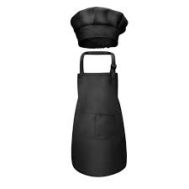
3 | First-aid kit which includes Antiseptic wipes, Sterile bandages, Adhesive Bandages | 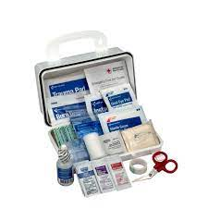
4 | Paring knife | 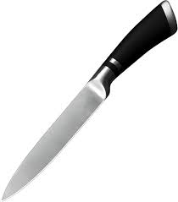
5 | Chef's Knife | 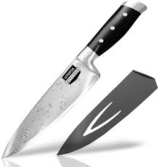
6 | Boning knife
7 | Fillet knife
8 | Tweezers | 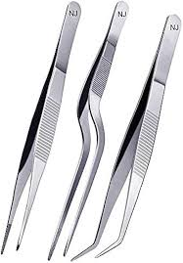
9 | Cutting board
10 | Vegetable peeler
11 | Clay interior tandoor | 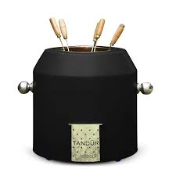
12 | Commercial pots and pans | 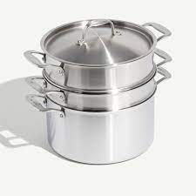
13 | Pot for boiling pasta | 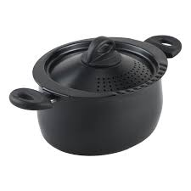
14 | Colander | 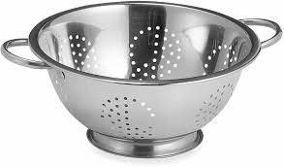
15 | Tray | 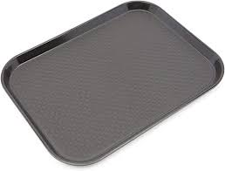
16 | Wooden Pepper mill/Spice grinder
17 | Mortar and Pestle | 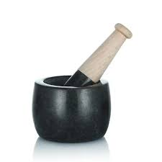
18 | Mixing bowls, serving bowls, Plates and bowls
19 | Measuring spoons, Measuring cups | 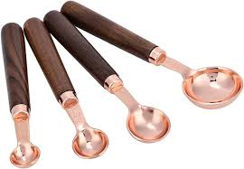 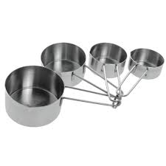
20 | Whisks | 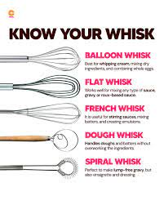
21 | Storage racks/ Pantry shelf, Labled storage bins | 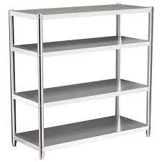 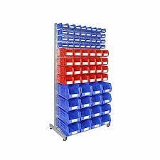
22 | Shallow storage containers, Glass Storage jars, Air tight containers | 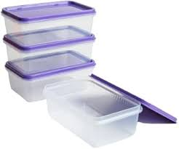
23 | Food storage label stickers
24 | Food safe storage trays | 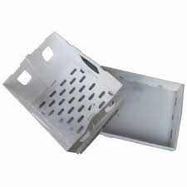
25 | Can opener | 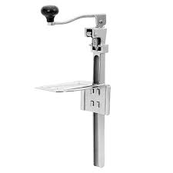
26 | Ziplock bags/food grade plastic bags | 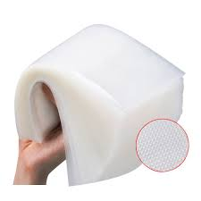
27 | Aluminum foil
28 | Food grade plastic cling wrap
29 | Painter's tape
30 | Thick cardboard boxes
31 | Insulated food-grade boxes | 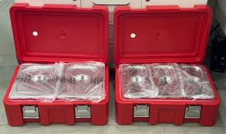
32 | Refrigerator | 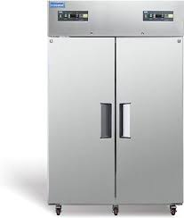
33 | Walk-in refrigerator | 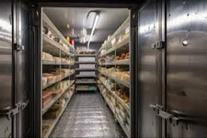
34 | Freezer (chest) | 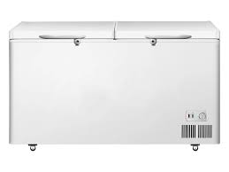
35 | Commercial oven | 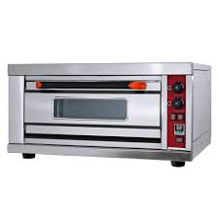
36 | Deep fryer | 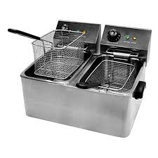
37 | Dishwasher | 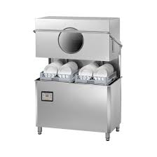
38 | Espresso machine
39 | Food processor/ blender | 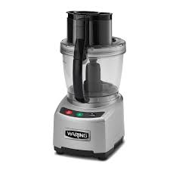
40 | Soda dispenser | 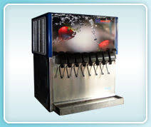
41 | Vacuum cleaner with hose attachment | 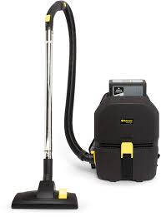
42 | Barbecue grill | 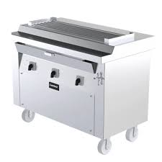
43 | Commercial stovetop | 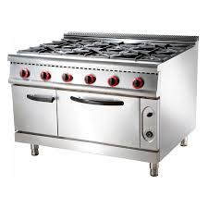
44 | Dough hook | 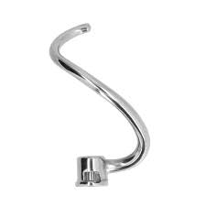
45 | Hand blender | 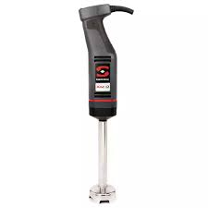
46 | Saucepan | 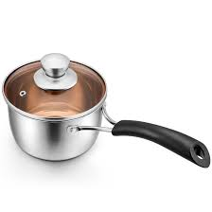
47 | Fine mesh sieve
48 | Wooden spatula/Heat resistant spatula, spoons | 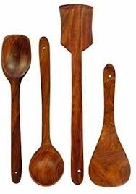
49 | Ladle, Tong | 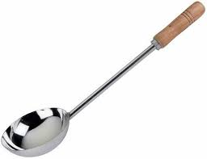 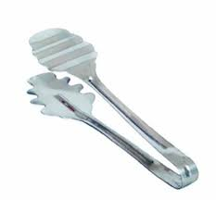
50 | Stepstool
51 | Dish racks
52 | Hooks to dry mops, brooms, wringer etc. | 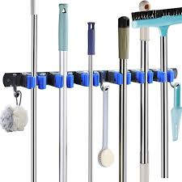
53 | Labeled puncture-resistant sharps container | 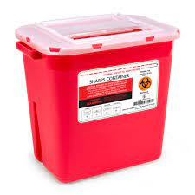
54 | Commercial Kitchen sink with sink trap | 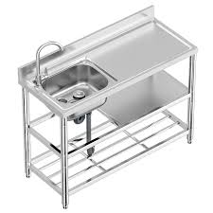
55 | Caution - Wet floor sign
56 | Pre-rinse spray for dishes before dishwashing | 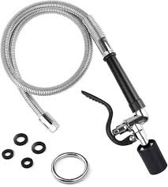
57 | Adjustable Wrench
58 | Sink rubber stopper
59 | Plunger for clearing clogged sink | 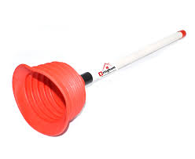
60 | Dry Ingredients - Whole black peppercorns, dried red chilies, Coriander seeds, Unsalted butter, Lemon juice, Heavy cream, salt, olive oil, herbs, All purpose flour, Yeast, pasta, Baking soda, Vinegar
61 | Vegetables/fruits - Lemon, Tomato, Onion, Ginger, Green Chilies, Parsley, Dried fruits, Frozen vegetables
62 | Vacuumed sealed packaged meats
63 | Microfiber cloth, Disinfectant wipes, disposable paper towels, Kitchen towels | 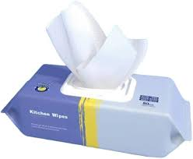 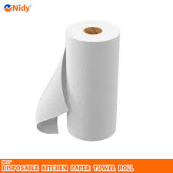
64 | Colored Trash bins | 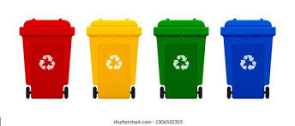
65 | Trashbags
66 | Cleaning brushes, soft brush, Scrub brush, Broom, Dustpan, Scrubbing pads
67 | Non-abrasive sponge | 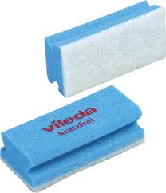
68 | Bucket, Mop, Bucket with wringer | 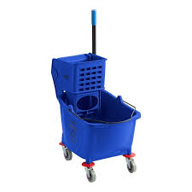
69 | Cleaning agent - Food service degreasers,
70 | Cleaning agents - Food grade washing detergent, Mild detergent, Mild dish soap, Anti bacterial soap, Floor cleaner, Sanitizer solution, Disinfectant spray for sanitizing kitchen bins, Dishwasher detergent, Acid-based drain cleaning powder (e.g. caustic soda)
71 | Descaling solution for coffee machine
72 | Documents/Templates - Order list, Delivery checklist, Printed or digital inventory checklist template, seasonal menu, stock record
73 | Pen, Notepad/tablet, Highlighter, Permenant marker

