Hospital Cleaner
 |  | Occupation - Hospital Cleaner
 |  | Tools/Equipment/Material list
S No | Tools/Equipment/Material Name | Image
1 | PPE - N-95 Mask, safety goggles, face shield | 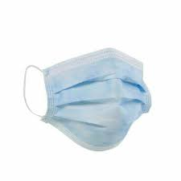
2 | Disposable shoe cover | 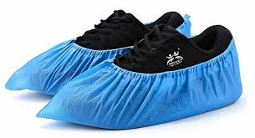
3 | Disposable latex gloves, Nitrile gloves, chemical resistant gloves ( Nitrile or butyl gloves) | 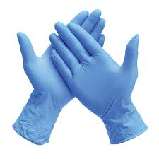 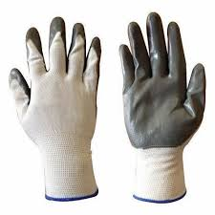
4 | PVC chemical resistant apron, disposable apron | 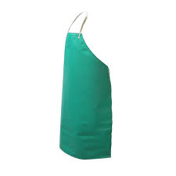
5 | Bouffant disposable hair net | 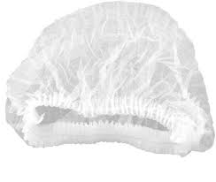
6 | Waterproof disposable gown | 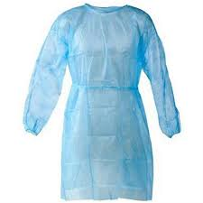
7 | Rubber waterproof boots, Closed toe safety shoes | 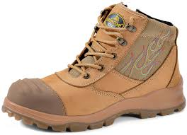 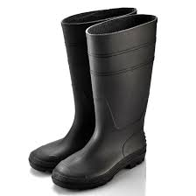
8 | Plastic funnel | 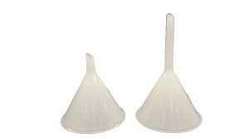
9 | Sealable evidence bag | 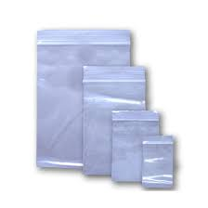
10 | Pre-printed barcoded labels | 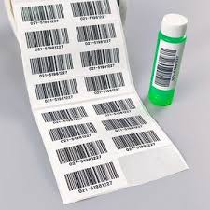
11 | Weighing scale | 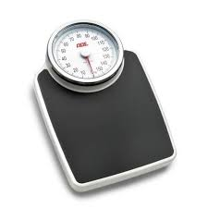
12 | Stopwatch | 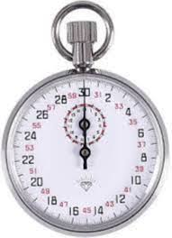
13 | "Caution - Sluice area" sign | 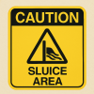
14 | "Caution - Wet floor" sign | 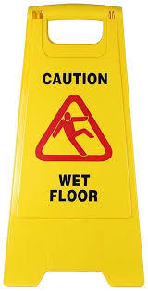
15 | Caution - "Biohazard clean up in progress" sign | 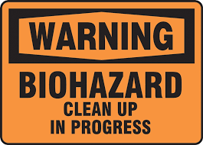
16 | Caution - "Cleaning in progress" sign | 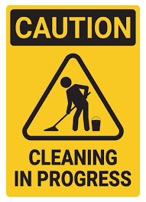
17 | Garbage liner | 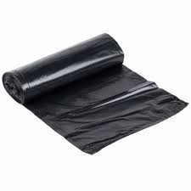
18 | Bedpan liner | 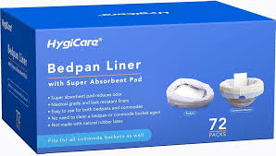
19 | Trash picker tool | 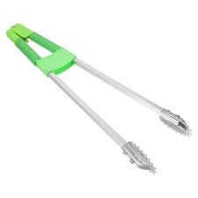
20 | Litter picker stick | 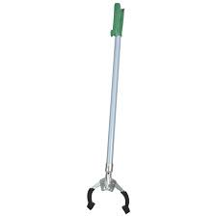
21 | Drain cover lifting hook | 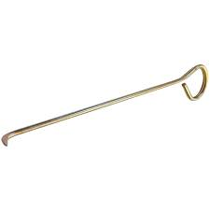
22 | Food waste cart | 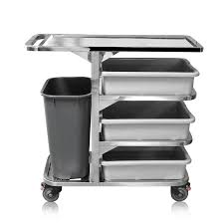
23 | Food waste clearance cart with lid | 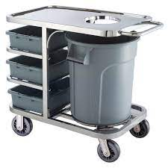
24 | Spill absorbent granules and powder | 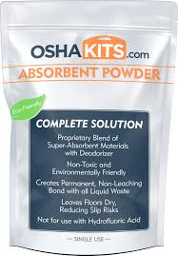
25 | Biohazard spill kit (absorbent granules, disposable scoop, clinical waste bag, disinfectant wipes) | 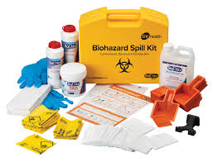
26 | Vomit spill kit (absorbent powder, scoop, disposable towels, disinfectant, clinical waste bag) | 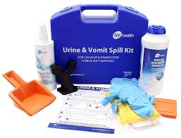
27 | Underbed access grabber/Reacher tool | 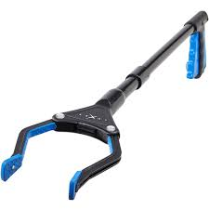
28 | Hand rub refill bottle, wall mounted sanitizer spray bottle | 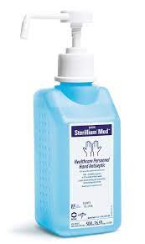
29 | Cockroach trap box | 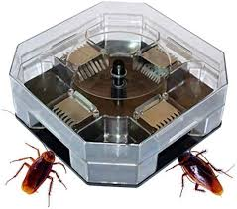
30 | Rodent bait box | 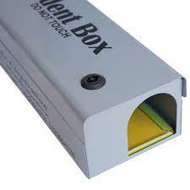
31 | Sticky pads/traps | 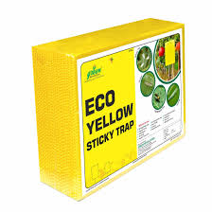
32 | Rubber tipped forceps for mouse handling/ Tong for mouse handling | 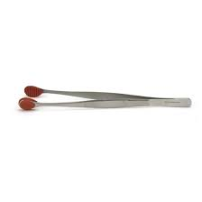 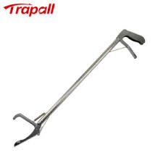
33 | Flashlight | 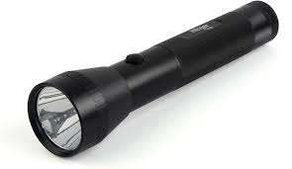
34 | Sharps waste container, White puncture proof container | 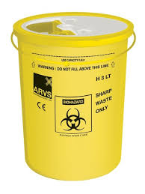 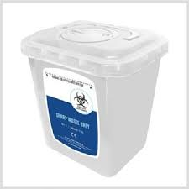
35 | Biohazard waste red bin with lid, yellow bin with lid
36 | Tool discard bin | 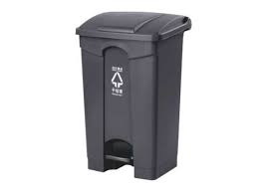
37 | Green general waste bin | 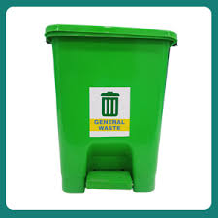
38 | Blue cardboard box with liner | 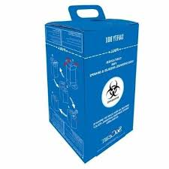
39 | Waste trolley to carry different bins | 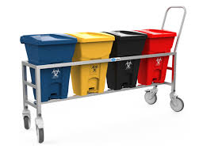
40 | Single bin trolley, Two-basket trolley system | 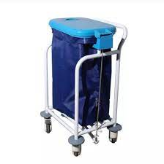 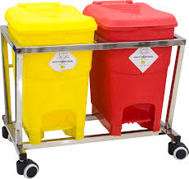
41 | Stainless steel injection tray | 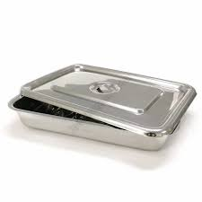
42 | Medical trolley, trolley with compartments | 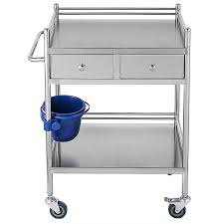
43 | Emergency crash cart | 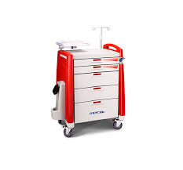
44 | Cotton swab | 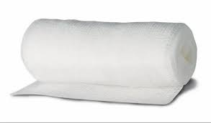 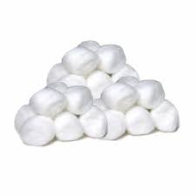
45 | Color coded labels for tools | 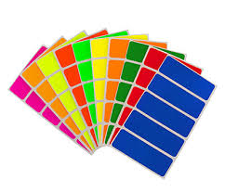
46 | Tool storage rack, Drying rack for mops after disinfecting
47 | Glass scraper blade
48 | Vomit bowl
49 | Urine bottle
50 | Sluice washing sink
51 | Automatic bedpan washer
52 | Vacuum cleaner
53 | Blue light fly killer
54 | Step ladder
55 | Microfiber cloth, Microfiber hand duster
56 | Lint-free cloth
57 | Disposable towel
58 | Drainage cleaning rod
59 | Plunger
60 | Flexible bathroom drain brush with straw cleaning brush
61 | Brush to clean blue light fly killer
62 | Hand brush with soft bristles
63 | Long handled brush
64 | Broom with upright dustpan
65 | Mop with extendible handle
66 | Telescopic mop handle
67 | Measuring cup
68 | Clean labeled container
69 | Closed laundry trolley with red biohazard and blue liner
70 | Yellow infectious waste bags, Red and blue waste bags
71 | Red and Blue soiled linen disposable bags
72 | Blue and red linen collection trolleys
73 | Linen inspection table with bright overhead light
74 | Soft scrub pads
75 | Clipboard
76 | 70% Isopropyl alcohol wipes, Anti-microbial wipes (70% IPA)
77 | Computer safe disinfectant spray
78 | Non-toxic pest control spray
79 | Documents/Books - Cleaning supply checklist, housekeeping logbook, Inspection checklist, Cleaning equipment logbook, Visual inspection checklist, Item log register or digital entry app, Damaged linen register, Waste transfer register, Hospital waste register, Pest reporting form, Linen checklist sheet, Linen room logbook, Pest reporting form, Dispenser log sheet, Tool repair logbook
80 | Bucket, Permanent marker, Tub with lid
81 | Disinfectant - Hospital-grade quaternary ammonium disinfectant, Peracetic acid disinfectant, Non-alcohol-based disinfectant, Alcohol based hand rub
82 | Bleach - 1% sodium hypochlorite (bleach) solution, 5% sodium hypochlorite (bleach) stock solution
83 | Sprays - Air freshener spray, Odor neutralizer spray, Non-corrosive disinfectant spray, 70% alcohol spray, 70% ethanol spray, Glass cleaner spray
84 | Cleaning agents - Neutral detergent, disinfectant liquid, Floor cleaning liquid, mild detergent, Chlorine-based disinfectant, Neutral pH detergent, Wood safe surface cleaner, Fabric safe upholstery cleaner, Degreasing cleaner, Glass cleaner

