Heavy Truck Driver
Sector Name | Occupation name | Equipment name | Minimum number of equipment required (per batch of 30 trainees) | Unit type | Images
 | Heavy Truck Driver | Clean rag or paper towel
 | Heavy Truck Driver | Personal Protective Equipment (PPE) including Gloves, Safety glasses, Steel-toed boots, Hi-visibility vest, hard hat, ear protection |  |  | 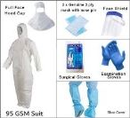
 | Heavy Truck Driver | Owner's manual
 | Heavy Truck Driver | Dipstick |  |  | 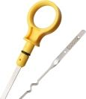
 | Heavy Truck Driver | Loader truck |  |  | 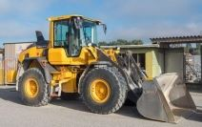
 | Heavy Truck Driver | Clean rags or shop towels
 | Heavy Truck Driver | Flashlight or headlamp |  |  | 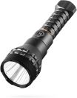
 | Heavy Truck Driver | Screwdriver or wrench |  |  | 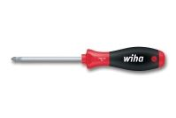
 | Heavy Truck Driver | Overalls or work clothes
 | Heavy Truck Driver | Excavator operator manual
 | Heavy Truck Driver | Degreaser or solvent |  |  | 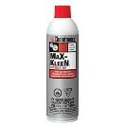
 | Heavy Truck Driver | Torque wrench |  |  | 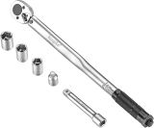
 | Heavy Truck Driver | Excavator
 | Heavy Truck Driver | Inspection mirror |  |  | 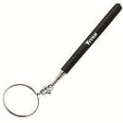
 | Heavy Truck Driver | Soap solution or leak detection spray
 | Heavy Truck Driver | Notebook and pen/digital device |  |  | 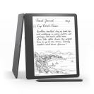
 | Heavy Truck Driver | Lockout/Tagout (LOTO) kit |  |  | 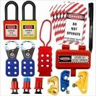
 | Heavy Truck Driver | Screwdrivers
 | Heavy Truck Driver | Insulation tester
 | Heavy Truck Driver | Bulldozer
 | Heavy Truck Driver | Air compressor with blower attachment |  |  | 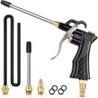
 | Heavy Truck Driver | Soft brush or radiator comb |  |  | 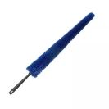
 | Heavy Truck Driver | Garden hose with adjustable nozzle |  |  | 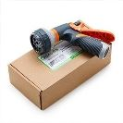
 | Heavy Truck Driver | Degreaser |  |  | 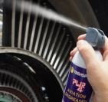
 | Heavy Truck Driver | Loader |  |  | 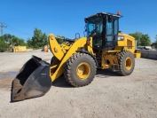
 | Heavy Truck Driver | Soft-bristled brush |  |  | 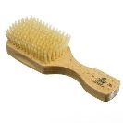
 | Heavy Truck Driver | Compressed air
 | Heavy Truck Driver | Vacuum cleaner
 | Heavy Truck Driver | Dust mask |  |  | 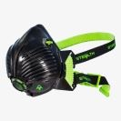
 | Heavy Truck Driver | Forklift |  |  | 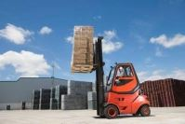
 | Heavy Truck Driver | Wrenches or pliers |  |  | 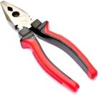
 | Heavy Truck Driver | Container or drain pan
 | Heavy Truck Driver | New gasket or O-ring |  |  | 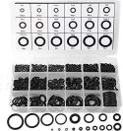
 | Heavy Truck Driver | Coveralls
 | Heavy Truck Driver | Dial indicator |  |  | 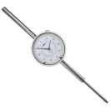
 | Heavy Truck Driver | Brake line pressure gauge |  |  | 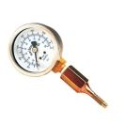
 | Heavy Truck Driver | Creeper |  |  | 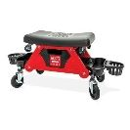
 | Heavy Truck Driver | Measuring tape or caliper |  |  | 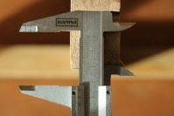
 | Heavy Truck Driver | Manufacturer's specifications
 | Heavy Truck Driver | Camera or smartphone
 | Heavy Truck Driver | Safety wire and pliers |  |  | 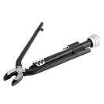
 | Heavy Truck Driver | Replacement gasket or O-ring |  |  | 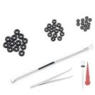
 | Heavy Truck Driver | Safety funnel
 | Heavy Truck Driver | Wooden blocks or heavy-duty rubber pads |  |  | 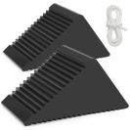
 | Heavy Truck Driver | Hydraulic jack |  |  | 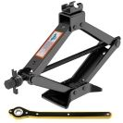
 | Heavy Truck Driver | Wheel chocks |  |  | 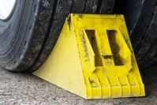
 | Heavy Truck Driver | Maps, drawings, or GPS
 | Heavy Truck Driver | Phone or computer
 | Heavy Truck Driver | Flagging tape or markers |  |  | 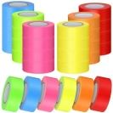
 | Heavy Truck Driver | Route maps or GPS
 | Heavy Truck Driver | Two-way radios
 | Heavy Truck Driver | Reflectors
 | Heavy Truck Driver | Ladder or step stool
 | Heavy Truck Driver | Adhesive
 | Heavy Truck Driver | Tape measure
 | Heavy Truck Driver | Loading Ramp |  |  | 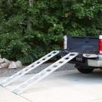
 | Heavy Truck Driver | Tie-down Straps or Chains |  |  | 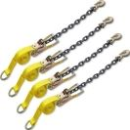
 | Heavy Truck Driver | Lifting equipment
 | Heavy Truck Driver | Transport Vehicle
 | Heavy Truck Driver | Binders or turnbuckles |  |  | 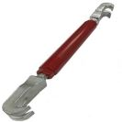
 | Heavy Truck Driver | Edge protectors |  |  | 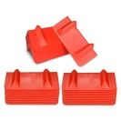
 | Heavy Truck Driver | Safety pins or locking devices |  | 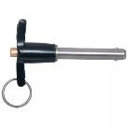
 | Heavy Truck Driver | Bucket
 | Heavy Truck Driver | Clean water
 | Heavy Truck Driver | Squeegee |  |  | 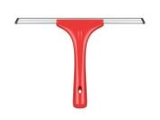
 | Heavy Truck Driver | Microfiber cloths or towels
 | Heavy Truck Driver | Cleaning solution
 | Heavy Truck Driver | Ladder or platform
 | Heavy Truck Driver | Extension pole
 | Heavy Truck Driver | New fire extinguisher |  |  | 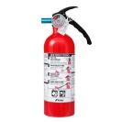
 | Heavy Truck Driver | Mounting bracket or straps |  |  | 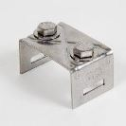
 | Heavy Truck Driver | Hydrometer |  |  | 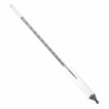
 | Heavy Truck Driver | Distilled water
 | Heavy Truck Driver | Watering can or turkey baster
 | Heavy Truck Driver | Grader |  |  | 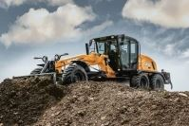
 | Heavy Truck Driver | Sound level meter |  |  | 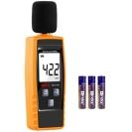
 | Heavy Truck Driver | Stethoscope
 | Heavy Truck Driver | Tire pressure gauge |  |  | 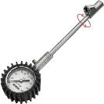
 | Heavy Truck Driver | Grease fitting tool or removal tool |  |  | 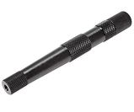
 | Heavy Truck Driver | New grease fitting |  |  | 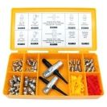
 | Heavy Truck Driver | New mirror or frame
 | Heavy Truck Driver | Cleaning supplies
 | Heavy Truck Driver | Multimeter or test light
 | Heavy Truck Driver | Insulated tools |  |  | 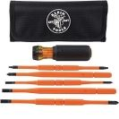
 | Heavy Truck Driver | Tubing cutter |  |  | 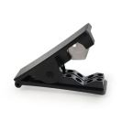
 | Heavy Truck Driver | New air line
 | Heavy Truck Driver | New fittings
 | Heavy Truck Driver | Thread sealant |  |  | 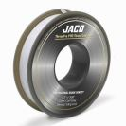
 | Heavy Truck Driver | Replacement fuses |  |  | 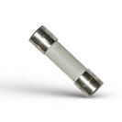
 | Heavy Truck Driver | Electrical tape |  |  | 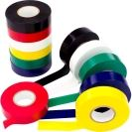
 | Heavy Truck Driver | Protective Cover
 | Heavy Truck Driver | Securing Materials
 | Heavy Truck Driver | Soft cloths or sponges
 | Heavy Truck Driver | Window cleaner
 | Heavy Truck Driver | Bungee cords, rope, or straps
 | Heavy Truck Driver | Punch set |  |  | 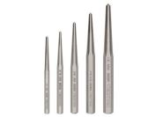
 | Heavy Truck Driver | Replacement bushings and pins
 | Heavy Truck Driver | Pressure washer
 | Heavy Truck Driver | Shovel or scraper
 | Heavy Truck Driver | Long-handled brush
 | Heavy Truck Driver | Warning flags
 | Heavy Truck Driver | Zip ties or mounting brackets
 | Heavy Truck Driver | New hydraulic hose
 | Heavy Truck Driver | New hose fittings
 | Heavy Truck Driver | Hydraulic fluid
 | Heavy Truck Driver | Wrenches and sockets
 | Heavy Truck Driver | Transport securing equipment (Chains, straps, binders, or other approved securing methods)
 | Heavy Truck Driver | Personal Protective Equipment (PPE) (Gloves, Safety glasses, Steel-toed boots, Hi-visibility vest, Hard hat, Ear protection)
 | Heavy Truck Driver | Survey Equipment (Laser level or transit, measuring tape, stakes, and marking paint/chalk)
 | Heavy Truck Driver | Compaction Equipment (Plate compactor or roller)
 | Heavy Truck Driver | Wheel loader
 | Heavy Truck Driver | Operator's Manual
 | Heavy Truck Driver | Grade stakes
 | Heavy Truck Driver | Uneven ground
 | Heavy Truck Driver | Ground
 | Heavy Truck Driver | Soft ground
 | Heavy Truck Driver | Attachment manual
 | Heavy Truck Driver | Boom and Arm
 | Heavy Truck Driver | Locking pins
 | Heavy Truck Driver | Hammer or mallet
 | Heavy Truck Driver | Grease gun
 | Heavy Truck Driver | Hydraulic quick couplers
 | Heavy Truck Driver | Warning signs or cones
 | Heavy Truck Driver | Lockout/tagout equipment
 | Heavy Truck Driver | Dump Trucks or Containers
 | Heavy Truck Driver | Ripper attachment
 | Heavy Truck Driver | Leveling rod
 | Heavy Truck Driver | Motor grader
 | Heavy Truck Driver | Waste dump

