Hairdresser
Sector name | Occupation name | Equipment name | Minimum number of equipment required (per batch of 30 trainees) | Unit type | Images
 | Hairdresser | Aftershave Balm |  |  | 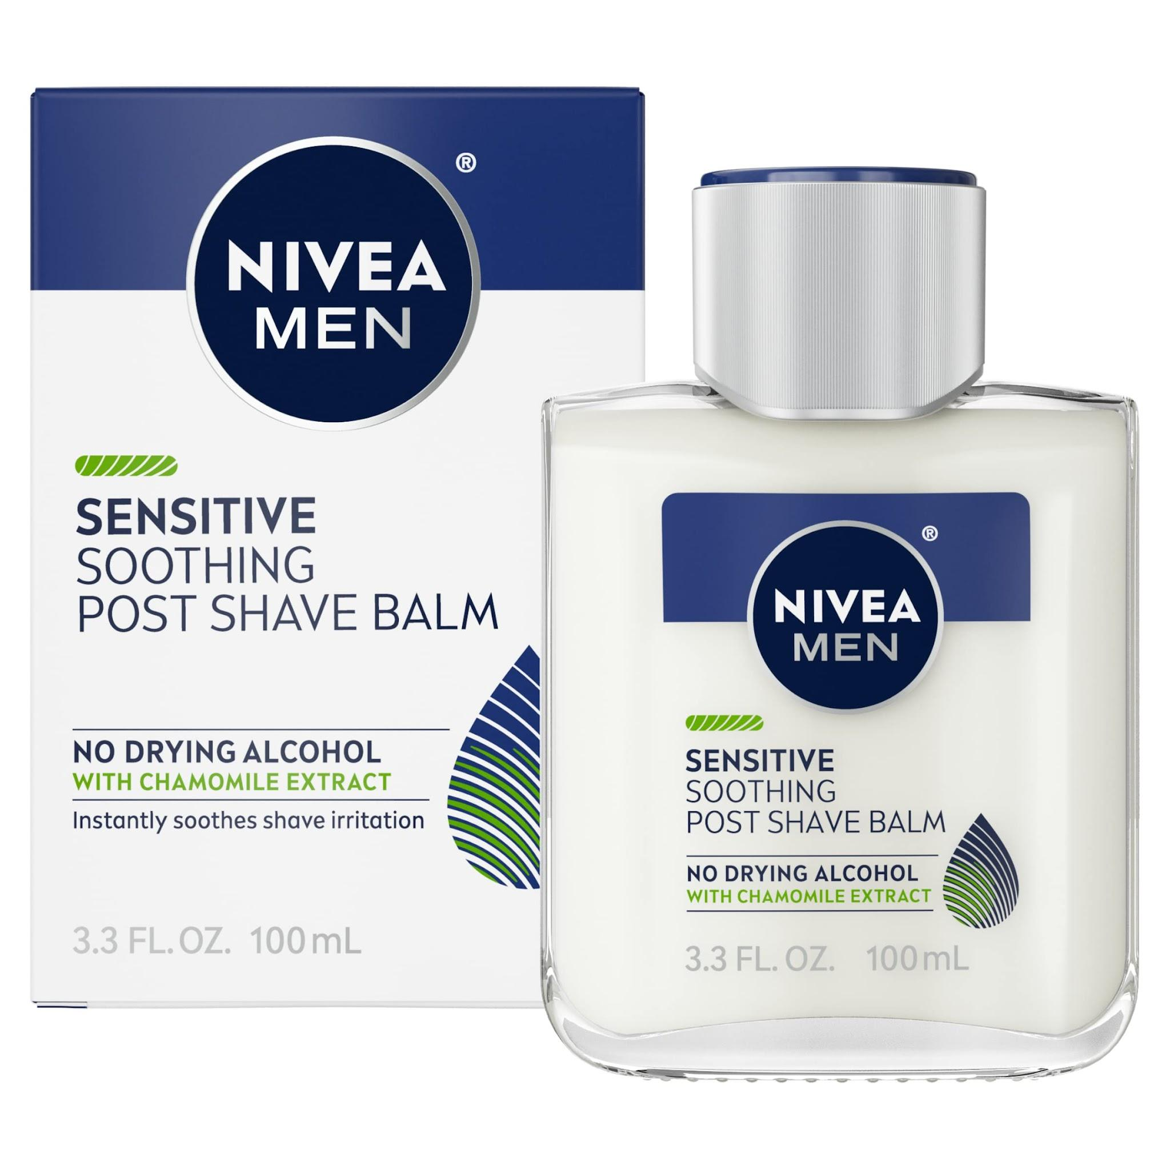
 | Hairdresser | Alcohol Swabs |  |  | 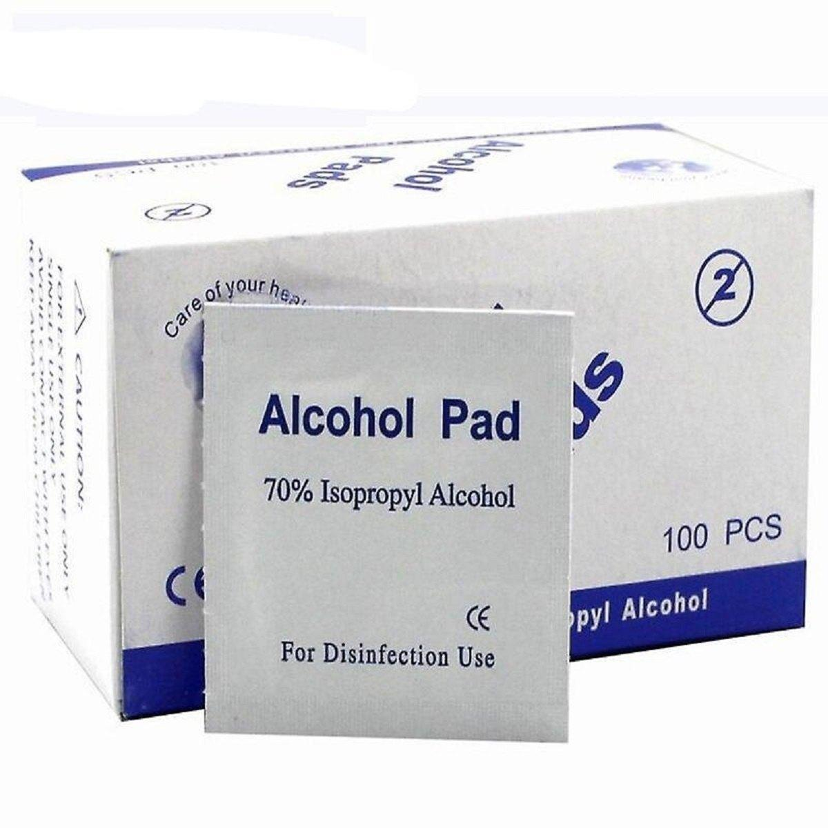
 | Hairdresser | Analysis Software
 | Hairdresser | Antibacterial Soap |  |  | 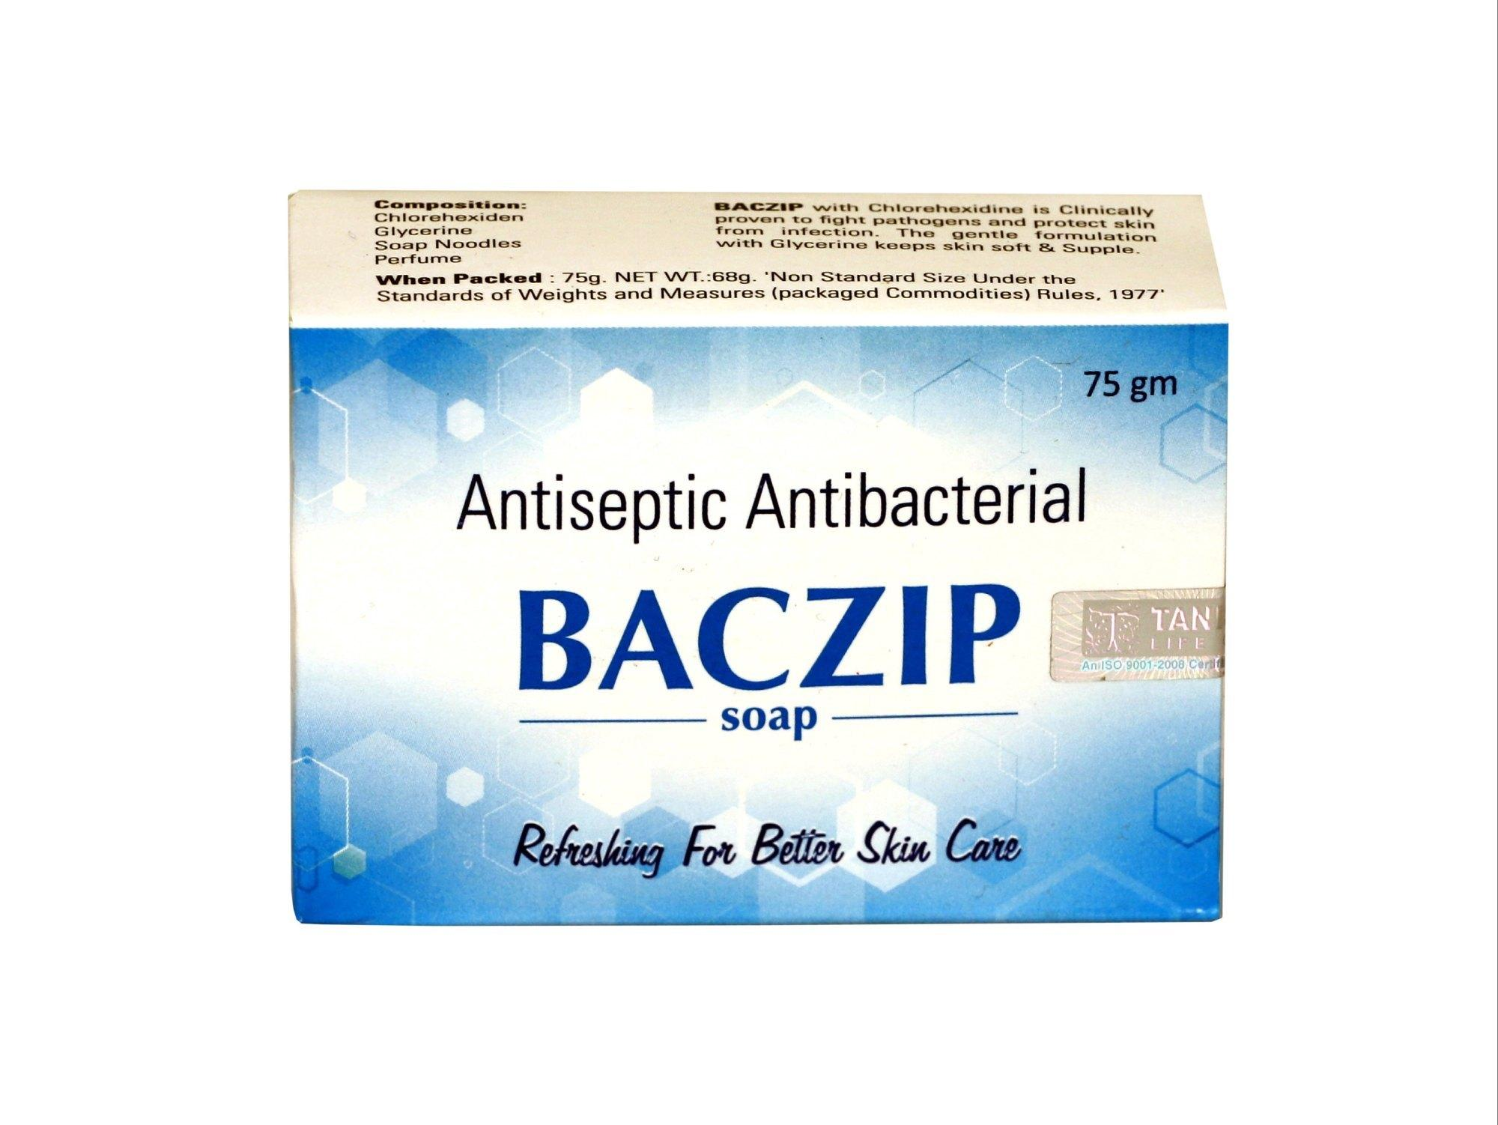
 | Hairdresser | Anti-Dandruff Treatment |  |  | 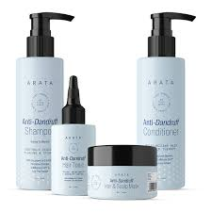
 | Hairdresser | Anti-Frizz Serum |  |  | 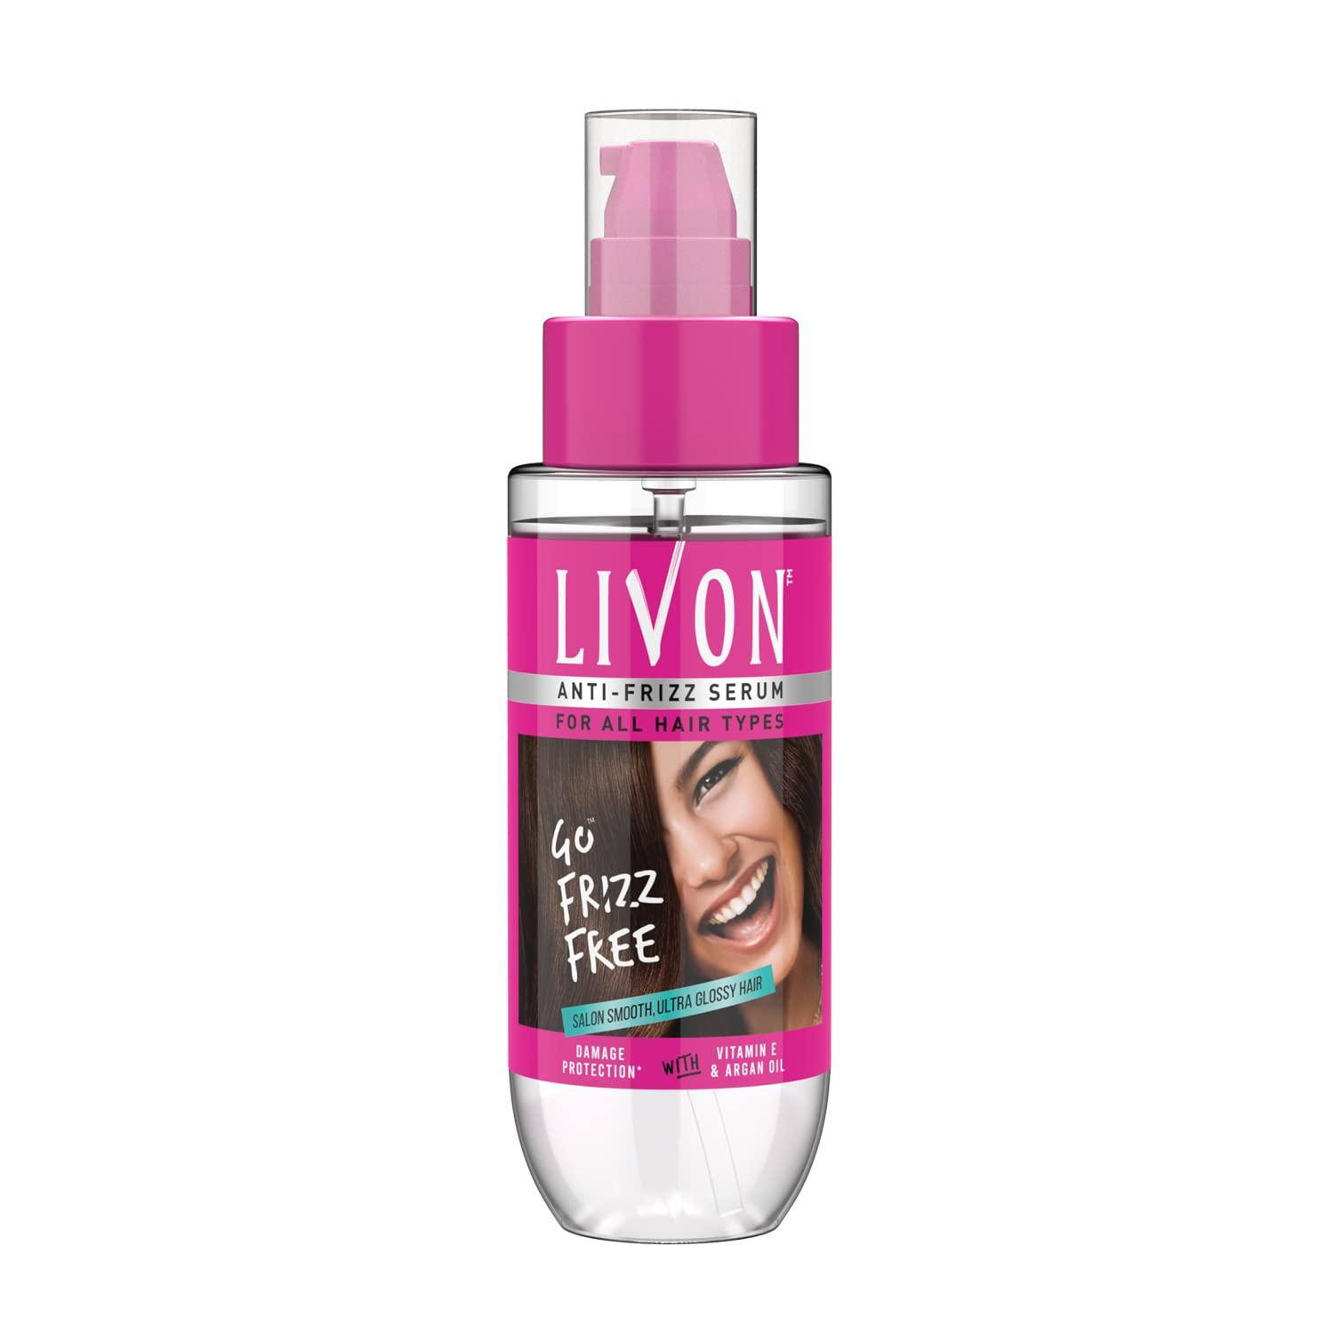
 | Hairdresser | Anti-Humidity Spray |  |  | 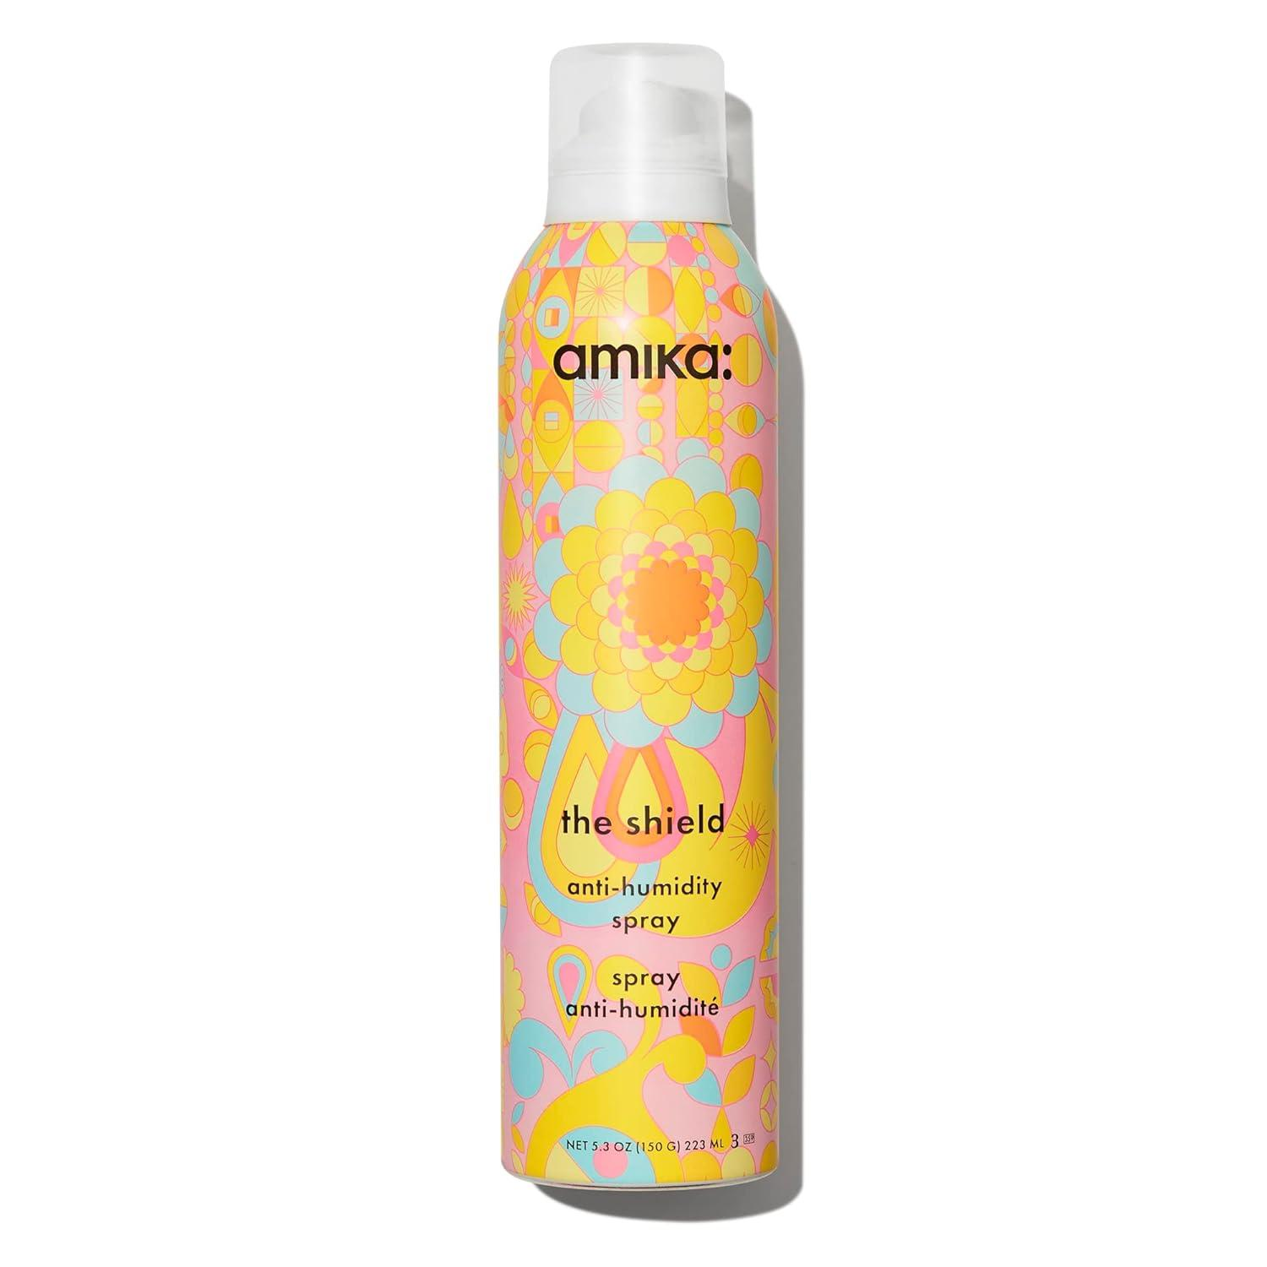
 | Hairdresser | Antiseptic Wipes |  |  | 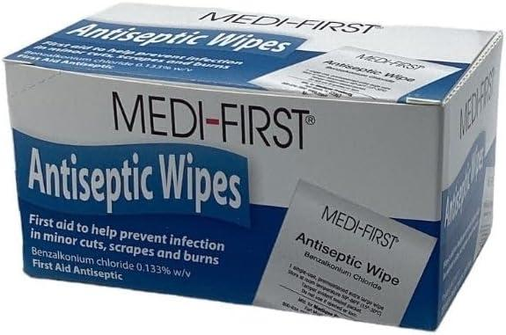
 | Hairdresser | Application Brush |  |  | 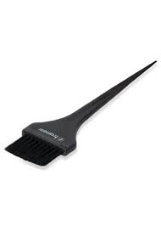
 | Hairdresser | Argan Oil |  |  | 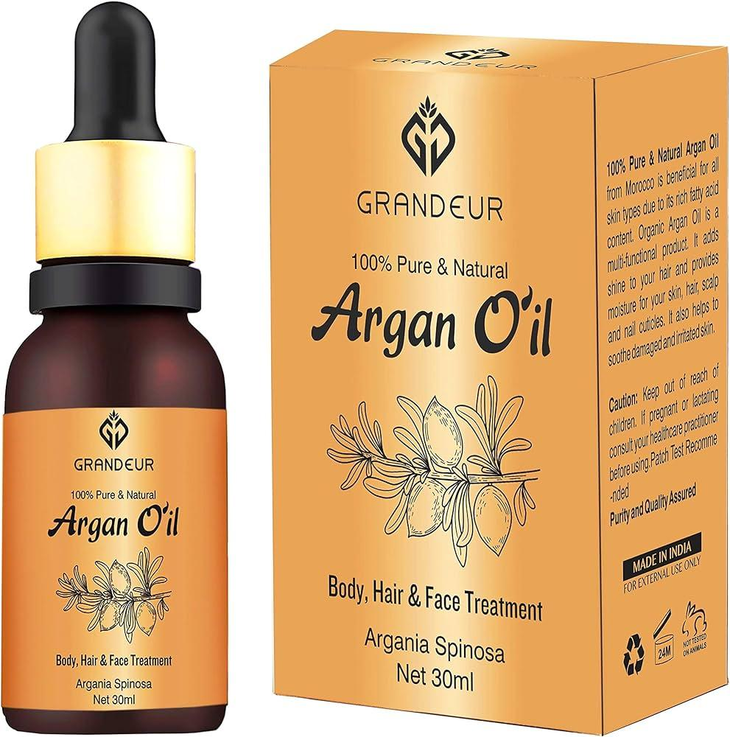
 | Hairdresser | Balancing Shampoo |  |  | 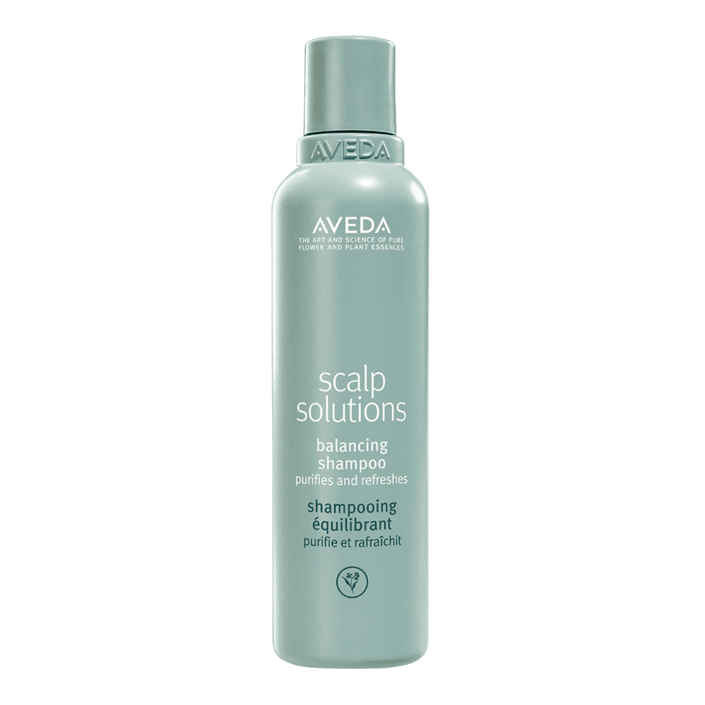
 | Hairdresser | Bandages |  |  | 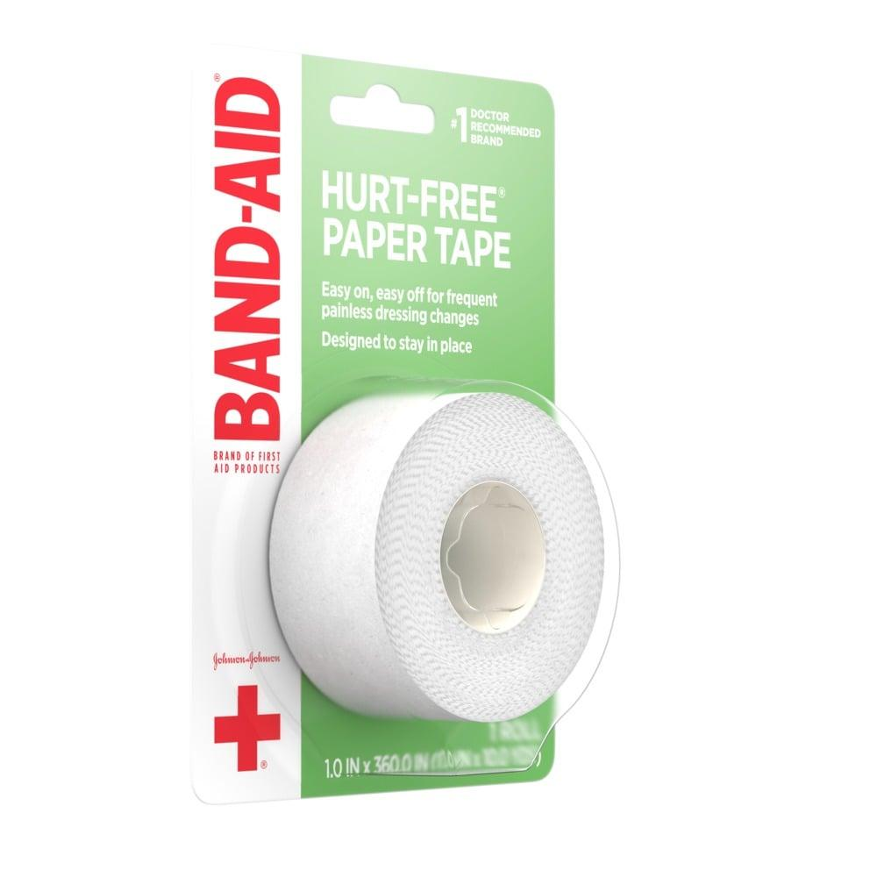
 | Hairdresser | Barbicide |  |  | 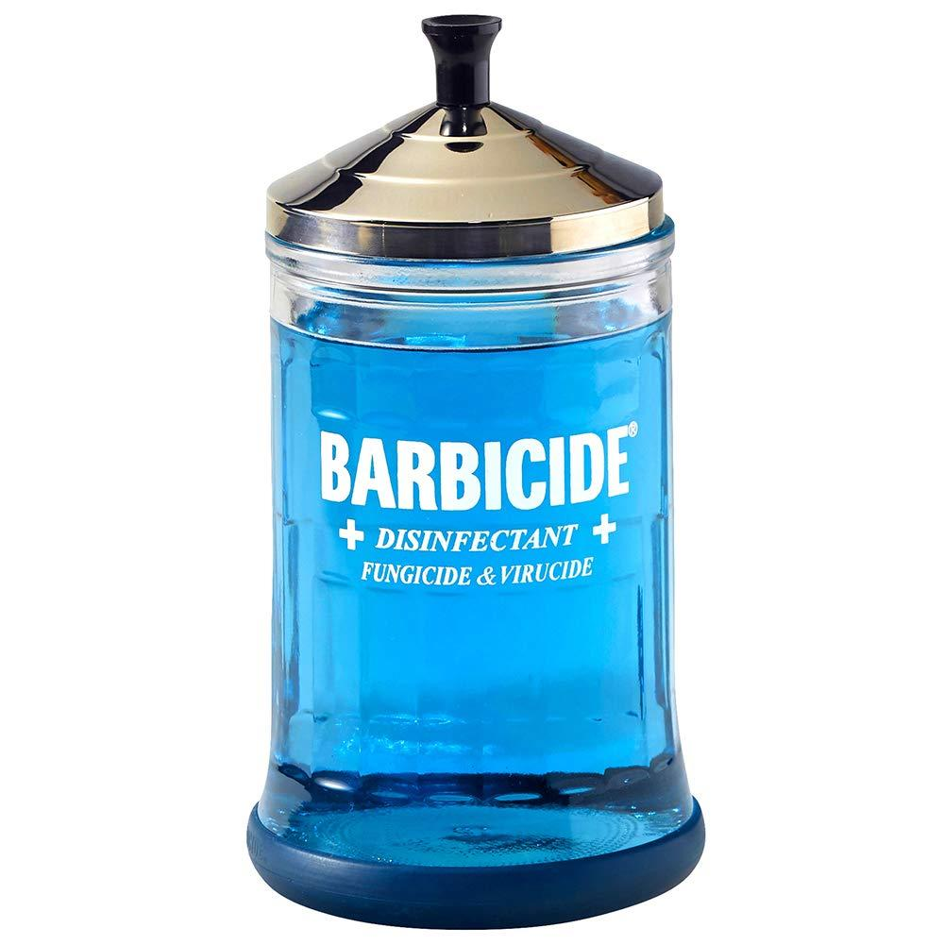
 | Hairdresser | Bleach |  |  |  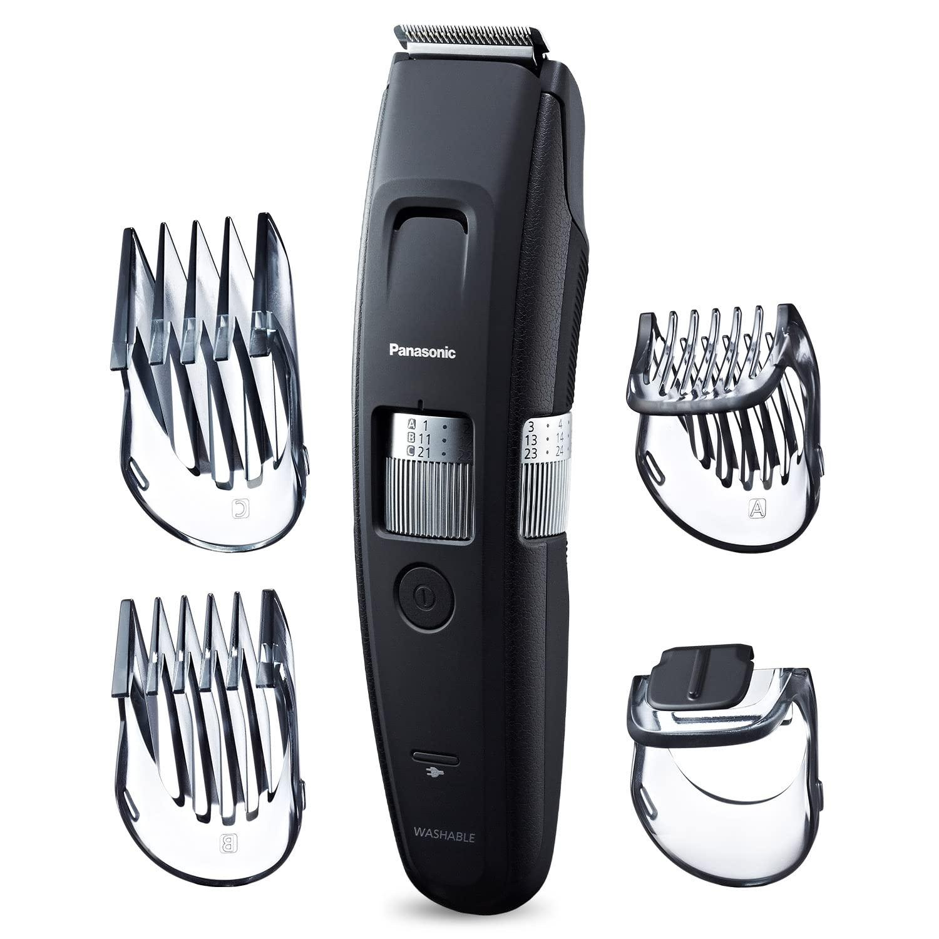 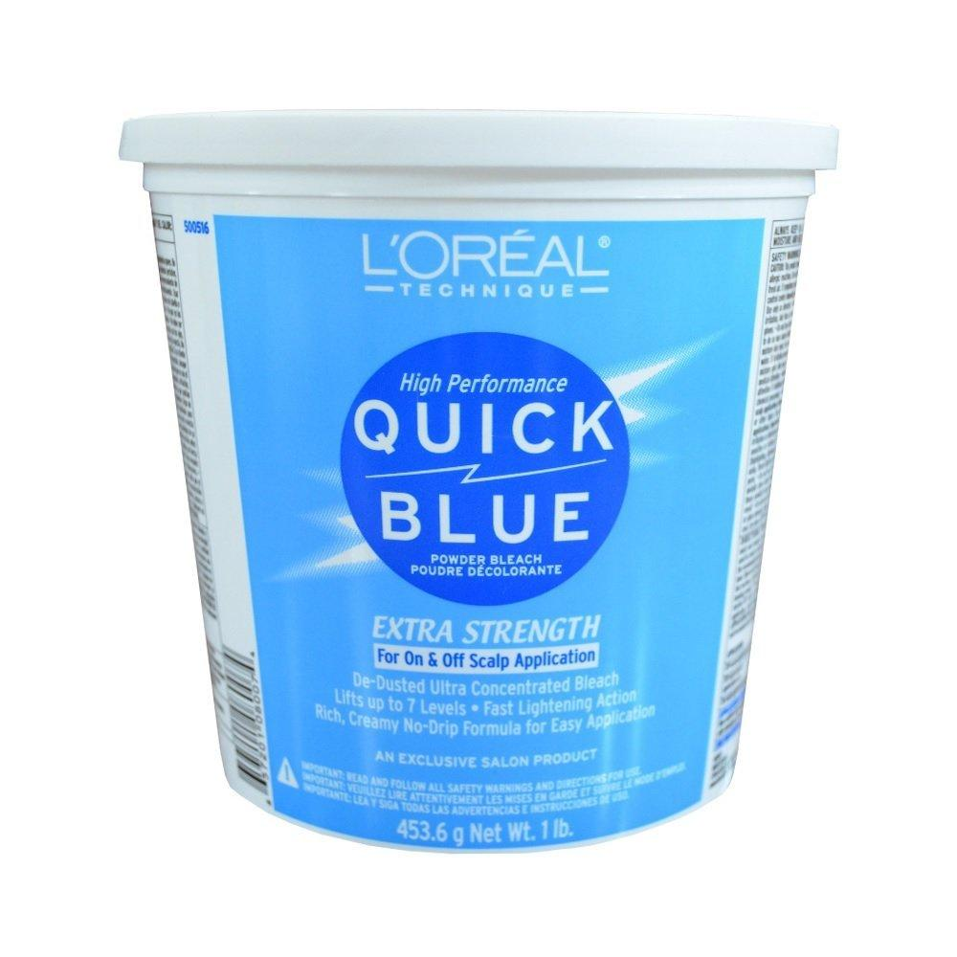
 | Hairdresser | Blow Dryer |  |  | 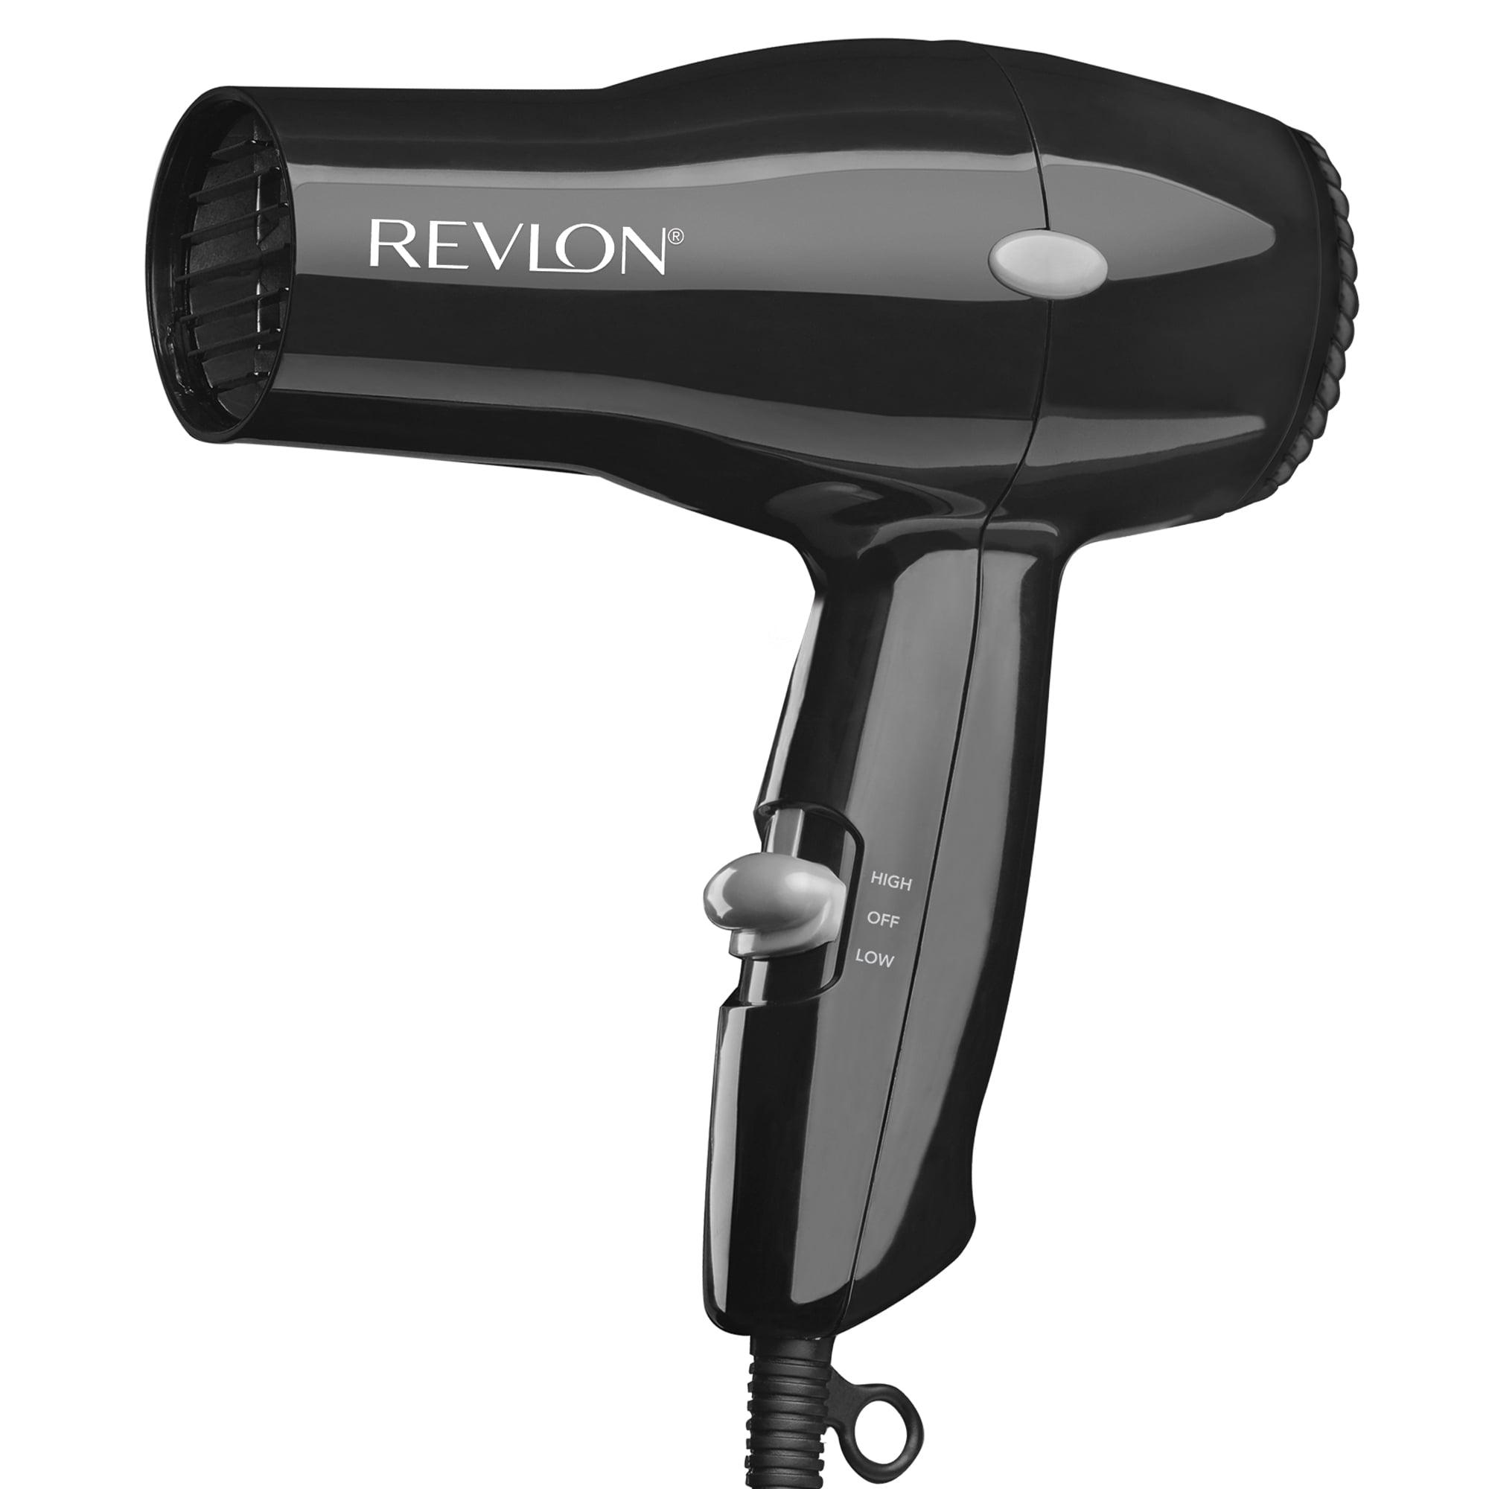
 | Hairdresser | Boar Bristle Brush |  |  | 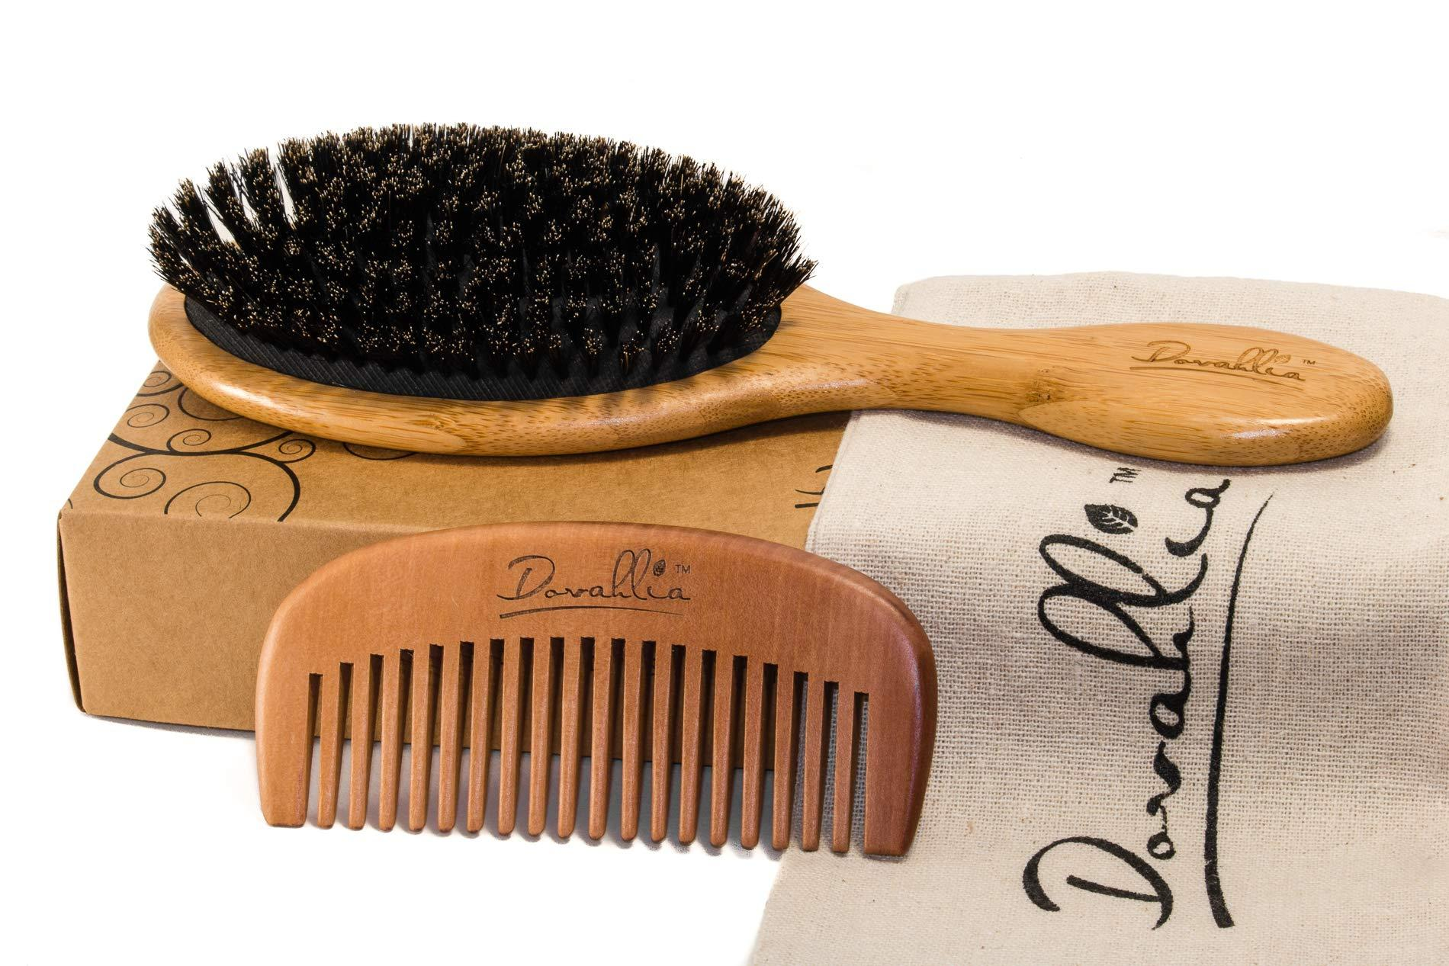
 | Hairdresser | Bobby Pins |  |  | 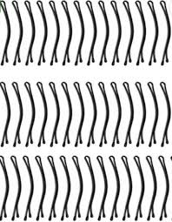
 | Hairdresser | Bond Building Treatments |  |  | 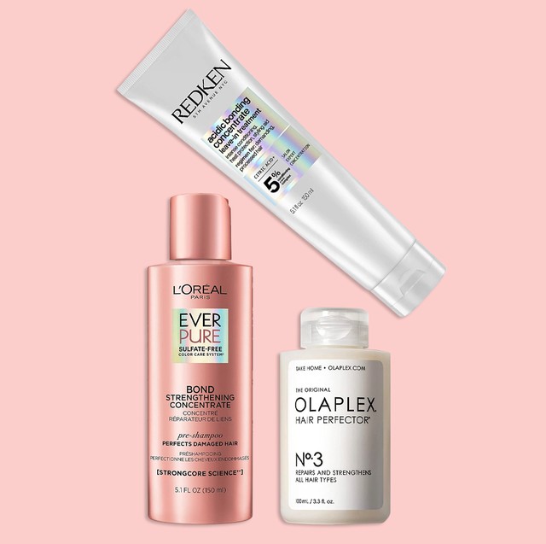
 | Hairdresser | Bonding Agent |  |  | 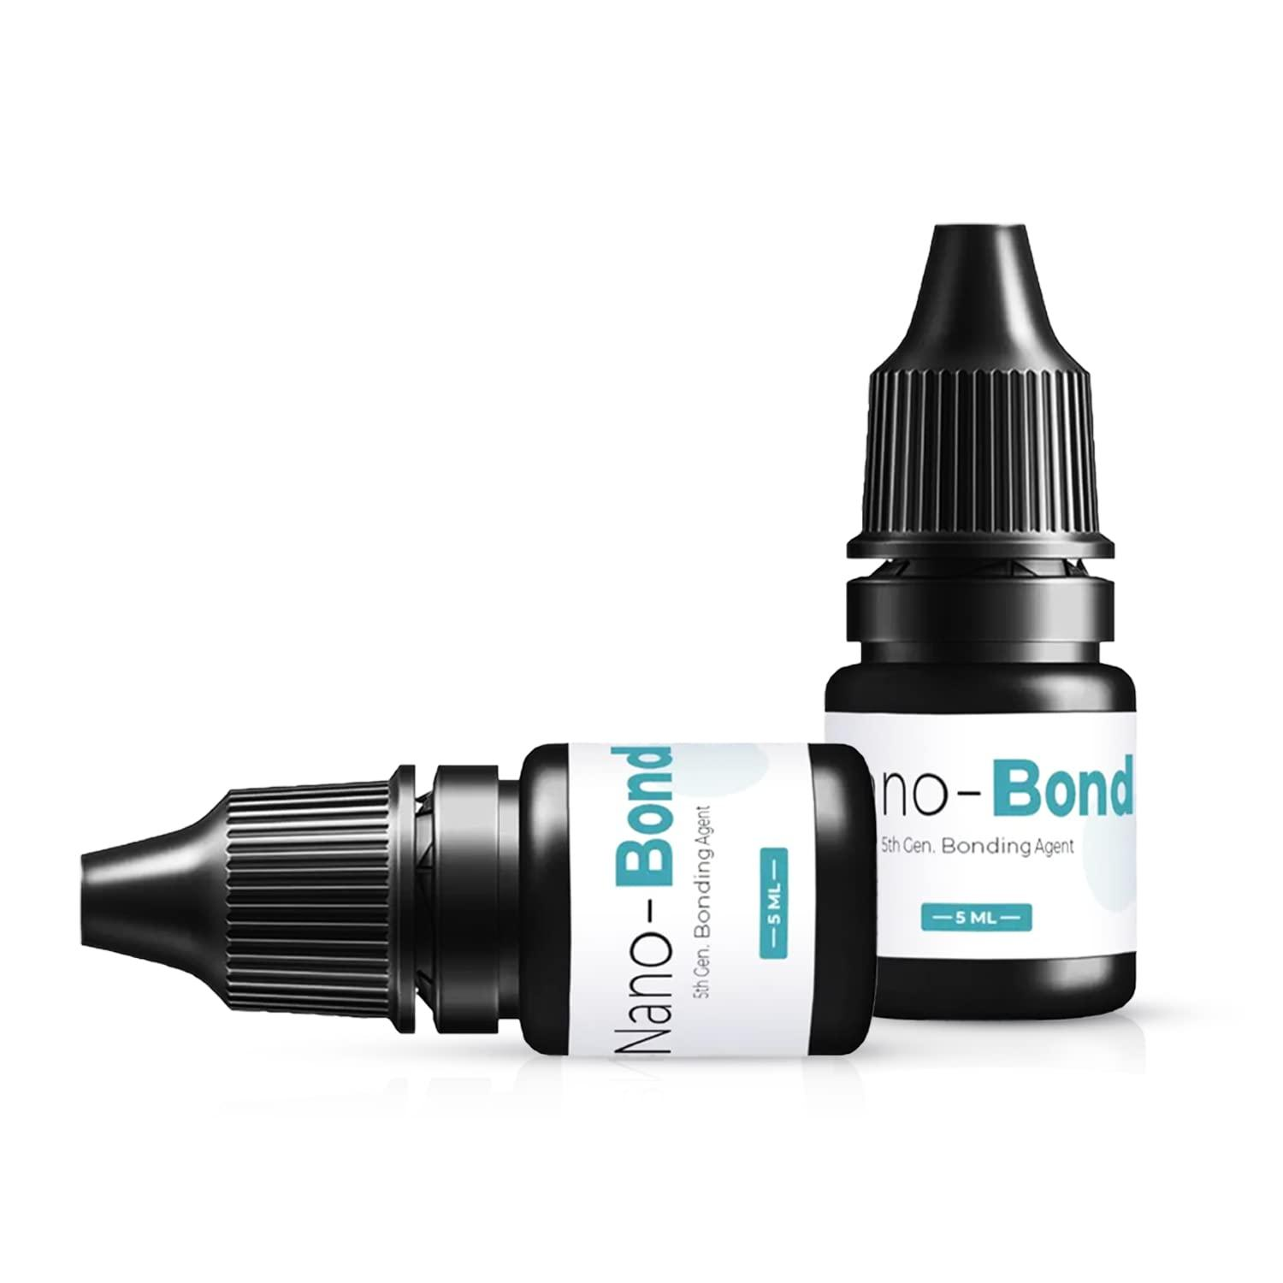
 | Hairdresser | Bonding Glue |  |  | 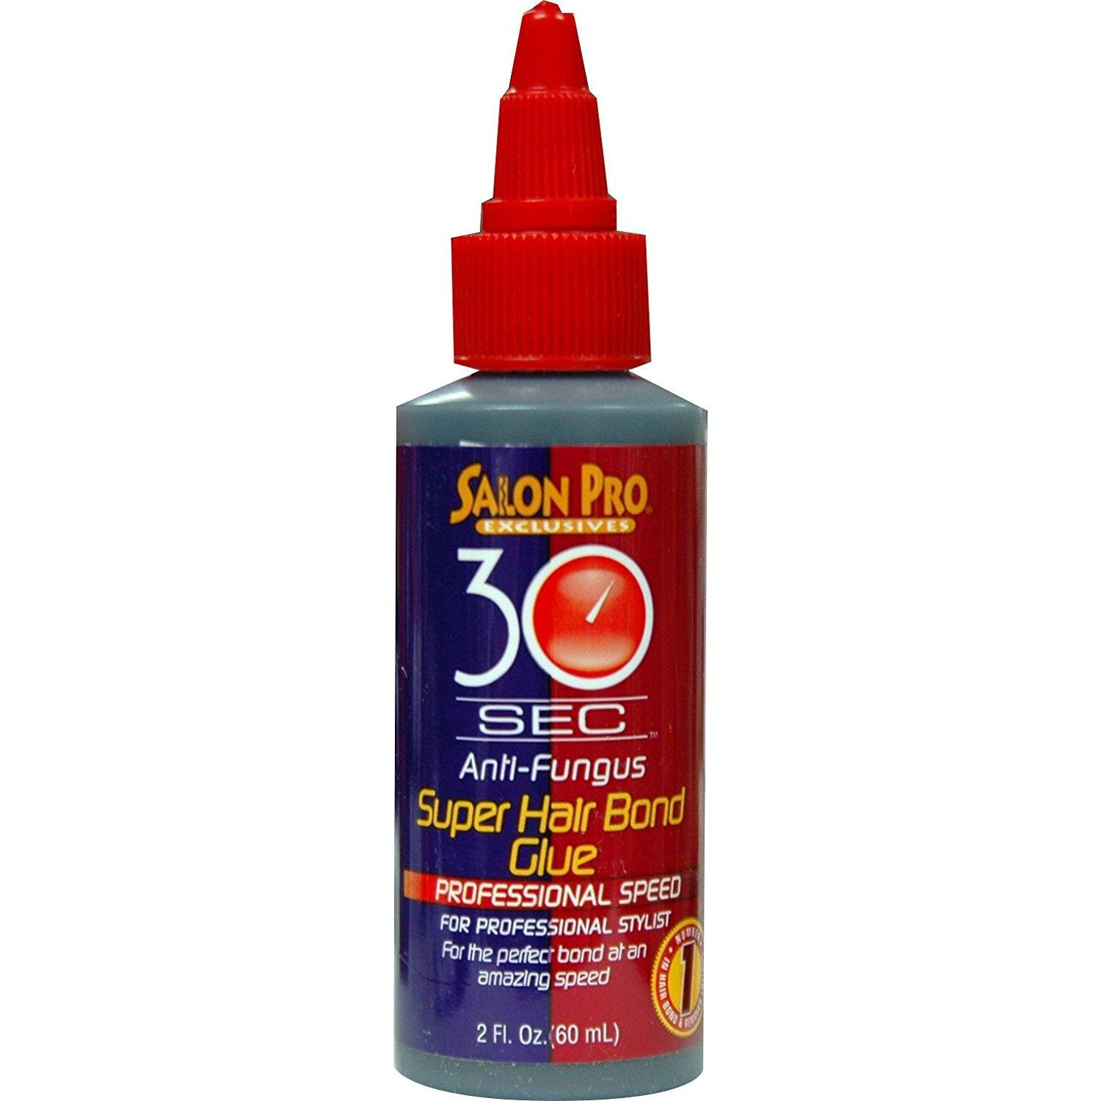
 | Hairdresser | Bonding Resin |  |  | 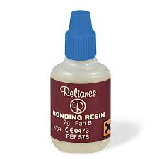
 | Hairdresser | Breath Freshener |  |  | 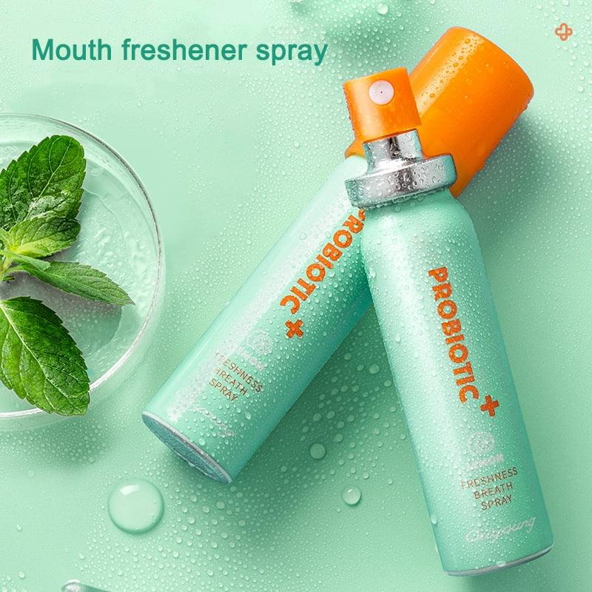
 | Hairdresser | Broom |  |  | 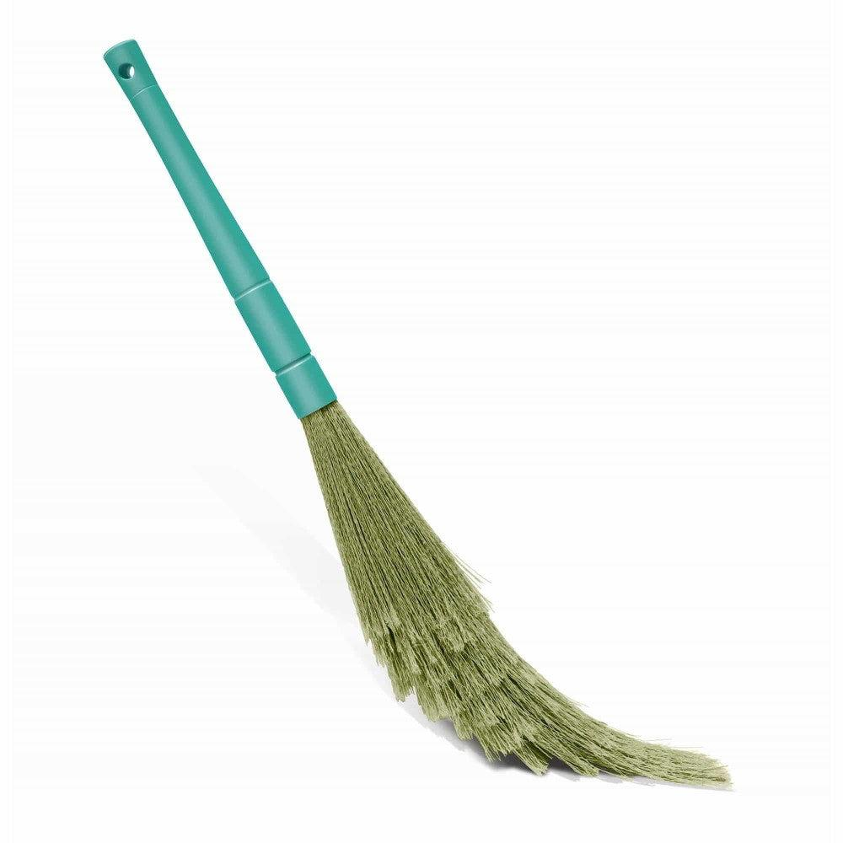
 | Hairdresser | Brush Cleaning Tool |  |  | 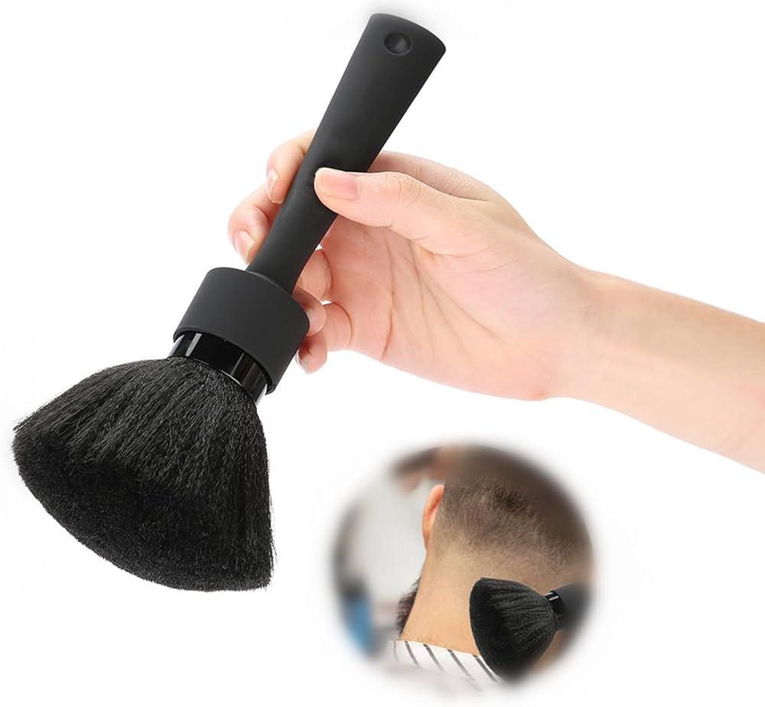
 | Hairdresser | Brushes |  |  | 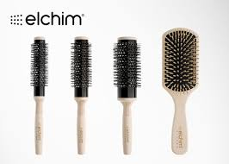
 | Hairdresser | Burn Gel |  |  | 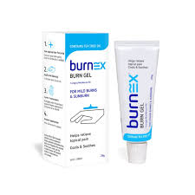
 | Hairdresser | Ceramic Flat Iron |  |  | 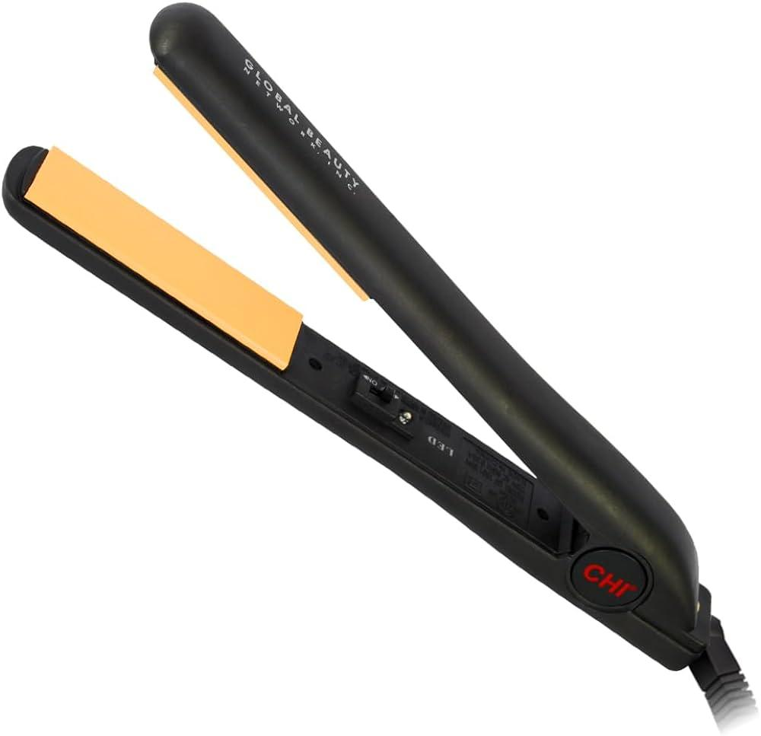
 | Hairdresser | Chemical Straightener |  |  | 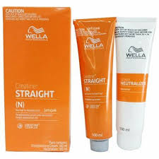
 | Hairdresser | Clarifying Shampoo |  |  | 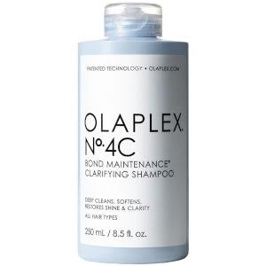
 | Hairdresser | Clips |  |  | 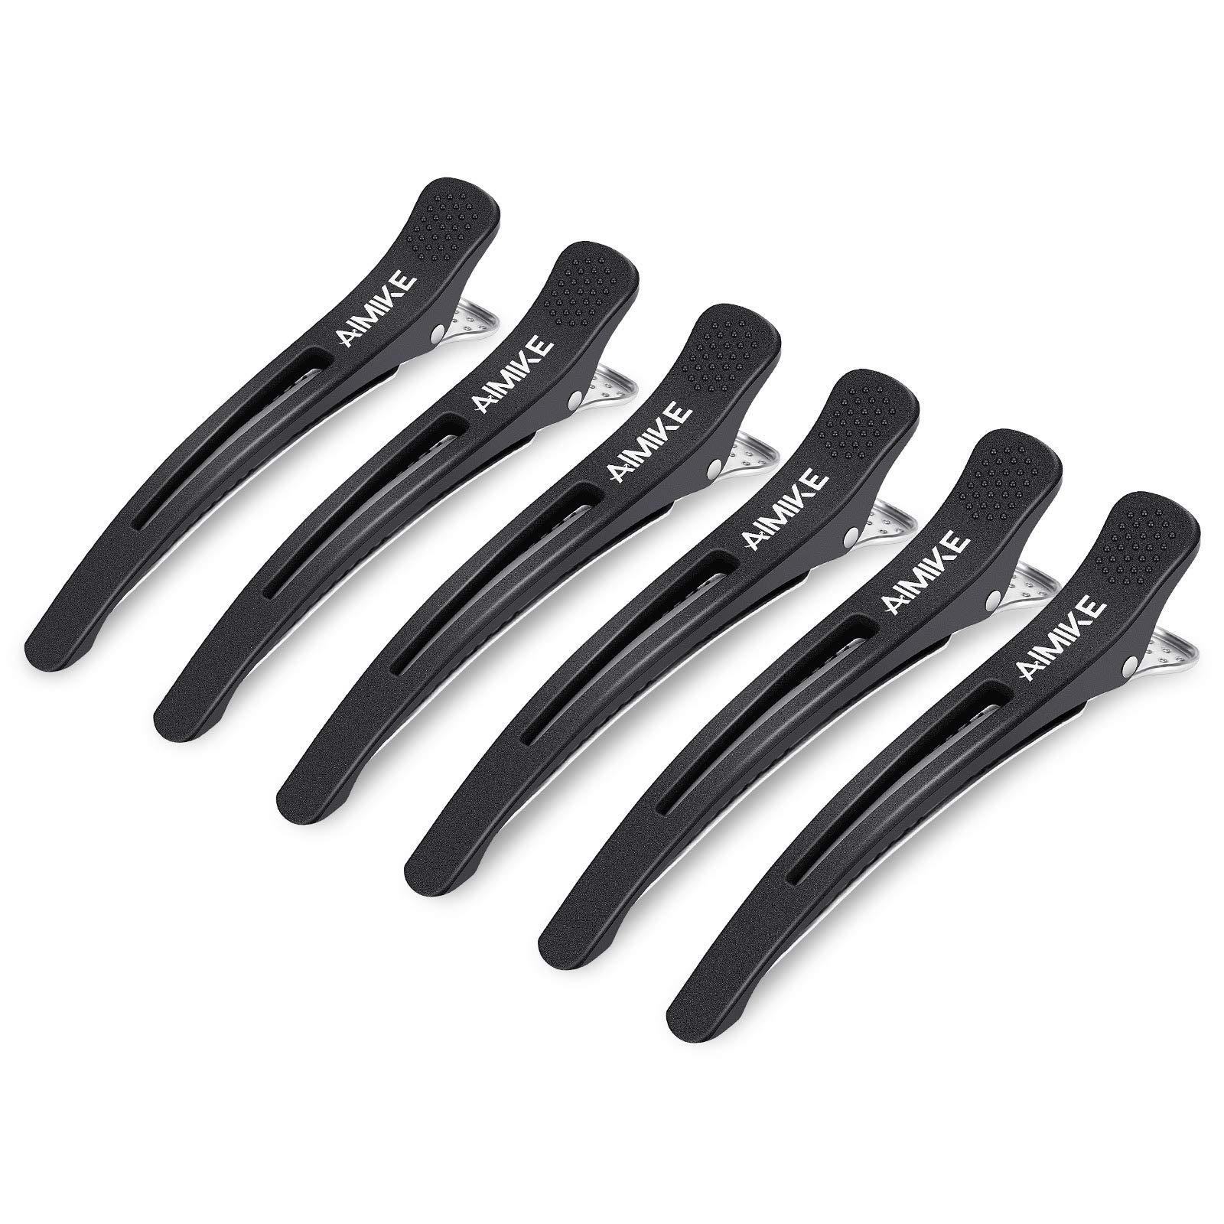
 | Hairdresser | Color Remover |  |  | 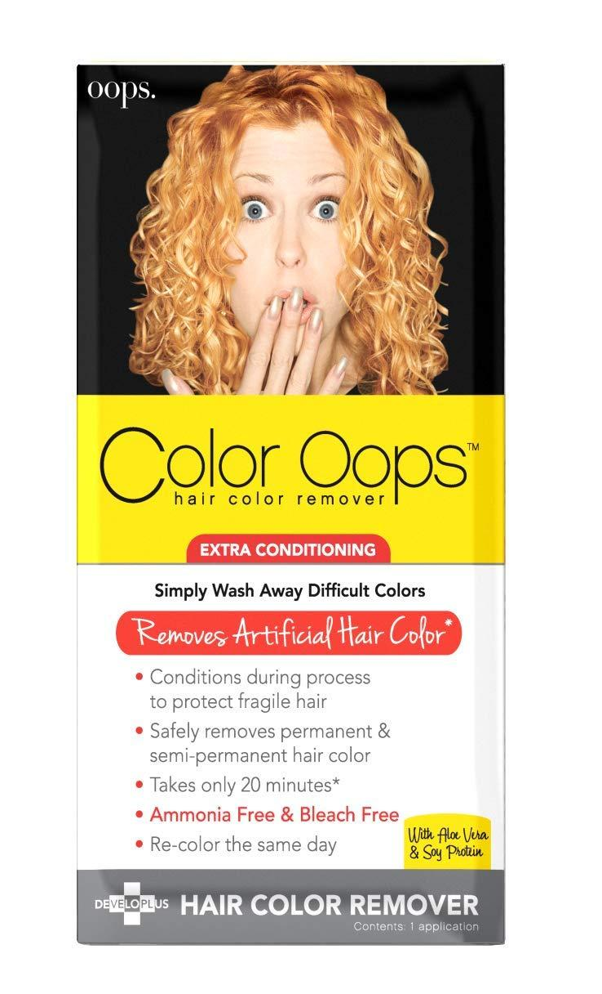
 | Hairdresser | Color Sealant |  |  | 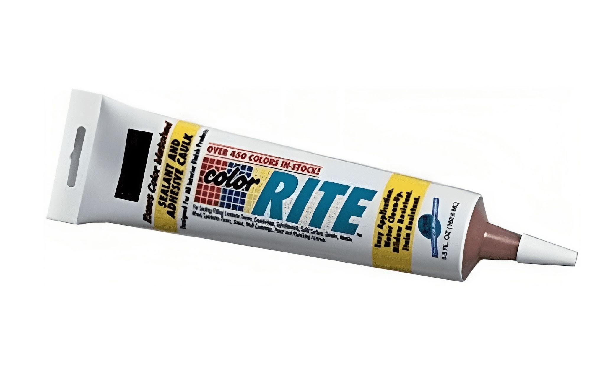
 | Hairdresser | Color-Safe Shampoo |  |  | 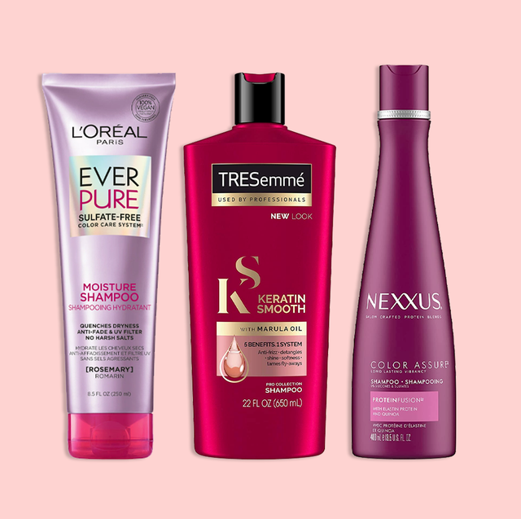
 | Hairdresser | Conditioner
 | Hairdresser | Conditioning Treatment |  |  | 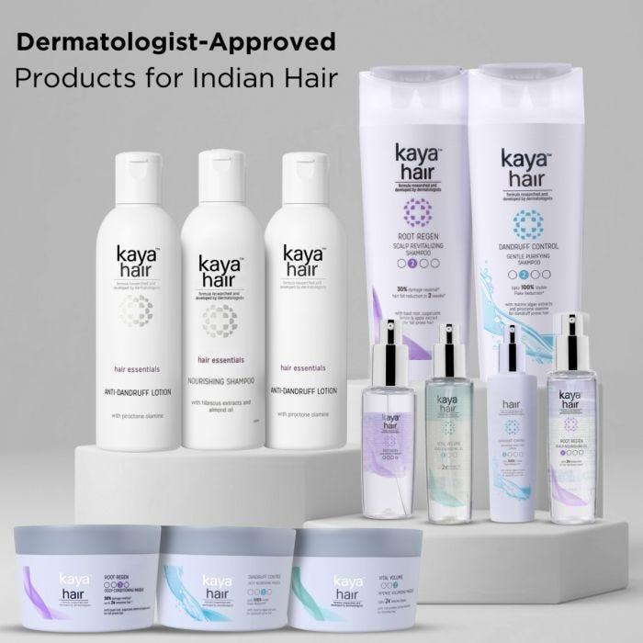
 | Hairdresser | Consultation Book
 | Hairdresser | Consultation Pad
 | Hairdresser | Corrective Dyes |  |  | 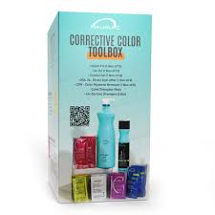
 | Hairdresser | Curl Defining Cream |  |  | 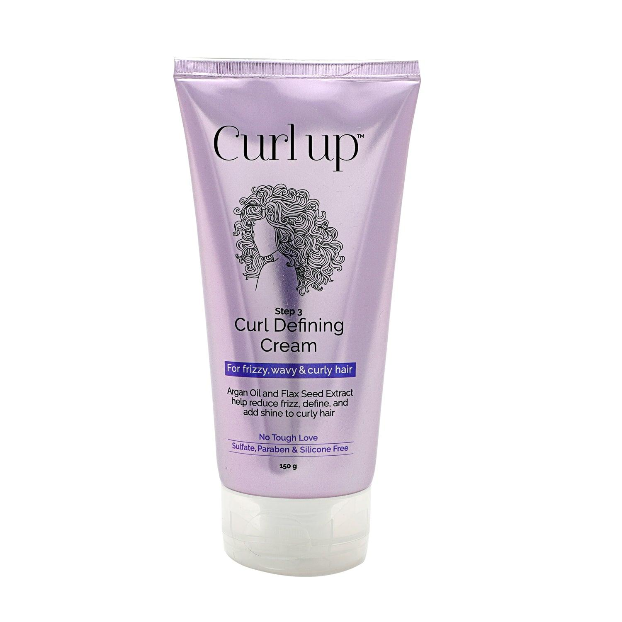
 | Hairdresser | Curl Setting Spray |  |  | 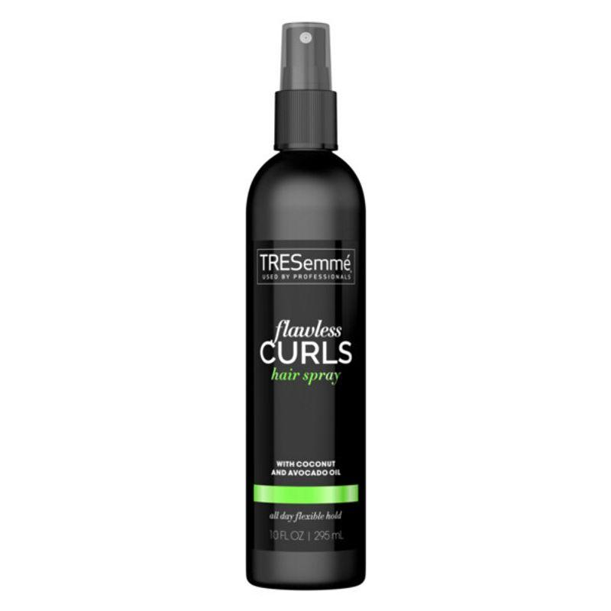
 | Hairdresser | Deep Conditioning Mask |  |  | 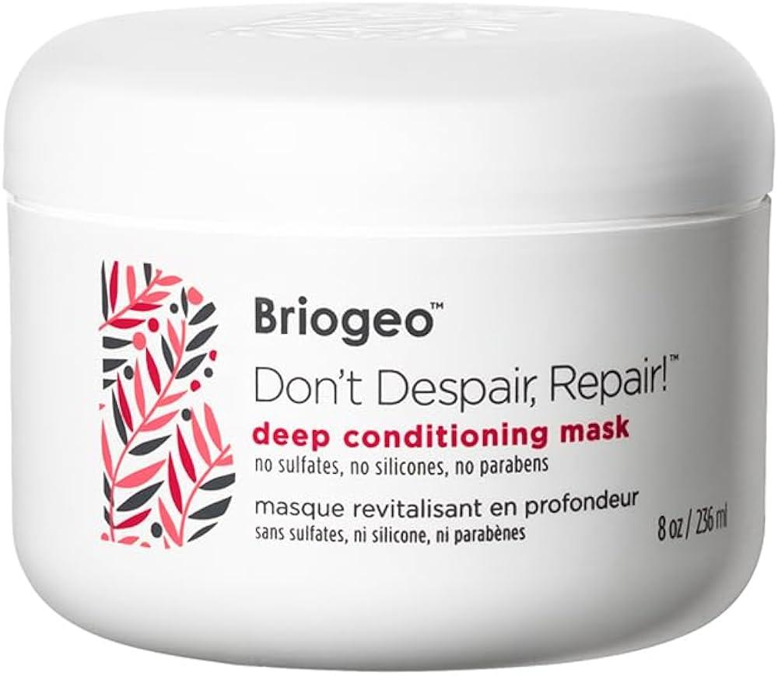
 | Hairdresser | Demi-Permanent Dyes |  |  | 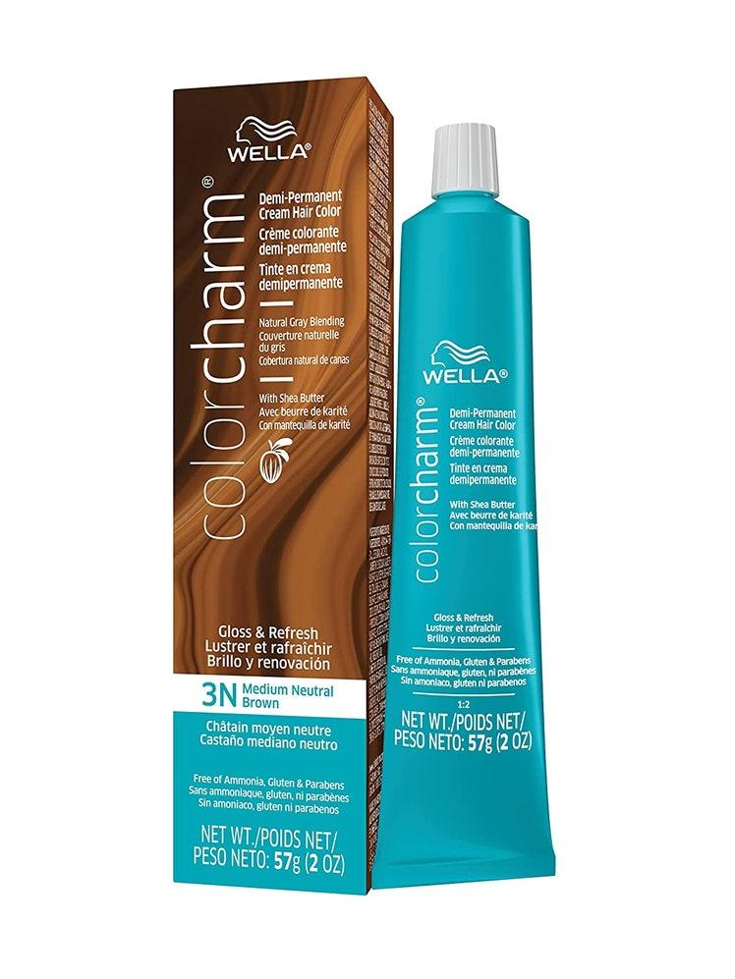
 | Hairdresser | Detangling Brush |  |  | 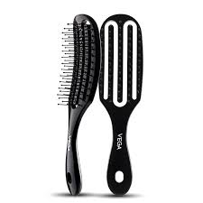
 | Hairdresser | Detangling Spray |  |  | 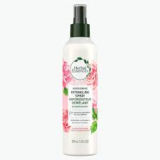
 | Hairdresser | Developer |  |  | 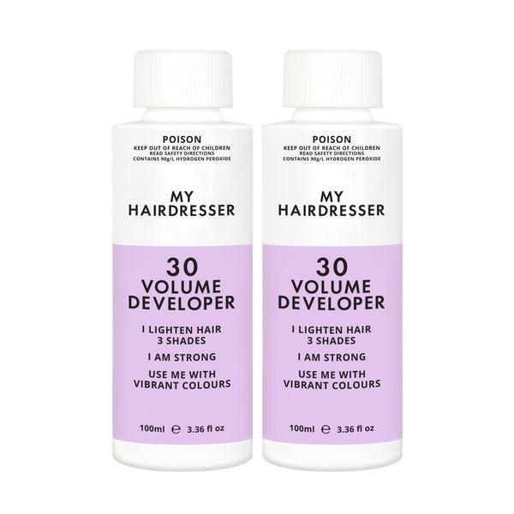
 | Hairdresser | Direct Dyes in Multiple Colors
 | Hairdresser | Disposable Needles |  |  | 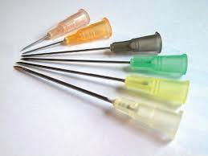
 | Hairdresser | Disposable Paper Towels |  |  | 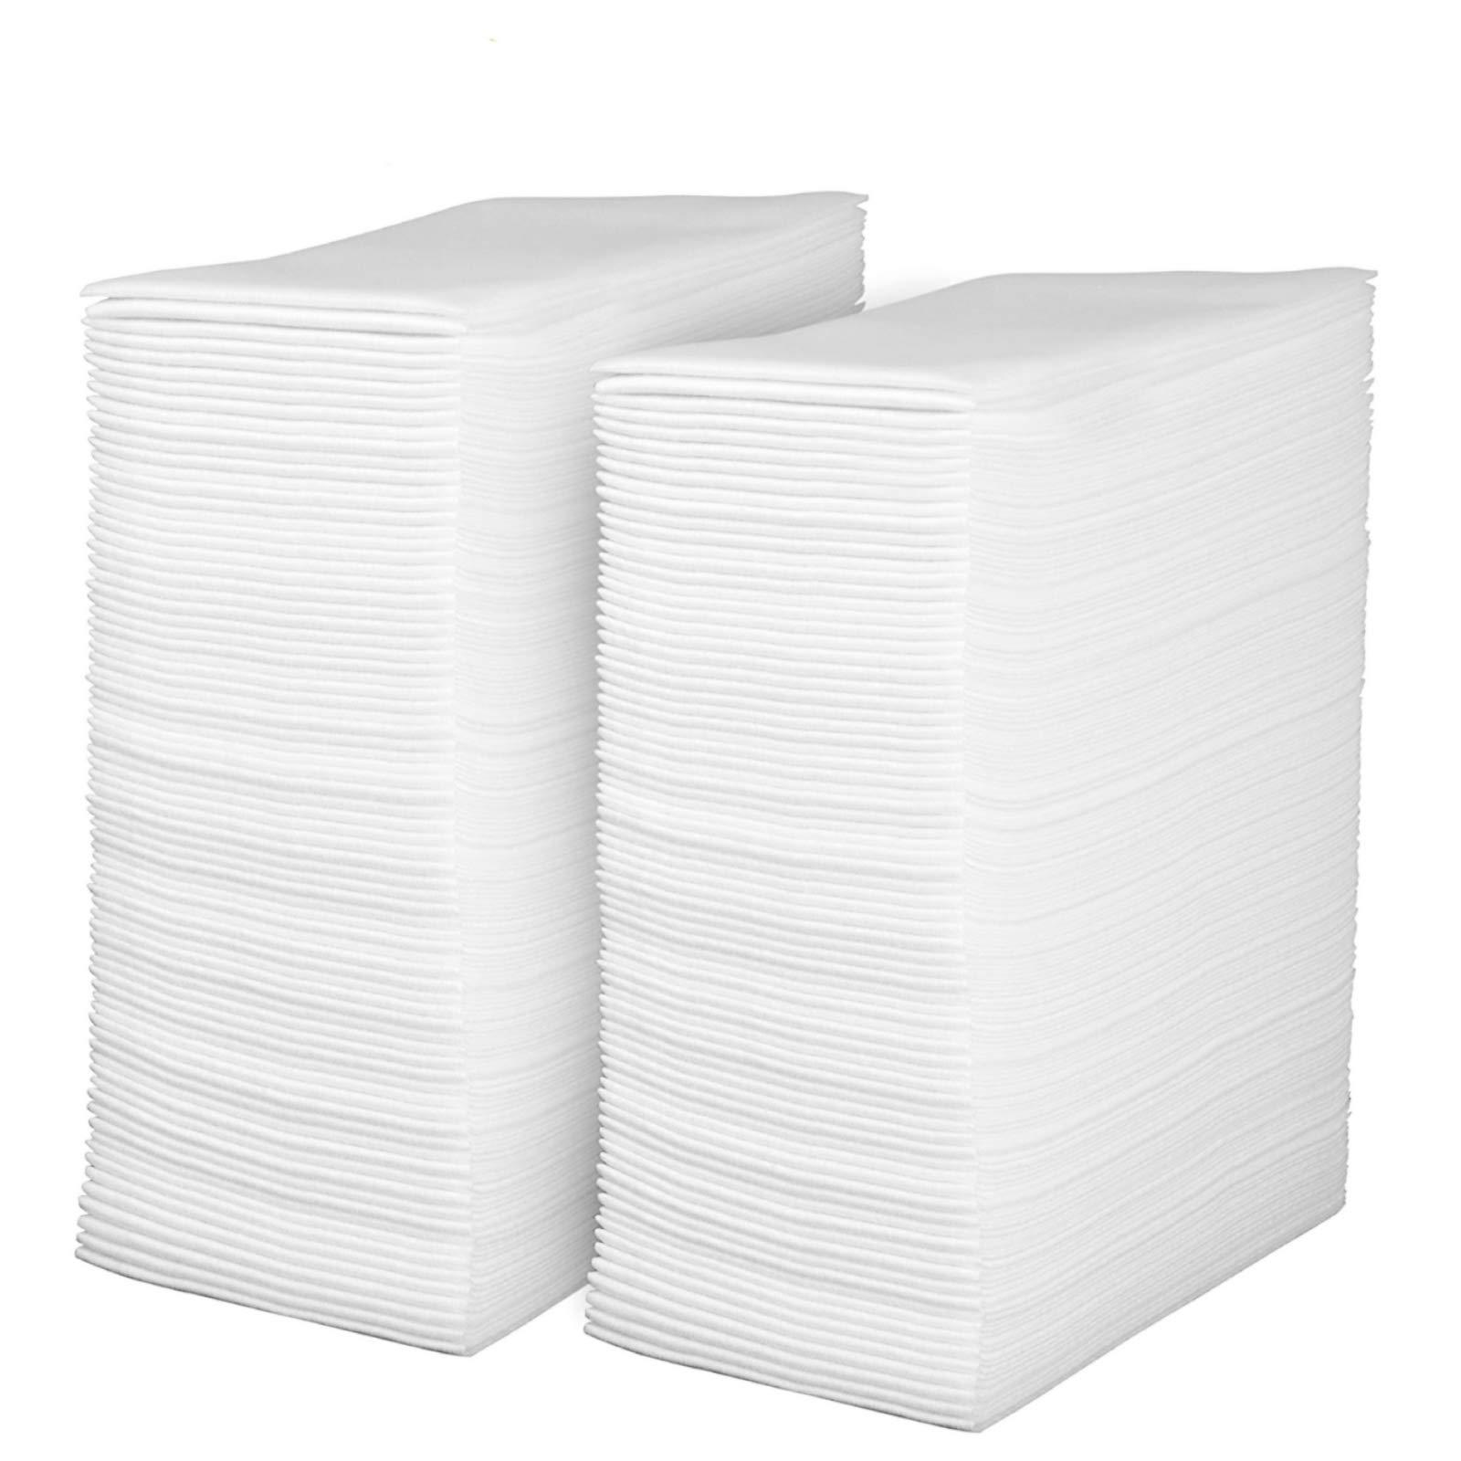
 | Hairdresser | Disposable Towels |  |  | 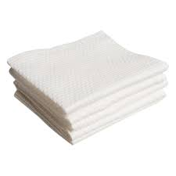
 | Hairdresser | Dummy Wig Head Tools Accessories |  |  | 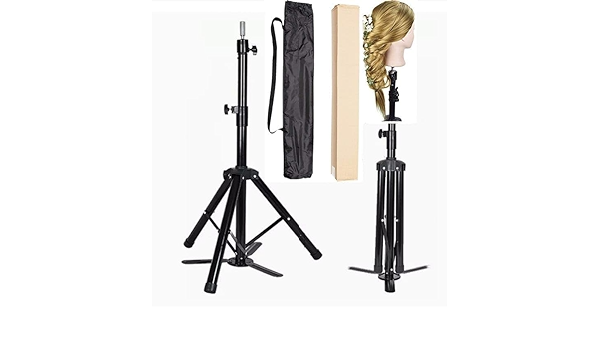
 | Hairdresser | Dustpan |  |  | 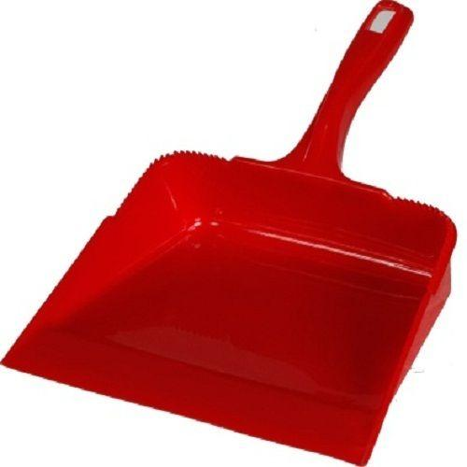
 | Hairdresser | Edge Control Gel |  |  | 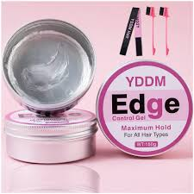
 | Hairdresser | Elastic Bands |  |  | 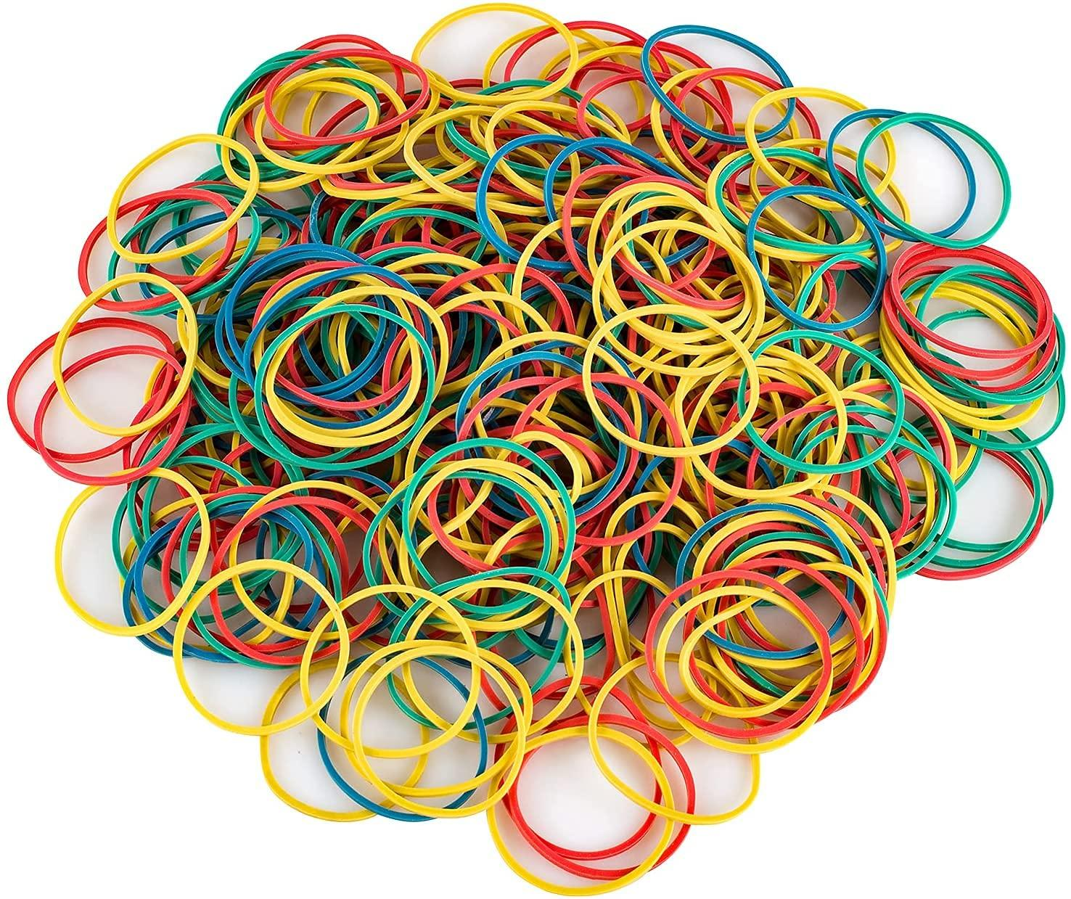
 | Hairdresser | Essential Oils
 | Hairdresser | Extension Loops
 | Hairdresser | Extension Strands
 | Hairdresser | Extension-Safe Conditioner
 | Hairdresser | Fabric Sanitizer
 | Hairdresser | Fantasy Hair Colors
 | Hairdresser | Finishing Spray
 | Hairdresser | Foil Strips
 | Hairdresser | Gentle Hair Steamer
 | Hairdresser | Gentle Scalp Applicator
 | Hairdresser | Goggles
 | Hairdresser | Hair Gloss Treatment
 | Hairdresser | Hair Repair Treatment Serum
 | Hairdresser | Heat Protectant Mat
 | Hairdresser | Heat Protection Shield
 | Hairdresser | Hook with tool
 | Hairdresser | Hot Water
 | Hairdresser | Hydrating Hair Mask
 | Hairdresser | Hydrating Leave-In Conditioner
 | Hairdresser | Hydraulic Fluid
 | Hairdresser | Hypoallergenic Shampoo
 | Hairdresser | Keratin Treatment Solution
 | Hairdresser | Labels
 | Hairdresser | Laundry Detergent
 | Hairdresser | Light Scalp Lotion
 | Hairdresser | Lightweight Scalp Tonic
 | Hairdresser | Loop Tool
 | Hairdresser | Lubricant
 | Hairdresser | Moisturizing Scalp Mask
 | Hairdresser | Neutralizer
 | Hairdresser | Organic Shampoos
 | Hairdresser | Perm Rods
 | Hairdresser | pH-Balanced Scalp Shampoo
 | Hairdresser | Plastic Liners
 | Hairdresser | Pomade
 | Hairdresser | Printable Report Sheets
 | Hairdresser | Product Dispensers
 | Hairdresser | Protective Barrier Cream
 | Hairdresser | Protective Covers
 | Hairdresser | Protective Cream
 | Hairdresser | Protein Masks
 | Hairdresser | Protein Reconstructor
 | Hairdresser | Sanitizing Solution
 | Hairdresser | Scalp Protective Spray
 | Hairdresser | Scalp Scrub
 | Hairdresser | Scalp Soothing Serum
 | Hairdresser | Scalp Stimulating Lotion
 | Hairdresser | Scalp Treatment
 | Hairdresser | Scissors
 | Hairdresser | Screwdriver
 | Hairdresser | Shine Enhancing Serum
 | Hairdresser | Shine Spray
 | Hairdresser | Smoothing Serum
 | Hairdresser | Smoothing Shampoo
 | Hairdresser | Spray Hose
 | Hairdresser | Sterile Gauze
 | Hairdresser | Sterilizing Jar
 | Hairdresser | Straightening Serum
 | Hairdresser | Strand Test Kit
 | Hairdresser | Strengthening Hair Mask
 | Hairdresser | Strong-Hold Hairspray
 | Hairdresser | Styling Mousse
 | Hairdresser | Styling Wax
 | Hairdresser | Texturizing Powder
 | Hairdresser | Different types of Shears
 | Hairdresser | Texturizing Spray
 | Hairdresser | Timer
 | Hairdresser | UV Scalp Analyzer
 | Hairdresser | Various Drill Bits
 | Hairdresser | Ventilation Fan
 | Hairdresser | Volumizing Mousse
 | Hairdresser | Volumizing Powder
 | Hairdresser | Volumizing Spray
 | Hairdresser | Wrench
 | Hairdresser | Adjustable Salon Chair
 | Hairdresser | Air Purifier
 | Hairdresser | Automated Hair Washing Station
 | Hairdresser | Balayage Boards
 | Hairdresser | Color Swatches
 | Hairdresser | Color Wheel
 | Hairdresser | Covered Trash Bins
 | Hairdresser | Curling Wand
 | Hairdresser | Diffuser Attachment
 | Hairdresser | Digital Perm Machine
 | Hairdresser | Disposable Gloves
 | Hairdresser | Eco-Friendly Product Dispensers
 | Hairdresser | Electric Nail Drill
 | Hairdresser | Exfoliating Crystals
 | Hairdresser | Extension Application Tool
 | Hairdresser | Firm Hold Hairspray
 | Hairdresser | First Aid Kit
 | Hairdresser | Fusion Connector
 | Hairdresser | Hair Color Processor
 | Hairdresser | Heat Protectant
 | Hairdresser | High-Frequency Facial Machine
 | Hairdresser | Hot Towel Cabinet
 | Hairdresser | Ionic Hairbrush
 | Hairdresser | Laundry Machine
 | Hairdresser | Low-Level Laser Therapy Device
 | Hairdresser | Micro Links
 | Hairdresser | Microdermabrasion Machine
 | Hairdresser | Mixing Bowl
 | Hairdresser | Multimeter
 | Hairdresser | Perm Solution
 | Hairdresser | Protein Treatment Mask
 | Hairdresser | Rat Tail Comb
 | Hairdresser | Round Brush
 | Hairdresser | Satin Scarves
 | Hairdresser | Scalp Massager
 | Hairdresser | Sealable Plastic Bags
 | Hairdresser | Sharpening Stone
 | Hairdresser | Sharps Container
 | Hairdresser | Sulfate-Free Shampoo
 | Hairdresser | Tint Brushes
 | Hairdresser | Ultrasonic Welding Machine
 | Hairdresser | Wide-Tooth Comb
 | Hairdresser | Approns
 | Hairdresser | Height adjustable salon chair with reclinable back, in front of mirror and a salon setting, mannquin with specified wig or volunteers

