Garden Cleaner images for lab
 |  | Occupation - Garden Cleaning Worker
 |  | Tools/Equipment/Material list
S No | Tools/Equipment/Material Name | Image
1 | PPE - Nitrile gloves, Mask, safety goggles | 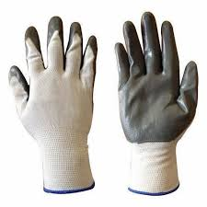
2 | Ear muffs, Knee pads | 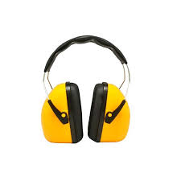 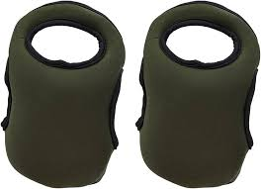
3 | First-aid kit which includes Antiseptic wipes, Sterile bandages, Adhesive Bandages | 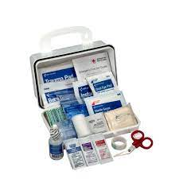
4 | Disposable nitrile gloves, waterproof gloves | 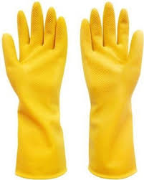
5 | PVC chemical resistant apron, Fire resistant apron (aluminized fiberglass) | 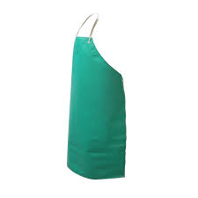 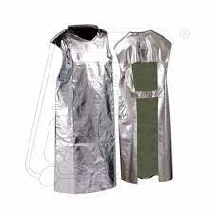
6 | High visibility safety vest | 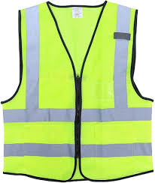
7 | Raincoat | 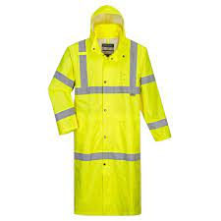
8 | Kneeling pad | 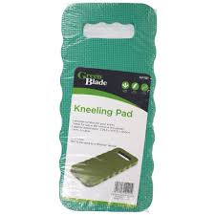
9 | Rubber waterproof boots, Closed toe safety shoes | 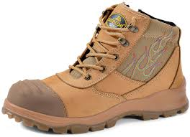 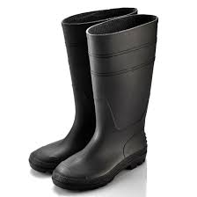
10 | Soft bristled broom, Soft grass broom | 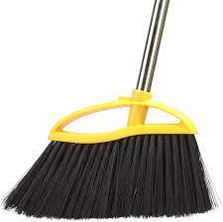 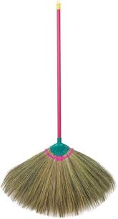
11 | Plastic bristled broom | 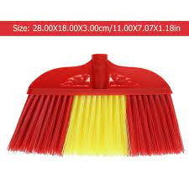
12 | Hand broom, long handled garden broom | 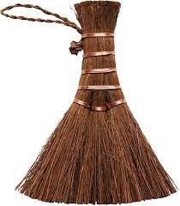
13 | Dust pan
14 | Shovel, small shovel or scoop, plastic shovel | 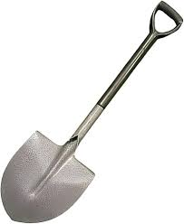 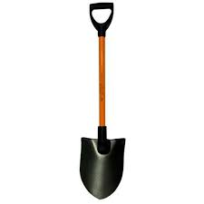
15 | Wheelbarrow or garden cart | 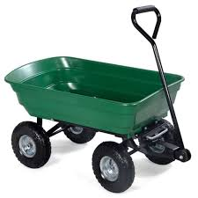 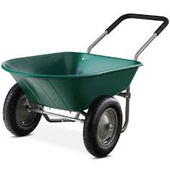
16 | Garden waste bins, multiple green bins
17 | Wire brush, Scrub brush, long handled scrub brush | 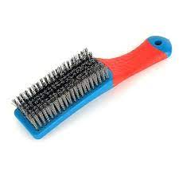 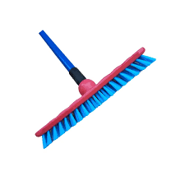
18 | Soft bristle cleaning brush | 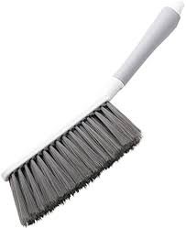
19 | Sponge scrubbing brush | 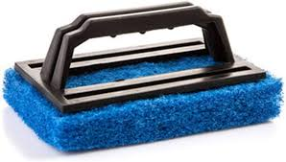
20 | Floor squeegee | 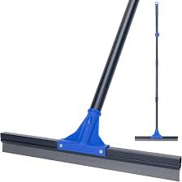
21 | Mop
22 | Garden hose pipe, High pressure water hose, Water hose reel
23 | Garden watering can | 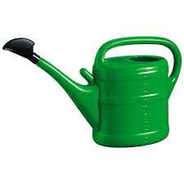
24 | Water sprinkler | 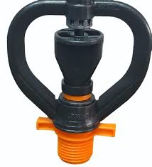
25 | Pressure sprayer | 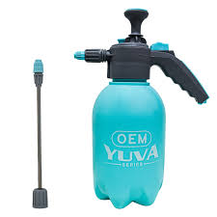
26 | Microfiber cloth, Cotton rag, cloth wipes | 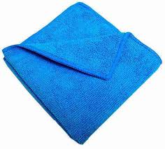 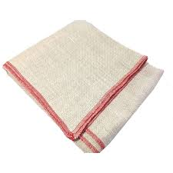
27 | Funnel | 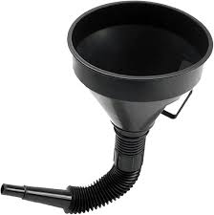
28 | Compost bin | 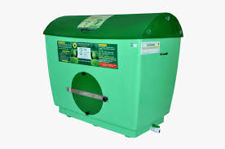
29 | Garbage liner | 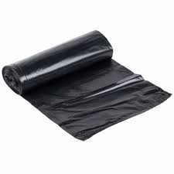
30 | Garden waste bag/grass collection bag | 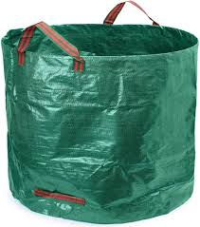
31 | Green compost bag | 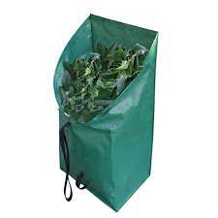
32 | Green waste tarpaulin, Regular non-green tarpaulin sheet
33 | Garden tool rack | 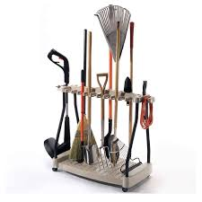
34 | "Work in progress" caution sign
35 | Spray bottle | 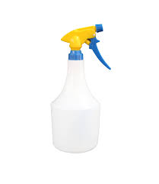
36 | Flat-head screwdriver | 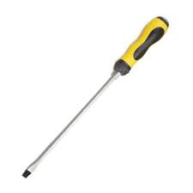
37 | Chisel | 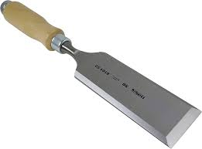
38 | Socket wrench | 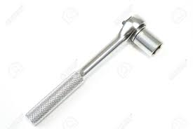
39 | Rubber mallet | 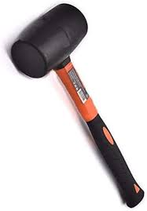
40 | Grass seed spreader | 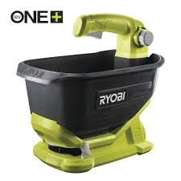
41 | Manual Edge trimmer | 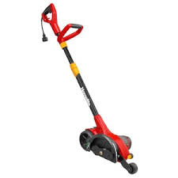
42 | Electric edge trimmer | 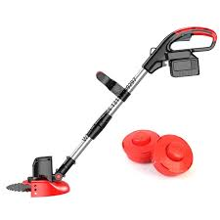
43 | Hand weeder | 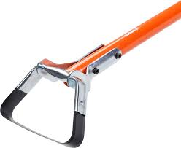
44 | Electric hedge trimmer | 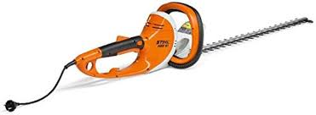
45 | Walk behind rototiller | 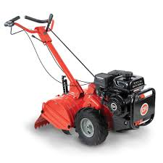
46 | Power grass trimmer | 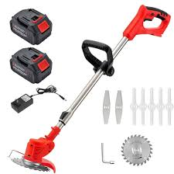
47 | Gasoline powered land mower | 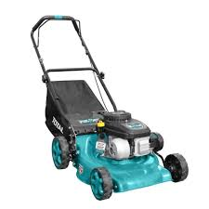
48 | Garden hoe, Hand hoe | 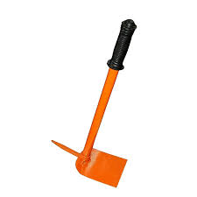
49 | Spade, Small garden spade
50 | Garden fork
51 | Garden hedge shear
52 | Weed knife
53 | Hand held weeding tool
54 | Garden rake, Leaf rake with long handle
55 | Scarifying rake
56 | Compost scoop
57 | Litter picker/garbage grabber
58 | Garbage tong
59 | Garden stakes
60 | Leaf grabber
61 | Leaf blower
62 | Lawn scarifier machine
63 | Garden vacuum cleaner
64 | Mower deck scraper
65 | Disposable scraper
66 | Pruning shears
67 | Hand saw
68 | Oil can
69 | Hand trowel
70 | Lawn dethatcher
71 | Tamper
72 | Walkway absorbent mat
73 | Coco husk mulch, Wood chips mulch
74 | Scoop net
75 | Garden sieve
76 | Garden ladder
77 | Tray for collecting grass
78 | Bucket, mild detergent, multi-purpose cleaner, bio-degradable soap, disinfectant spray, Food-safe disinfectant spray, Multi-purpose disinfectant
79 | Forms - Segregation guide chart, Defect report form, Mower safety checklist
80 | Pen, notepad, Whistle, Tissues, Watch or timer, Labelled fuel can
81 | Organic Compost, Natural or recommended insecticide, Moss removal solution (non-toxic), Algae remover solution (eco-safe)
82 | Sand, crushed stone, Thin wire or pin, garden markers or fence

