Furniture Assembly Worker
Sector Name | Occupation name | Equipment name | Minimum number of equipment required (per batch of 30 trainees) | Unit type | Images
 | Furniture Assembly Worker | Cabinet panels |  |  | 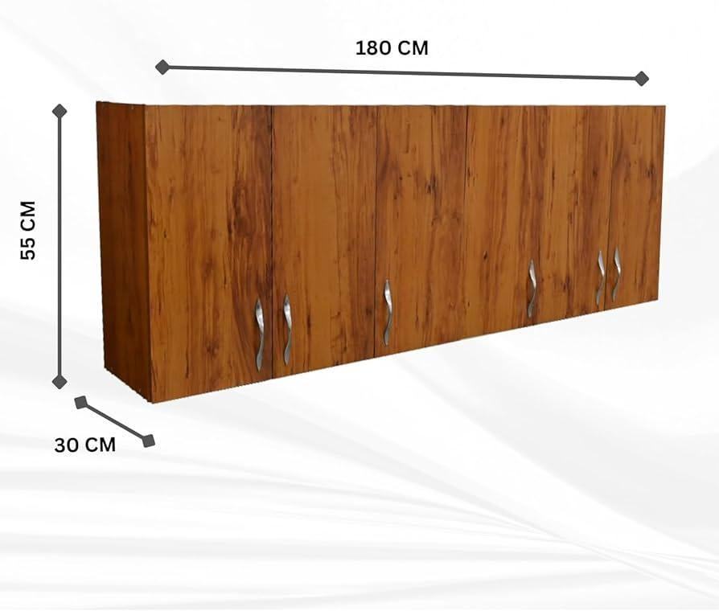
 | Furniture Assembly Worker | Shelf boards |  |  | 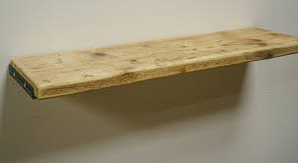
 | Furniture Assembly Worker | Screws |  |  | 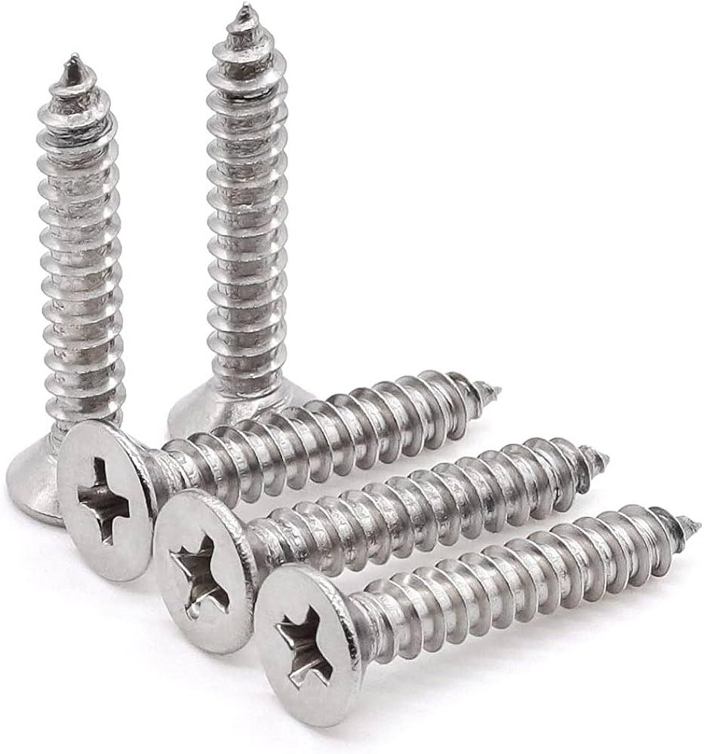
 | Furniture Assembly Worker | Hinges |  |  | 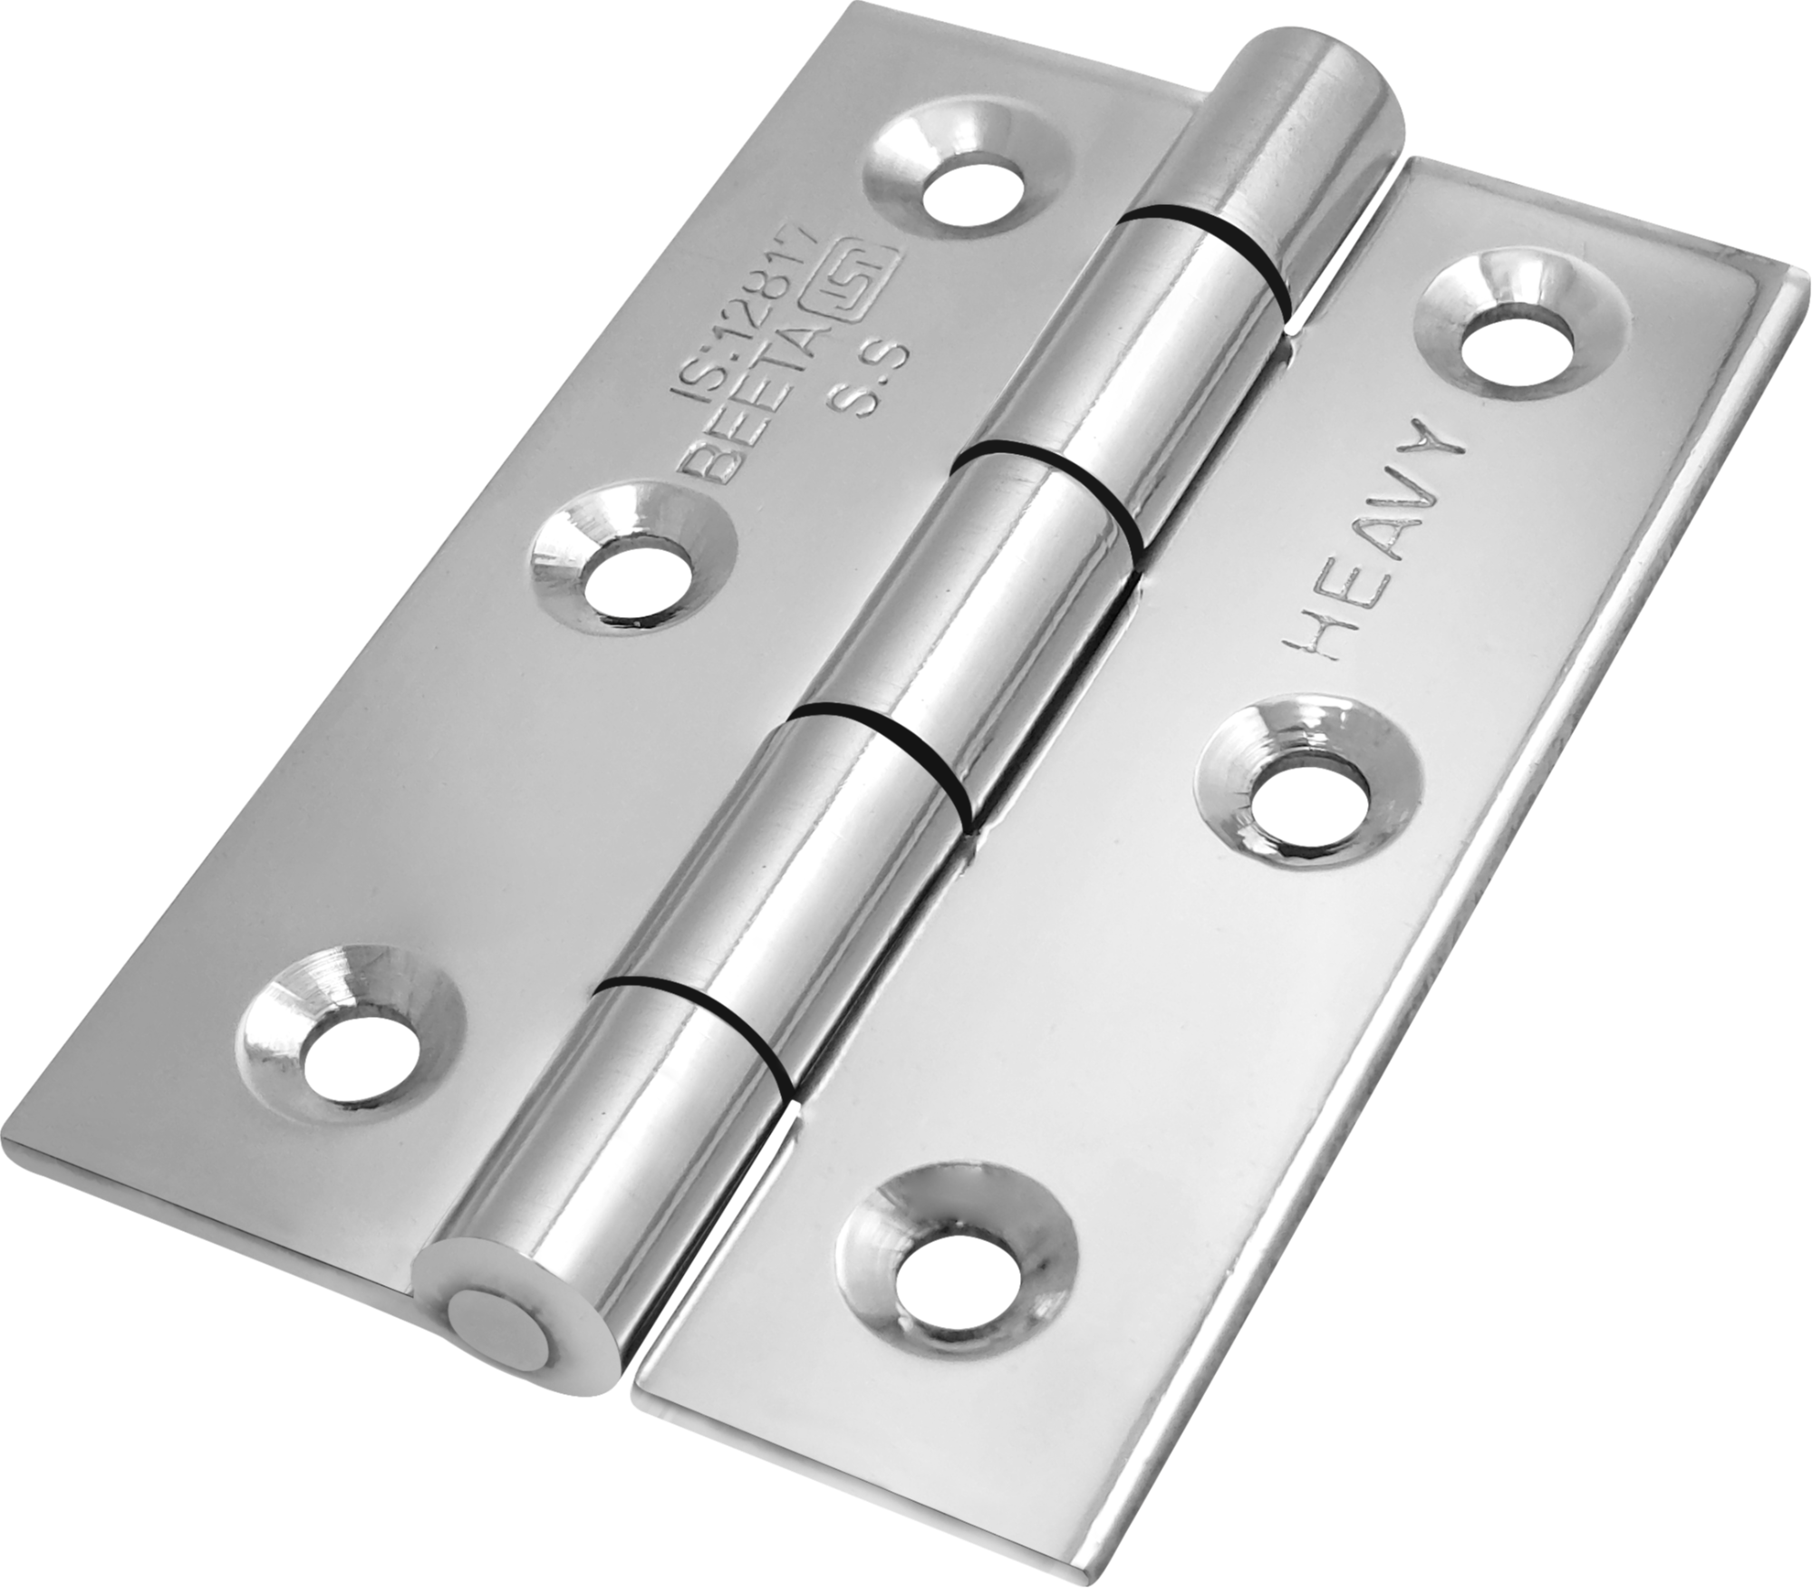
 | Furniture Assembly Worker | Measuring tape |  |  | 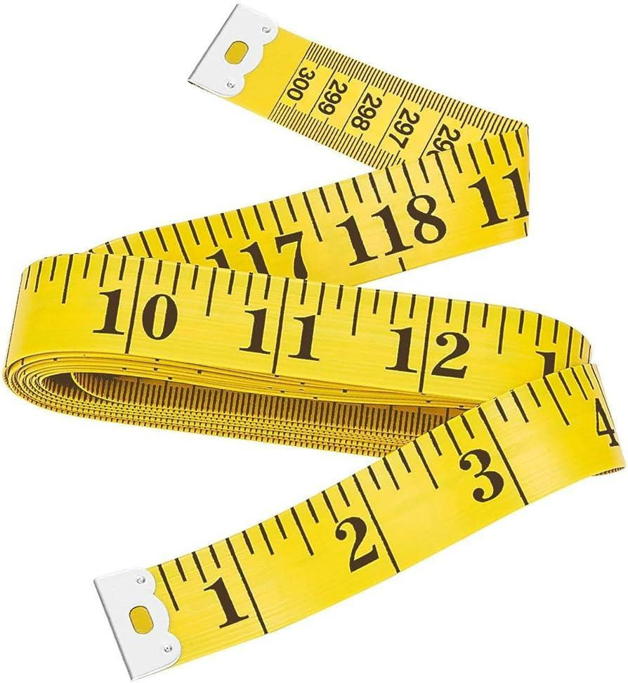
 | Furniture Assembly Worker | Power drill |  |  | 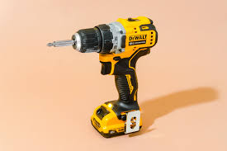
 | Furniture Assembly Worker | Screwdriver |  |  | 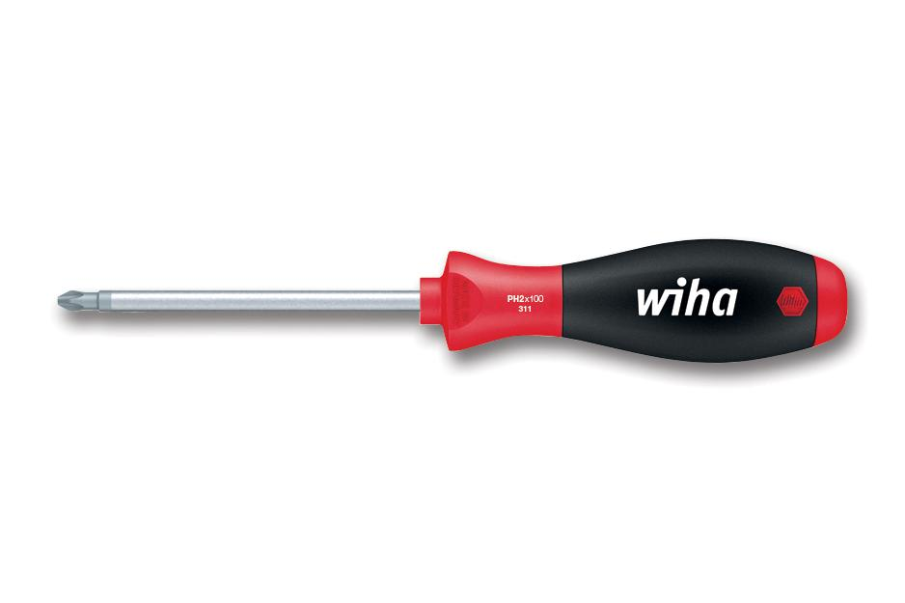
 | Furniture Assembly Worker | Carpenter's level
 | Furniture Assembly Worker | PPE (Personal Protective Equipment) including safety goggles and cut-resistant gloves, ear protection, protective wear. |  |  | 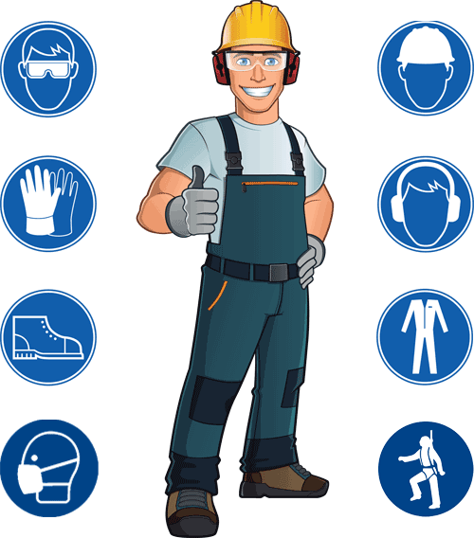
 | Furniture Assembly Worker | Wall brackets |  |  | 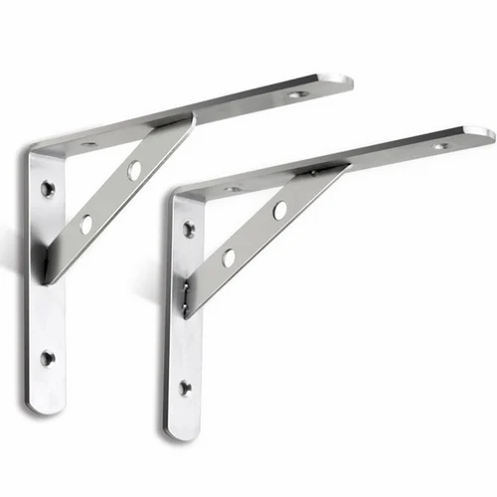
 | Furniture Assembly Worker | Wall anchors |  |  | 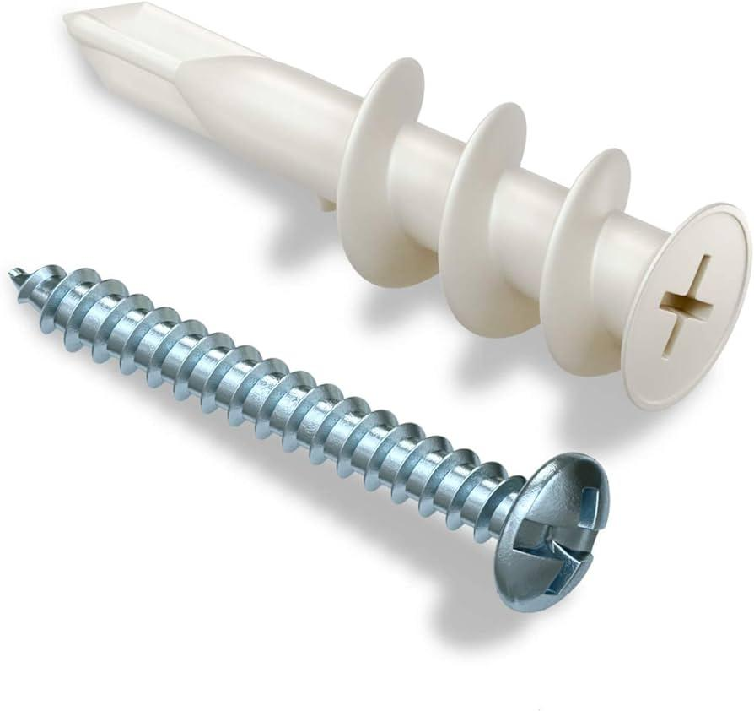
 | Furniture Assembly Worker | Wooden table |  |  | 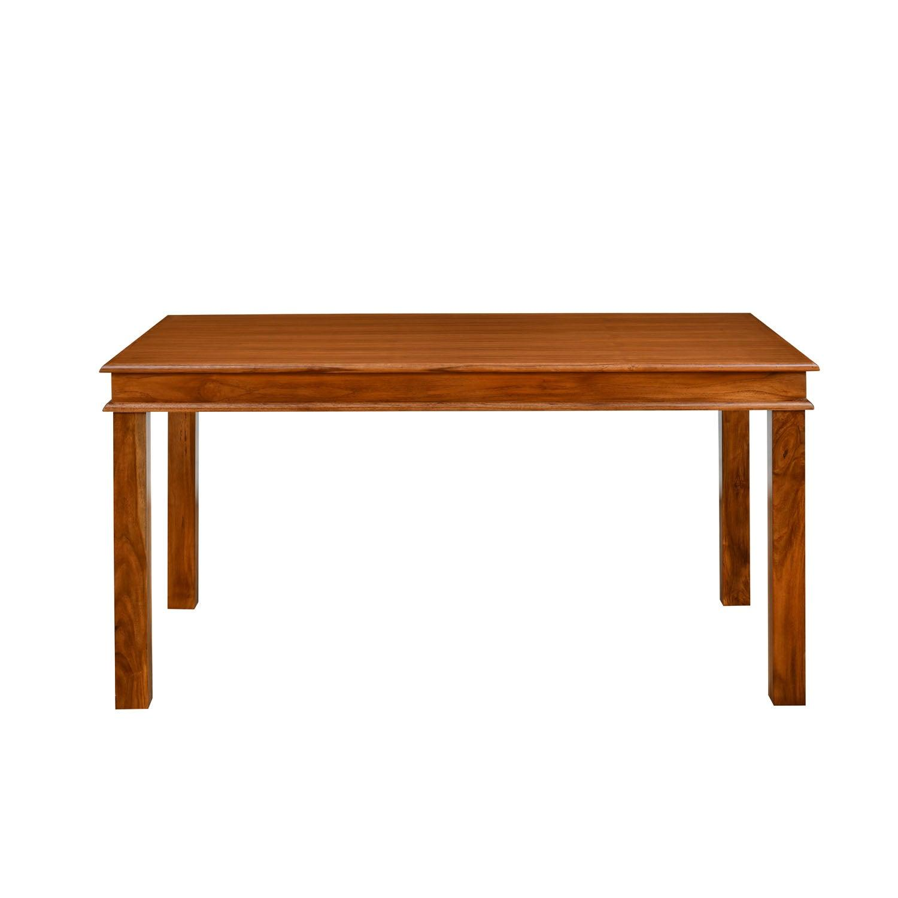
 | Furniture Assembly Worker | Surface conditioning discs |  |  | 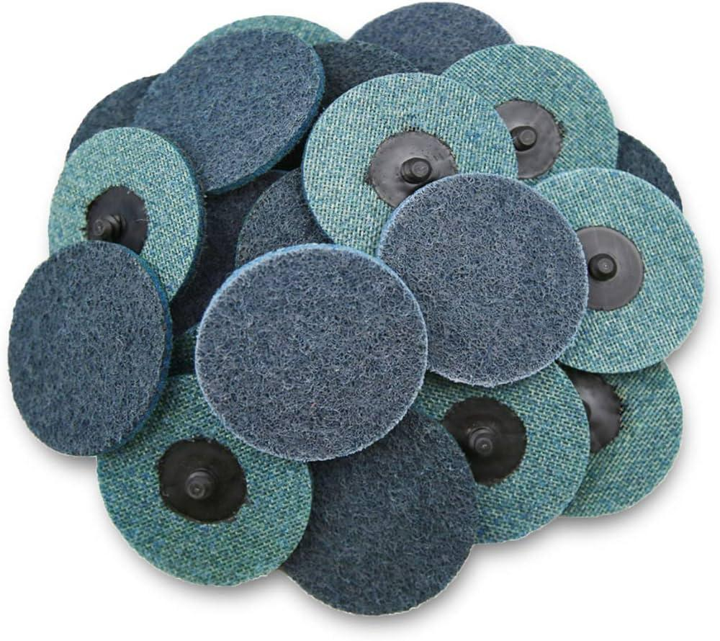
 | Furniture Assembly Worker | Orbital sander |  |  | 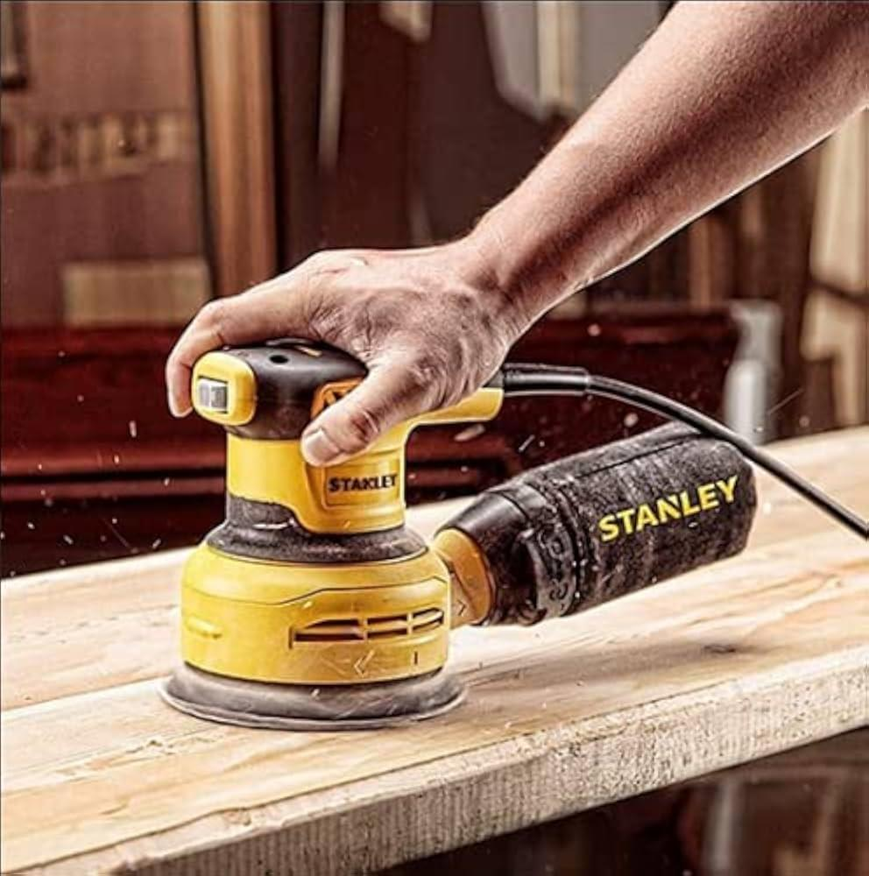
 | Furniture Assembly Worker | Sanding discs |  |  | 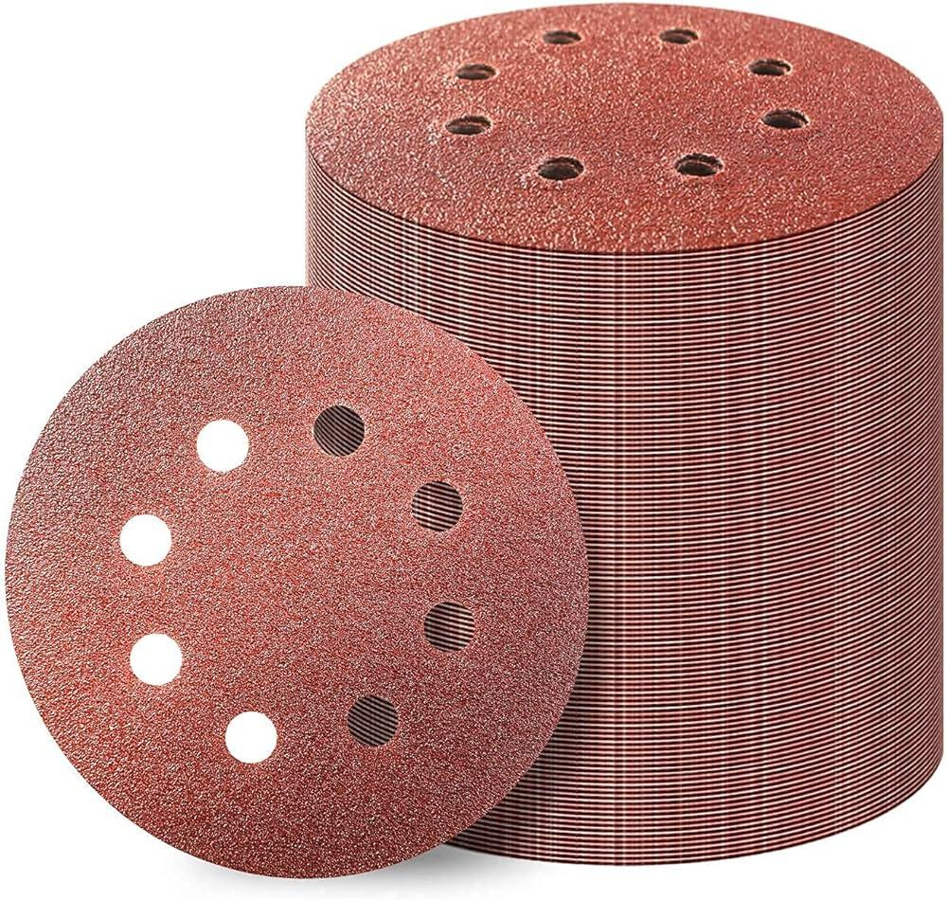
 | Furniture Assembly Worker | Paintbrush |  |  | 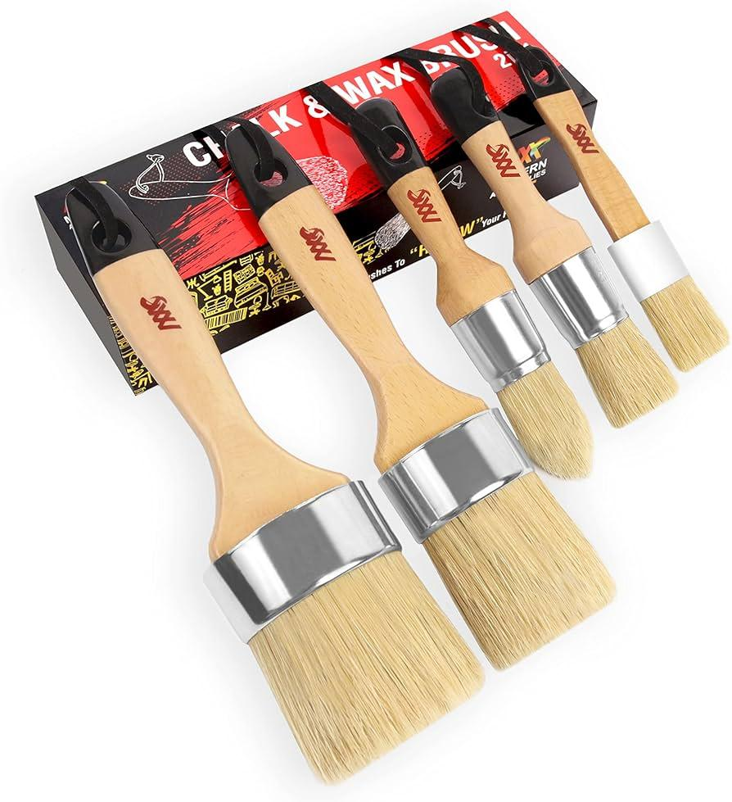
 | Furniture Assembly Worker | Wood primer
 | Furniture Assembly Worker | Wood paint
 | Furniture Assembly Worker | Desk panels |  |  | 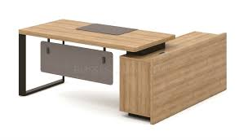
 | Furniture Assembly Worker | Miter saw |  |  | 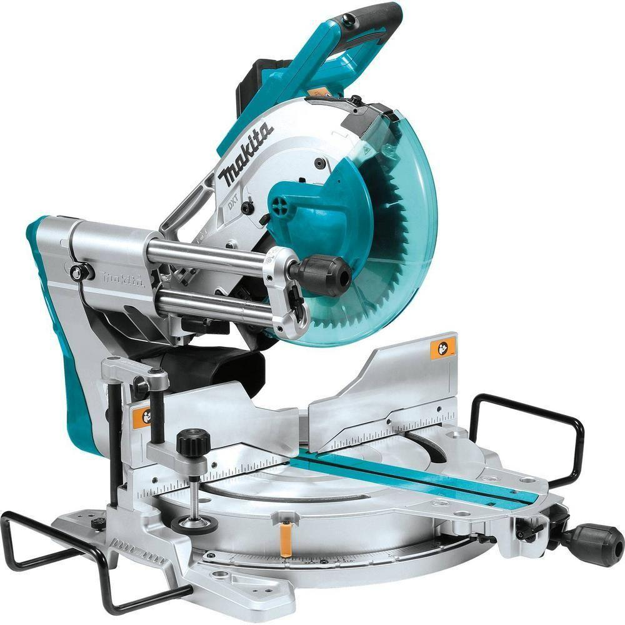
 | Furniture Assembly Worker | Pocket hole jig |  |  | 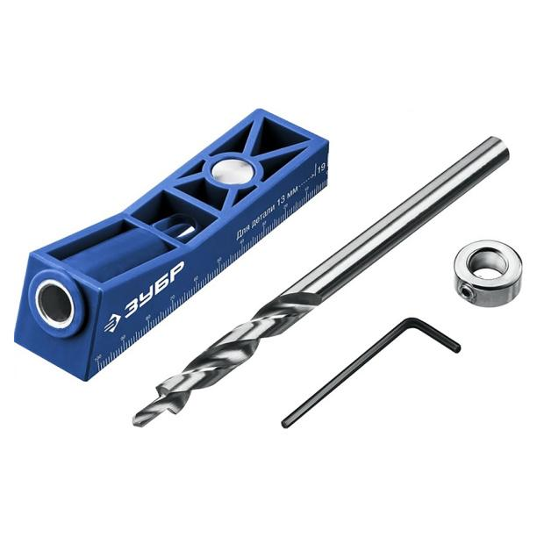
 | Furniture Assembly Worker | Carpenter's square |  |  | 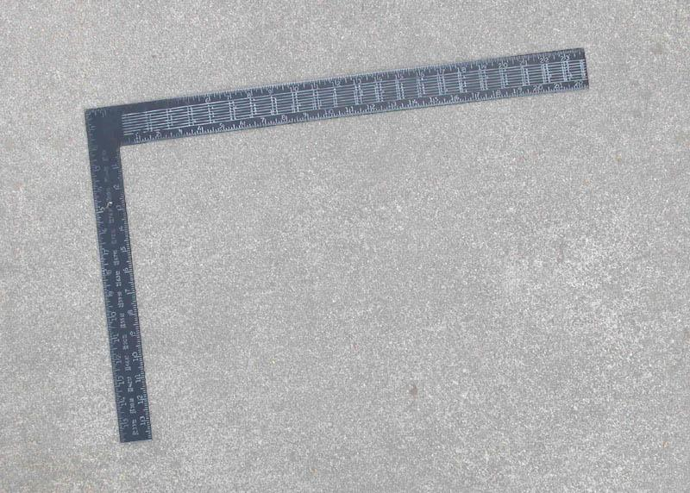
 | Furniture Assembly Worker | Shop vacuum
 | Furniture Assembly Worker | Microfiber cloths
 | Furniture Assembly Worker | All-purpose cleaner
 | Furniture Assembly Worker | Edge banding tape |  |  | 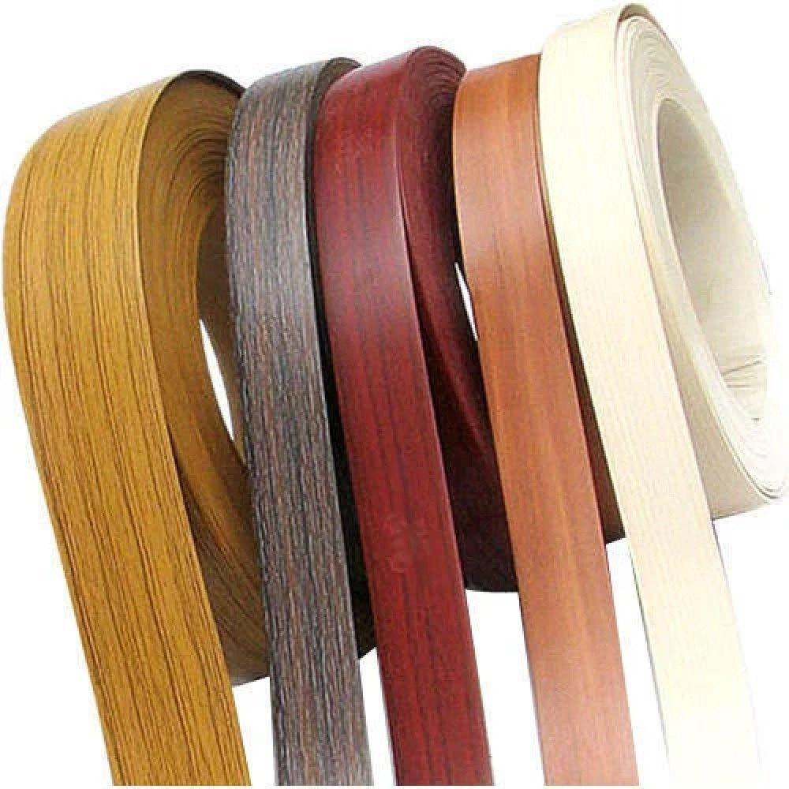
 | Furniture Assembly Worker | Edge banding machine |  |  | 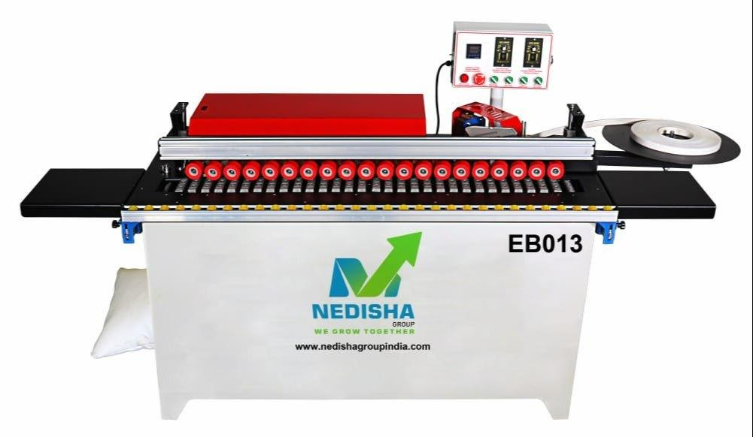
 | Furniture Assembly Worker | Edge trimmer |  |  | 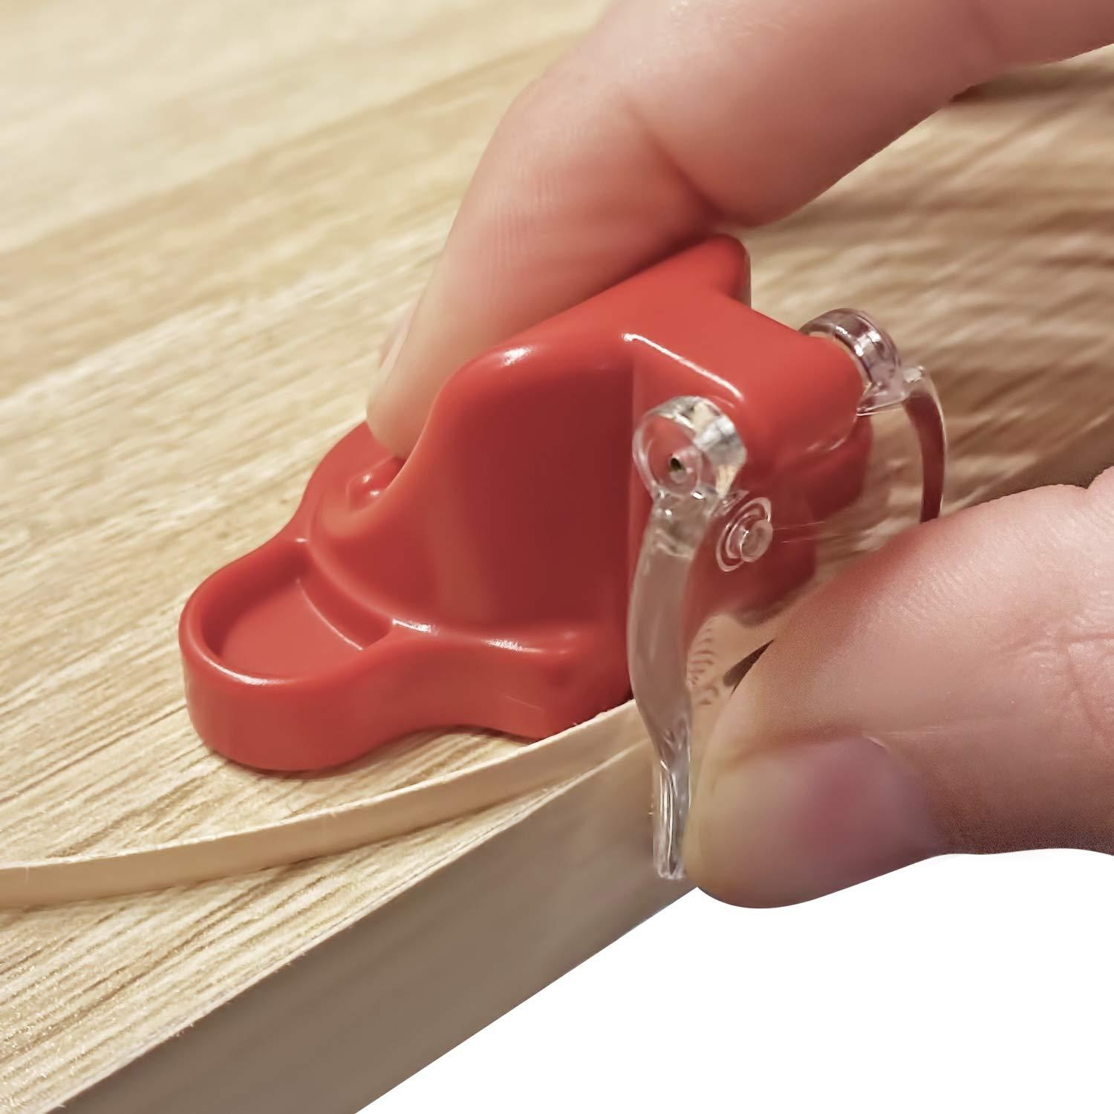
 | Furniture Assembly Worker | Scissors |  |  | 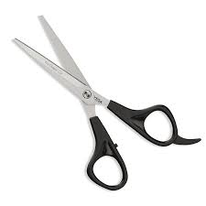
 | Furniture Assembly Worker | Cabinet doors |  |  | 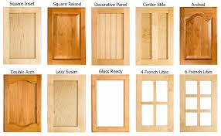
 | Furniture Assembly Worker | Combination square |  |  | 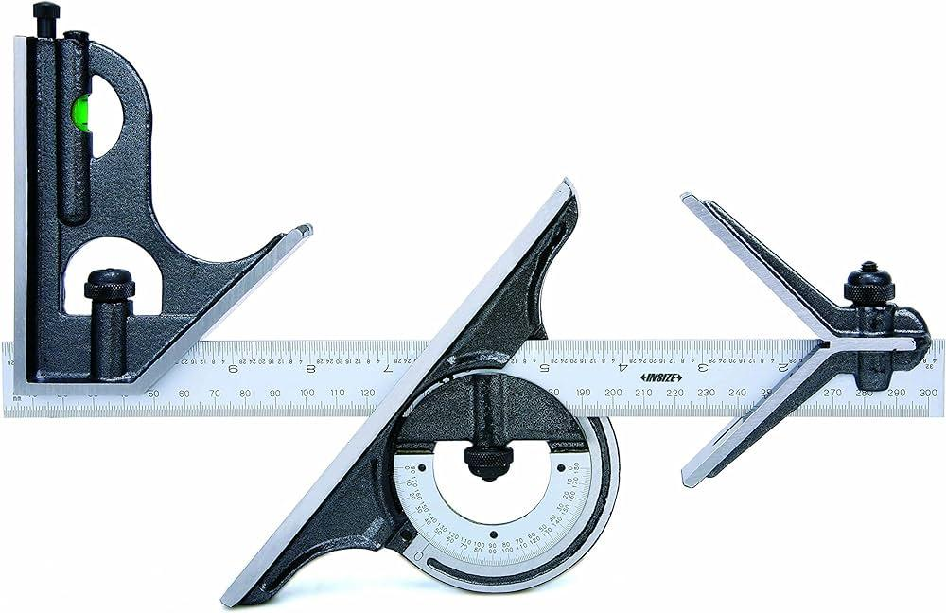
 | Furniture Assembly Worker | Magnifying glass
 | Furniture Assembly Worker | Mild cleaner
 | Furniture Assembly Worker | Touch-up paint
 | Furniture Assembly Worker | Fine brush |  |  | 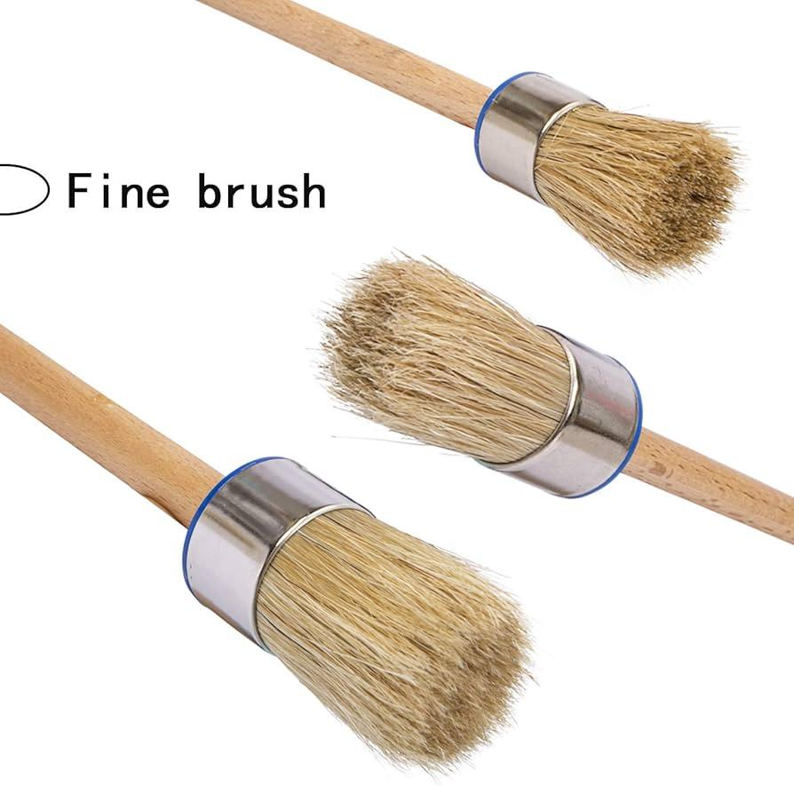
 | Furniture Assembly Worker | Corner brackets |  |  | 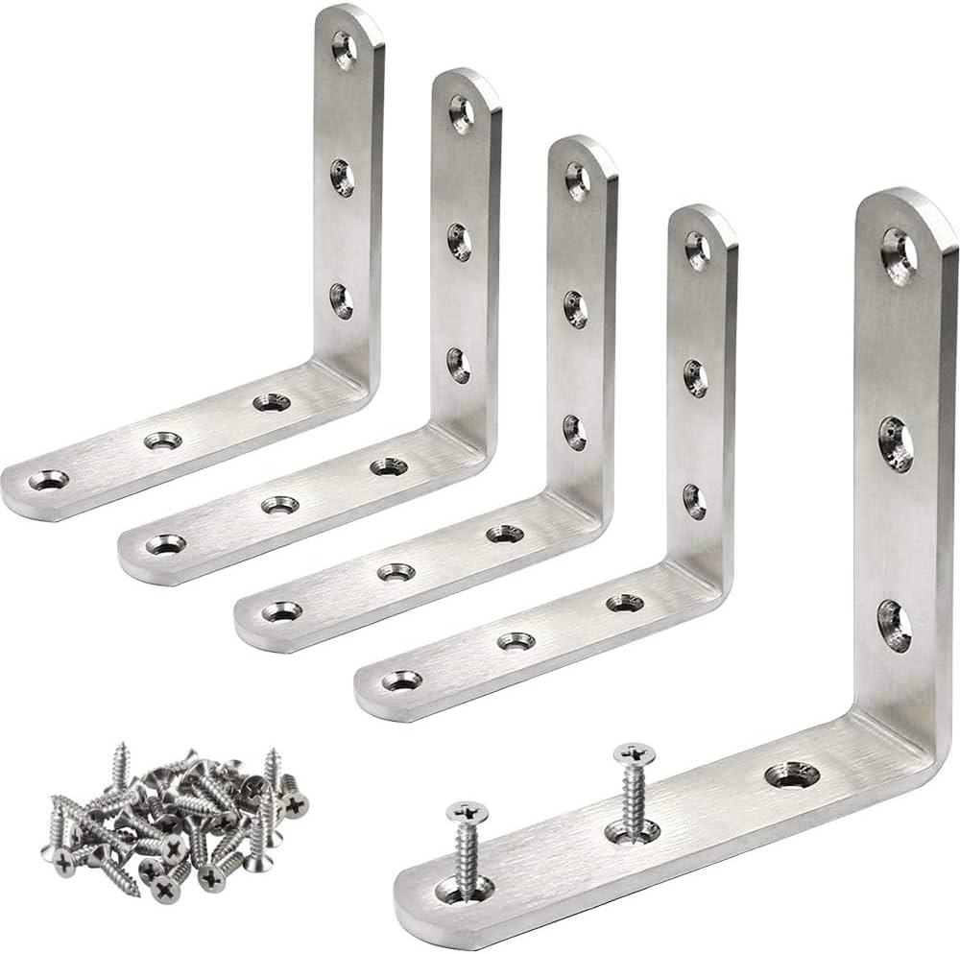
 | Furniture Assembly Worker | Stud finder |  |  | 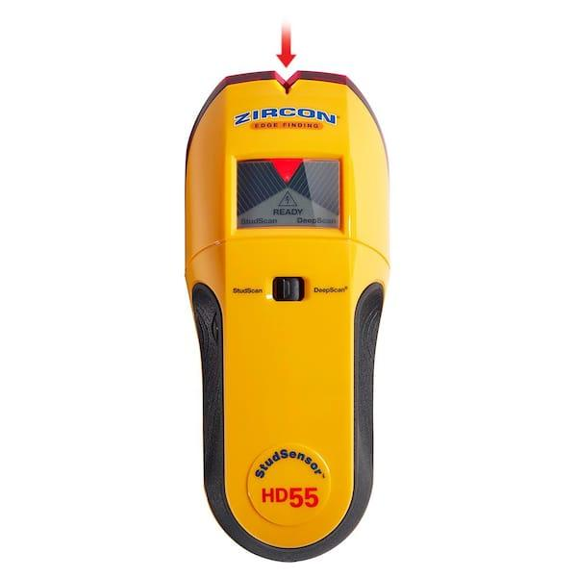
 | Furniture Assembly Worker | Wardrobe panels |  |  | 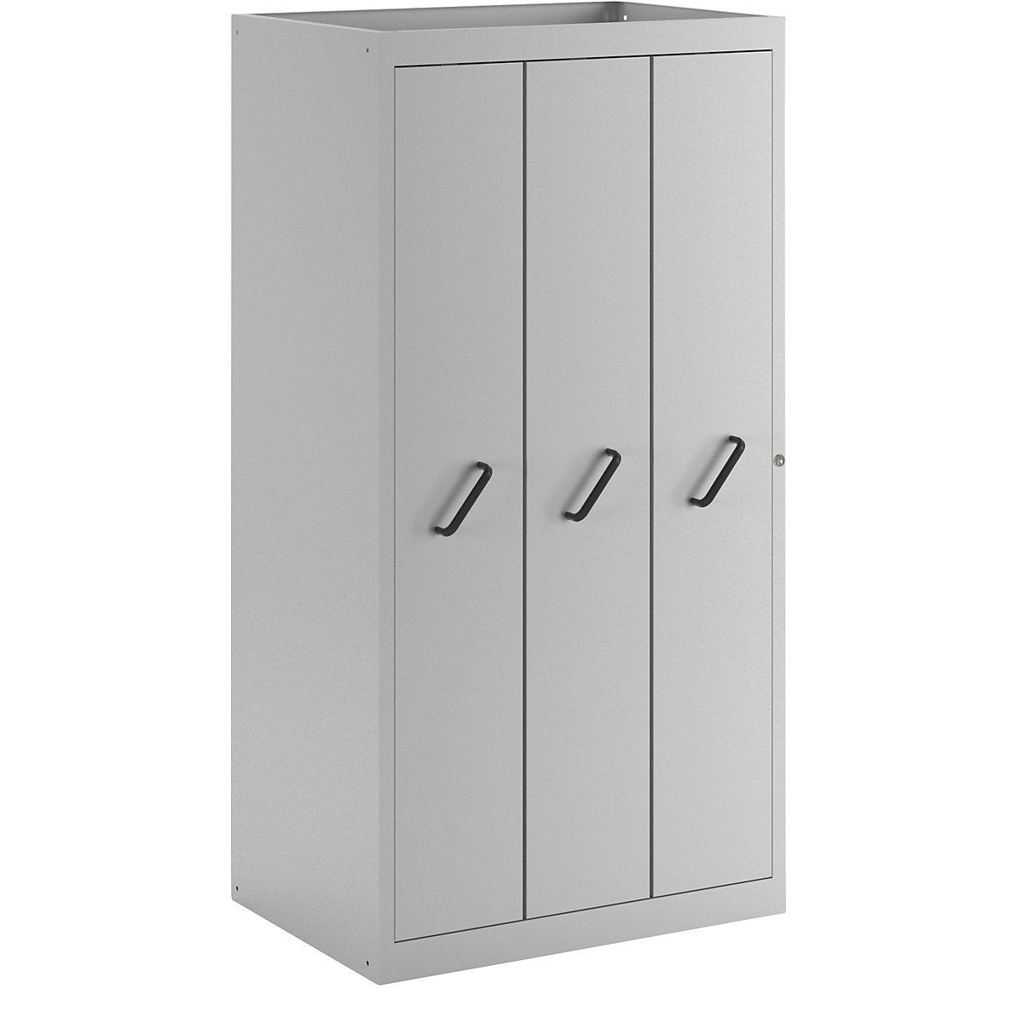
 | Furniture Assembly Worker | Circular saw |  |  | 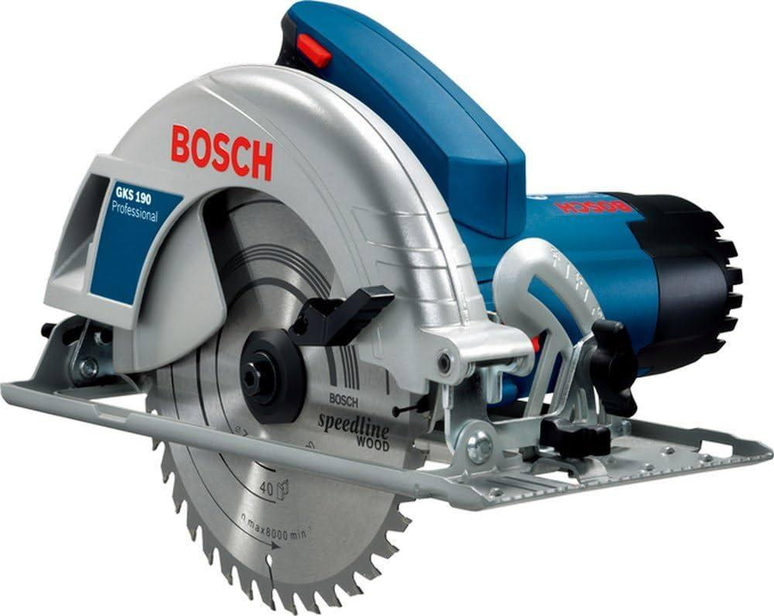
 | Furniture Assembly Worker | Dust collection system |  |  | 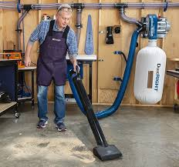
 | Furniture Assembly Worker | Abrasive blast |  |  | 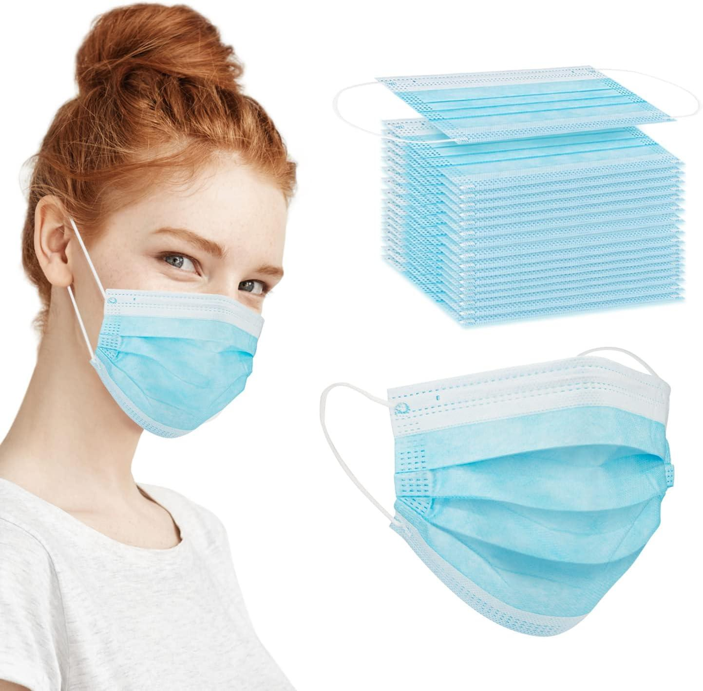
 | Furniture Assembly Worker | Acoustic cleaners (sonic horns) |  |  | 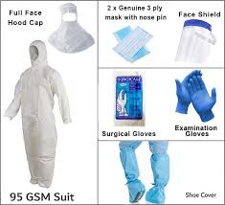 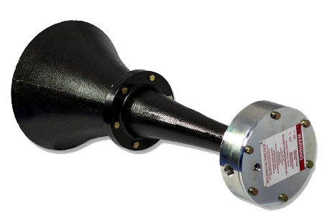
 | Furniture Assembly Worker | Steam cleaner |  |  | 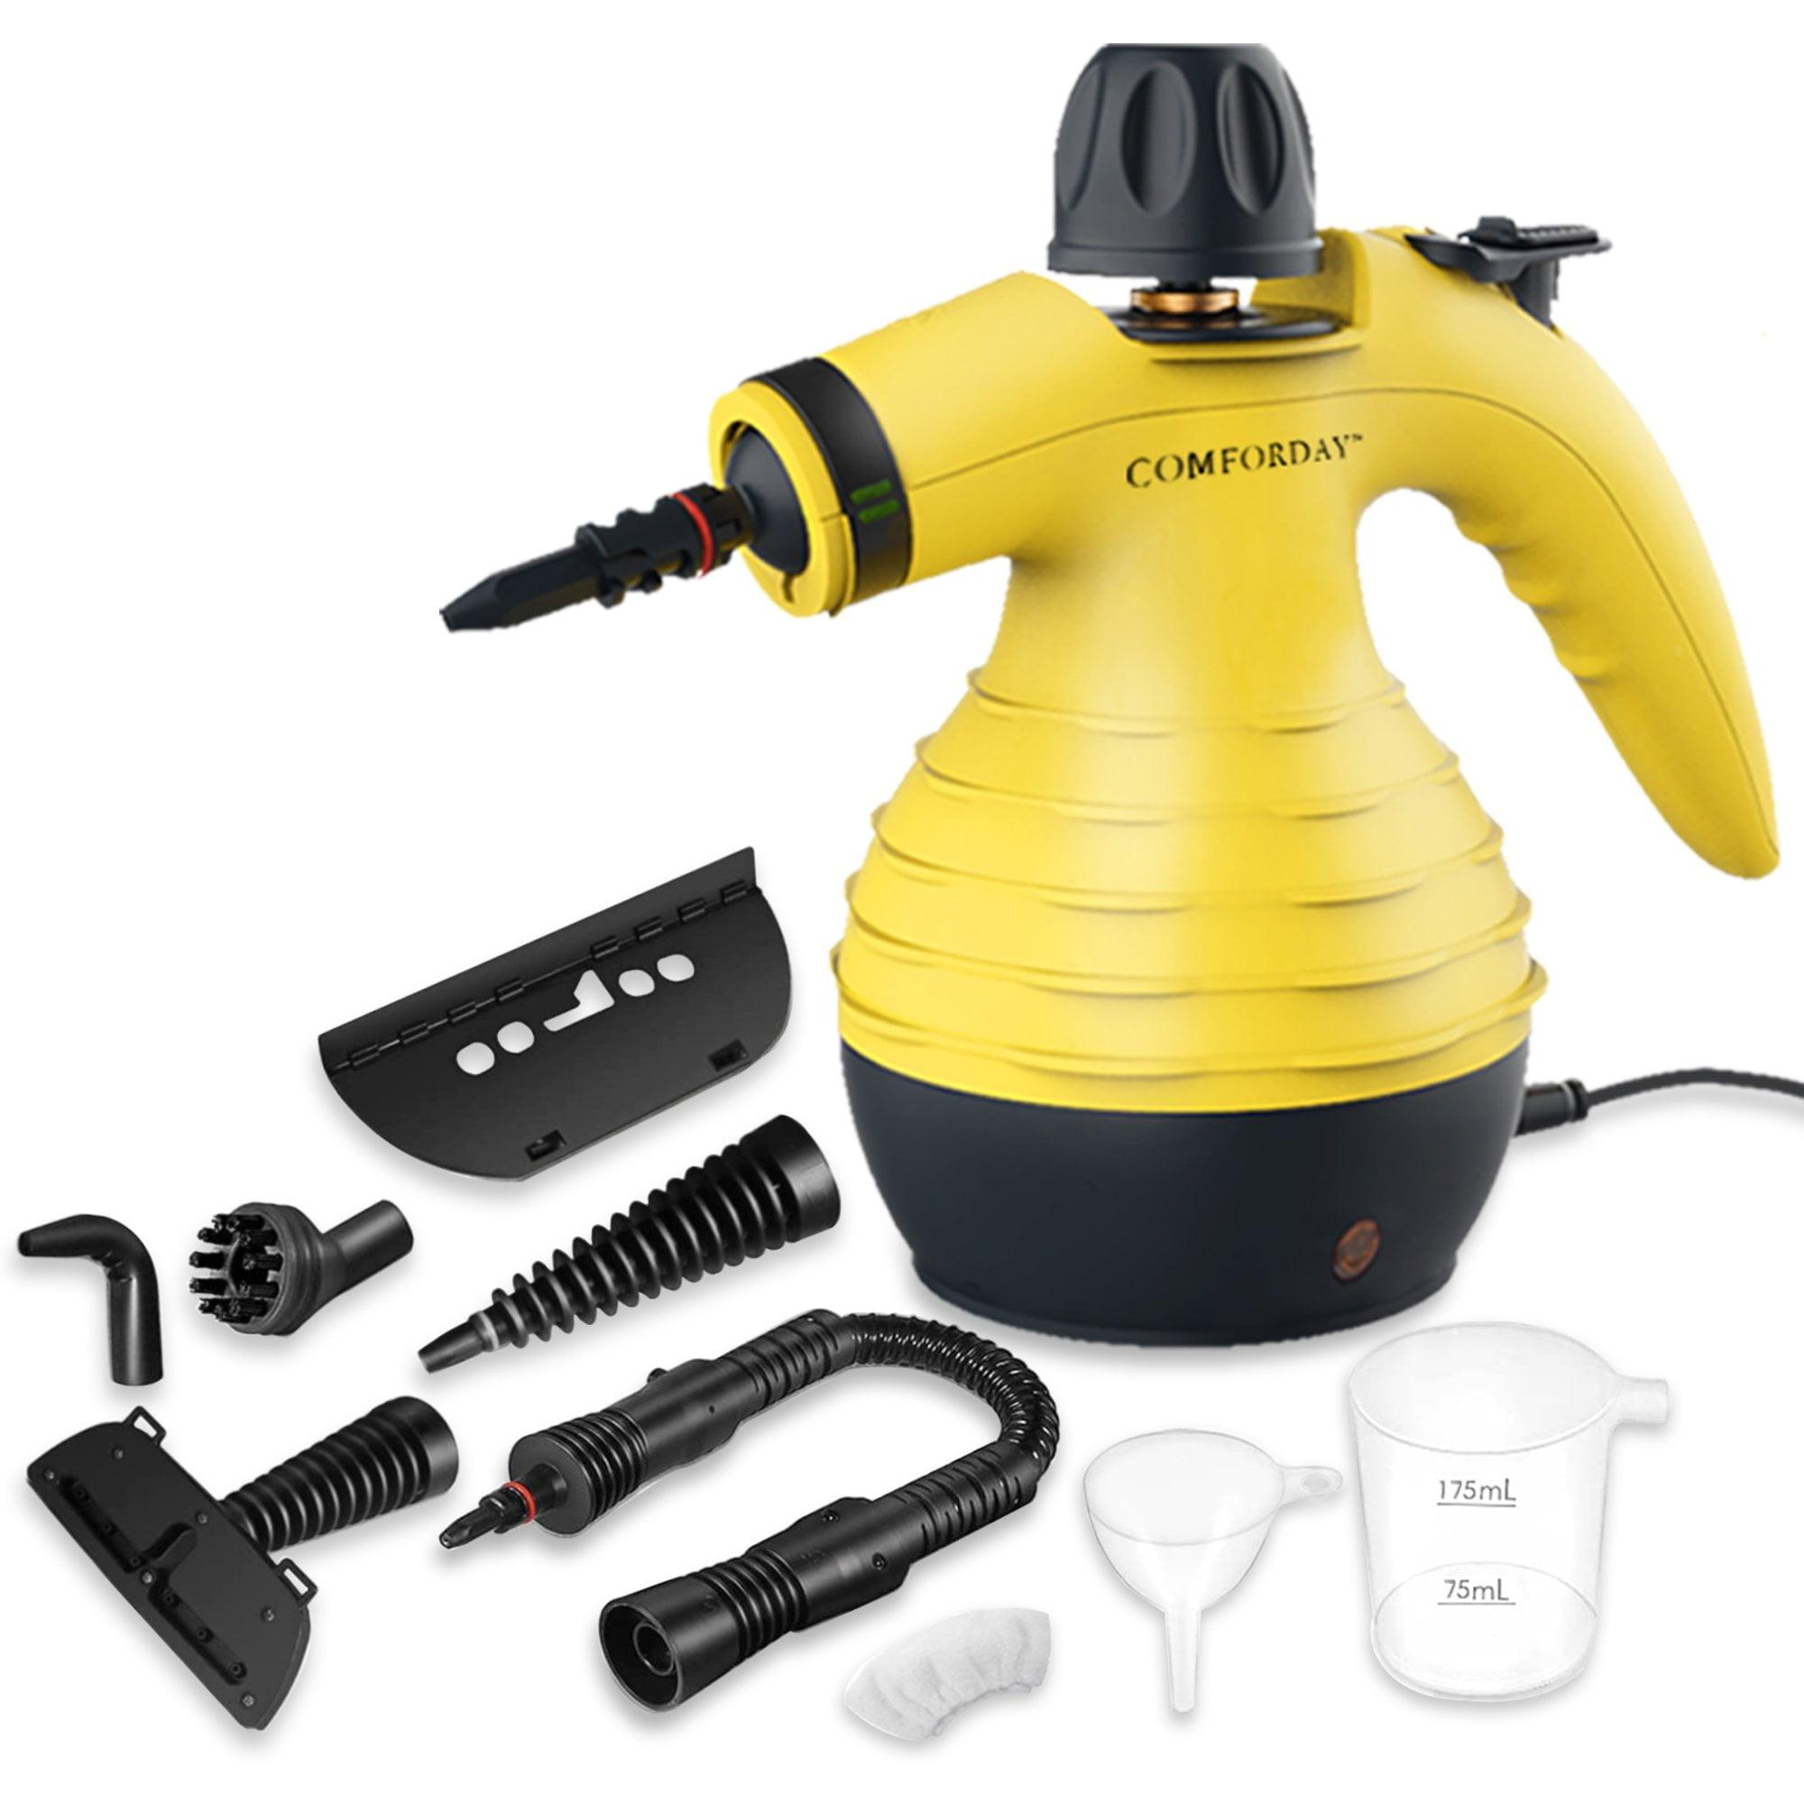
 | Furniture Assembly Worker | Distilled water
 | Furniture Assembly Worker | Cleaning cloths
 | Furniture Assembly Worker | Flame cleaning torch |  |  | 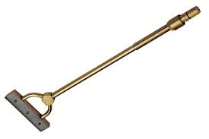
 | Furniture Assembly Worker | Scraper |  |  | 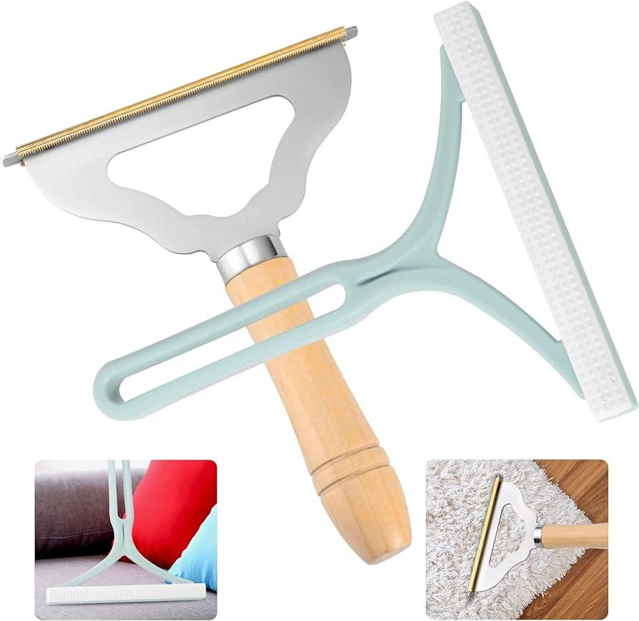
 | Furniture Assembly Worker | Disinfectant |  |  | 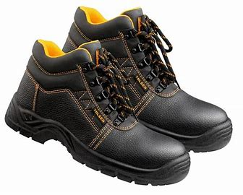  
 | Furniture Assembly Worker | Fire blanket
 | Furniture Assembly Worker | Fire extinguisher training simulator
 | Furniture Assembly Worker | Cylindrical keyed lock |  |  | 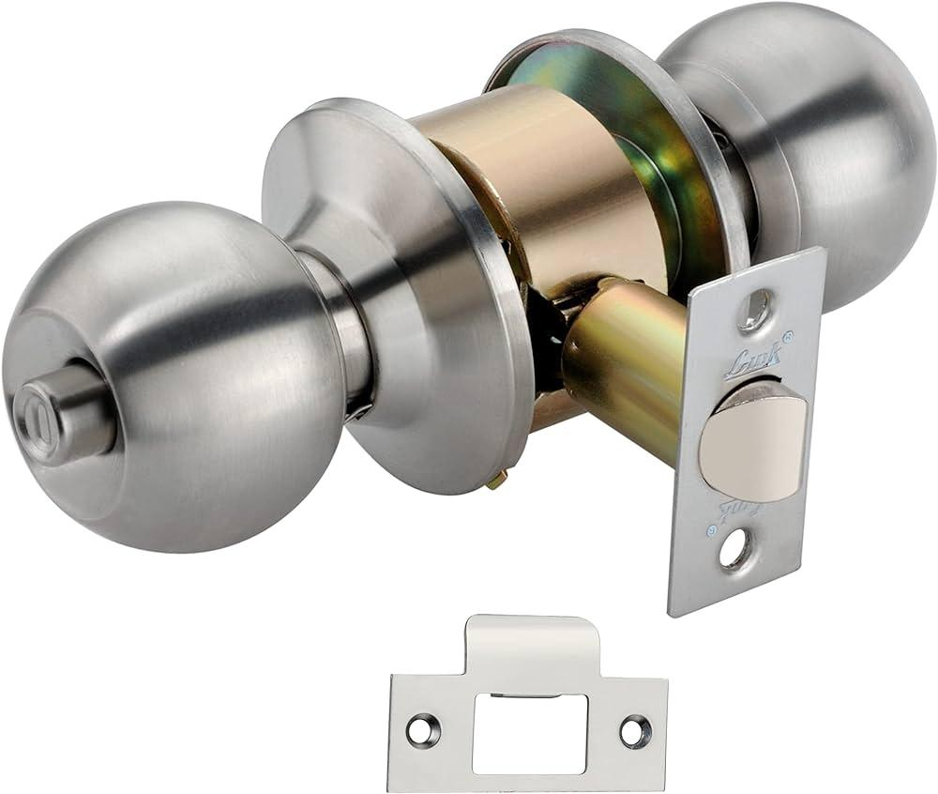
 | Furniture Assembly Worker | Cylindrical keyless lock
 | Furniture Assembly Worker | Night latch lock (inside opening) |  |  | 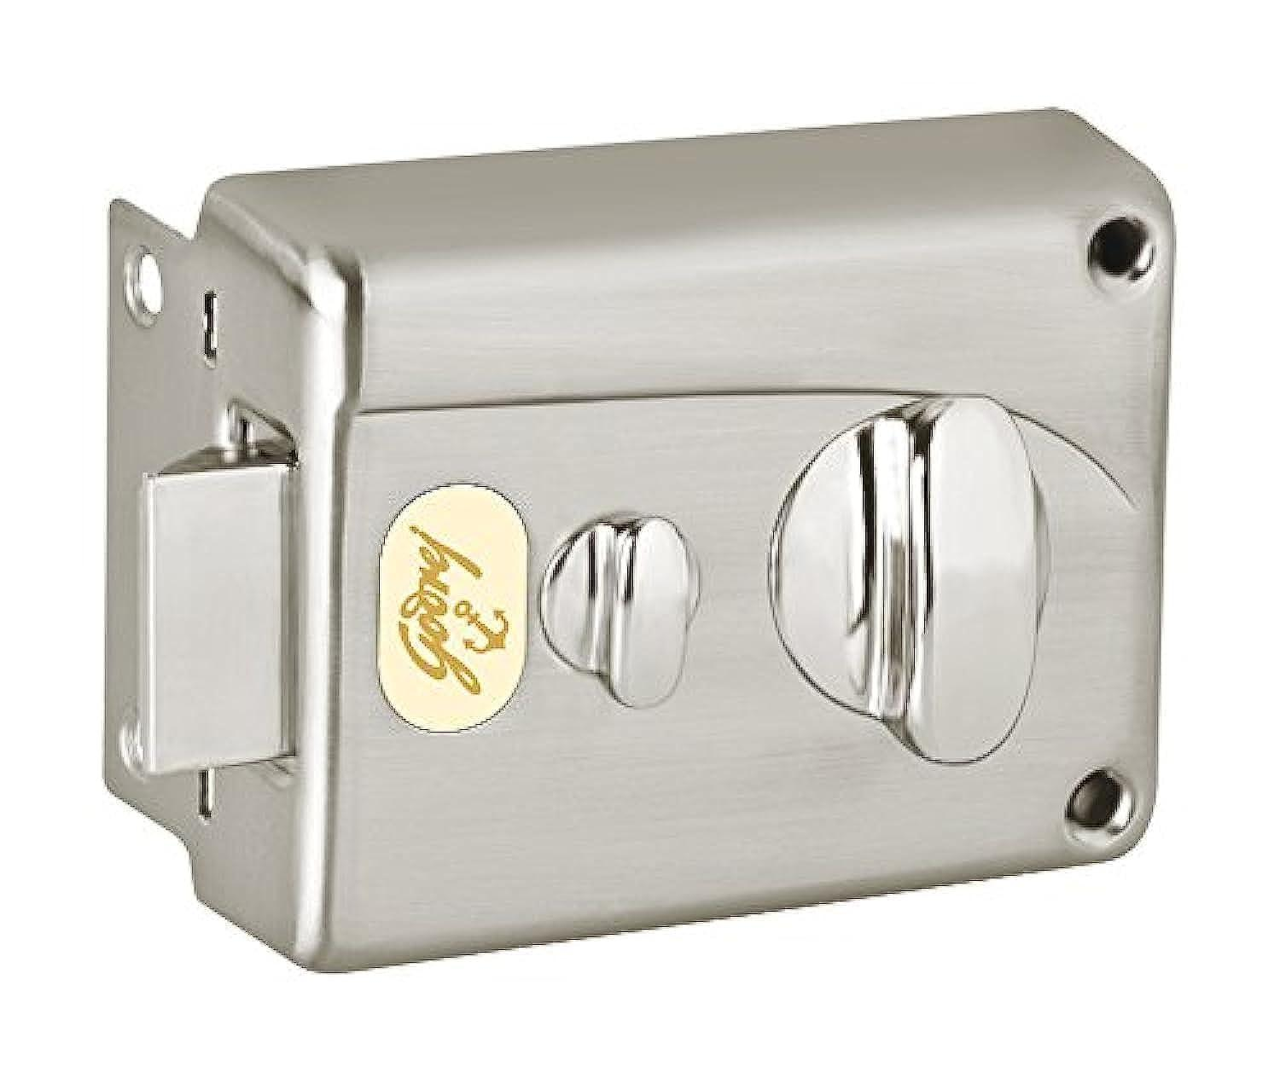
 | Furniture Assembly Worker | Night latch lock (outside opening) |  |  | 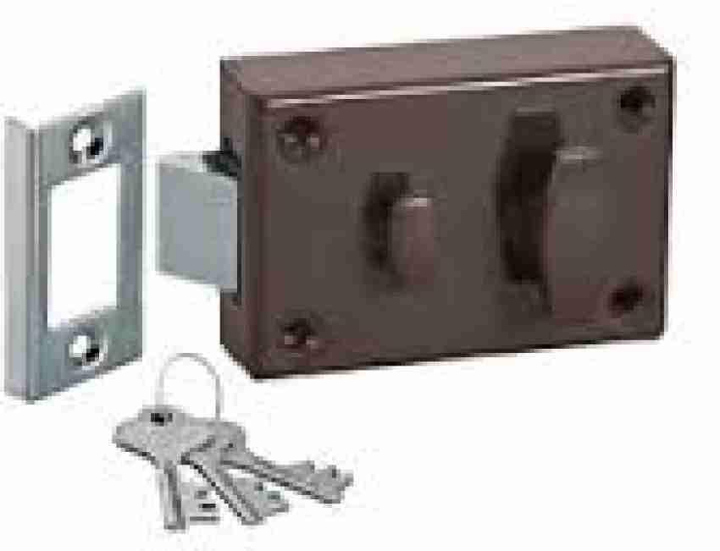
 | Furniture Assembly Worker | Rim lock (inside opening) |  |  | 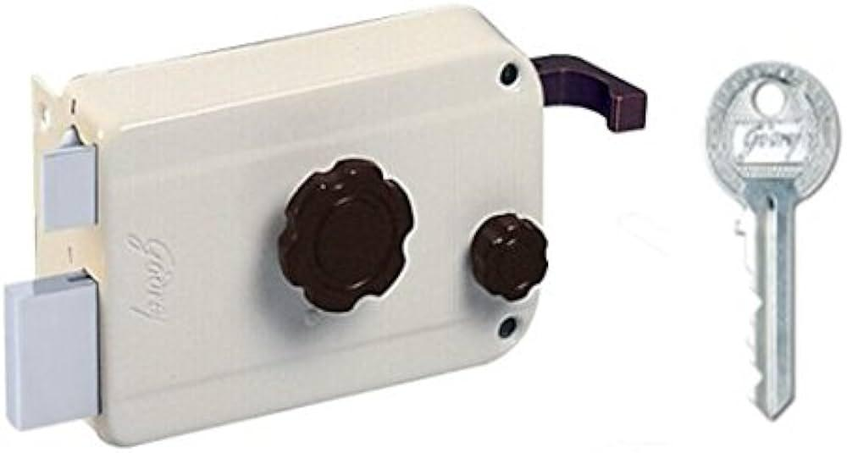
 | Furniture Assembly Worker | Mortise lock |  |  | 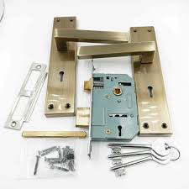
 | Furniture Assembly Worker | Chisel |  |  | 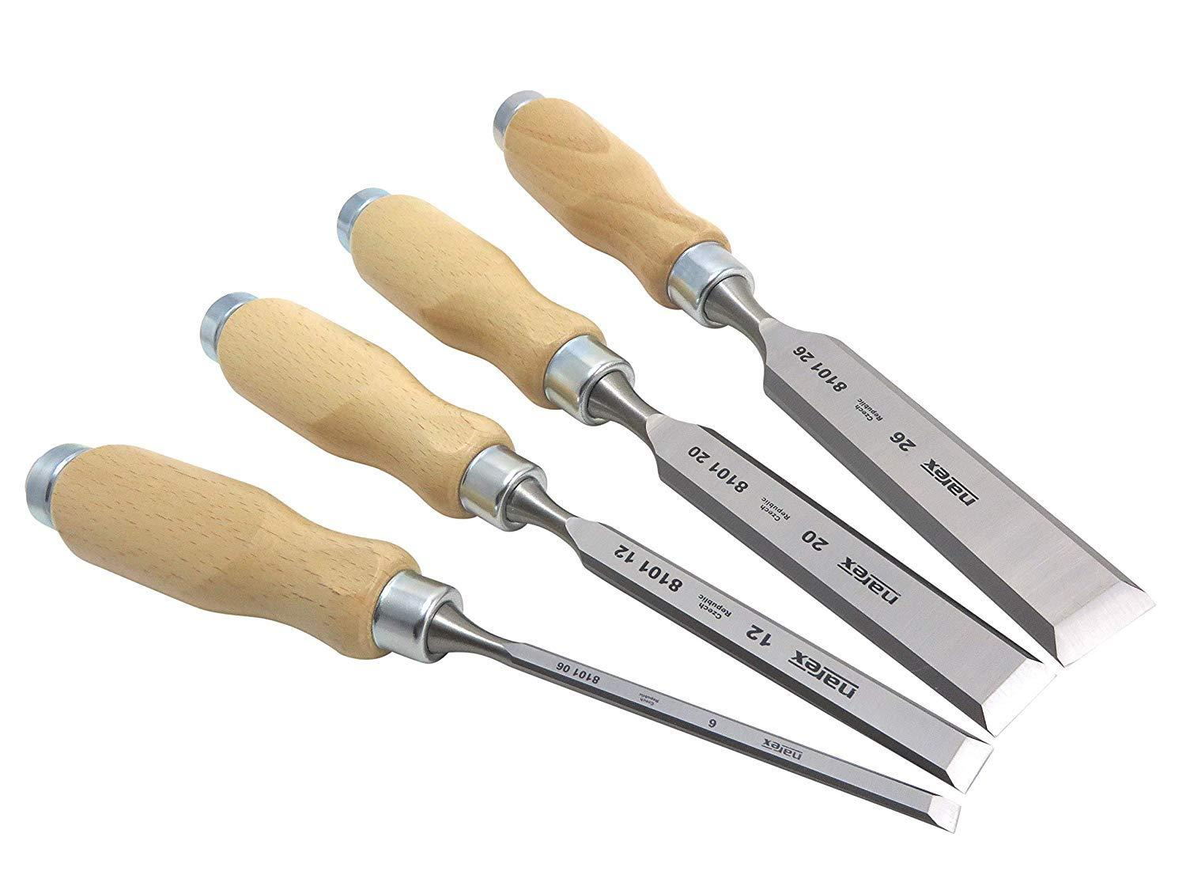
 | Furniture Assembly Worker | Clamps |  |  | 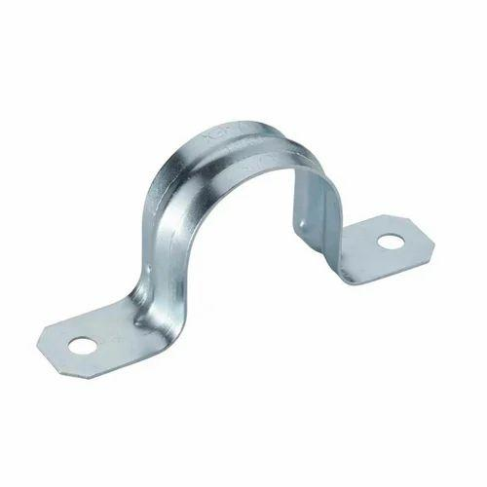
 | Furniture Assembly Worker | Dowels |  |  | 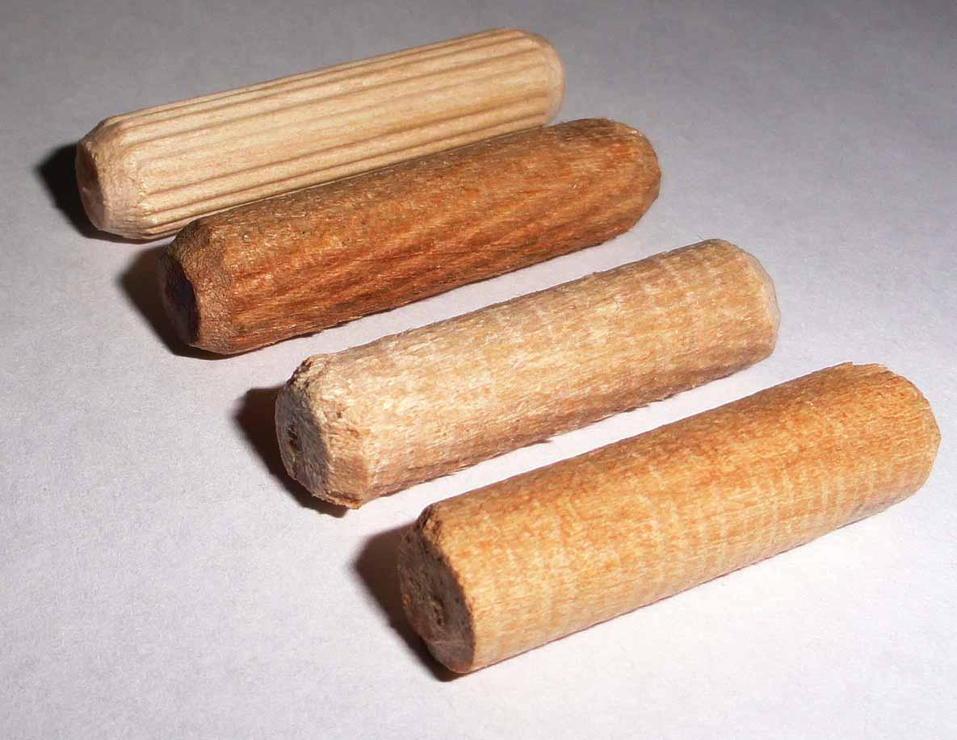
 | Furniture Assembly Worker | Dowel jig |  |  | 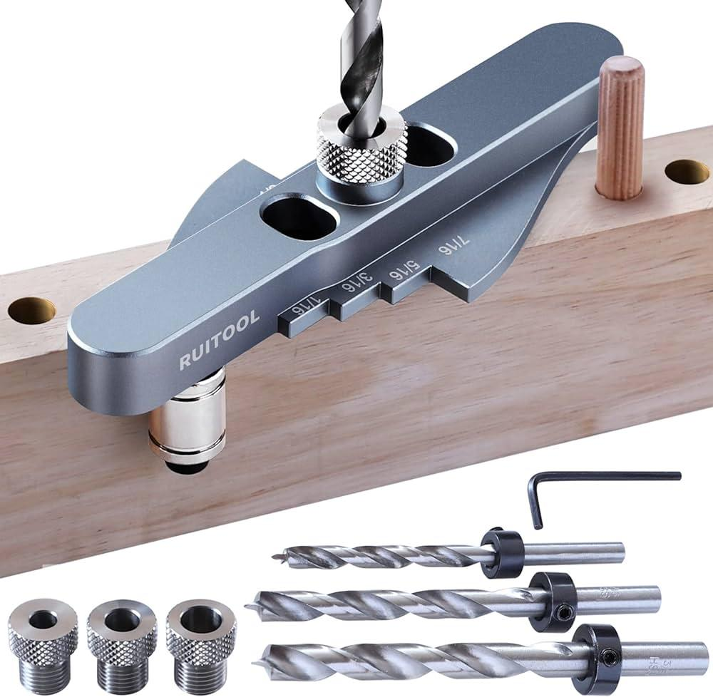
 | Furniture Assembly Worker | Router |  |  | 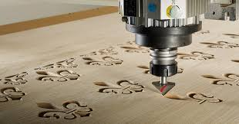
 | Furniture Assembly Worker | Touch-up markers
 | Furniture Assembly Worker | A wooden chair
 | Furniture Assembly Worker | 120 and 220 grit sandpaper
 | Furniture Assembly Worker | Tack cloth
 | Furniture Assembly Worker | Dust mask
 | Furniture Assembly Worker | A wooden cabinet
 | Furniture Assembly Worker | Polish
 | Furniture Assembly Worker | Polishing cloth
 | Furniture Assembly Worker | Applicator pads
 | Furniture Assembly Worker | Wooden picture frame
 | Furniture Assembly Worker | Sanding block
 | Furniture Assembly Worker | Sandpaper (various grits)
 | Furniture Assembly Worker | Steel wool
 | Furniture Assembly Worker | Mineral spirits
 | Furniture Assembly Worker | Painter's tape
 | Furniture Assembly Worker | Wood conditioner
 | Furniture Assembly Worker | A workstation with space to work on the plank
 | Furniture Assembly Worker | Wooden plank (15cm x 30cm)
 | Furniture Assembly Worker | Wall hooks
 | Furniture Assembly Worker | Solid wooden block (15cm x 15cm x 25cm)
 | Furniture Assembly Worker | Drill bits
 | Furniture Assembly Worker | Drill press
 | Furniture Assembly Worker | A workbench with necessary provision to lay the cabinet door flat
 | Furniture Assembly Worker | Cabinet door (50cm x 40cm)
 | Furniture Assembly Worker | A well-ventilated area with a table to place the stool on
 | Furniture Assembly Worker | Wood stain
 | Furniture Assembly Worker | Wooden stool
 | Furniture Assembly Worker | A spacious and well-ventilated area
 | Furniture Assembly Worker | Polishing compound
 | Furniture Assembly Worker | Polisher
 | Furniture Assembly Worker | Spacious workbench
 | Furniture Assembly Worker | Wooden planks (100cm x 60cm for table top, 50cm x 40cm for seats)
 | Furniture Assembly Worker | Brackets
 | Furniture Assembly Worker | A well-ventilated area with space for laying out the tabletop
 | Furniture Assembly Worker | Wood varnish
 | Furniture Assembly Worker | Staining brush
 | Furniture Assembly Worker | Nails
 | Furniture Assembly Worker | A workspace with cabinets ready for door installation
 | Furniture Assembly Worker | A sanding station with an orbital sander
 | Furniture Assembly Worker | A workbench with sufficient space to assemble the bookcase
 | Furniture Assembly Worker | Wooden planks (90cm x 30cm for shelves)
 | Furniture Assembly Worker | Damaged wooden chair
 | Furniture Assembly Worker | A well-ventilated area with a table for finishing
 | Furniture Assembly Worker | Sealer
 | Furniture Assembly Worker | Wooden tray
 | Furniture Assembly Worker | A sturdy workbench
 | Furniture Assembly Worker | Wooden planks (40cm x 20cm for top, 20cm x 5cm for legs)
 | Furniture Assembly Worker | A clean, flat assembly space
 | Furniture Assembly Worker | Circular wooden top (30cm diameter)
 | Furniture Assembly Worker | 3 wooden rods (50cm each)
 | Furniture Assembly Worker | A flat surface with a support to hold the door
 | Furniture Assembly Worker | Wooden door (50cm x 70cm)
 | Furniture Assembly Worker | A well-ventilated area with a table placed on a drop cloth
 | Furniture Assembly Worker | A bookcase ready for additional shelving and a workbench
 | Furniture Assembly Worker | Wooden plank (60cm x 20cm)
 | Furniture Assembly Worker | A work area with enough space to accommodate a chair
 | Furniture Assembly Worker | Spare wooden piece (as needed)
 | Furniture Assembly Worker | Wood glue
 | Furniture Assembly Worker | A workspace with Easy
 | Furniture Assembly Worker | Cabinet structure ready for drawers
 | Furniture Assembly Worker | Adjustable hinges
 | Furniture Assembly Worker | A workshop table with various furniture needing joint adjustments
 | Furniture Assembly Worker | Screws
 | Furniture Assembly Worker | Bolts
 | Furniture Assembly Worker | Allen key
 | Furniture Assembly Worker | Drawer
 | Furniture Assembly Worker | Replacement sliders
 | Furniture Assembly Worker | Ball-bearing sliders
 | Furniture Assembly Worker | Side-mount sliders
 | Furniture Assembly Worker | Undermount sliders
 | Furniture Assembly Worker | Door
 | Furniture Assembly Worker | Noisy hinge
 | Furniture Assembly Worker | Lubricant spray
 | Furniture Assembly Worker | Rusty hinges
 | Furniture Assembly Worker | Rust remover
 | Furniture Assembly Worker | Wire brush
 | Furniture Assembly Worker | Unlevel jamb
 | Furniture Assembly Worker | Shims
 | Furniture Assembly Worker | Stuck hinge pin
 | Furniture Assembly Worker | Hammer
 | Furniture Assembly Worker | Punch
 | Furniture Assembly Worker | Loose hinges
 | Furniture Assembly Worker | Wood filler

