Food & Beverage's Coun't Server
Sector Name | Occupation name | Equipment name | Minimum number of equipment required (per batch of 30 trainees) | Unit type | Images
 | Food & Beverage's Counter Server | Reservation book or digital reservation system
 | Food & Beverage's Counter Server | Hand sanitizer
 | Food & Beverage's Counter Server | Sieve |  |  | 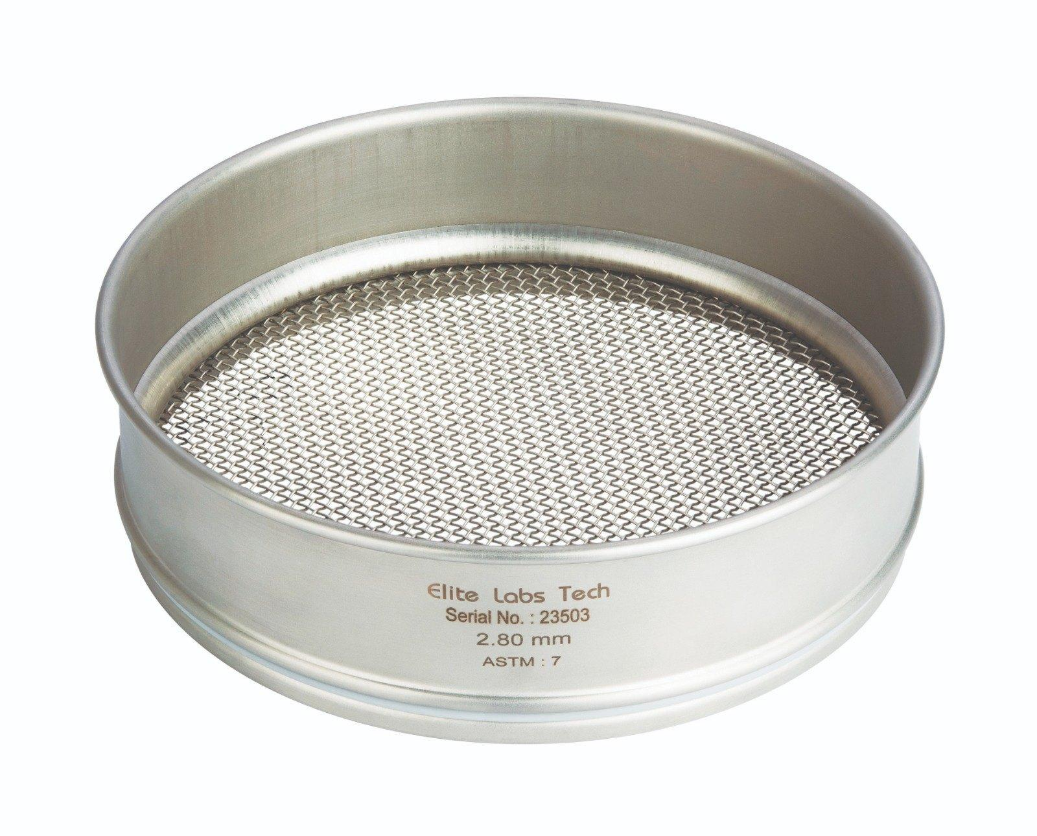
 | Food & Beverage's Counter Server | Bar spoon |  |  | 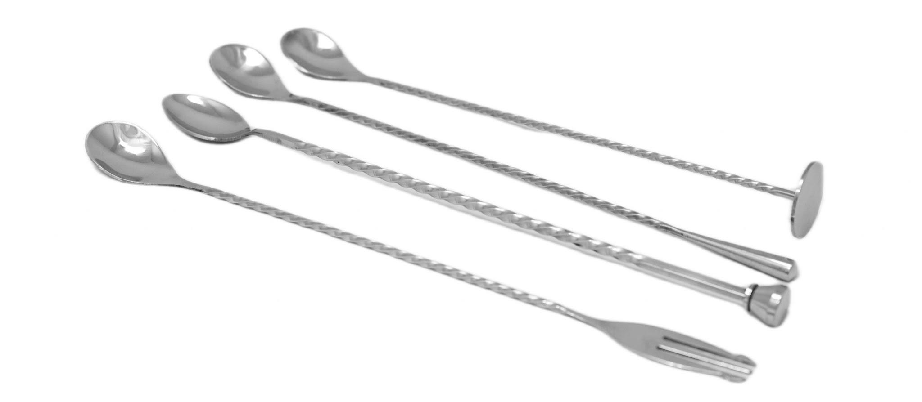
 | Food & Beverage's Counter Server | Muddler |  |  | 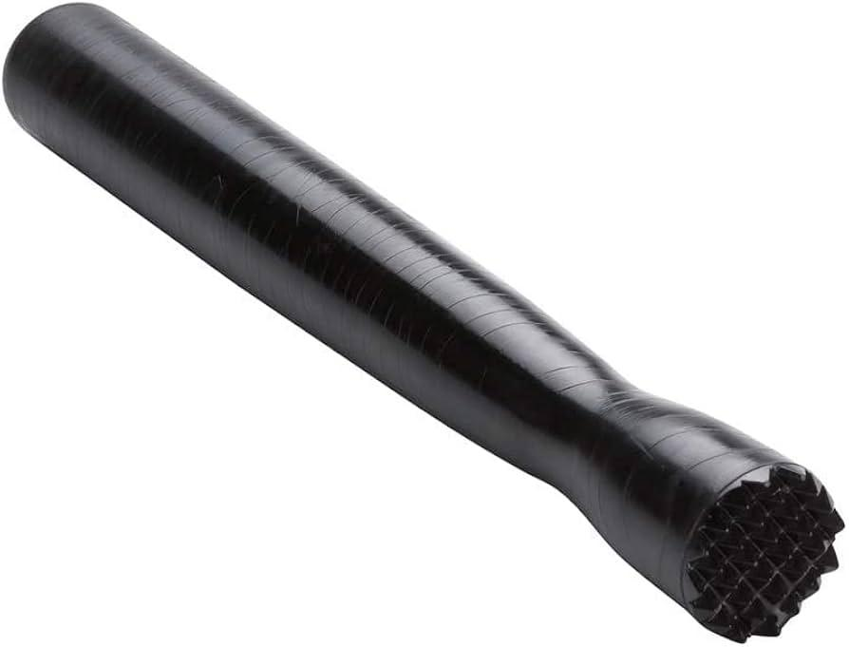
 | Food & Beverage's Counter Server | Milk Frother |  |  | 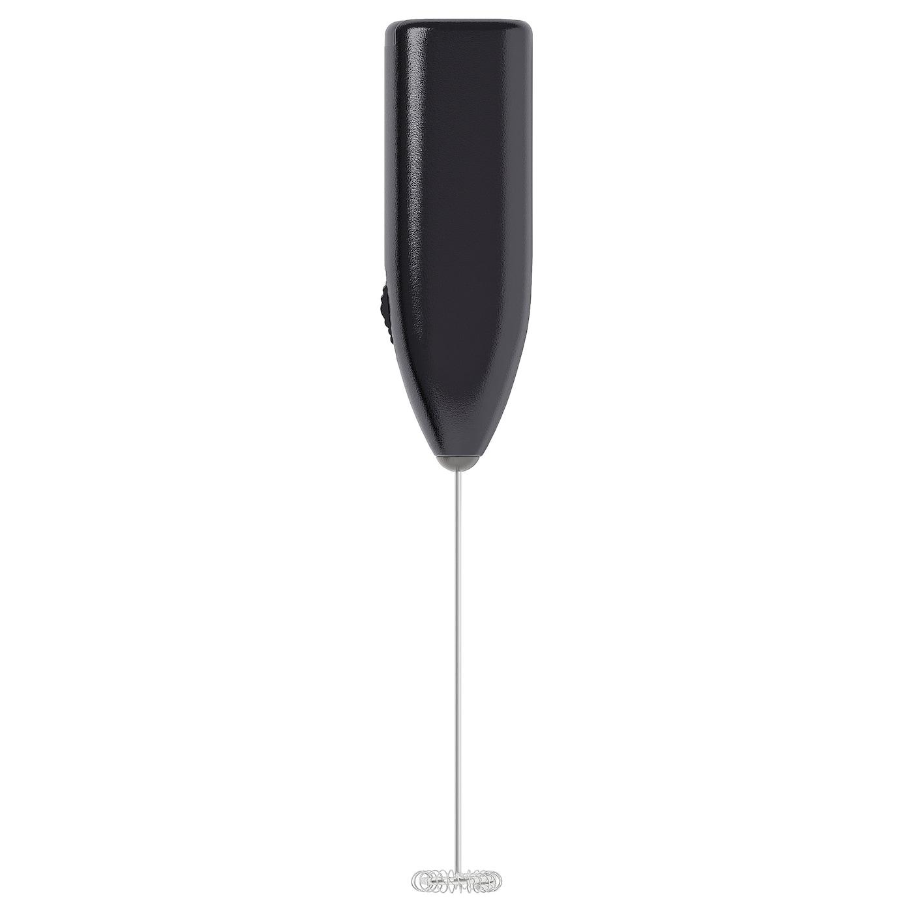
 | Food & Beverage's Counter Server | Toothpicks
 | Food & Beverage's Counter Server | Wet Floor Sign |  |  | 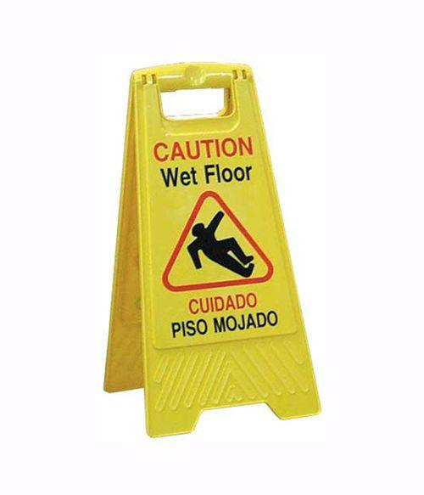
 | Food & Beverage's Counter Server | Dustpan and Broom (or Spill Kit) |  |  | 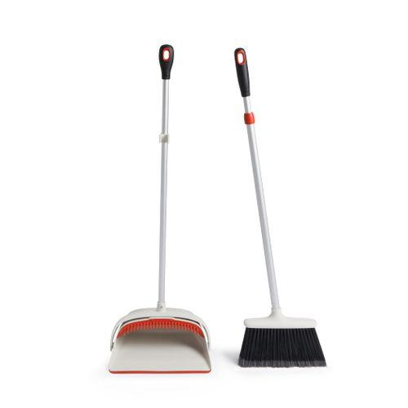
 | Food & Beverage's Counter Server | Mop and Bucket
 | Food & Beverage's Counter Server | Fresh Soup of the Same Kind
 | Food & Beverage's Counter Server | Clean Plate and Utensils |  |  | 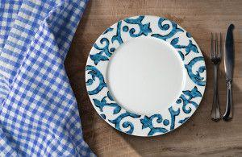
 | Food & Beverage's Counter Server | Fresh Burger |  |  | 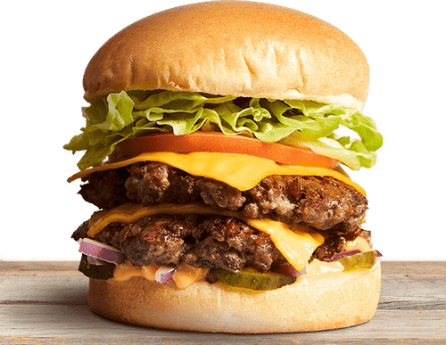
 | Food & Beverage's Counter Server | Coworker
 | Food & Beverage's Counter Server | Manager
 | Food & Beverage's Counter Server | Hamburger Patty |  |  | 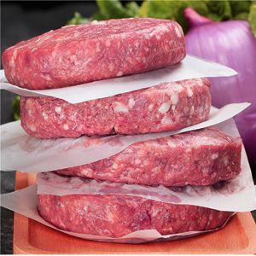
 | Food & Beverage's Counter Server | Bin
 | Food & Beverage's Counter Server | Order Tracking System
 | Food & Beverage's Counter Server | New Employee
 | Food & Beverage's Counter Server | Server
 | Food & Beverage's Counter Server | Menu
 | Food & Beverage's Counter Server | Heat Lamp or Warming Drawer |  |  | 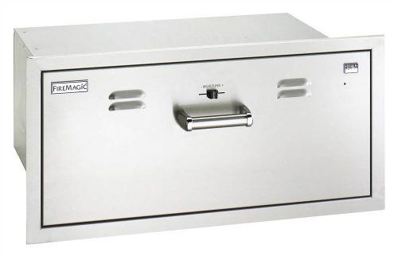
 | Food & Beverage's Counter Server | Clean Plate |  |  | 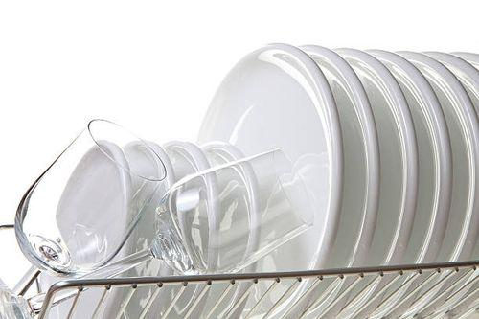
 | Food & Beverage's Counter Server | Order Correction System
 | Food & Beverage's Counter Server | Trash Can |  |  | 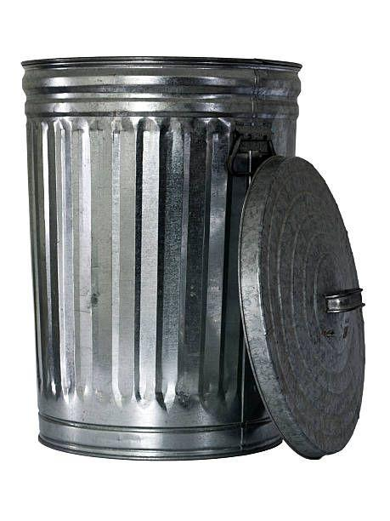
 | Food & Beverage's Counter Server | Cleaning Cloth or Sponge |  |  | 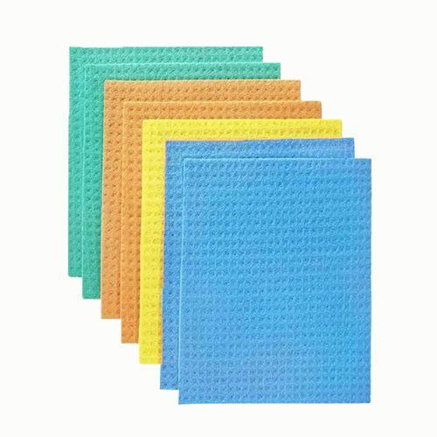
 | Food & Beverage's Counter Server | All-Purpose Cleaner or Sanitizer |  |  | 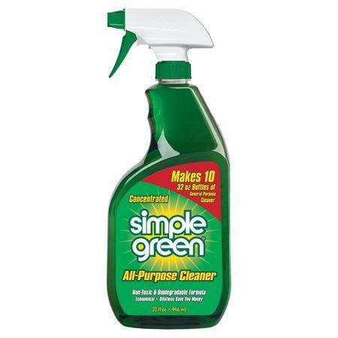
 | Food & Beverage's Counter Server | Scraper |  |  | 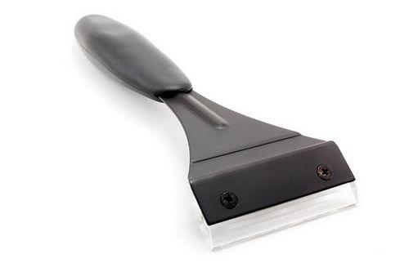
 | Food & Beverage's Counter Server | Dishwashing Liquid and Basin |  |  | 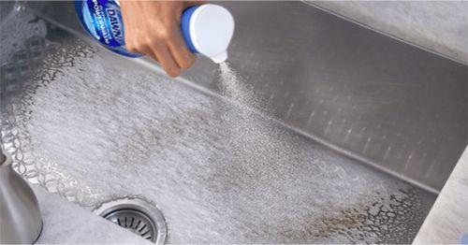
 | Food & Beverage's Counter Server | Disposable Gloves |  |  | 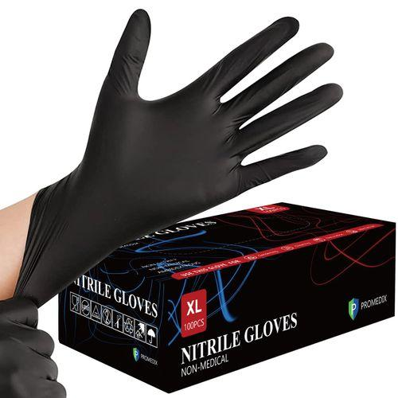
 | Food & Beverage's Counter Server | Crumbs and leftover items |  |  | 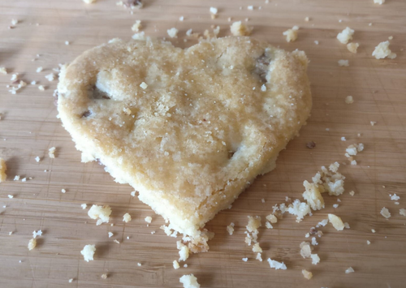
 | Food & Beverage's Counter Server | Sandwich press |  |  | 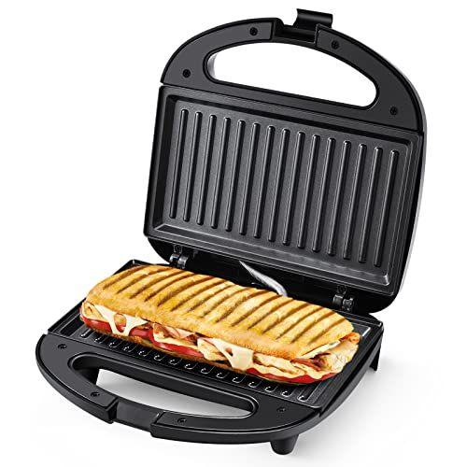
 | Food & Beverage's Counter Server | Utensil holder |  |  | 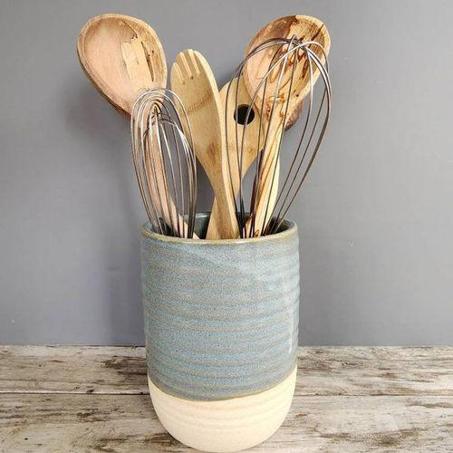
 | Food & Beverage's Counter Server | Countertop
 | Food & Beverage's Counter Server | Utensils and equipment like knives, heating bowl, etc |  |  | 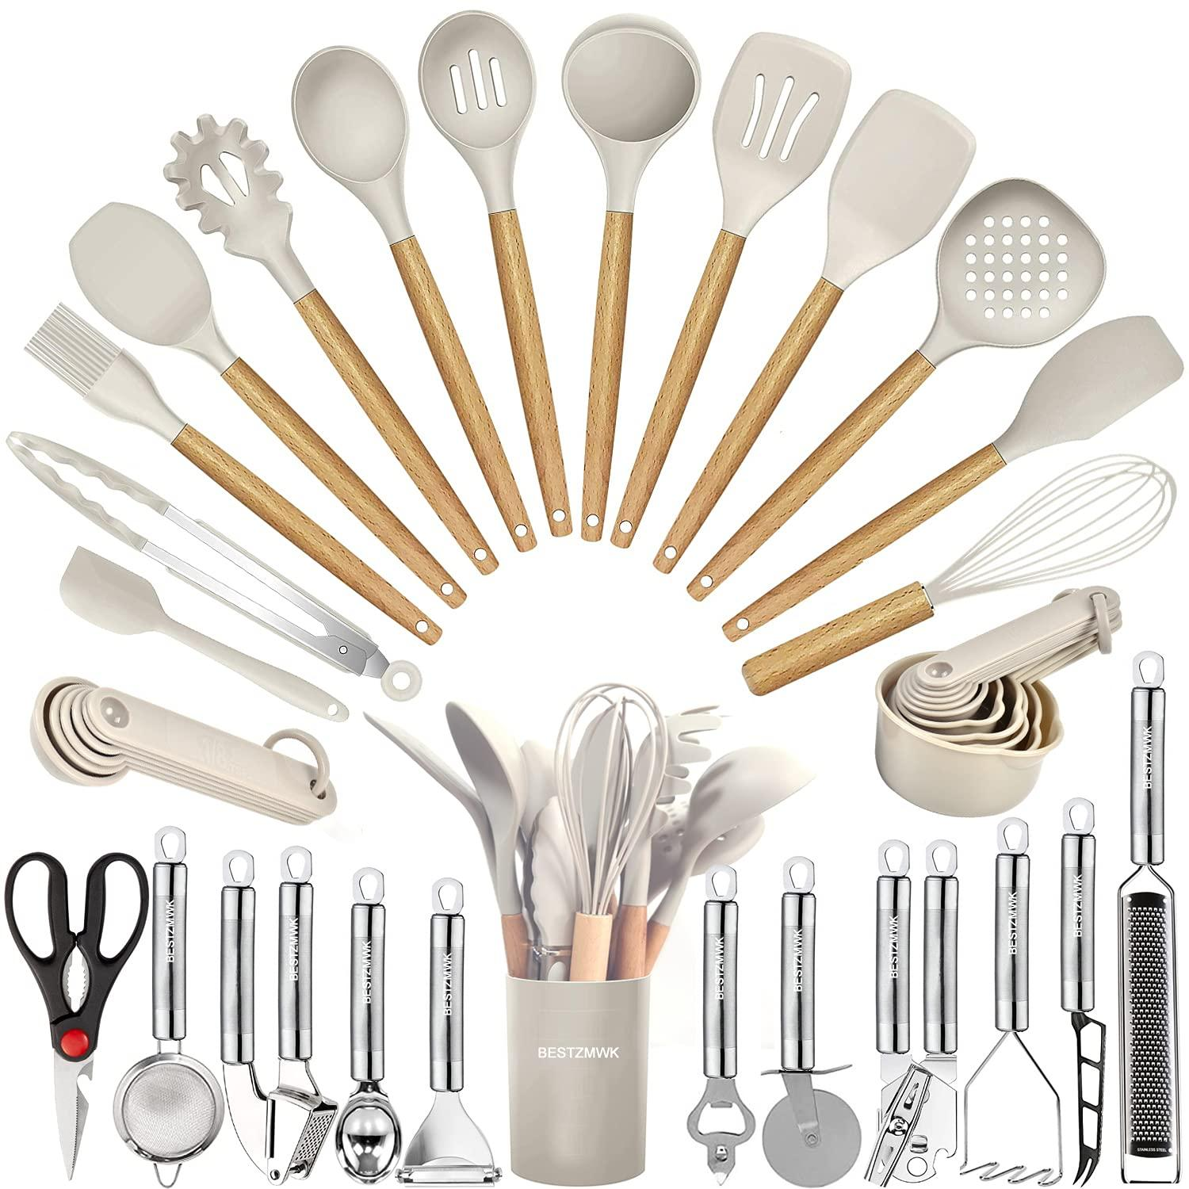
 | Food & Beverage's Counter Server | Guest Counter
 | Food & Beverage's Counter Server | Signage
 | Food & Beverage's Counter Server | Bus Tub |  |  | 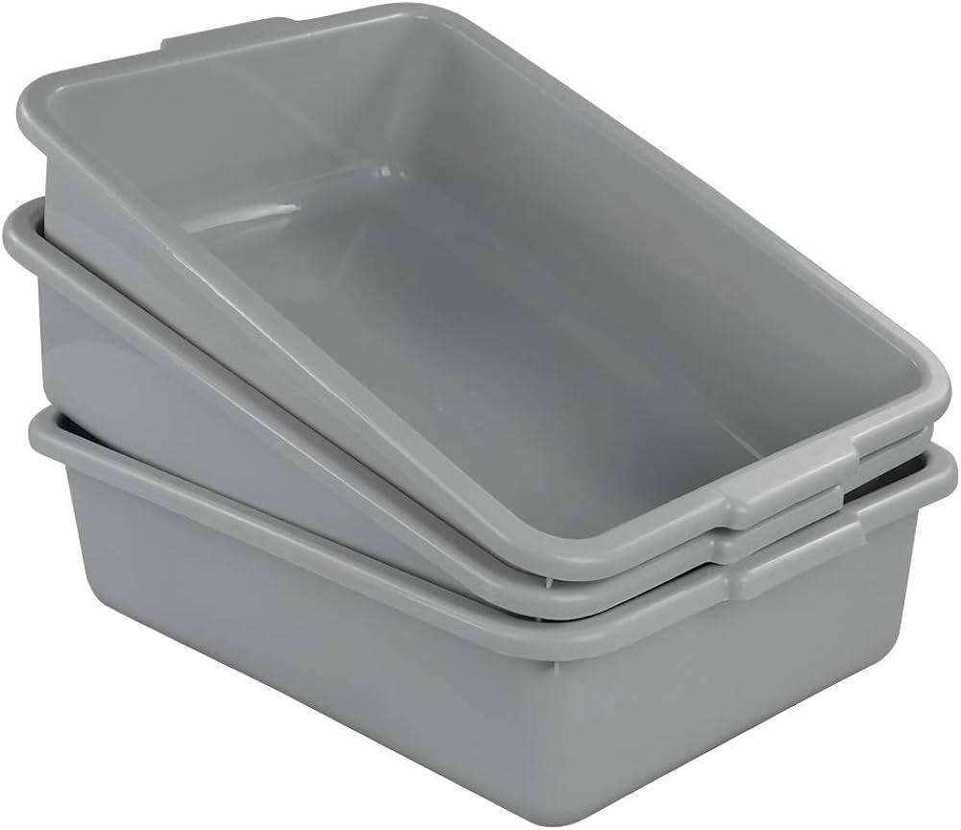
 | Food & Beverage's Counter Server | Placemats |  |  | 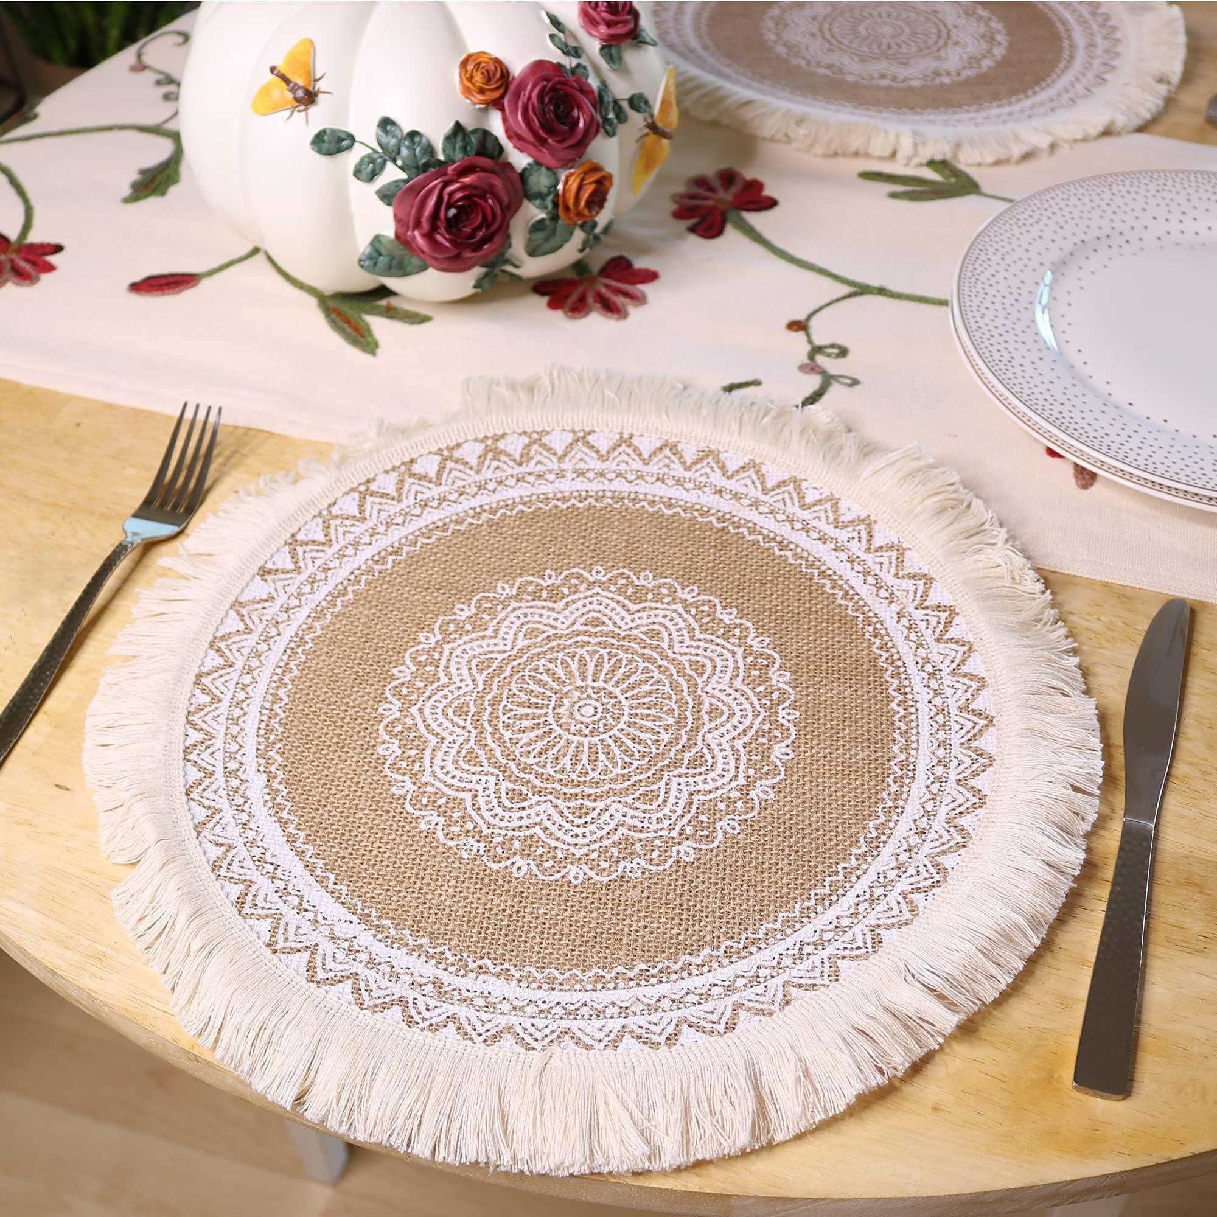
 | Food & Beverage's Counter Server | Silverware Caddy |  |  | 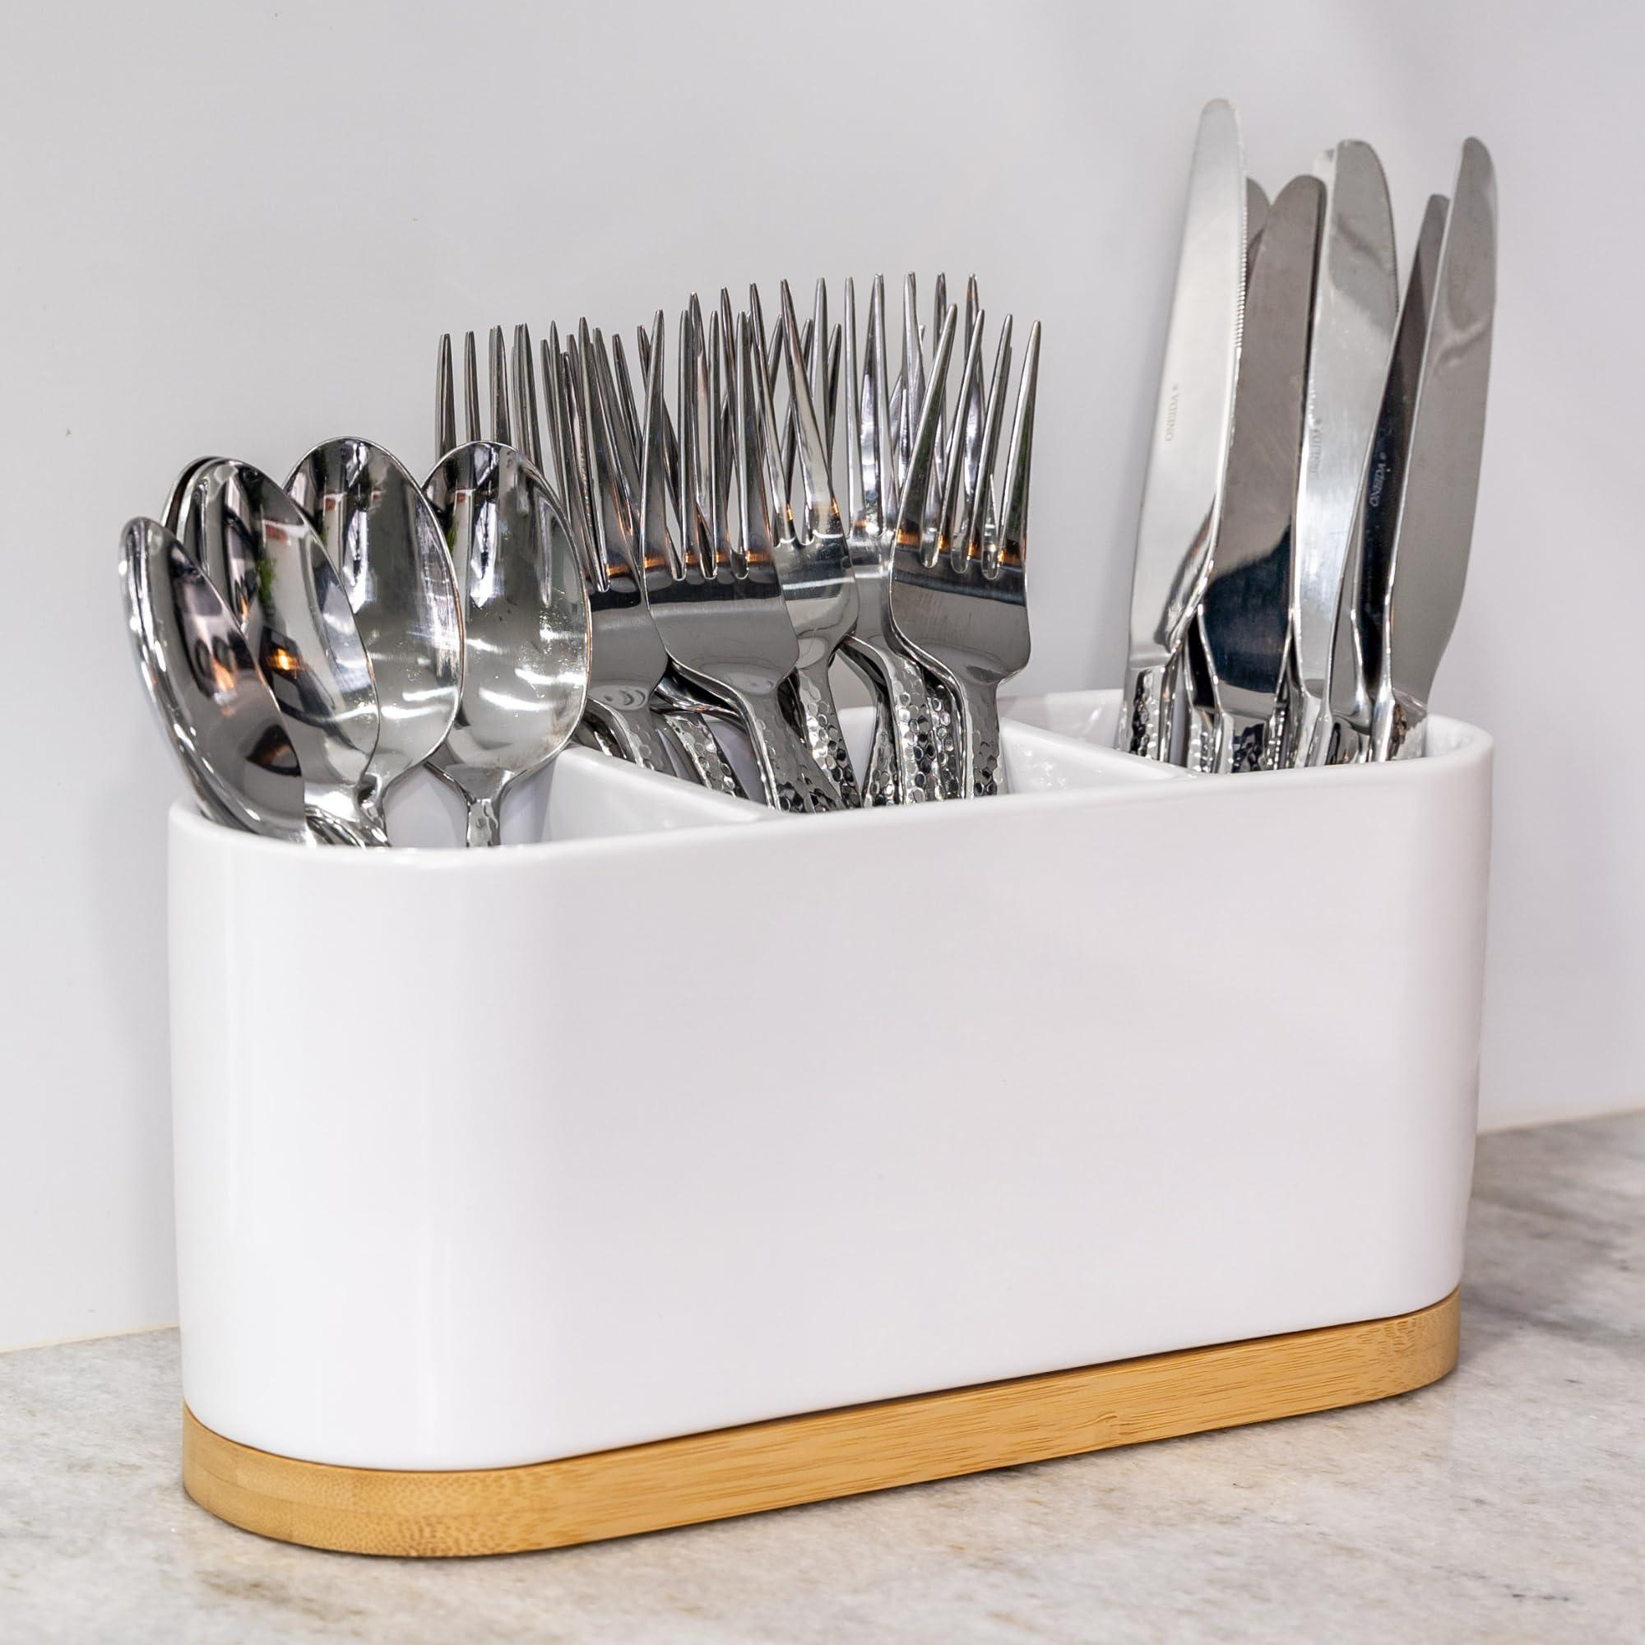
 | Food & Beverage's Counter Server | Condiment holders |  |  | 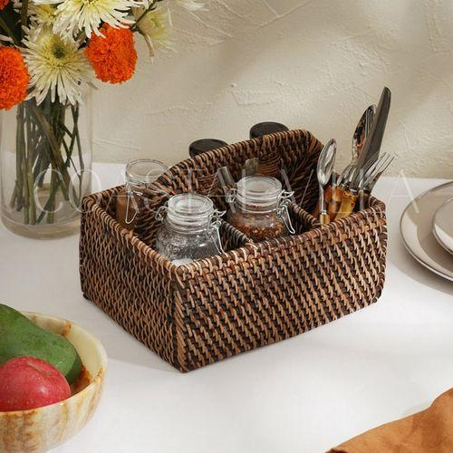
 | Food & Beverage's Counter Server | Seats with table/Booth |  |  | 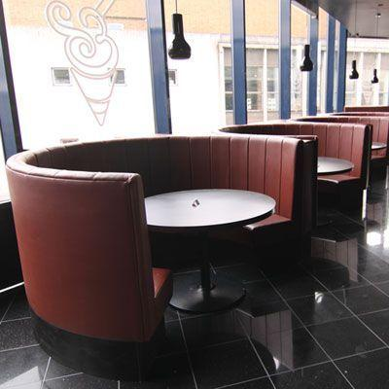
 | Food & Beverage's Counter Server | Clean Bus Tub |  |  | 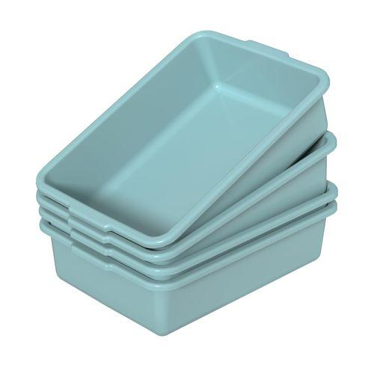
 | Food & Beverage's Counter Server | Clean Cloths |  |  | 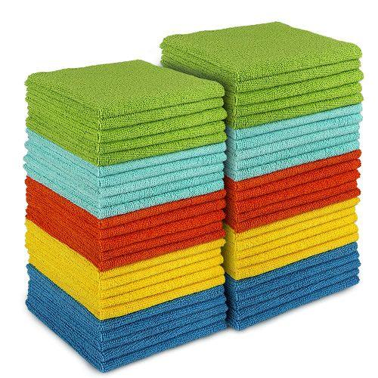
 | Food & Beverage's Counter Server | Spare Napkins |  |  | 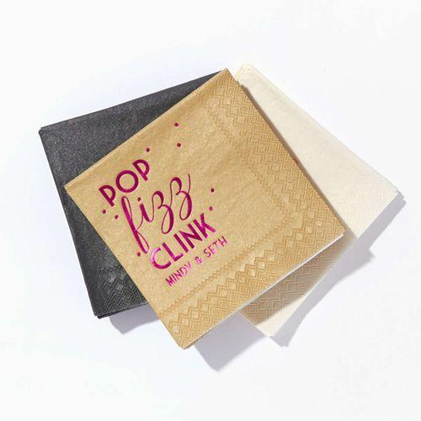
 | Food & Beverage's Counter Server | Wheelchair |  |  | 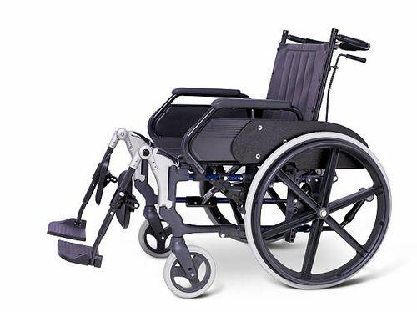
 | Food & Beverage's Counter Server | Beverage Station |  |  | 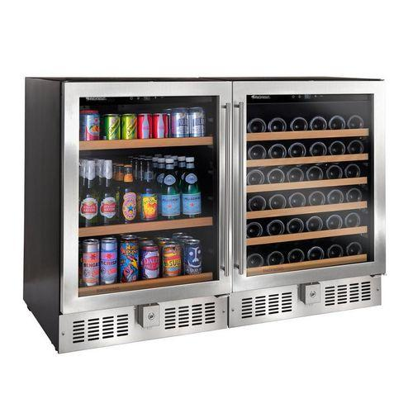
 | Food & Beverage's Counter Server | Safety Glasses |  |  | 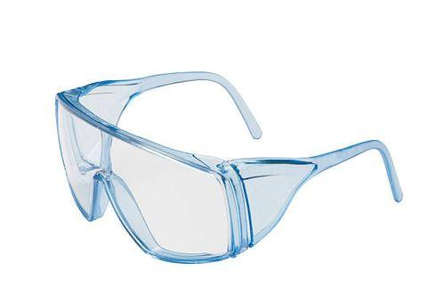
 | Food & Beverage's Counter Server | Gloves
 | Food & Beverage's Counter Server | Small Cardboard Box or Paper Towels |  |  | 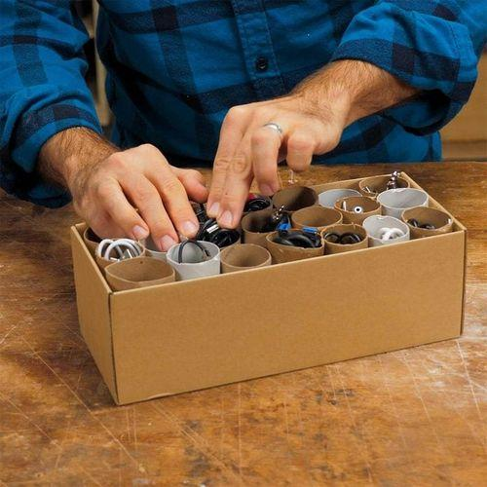
 | Food & Beverage's Counter Server | Flashlight |  |  | 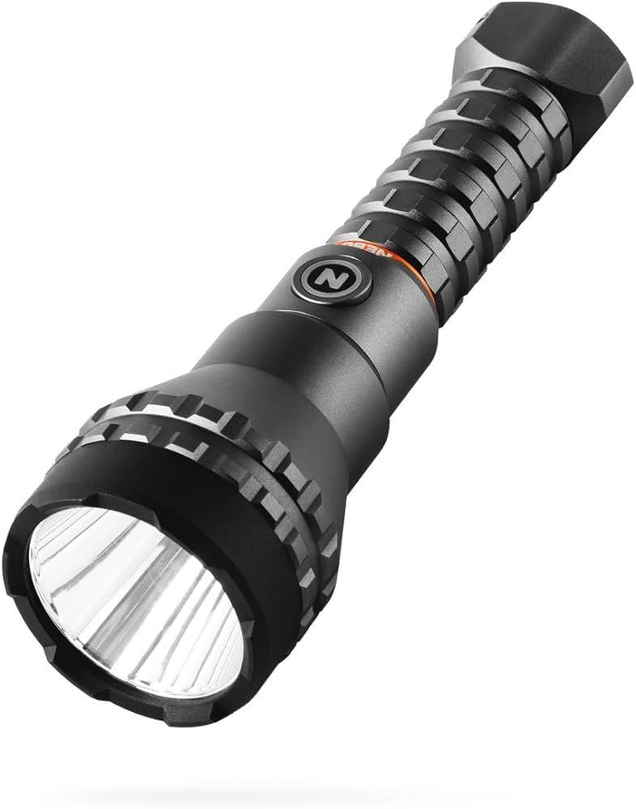
 | Food & Beverage's Counter Server | Plugged coffee machine |  |  | 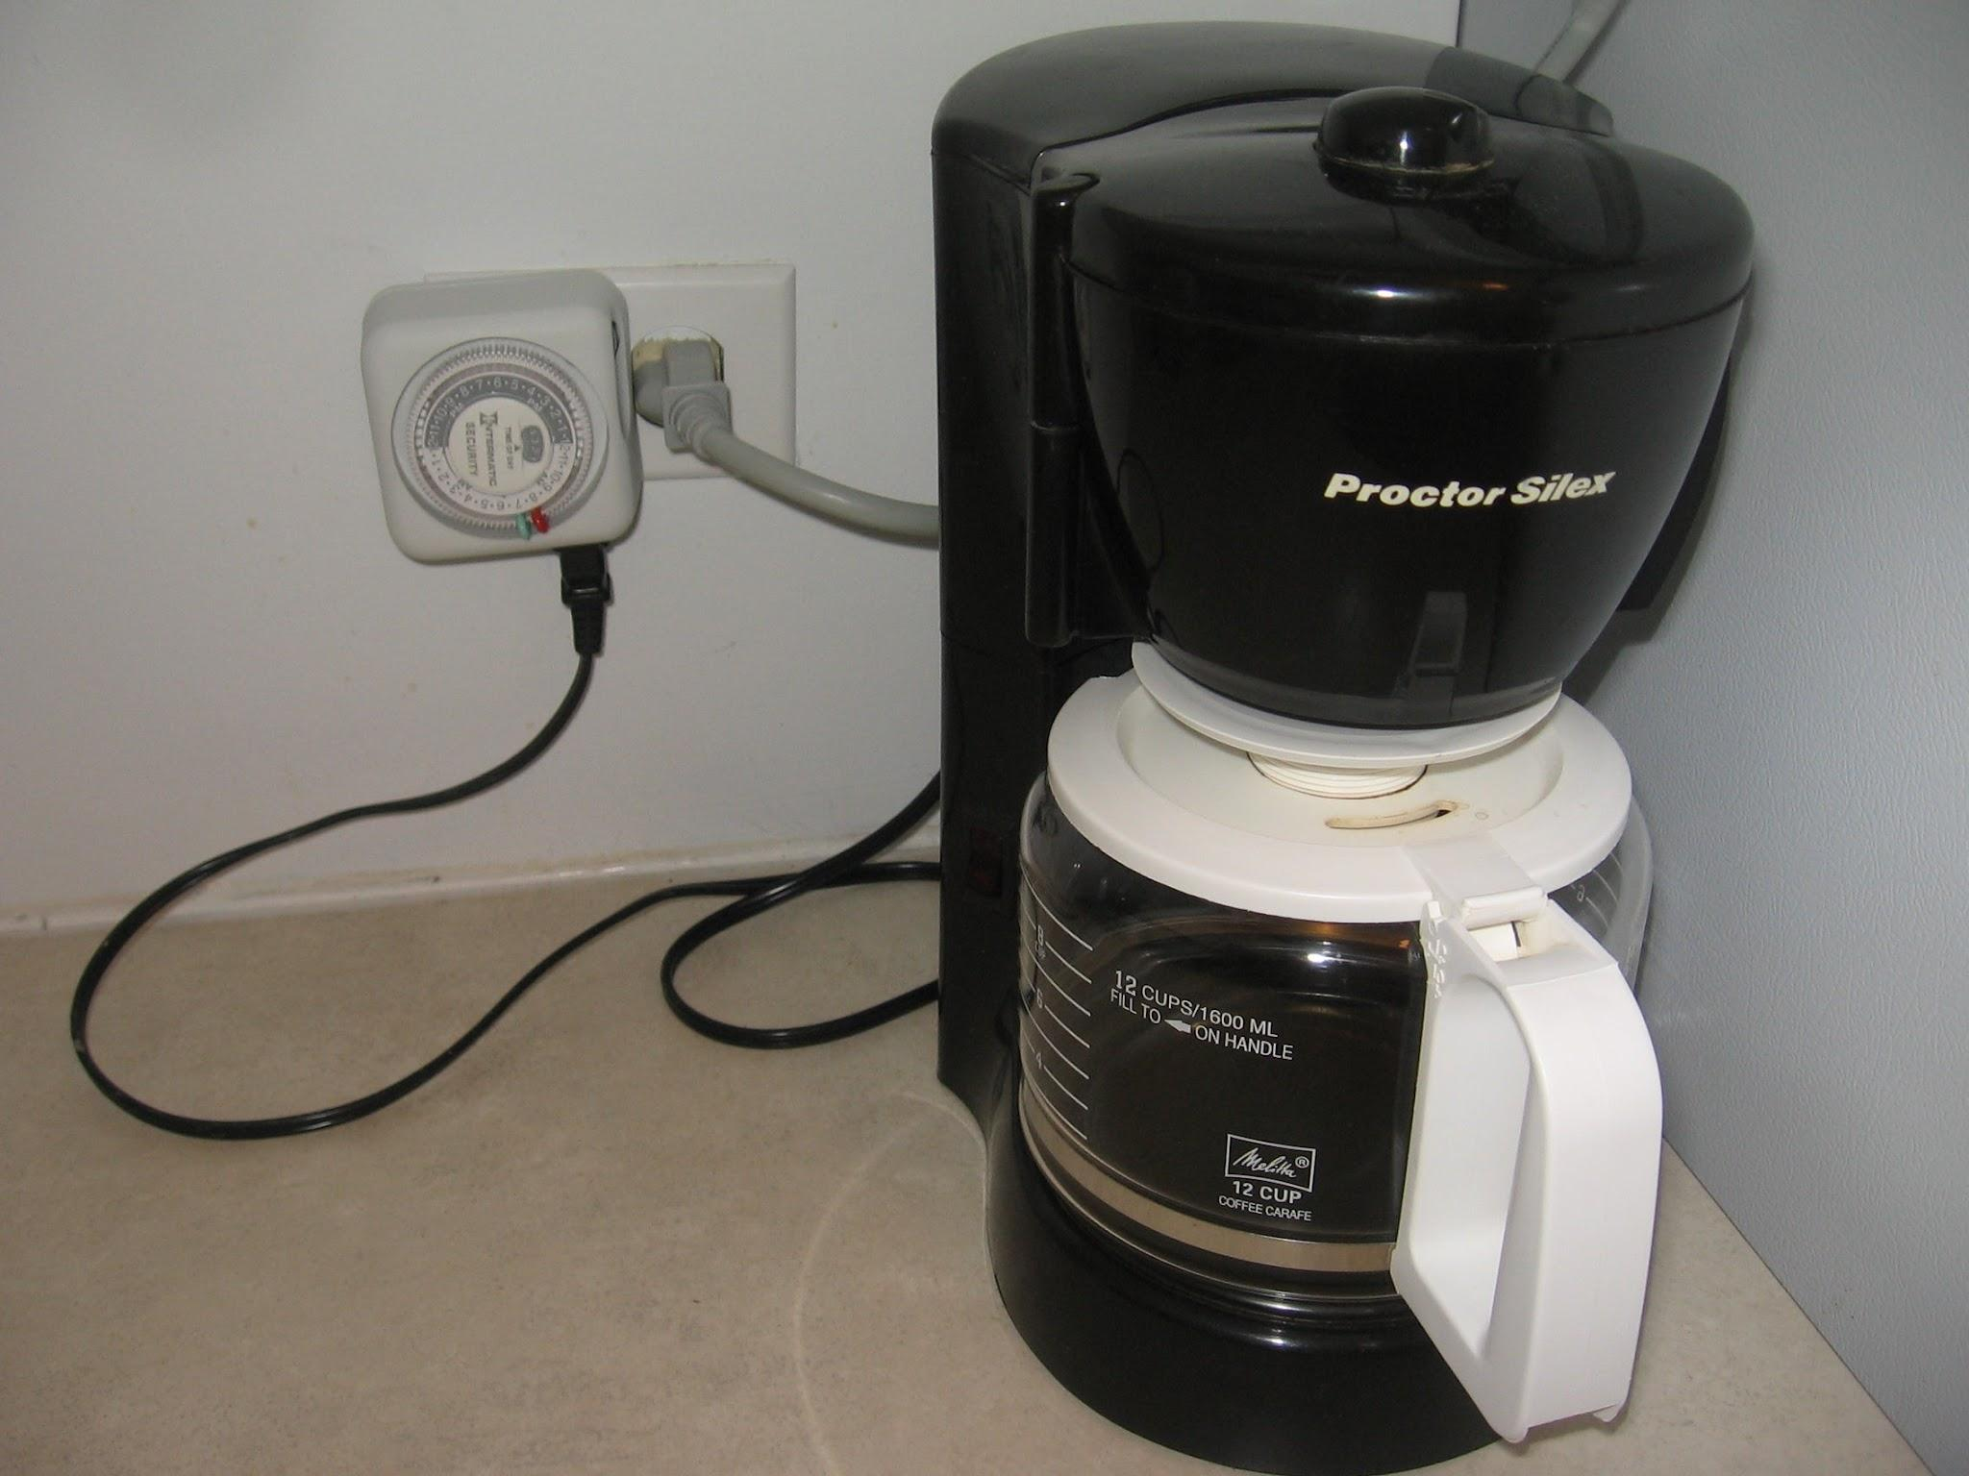
 | Food & Beverage's Counter Server | Tray or Bus Tub |  |  | 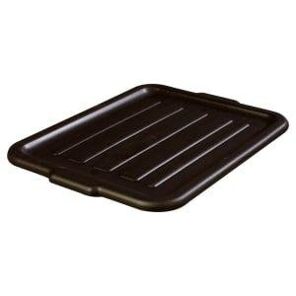
 | Food & Beverage's Counter Server | Sanitizing Wipes or Spray |  |  | 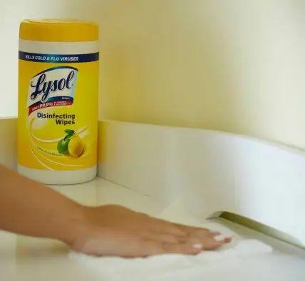
 | Food & Beverage's Counter Server | Microfiber Cloths |  |  | 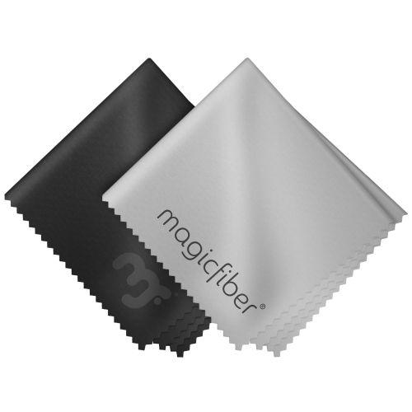
 | Food & Beverage's Counter Server | Promotional table cards
 | Food & Beverage's Counter Server | Table with guests sitting
 | Food & Beverage's Counter Server | Promotional campaign table card with details
 | Food & Beverage's Counter Server | Combo offer details
 | Food & Beverage's Counter Server | Rubber gloves |  |  | 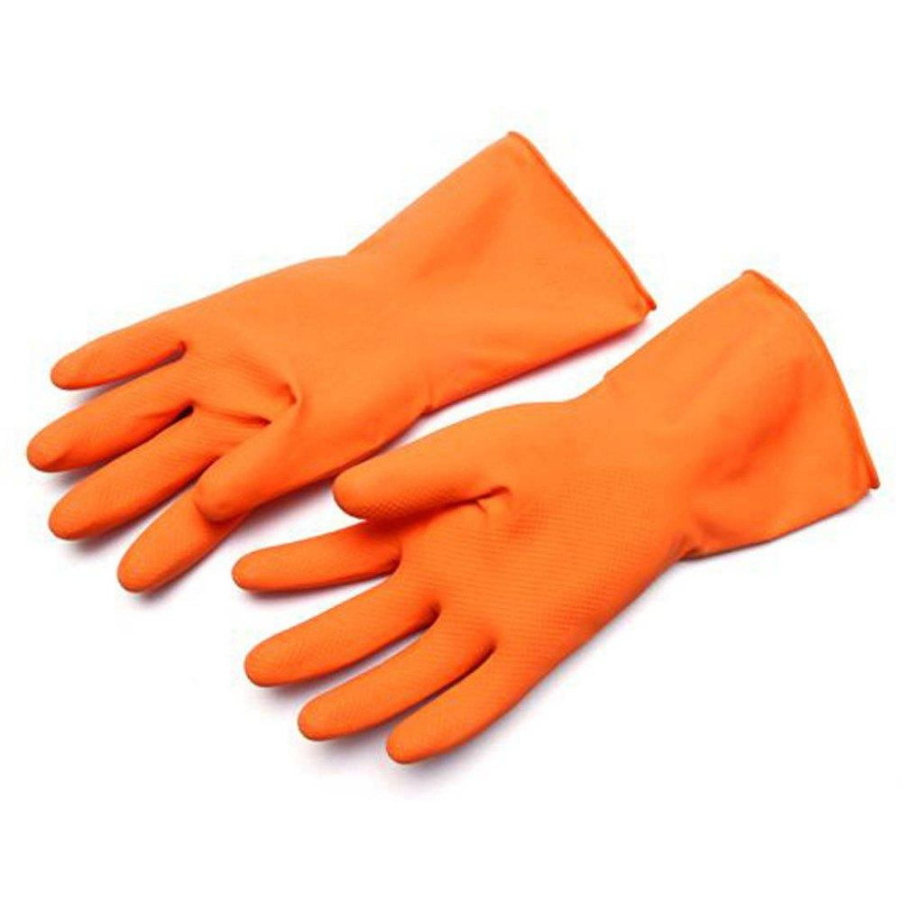
 | Food & Beverage's Counter Server | Spill clean-up kit |  |  | 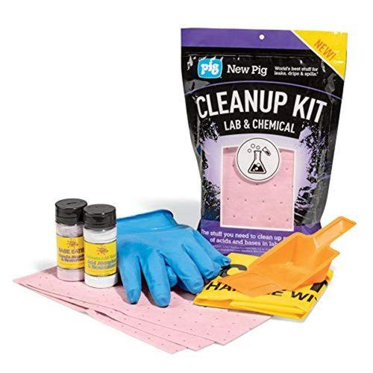
 | Food & Beverage's Counter Server | Napkin |  |  | 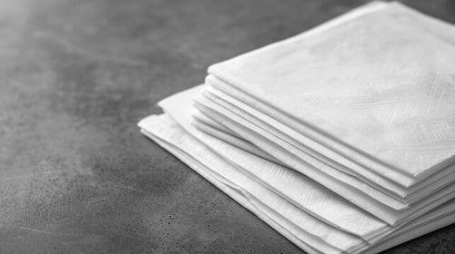
 | Food & Beverage's Counter Server | Absorbent materials (rags, towels, or spill mats) |  |  | 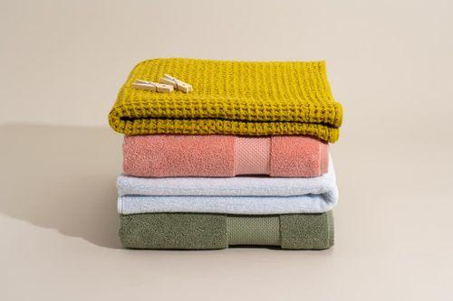
 | Food & Beverage's Counter Server | QR Code
 | Food & Beverage's Counter Server | Smartphone or Tablet |  |  | 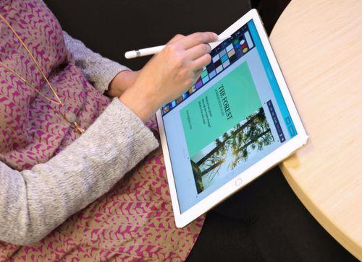
 | Food & Beverage's Counter Server | POS System (Optional)
 | Food & Beverage's Counter Server | POS (Point of Sale) Terminal
 | Food & Beverage's Counter Server | Credit Card Reader |  |  | 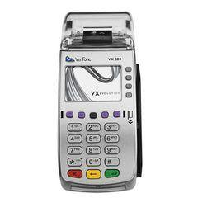
 | Food & Beverage's Counter Server | Receipt Printer |  |  | 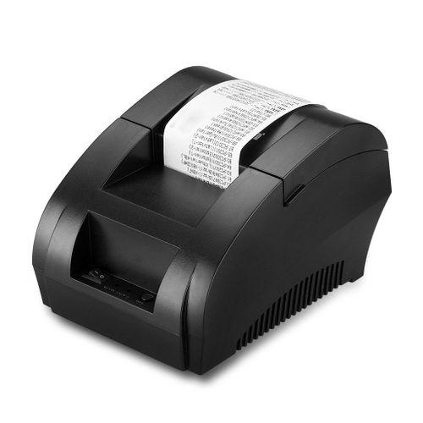
 | Food & Beverage's Counter Server | Retail POS System
 | Food & Beverage's Counter Server | Cash Drawer |  |  | 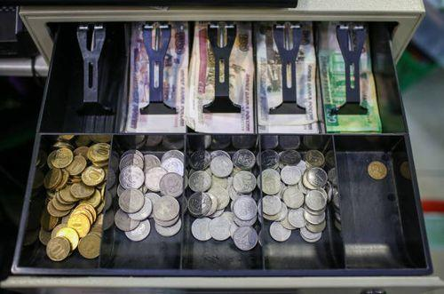
 | Food & Beverage's Counter Server | Calculator (Optional) |  |  | 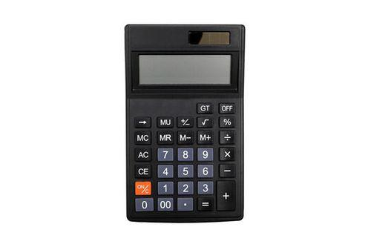
 | Food & Beverage's Counter Server | Reconciliation Report
 | Food & Beverage's Counter Server | Serving Plate or Bowl |  |  | 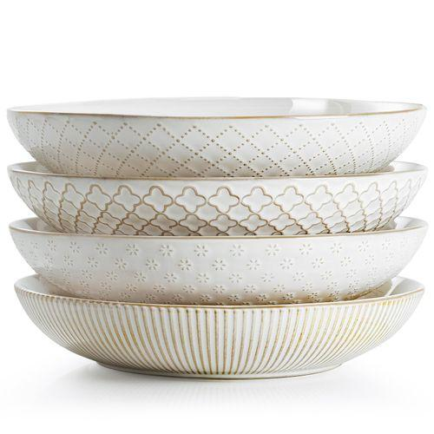
 | Food & Beverage's Counter Server | Ice Cream Scoop
 | Food & Beverage's Counter Server | Piping Bag and Tip |  |  | 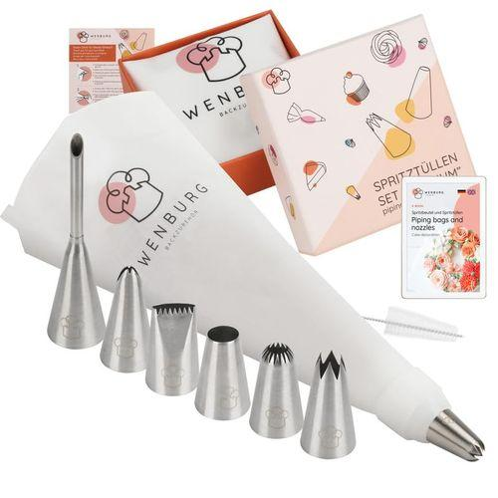
 | Food & Beverage's Counter Server | Offset Spatula |  |  | 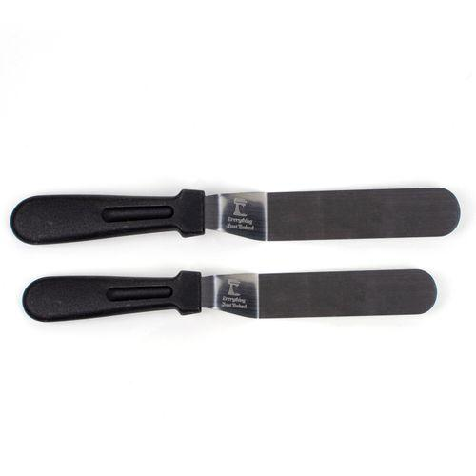
 | Food & Beverage's Counter Server | Serrated Knife
 | Food & Beverage's Counter Server | Triple Chocolate Muffin
 | Food & Beverage's Counter Server | Vanilla Ice Cream
 | Food & Beverage's Counter Server | Whipped Cream or Chantilly Cream
 | Food & Beverage's Counter Server | Chocolate Sauce
 | Food & Beverage's Counter Server | Chocolate Shavings or Sprinkles
 | Food & Beverage's Counter Server | Cutting Board
 | Food & Beverage's Counter Server | Chef's Knife
 | Food & Beverage's Counter Server | Spatula
 | Food & Beverage's Counter Server | Mixing Bowl
 | Food & Beverage's Counter Server | Bread
 | Food & Beverage's Counter Server | Turkey
 | Food & Beverage's Counter Server | Cheese
 | Food & Beverage's Counter Server | Lettuce
 | Food & Beverage's Counter Server | Tomato
 | Food & Beverage's Counter Server | Onion
 | Food & Beverage's Counter Server | Condiments
 | Food & Beverage's Counter Server | Additional Flavorings
 | Food & Beverage's Counter Server | Blender
 | Food & Beverage's Counter Server | Hurricane or tall glasses
 | Food & Beverage's Counter Server | Measuring cups and spoons
 | Food & Beverage's Counter Server | Cutting board and knife
 | Food & Beverage's Counter Server | Straws
 | Food & Beverage's Counter Server | Frozen pineapple chunks
 | Food & Beverage's Counter Server | Pineapple juice
 | Food & Beverage's Counter Server | Coconut cream
 | Food & Beverage's Counter Server | Lime juice
 | Food & Beverage's Counter Server | Ice cubes
 | Food & Beverage's Counter Server | Optional Garnishes
 | Food & Beverage's Counter Server | Coffee Maker
 | Food & Beverage's Counter Server | Shaker (Optional)
 | Food & Beverage's Counter Server | Glasses
 | Food & Beverage's Counter Server | Fresh Mango
 | Food & Beverage's Counter Server | Brewed Coffee
 | Food & Beverage's Counter Server | Milk or Creamer
 | Food & Beverage's Counter Server | Sweetener
 | Food & Beverage's Counter Server | Ice Cream
 | Food & Beverage's Counter Server | Toppings (Peanut-Free Options)
 | Food & Beverage's Counter Server | Squeeze Bottles or Ladles
 | Food & Beverage's Counter Server | Small Bowls or Ramekins
 | Food & Beverage's Counter Server | Notepad and Pen
 | Food & Beverage's Counter Server | Communication System

