Tools
S. no | Tools | Image
1 | Espresso machine | 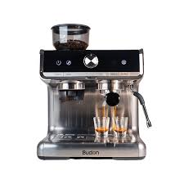
2 | Coffee grinder | 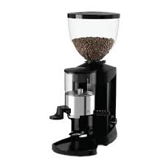
3 | Tamper | 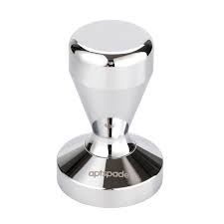
4 | Portafilter | 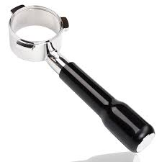
5 | Milk frother | 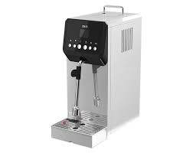
6 | Milk jug | 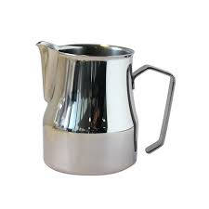
7 | Dairy Thermometer | 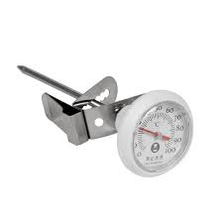
8 | Personal Protective Equipment (PPE) - hairnet, apron, and safety goggles
9 | Fast food kitchen setup
10 | Drip coffee maker | 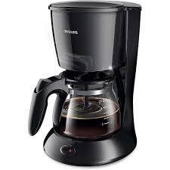
11 | Coffee Carafe | 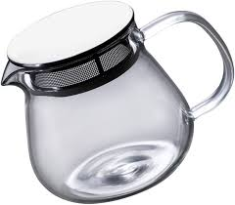
12 | Water Carafe | 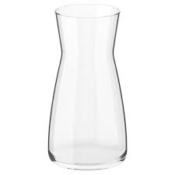
13 | Commercial Deep fryer | 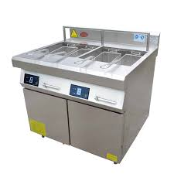
14 | Serving tray | 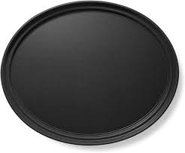
15 | Tongs
16 | Coffee beans Grinder | 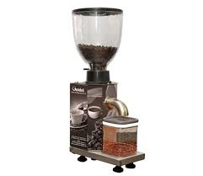
17 | Blender | 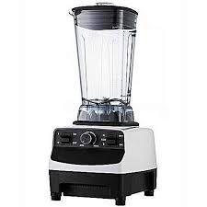
18 | Measuring cup | 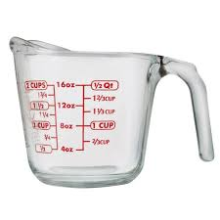
19 | Espresso measuring cup | 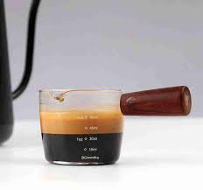
20 | Measuring spoons for coffee | 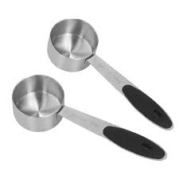
21 | Grill or griddle | 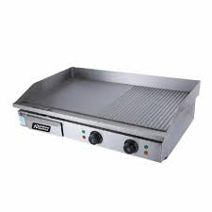
22 | Spatula - Turner spatula | 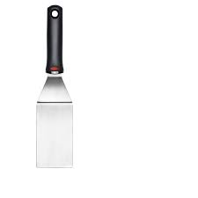
23 | Spatula - Scraper spatula | 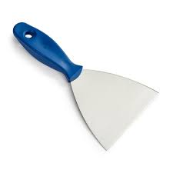
24 | Spatula - Offset spatula | 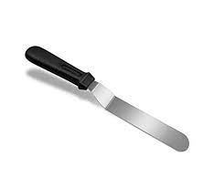
25 | Clean cutting board | 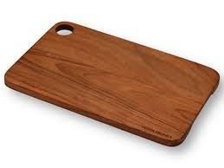
26 | Bread knife | 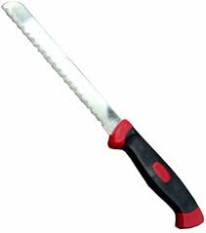
27 | Sandwich knife | 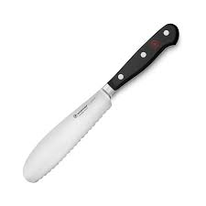
28 | Pizza peel | 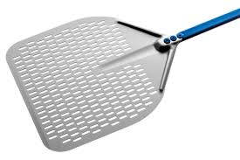
29 | Pizza oven | 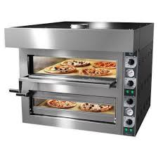
30 | Sandwich press or grill | 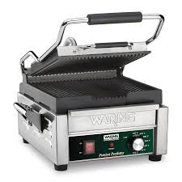
32 | Salad bowl | 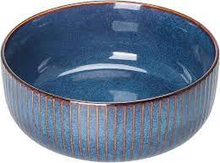
33 | Batter and Breading station | 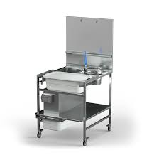
34 | Portion scoop | 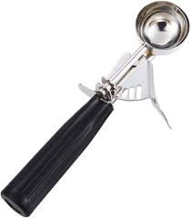
35 | Salt shaker | 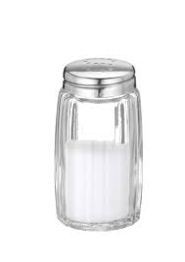
37 | Pizza cutter | 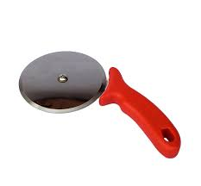
38 | Latte art pen | 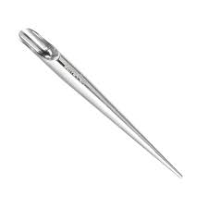
39 | Electric kettle | 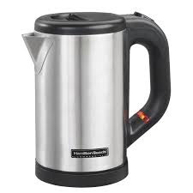
40 | Latte art milk Pitcher | 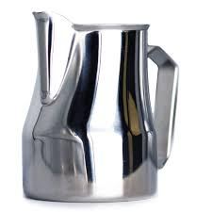
41 | Water Pitcher | 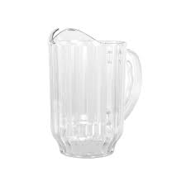
42 | Slotted spoon | 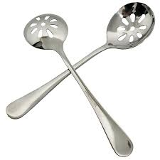
43 | Skewers | 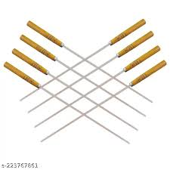
44 | Mixing bowl | 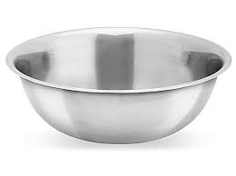
45 | Food processor | 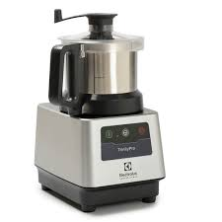
46 | Serving dish | 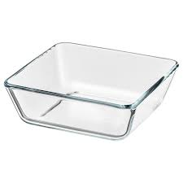
47 | Cezve (Turkish coffee pot)
48 | Demitasse Cups | 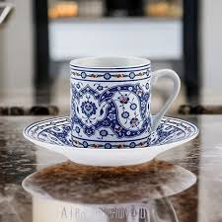
49 | Teapot | 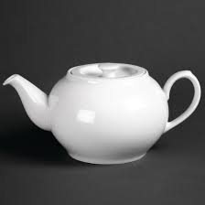
50 | Serving glasses
51 | Balloon Whisk | 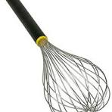
52 | french Whisk | 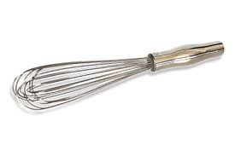
53 | Mini Whisk | 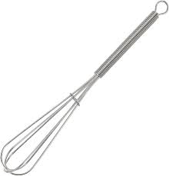
54 | Handwashing sink | 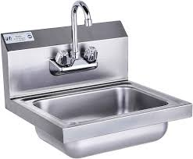
55 | Broom
56 | Dustpan | 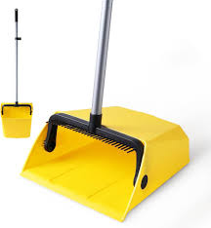
57 | Shallow storage containers | 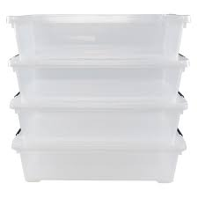
58 | Refrigerator | 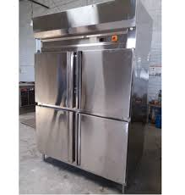
59 | Shallow storage pans
60 | Freezer
61 | Soda dispenser
62 | Coffee machine cleaning brush
63 | Curved coffee pot cleaning brush
64 | Commercial oven
65 | Dishwasher
66 | Can opener
67 | Knife (Chef's knife)
68 | Colander
69 | commercial Salad spinner
70 | Vegetable peeler
71 | Serving bowl
72 | Storage Jars
73 | Kitchen timers
74 | Measuring scale
75 | Parchment paper
76 | Frying pan
77 | Soft Serve ice cream machine
78 | Cake cone
79 | Waffle cone
80 | Sugar Cone
81 | Waffle bowl
82 | Icecream scooper
83 | Icecream tub
84 | Ladle
85 | Soup Pot
86 | Soup Kettle
87 | Pitcher
88 | First aid kit
89 | Mop
90 | Bucket
91 | Labels

