Taxi Driver
Sector Name | Occupation name | Equipment name | Minimum number of equipment required (per batch of 30 trainees) | Unit type | Images
 | Taxi Driver | Taxi
 | Taxi Driver | Taxi with manual transmission |  |  | 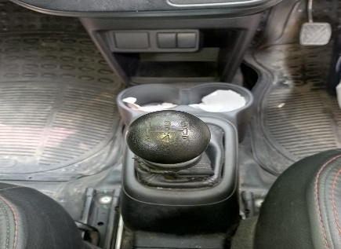
 | Taxi Driver | Taxi with automatic transmission
 | Taxi Driver | Car |  |  | 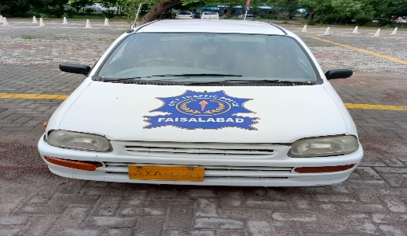
 | Taxi Driver | spark plugs |  |  | 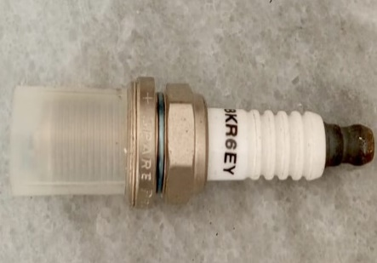
 | Taxi Driver | brake tester
 | Taxi Driver | windshield wiper fluid |  |  | 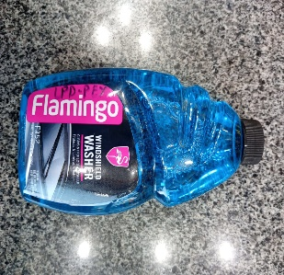
 | Taxi Driver | battery tester |  |  | 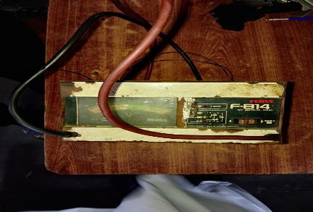
 | Taxi Driver | various fuses |  |  | 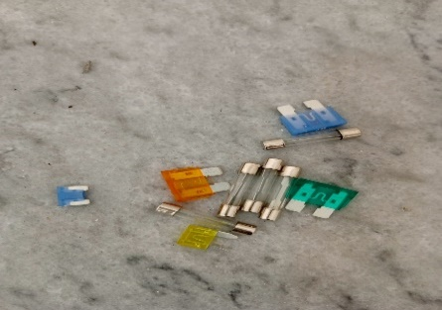
 | Taxi Driver | replacement air filter
 | Taxi Driver | power steering fluid |  |  | 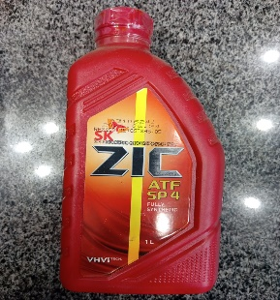
 | Taxi Driver | windshield washer fluid
 | Taxi Driver | transmission fluid |  |  | 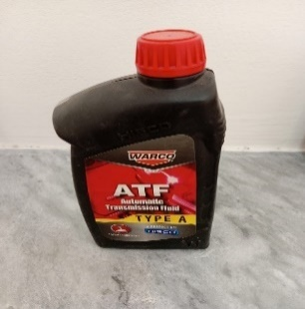
 | Taxi Driver | differential fluid |  |  | 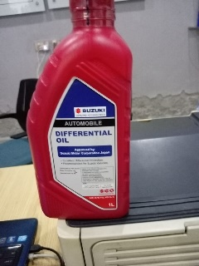
 | Taxi Driver | clutch fluid |  |  | 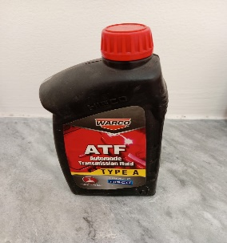
 | Taxi Driver | radiator coolant |  |  | 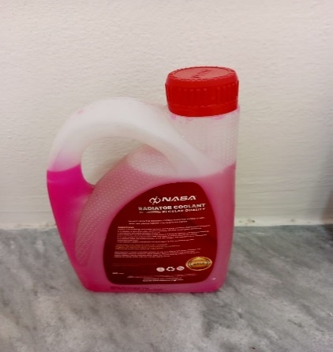
 | Taxi Driver | degreaser |  |  | 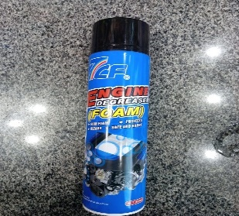
 | Taxi Driver | tire cleaner |  |  | 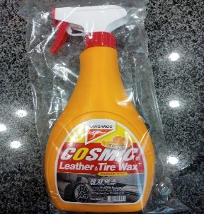
 | Taxi Driver | glass cleaner
 | Taxi Driver | all-purpose cleaner |  |  | 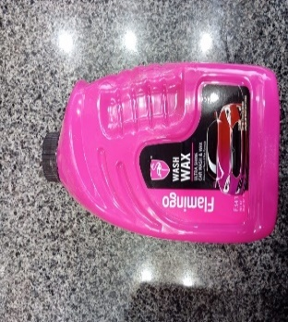
 | Taxi Driver | car wash soap |  |  | 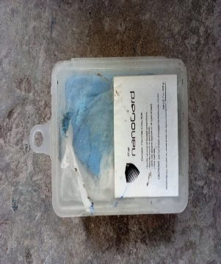
 | Taxi Driver | headlight restoration kit |  |  | 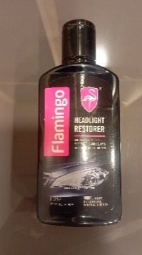
 | Taxi Driver | jump-starter kit |  |  | 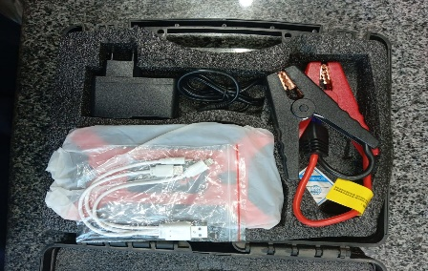
 | Taxi Driver | tire repair kit |  |  | 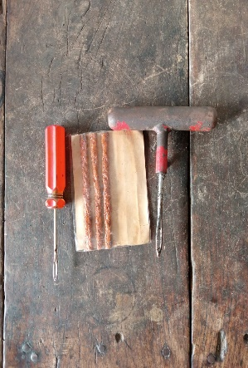
 | Taxi Driver | oil |  |  | 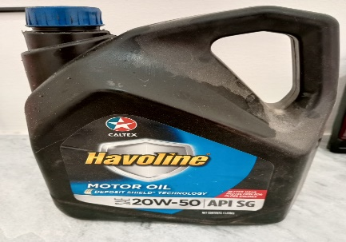
 | Taxi Driver | air compressor |  |  | 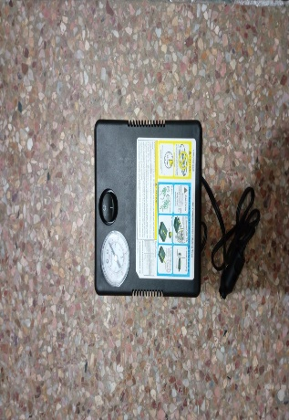
 | Taxi Driver | headlight bulb |  |  | 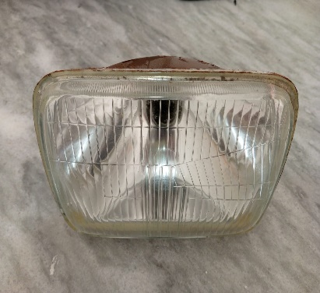
 | Taxi Driver | battery terminal cleaner |  |  | 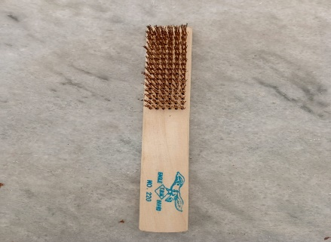
 | Taxi Driver | multimeter |  |  | 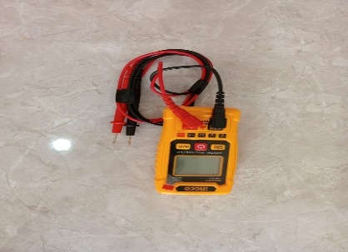
 | Taxi Driver | jumper cables |  |  | 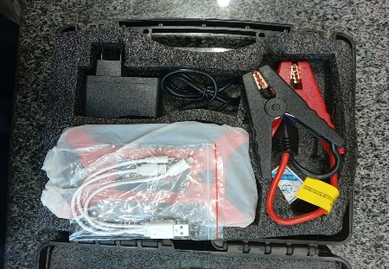
 | Taxi Driver | electrical tape
 | Taxi Driver | basic tool kit |  |  | 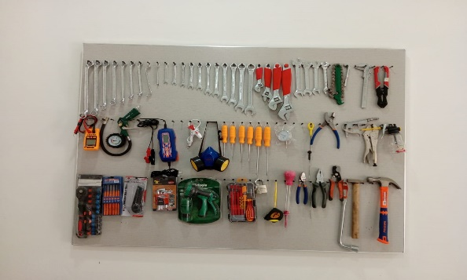
 | Taxi Driver | plunger |  | 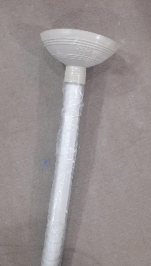
 | Taxi Driver | track/real road for driving test |  |  | 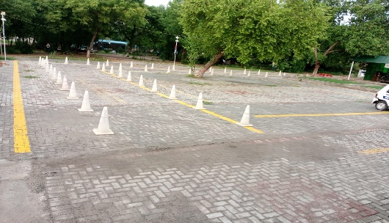
 | Taxi Driver | congested road for driving test |  |  | 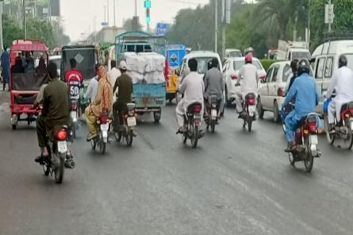
 | Taxi Driver | local weather app/website |  |  | 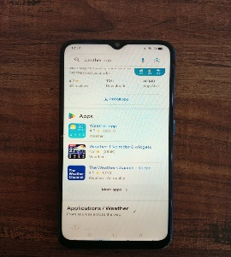
 | Taxi Driver | highways/road with intersections
 | Taxi Driver | rain setting with wet roads |  |  | 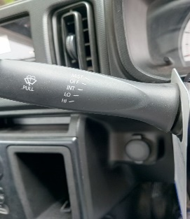 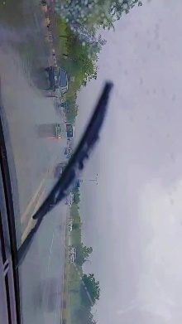
 | Taxi Driver | night-drive setting
 | Taxi Driver | GPS device or smartphone with navigation app |  |  | 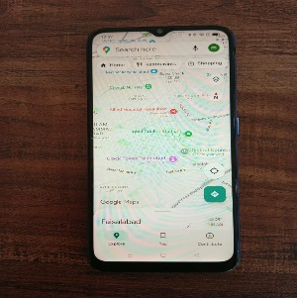
 | Taxi Driver | GPS device or smartphone with traffic app |  |  | 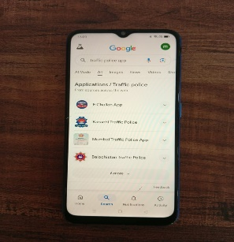
 | Taxi Driver | GPS device
 | Taxi Driver | local map |  |  | 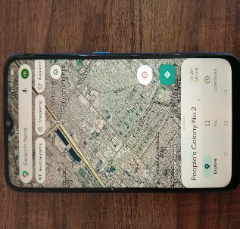
 | Taxi Driver | navigation app
 | Taxi Driver | offline maps
 | Taxi Driver | credit card reader |  |  | 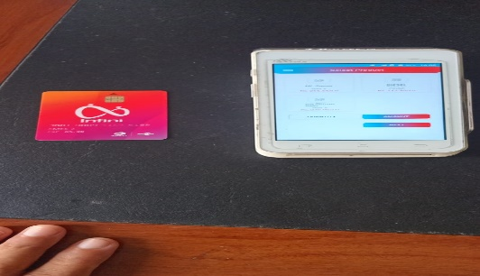
 | Taxi Driver | smartphone with digital payment app |  |  | 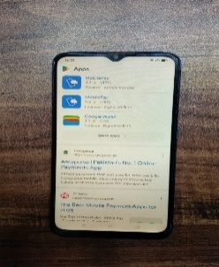
 | Taxi Driver | contactless payment terminal
 | Taxi Driver | mobile card reader
 | Taxi Driver | fire extinguisher |  |  | 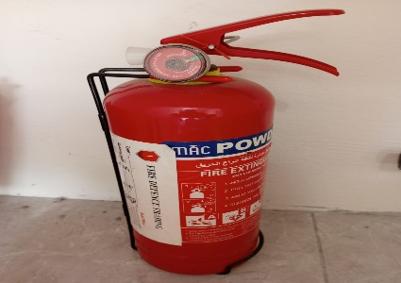
 | Taxi Driver | emergency kit |  |  | 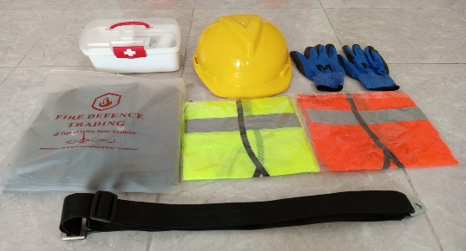
 | Taxi Driver | customer service training materials |  |  | 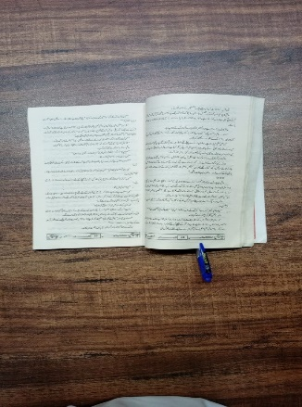
 | Taxi Driver | luggage straps |  |  | 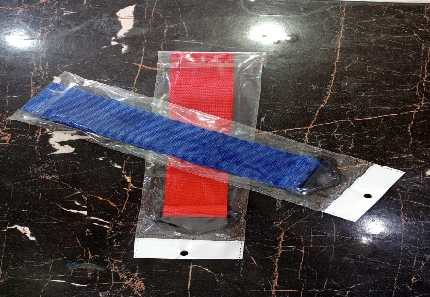
 | Taxi Driver | multilingual phrasebook
 | Taxi Driver | fuel card
 | Taxi Driver | fuel tracking app |  |  | 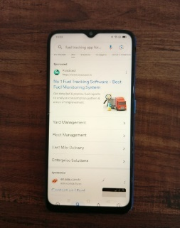
 | Taxi Driver | fuel pump |  |  | 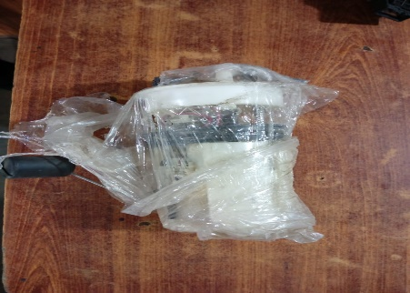
 | Taxi Driver | vehicle manual |  |  | 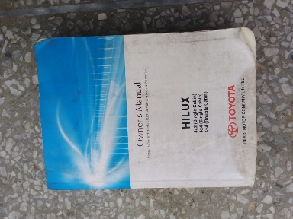
 | Taxi Driver | fuel filter
 | Taxi Driver | steering wheel lock |  |  | 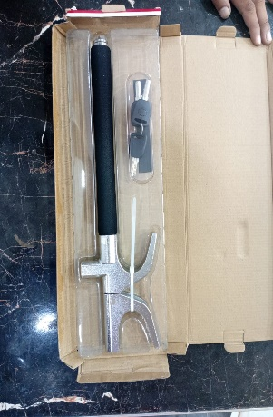
 | Taxi Driver | electronic immobilizer |  |  | 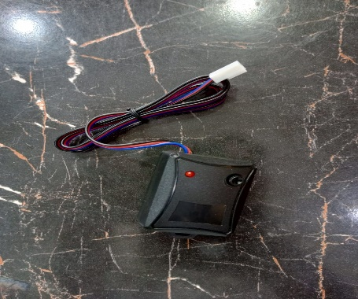
 | Taxi Driver | spare key |  |  | 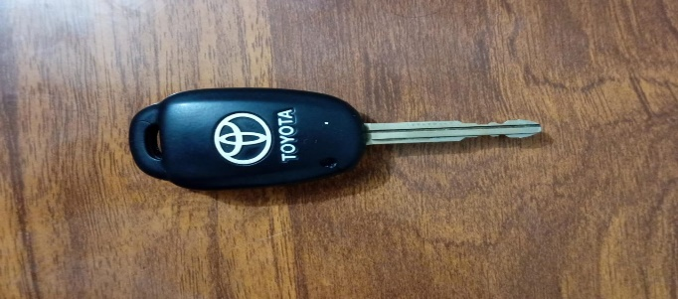
 | Taxi Driver | secure storage solutions |  |  | 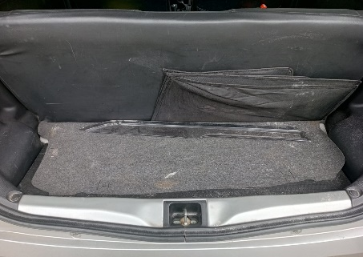
 | Taxi Driver | secure trunk |  |  | 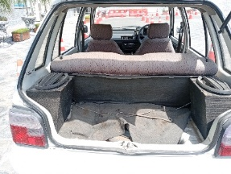
 | Taxi Driver | parking space |  |  | 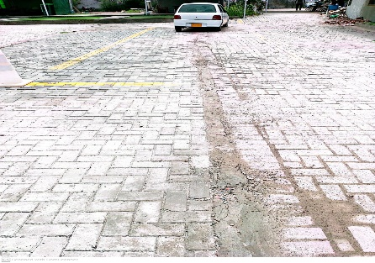
 | Taxi Driver | parking space with visible lines |  |  | 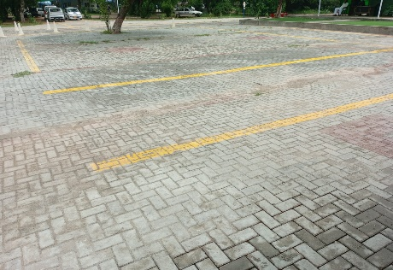
 | Taxi Driver | angled parking space
 | Taxi Driver | multiple parking spaces for practice
 | Taxi Driver | tight parking space
 | Taxi Driver | wheelchair-accessible vehicle
 | Taxi Driver | accessibility training materials
 | Taxi Driver | folding walker or cane
 | Taxi Driver | communication board or assistive device
 | Taxi Driver | large trunk space
 | Taxi Driver | safety cones
 | Taxi Driver | child car seat
 | Taxi Driver | tire pressure gauge
 | Taxi Driver | jack
 | Taxi Driver | tail lights
 | Taxi Driver | brake fluid
 | Taxi Driver | new wiper blades
 | Taxi Driver | gloves
 | Taxi Driver | fuse puller
 | Taxi Driver | screwdriver
 | Taxi Driver | clean cloth
 | Taxi Driver | dipstick
 | Taxi Driver | wrench
 | Taxi Driver | water hose
 | Taxi Driver | brush
 | Taxi Driver | upholstery cleaner
 | Taxi Driver | oil filter
 | Taxi Driver | vehicle's manual
 | Taxi Driver | test light
 | Taxi Driver | another vehicle
 | Taxi Driver | wire connectors
 | Taxi Driver | flashlight
 | Taxi Driver | hot water
 | Taxi Driver | vehicle maintenance tools
 | Taxi Driver | smartphone
 | Taxi Driver | receipt printer
 | Taxi Driver | QR code
 | Taxi Driver | smartphone with payment app
 | Taxi Driver | emergency contact list
 | Taxi Driver | reflective vest
 | Taxi Driver | feedback forms
 | Taxi Driver | translation app
 | Taxi Driver | mobile payment app
 | Taxi Driver | vehicle's onboard computer
 | Taxi Driver | fuel stabilizer
 | Taxi Driver | fuel system cleaner
 | Taxi Driver | car alarm
 | Taxi Driver | lockout kit
 | Taxi Driver | seatback organizers
 | Taxi Driver | passenger communication
 | Taxi Driver | ramp
 | Taxi Driver | notepad and pen
 | Taxi Driver | storage area
 | Taxi Driver | dolly or cart
 | Taxi Driver | spark plug wrench
 | Taxi Driver | parking permit
 | Taxi Driver | seatbelt
 | Taxi Driver | roadside assistance contact
 | Taxi Driver | siphon pump
 | Taxi Driver | spacious vehicle
 | Taxi Driver | receipt book
 | Taxi Driver | payment processing app
 | Taxi Driver | spare tire
 | Taxi Driver | indicator bulbs
 | Taxi Driver | tire tread depth gauge
 | Taxi Driver | fluid pump
 | Taxi Driver | wash mitt
 | Taxi Driver | water
 | Taxi Driver | Uphill road setting
 | Taxi Driver | lug wrench
 | Taxi Driver | pliers
 | Taxi Driver | tire iron
 | Taxi Driver | leather conditioner and cleaner
 | Taxi Driver | bucket
 | Taxi Driver | drain pan
 | Taxi Driver | rubber mallet
 | Taxi Driver | wire stripper
 | Taxi Driver | dent puller

