Images for lab
 |  | Occupation - Barista
 |  | Tools/Equipment/Material list
S No | Tools/Equipment/Material Name | Image
1 | PPE - N-95 mask, Disposable mask, Hairnet | 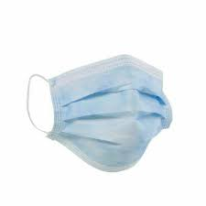 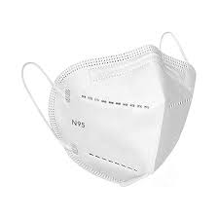
2 | PPE - Disposable nitrile gloves, safety goggles | 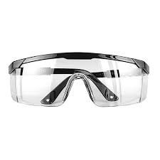
3 | PPE - Disposable apron, Cloth apron
4 | Oven mitts | 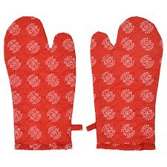
5 | Tamping mat | 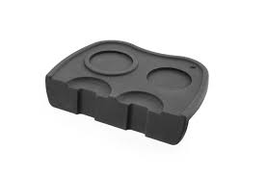
6 | Precision scale | 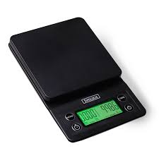
7 | Knock box | 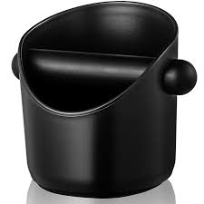
8 | Coffee beans dosing cup | 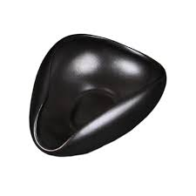
9 | Coffee beans, Single-origin and blend coffee beans samples | 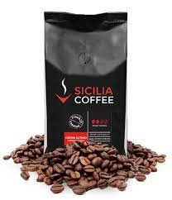
10 | Roasted arabica coffee beans
11 | Finely ground Turkish coffee | 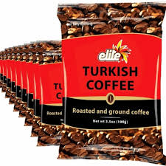
12 | Coffee tamper | 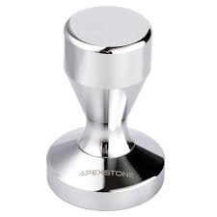
13 | Coffee shot glasses, Measuring cup | 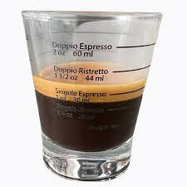 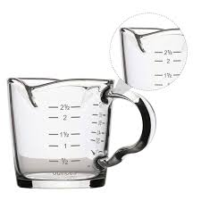
14 | Coffee flavor wheel charts | 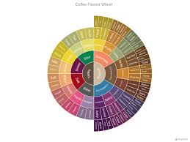
15 | Food safe microfiber cleaning cloth, spill absorbent pads/cloth | 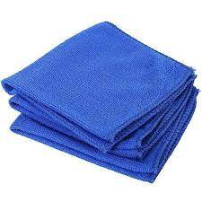 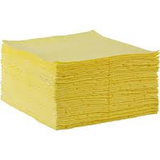
16 | Espresso machine (Automatic and semi-automatic and manual) | 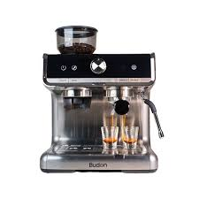
17 | Coffee grinder | 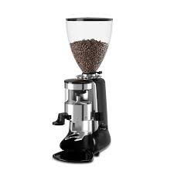
18 | Commercial blender | 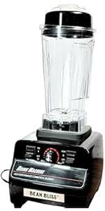
19 | Drip coffee machine | 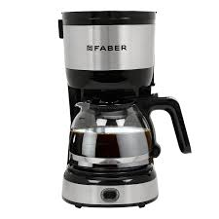
20 | Microwave or warming drawer | 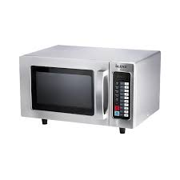 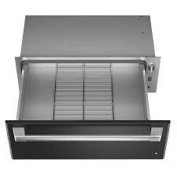
21 | Juicer | 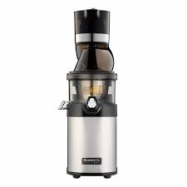
22 | Point-of-sales (POS) machine | 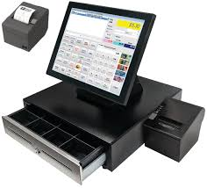
23 | Whipped cream dispenser | 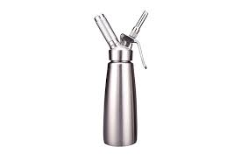
24 | Nitrous oxide (N₂O) gas cartridge | 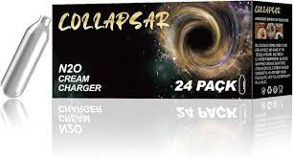
25 | Espresso shot timer | 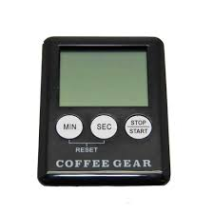
26 | Arabic coffee pot (Dallah) | 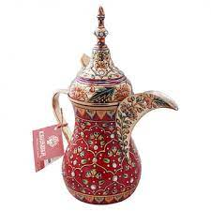
27 | Arabic coffee cups (Finjan), Demitasse cups | 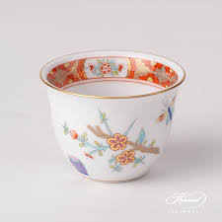 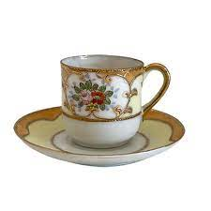
28 | Cezve pot (Copper or brass) | 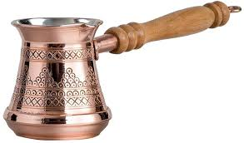
29 | Milk pitcher | 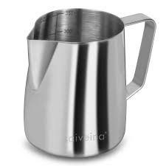
30 | Dairy thermometer | 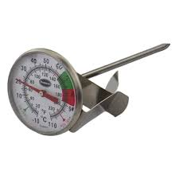
31 | Coffee tray | 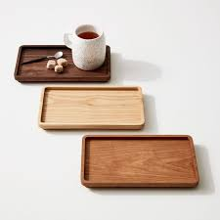
32 | Espresso coffee cups, Frappe mugs | 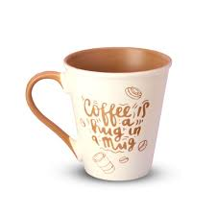
33 | Child safe mugs with lid | 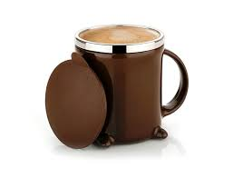
34 | Coffee tasting spoon/cupping spoon | 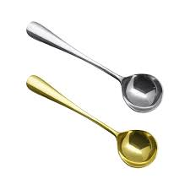
35 | Measuring spoons | 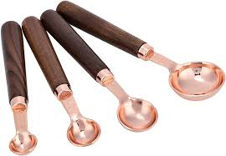
36 | Small serving plates for snacks | 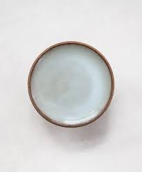
37 | Smoothie glasses
38 | Tall glasses to serve cold coffee | 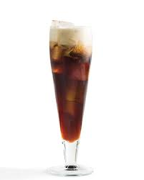
39 | Takeaway coffee cups and insulated sleaves for takeaway | 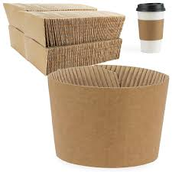
40 | Disposable coffee cup holder for takeaway | 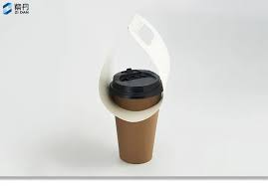 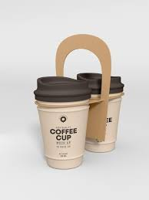
41 | Coffee takeaway bag | 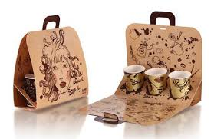
42 | Croissant takeaway box and bag | 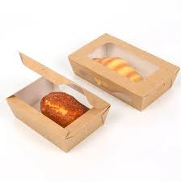
43 | Backflush detergent | 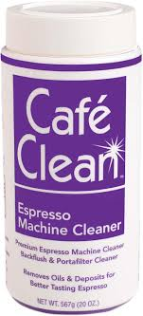
44 | Espresso machine descaling solution | 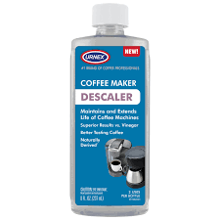
45 | Blind filter | 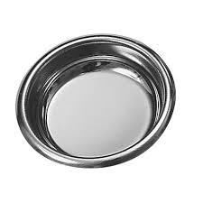
46 | Gasket scrapper | 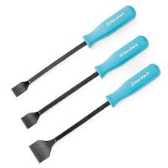
47 | Group head cleaning brush, Espresso machine cleaning brush | 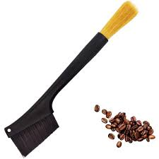
48 | Hopper brush
49 | Steam wand cleaning brush, Steam wand cleaning tool
50 | Blender jar cleaning brush
51 | Cleaning sponge
52 | Storage rack
53 | Water filter replacement in drip coffee machine
54 | Full cream milk, Vanilla ice cream, Ice cubes, Instant coffee, Sugar, Yogurt, Heavy cream, Plant based milk (Oat or almond), Cardamom, Saffron
55 | Snacks - Croissant with cheese, Date cookies (maamoul), Brownie, Dates
56 | Cutlery - Teaspoon, coffee spoon, straws, stirrers, soda spoons (Long handled), napkins
57 | Fresh fruits or frozen fruits, frozen strawberry or fresh strawberry, mint
58 | Pen, Note pad, labels, Calculator, Currency notes and coins
59 | Documents - Machine Maintenance report form
60 | Cleaning agent - Mild detergent, mild cleaning solution to clean coffee workstation
61 | Food-safe sanitizing spray
62 | Coffee ground waste bin, general waste bin
63 | Sharps waste bin
64 | Broom, bucket and dustpan

