Auto Plumber
Sector name | Occupation name | Equipment name | Minimum number of equipment required (per batch of 30 trainees) | Unit type | Images
 | Auto Plumber | Alligator clips |  |  | 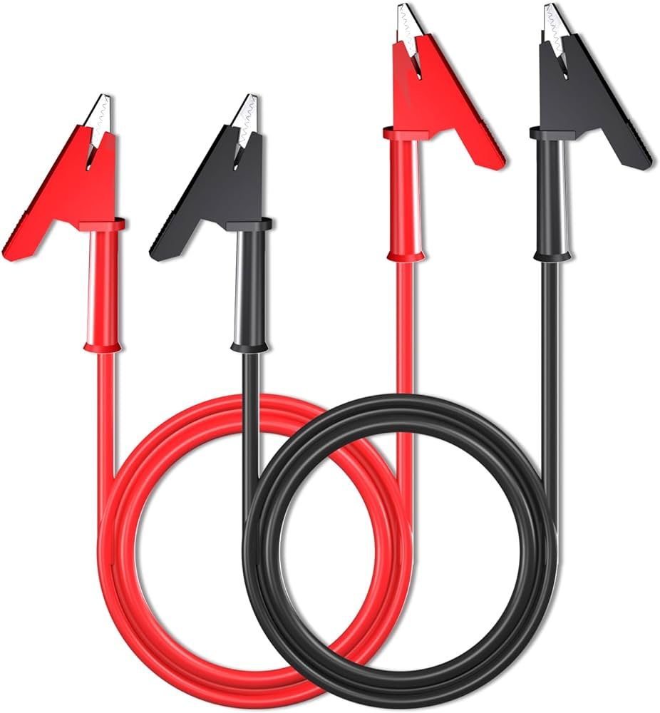
 | Auto Plumber | Anchors
 | Auto Plumber | Antifreeze |  |  | 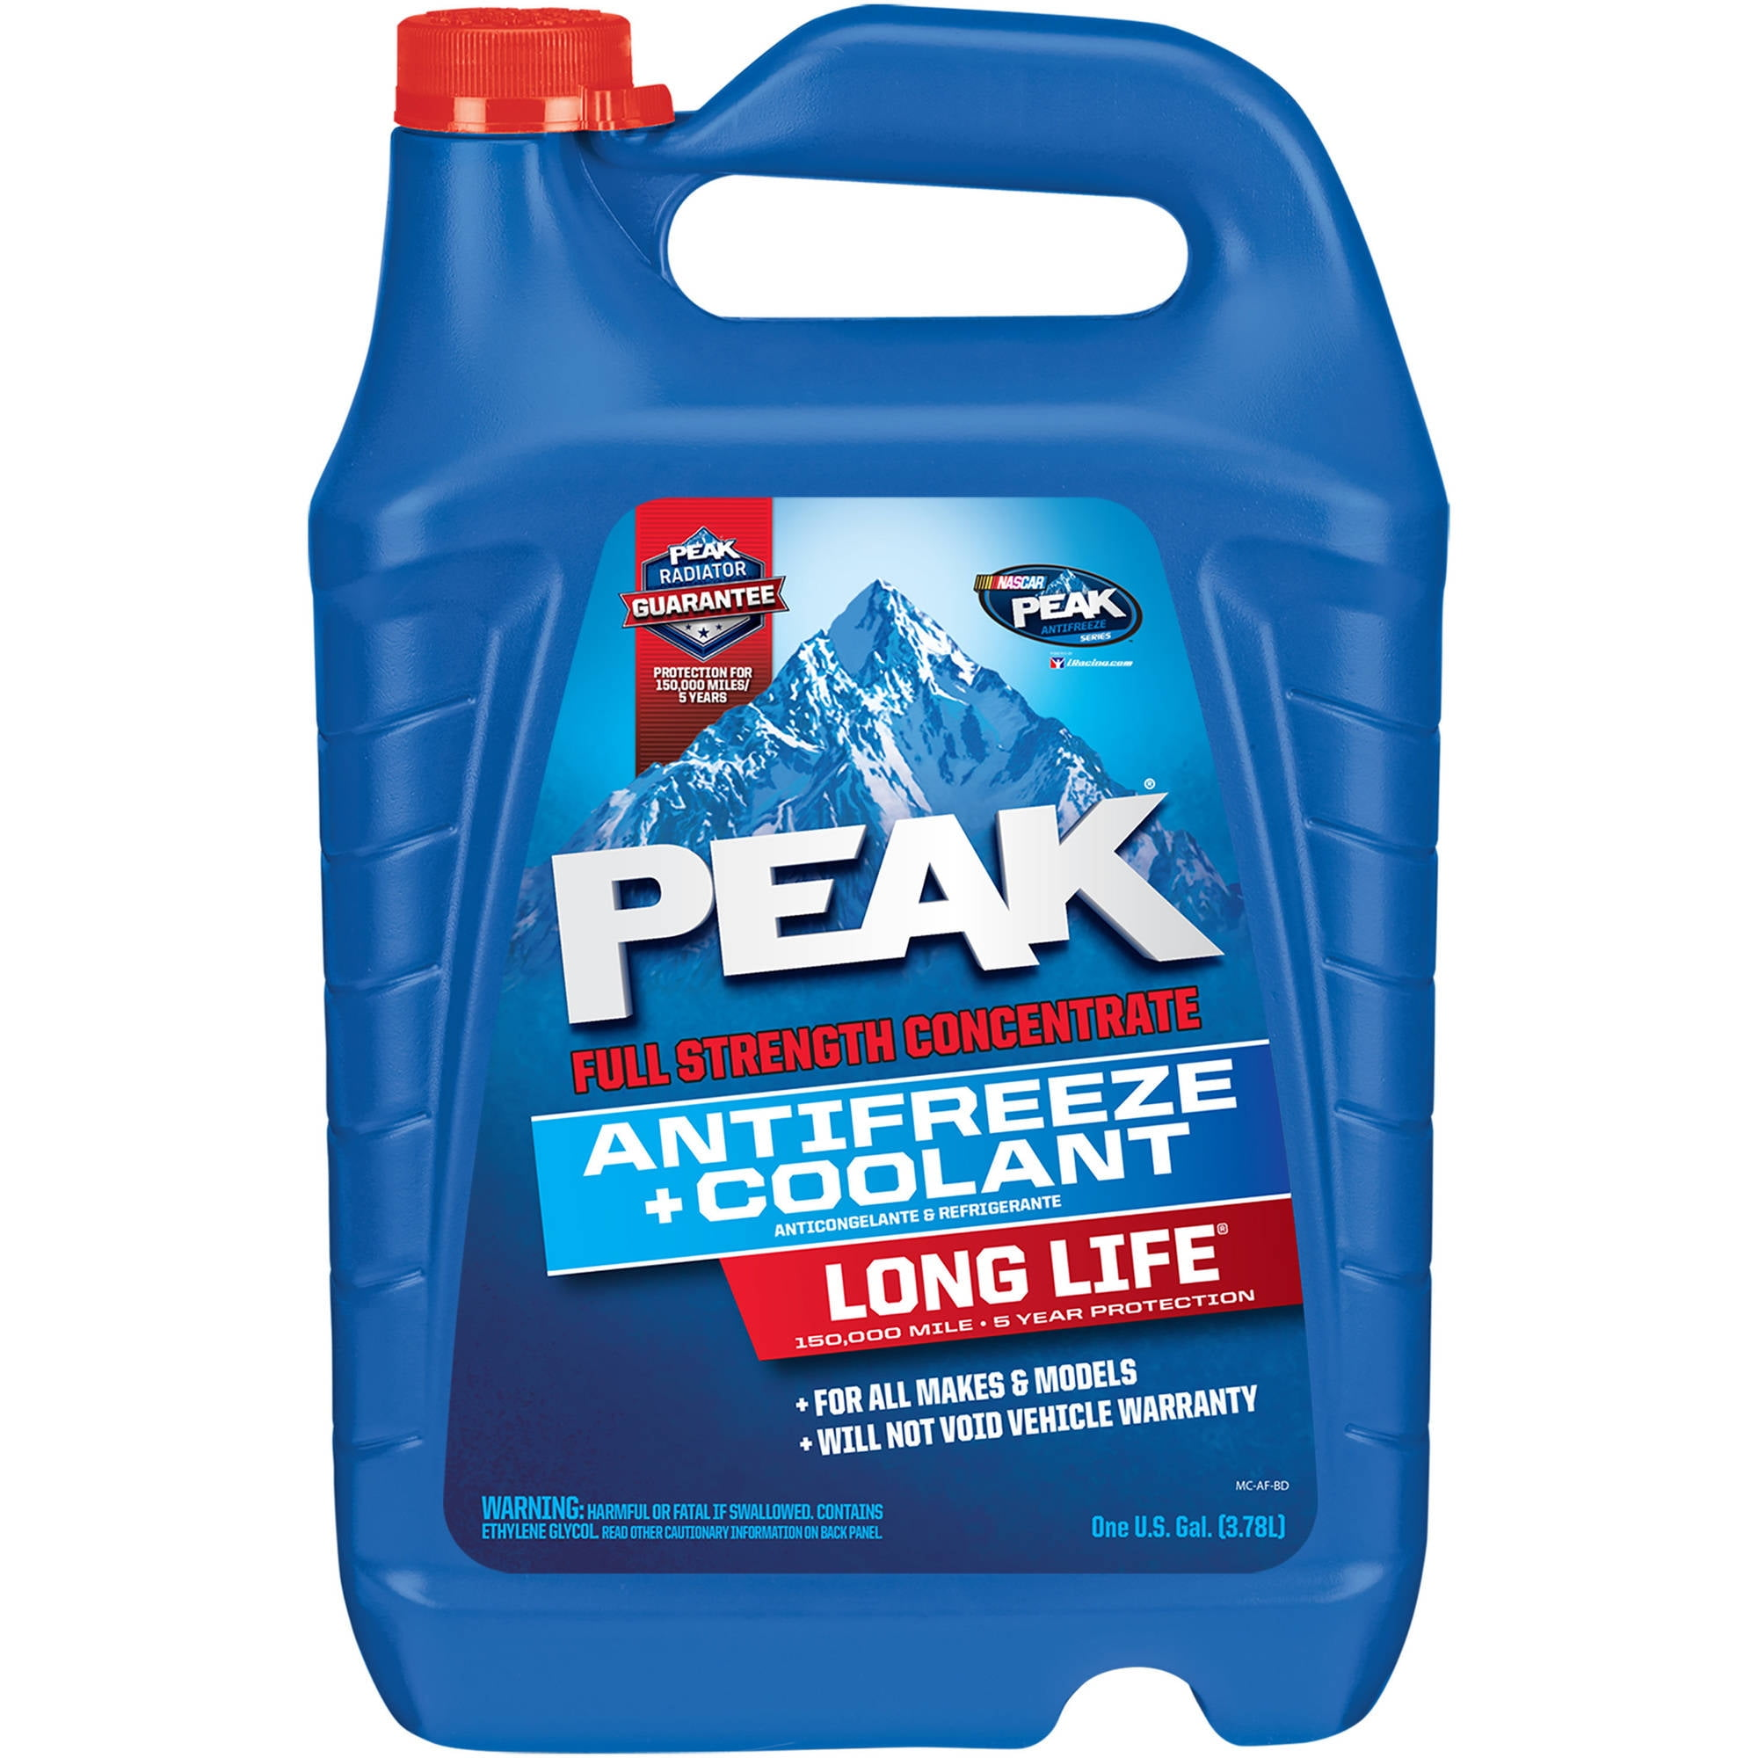
 | Auto Plumber | Assembly lubricant
 | Auto Plumber | Barricade Cones |  |  | 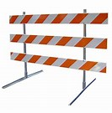
 | Auto Plumber | Brake fluid |  |  | 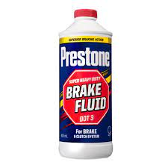
 | Auto Plumber | Bucket for fuel collection |  |  | 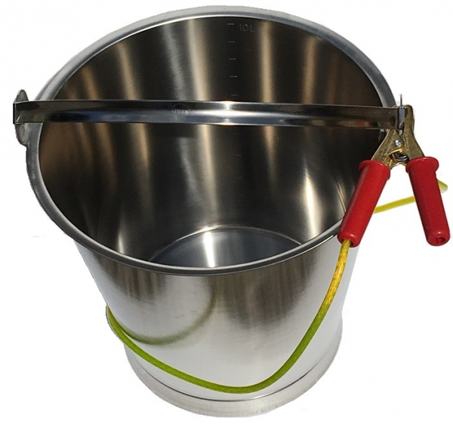
 | Auto Plumber | Cable clamps |  |  | 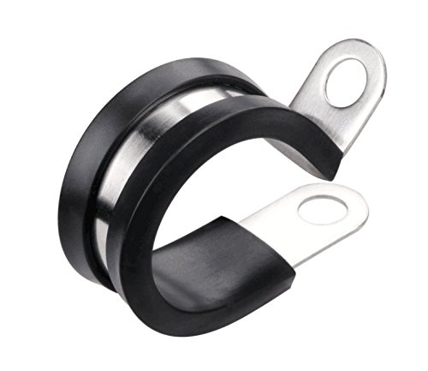
 | Auto Plumber | Cable cutter |  |  | 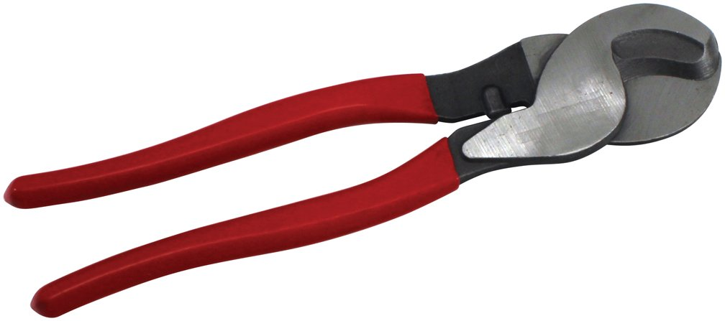
 | Auto Plumber | Cable drum |  |  | 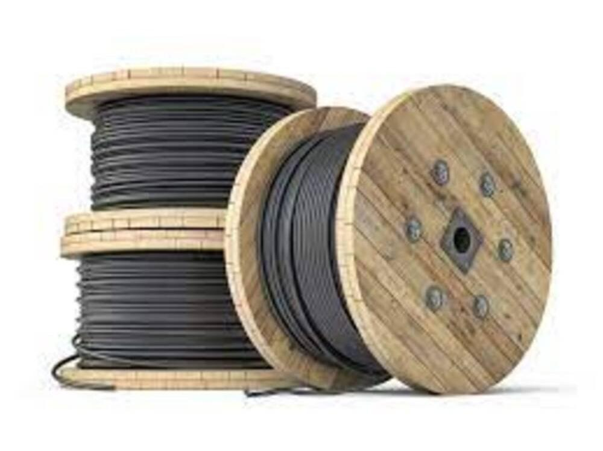
 | Auto Plumber | Cable fault locator |  |  | 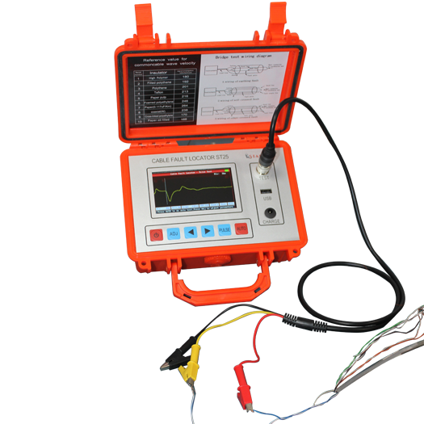
 | Auto Plumber | Cable grips |  |  | 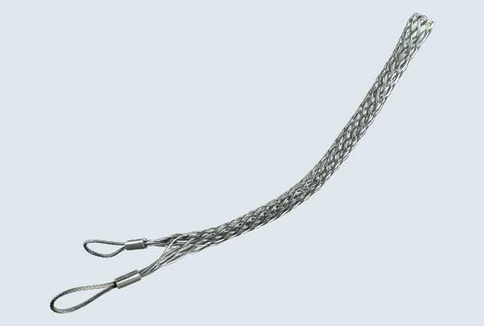
 | Auto Plumber | Cable jointing kit |  |  | 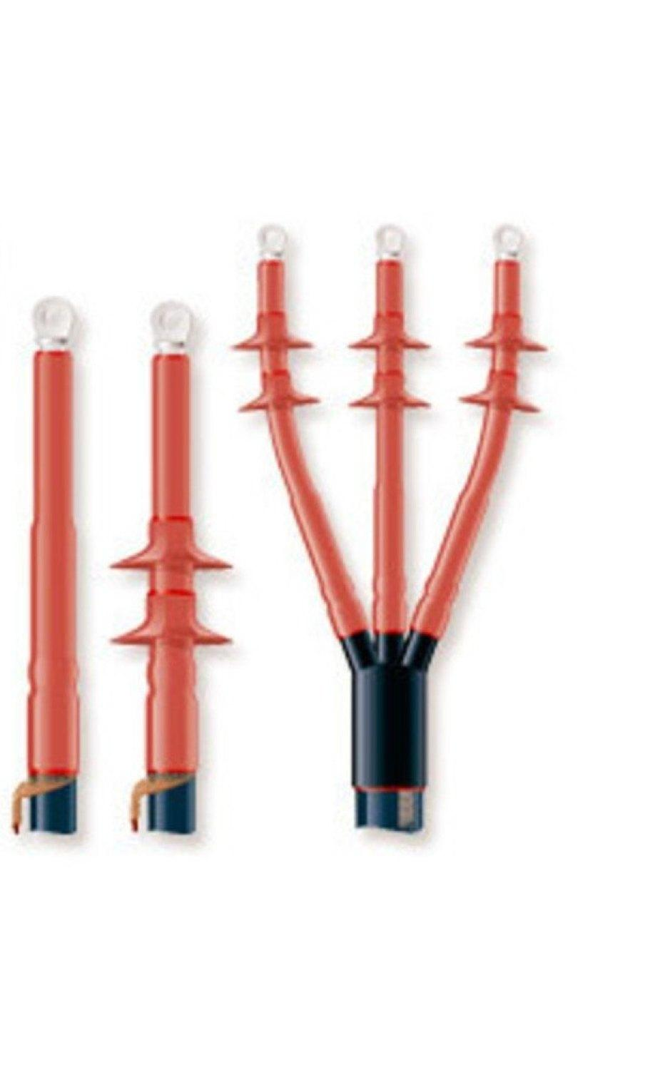
 | Auto Plumber | Cable laying tools |  |  | 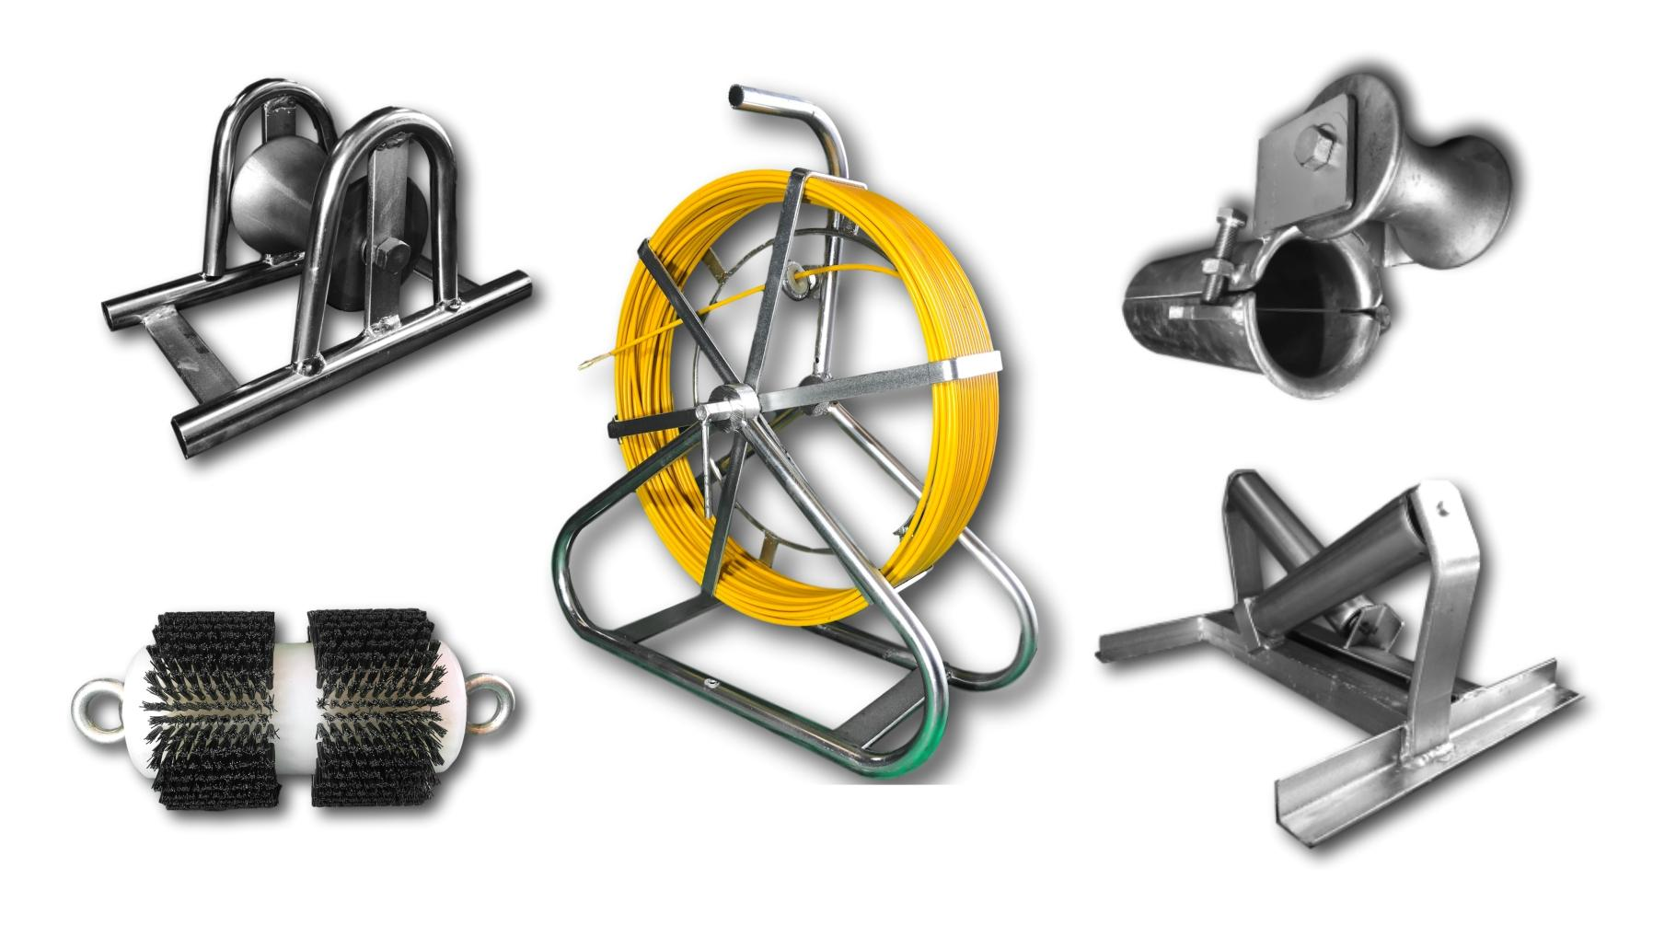
 | Auto Plumber | Cable lubricant |  |  | 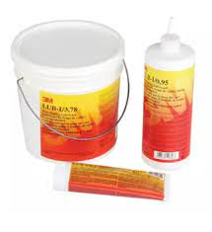
 | Auto Plumber | Cable markers |  |  | 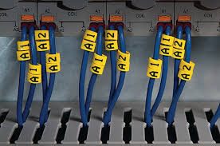
 | Auto Plumber | Cable preparation tools |  |  | 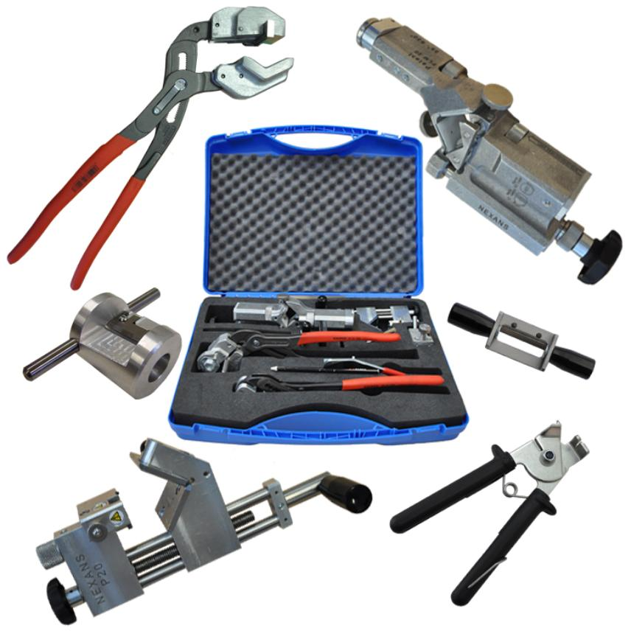
 | Auto Plumber | Cable protector |  |  | 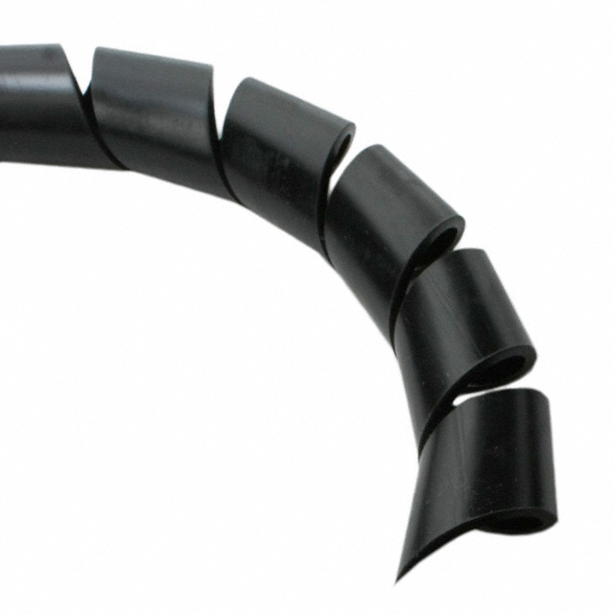
 | Auto Plumber | Cable pulling equipment |  |  | 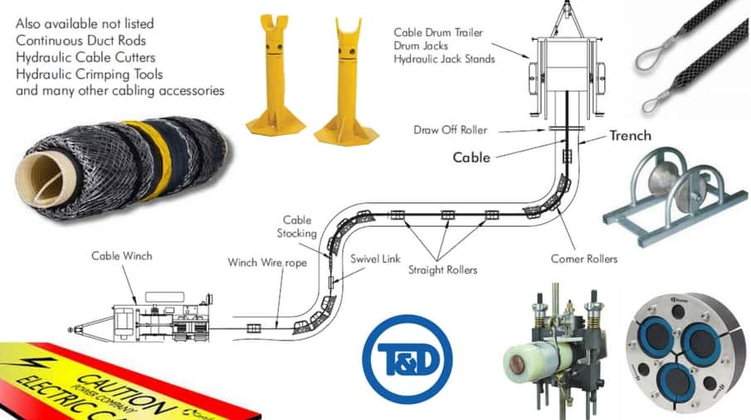
 | Auto Plumber | Cable sample |  |  | 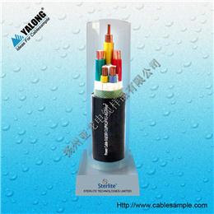
 | Auto Plumber | Cable tester |  |  | 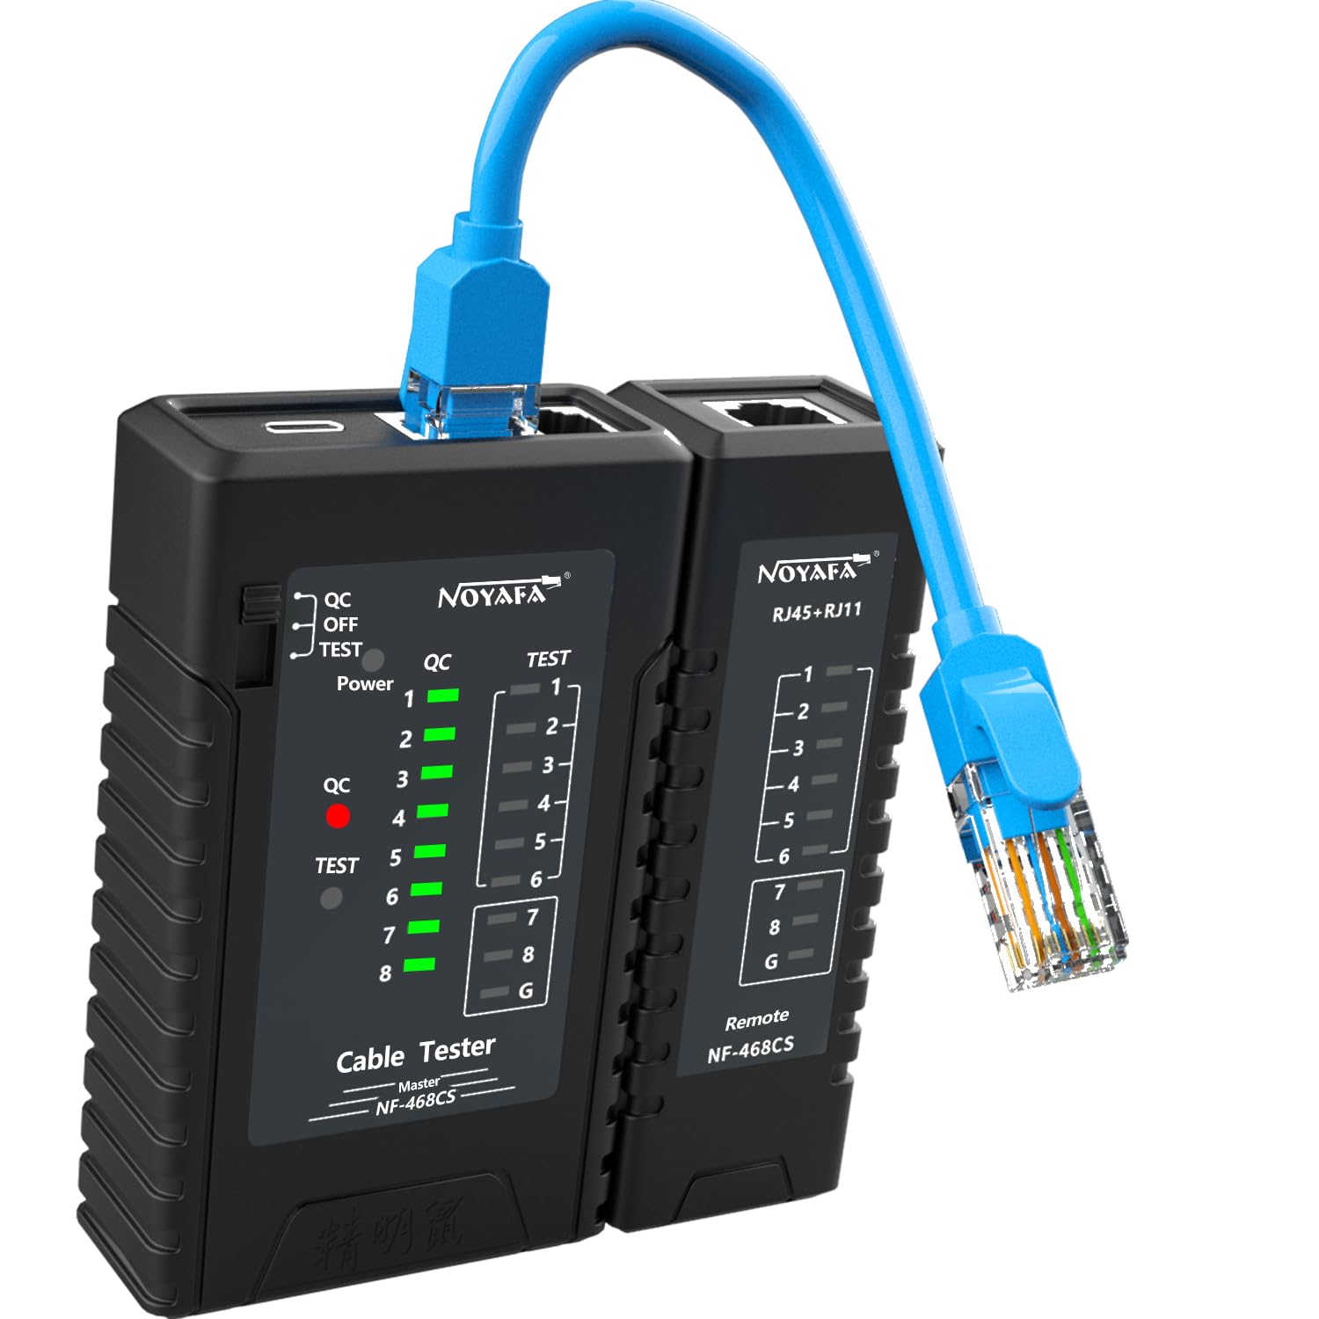
 | Auto Plumber | Cable tie |  |  | 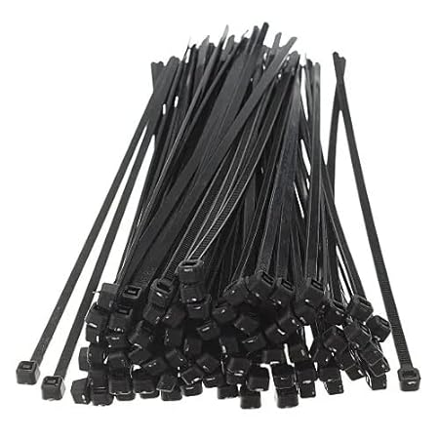
 | Auto Plumber | Cable trunking |  |  | 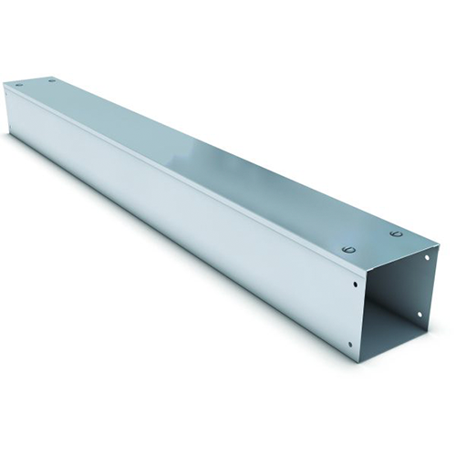
 | Auto Plumber | Circuit tracer |  |  | 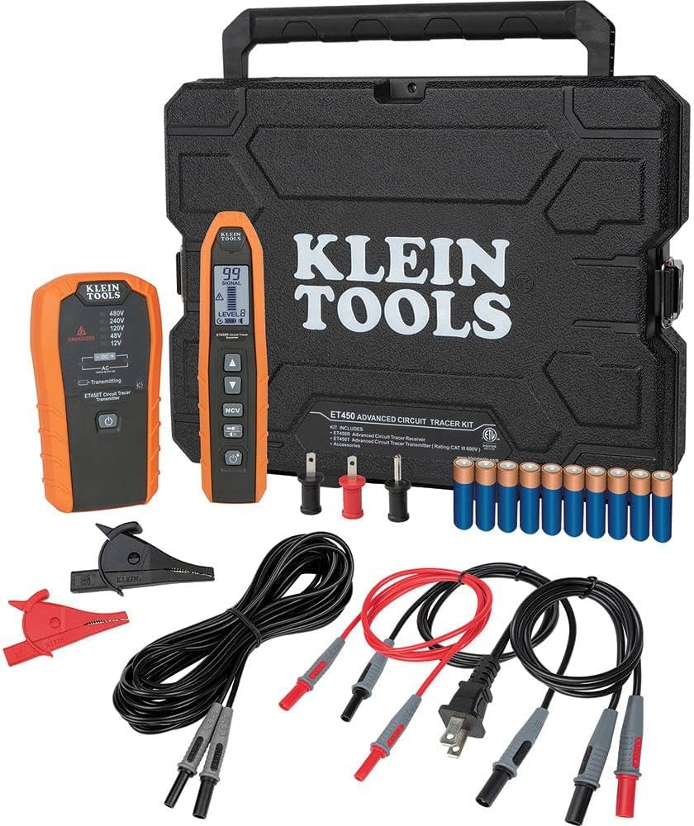
 | Auto Plumber | Cleaning solvents |  |  | 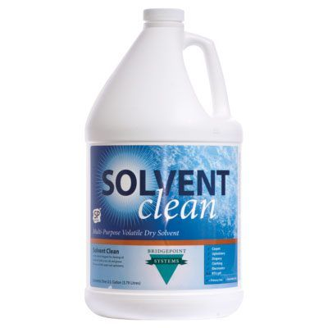
 | Auto Plumber | Conductive grease |  |  | 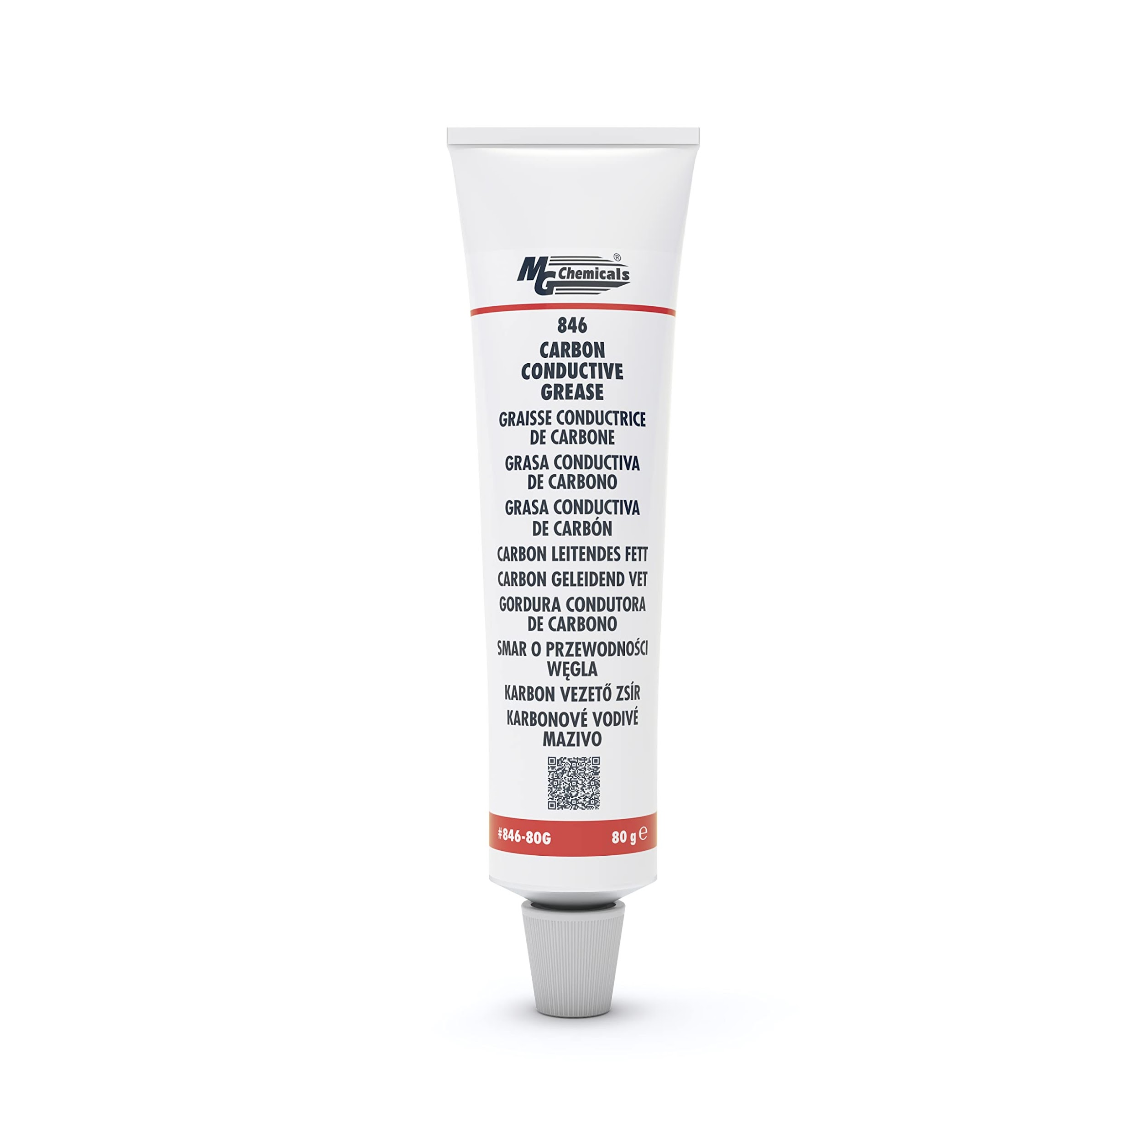
 | Auto Plumber | Conduit (both metallic and non-metallic) |  |  | 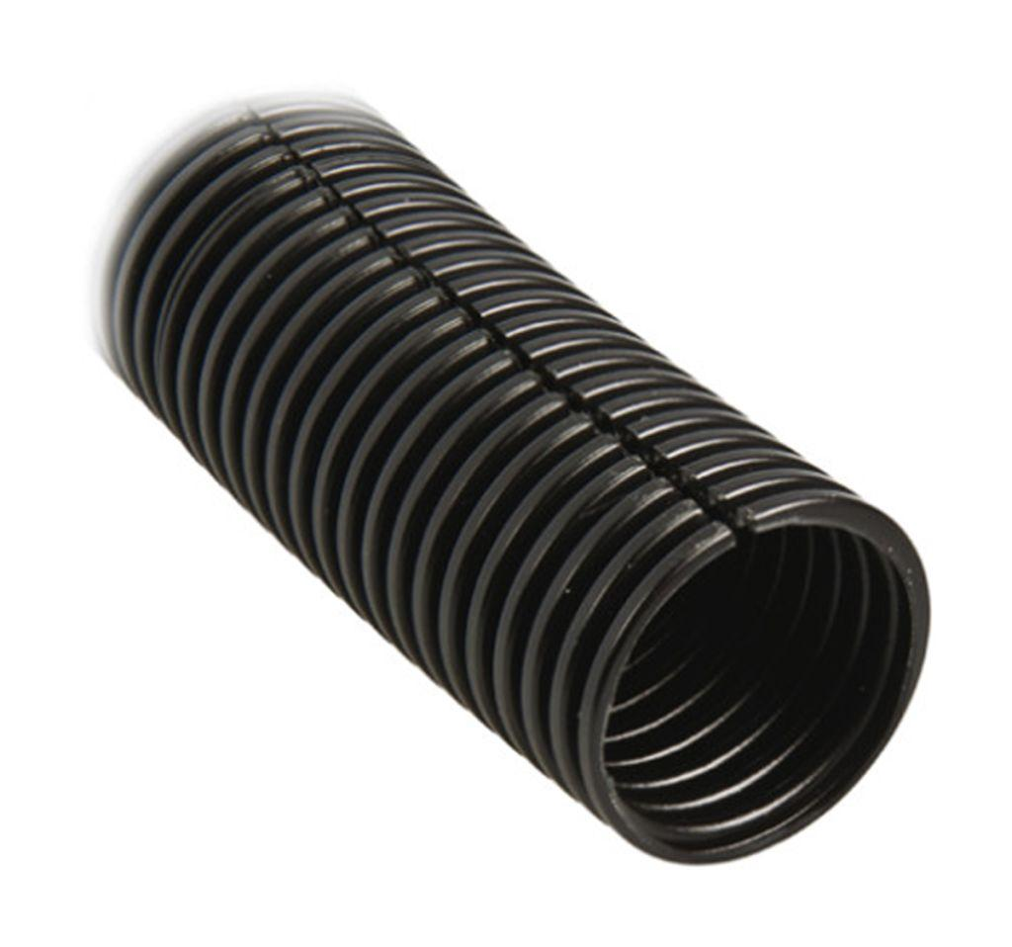
 | Auto Plumber | Conduit bending machine |  |  | 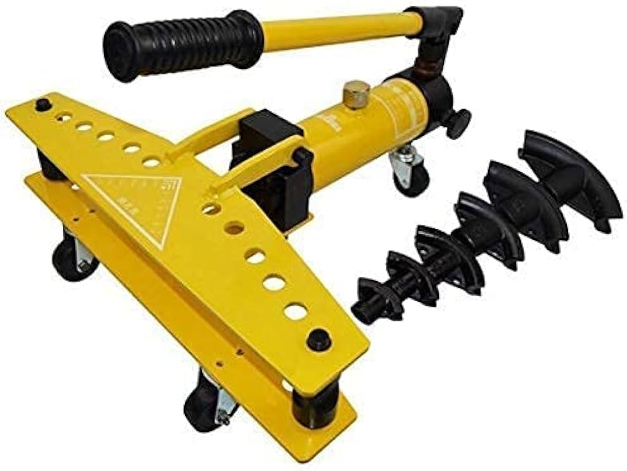
 | Auto Plumber | Connectors |  |  | 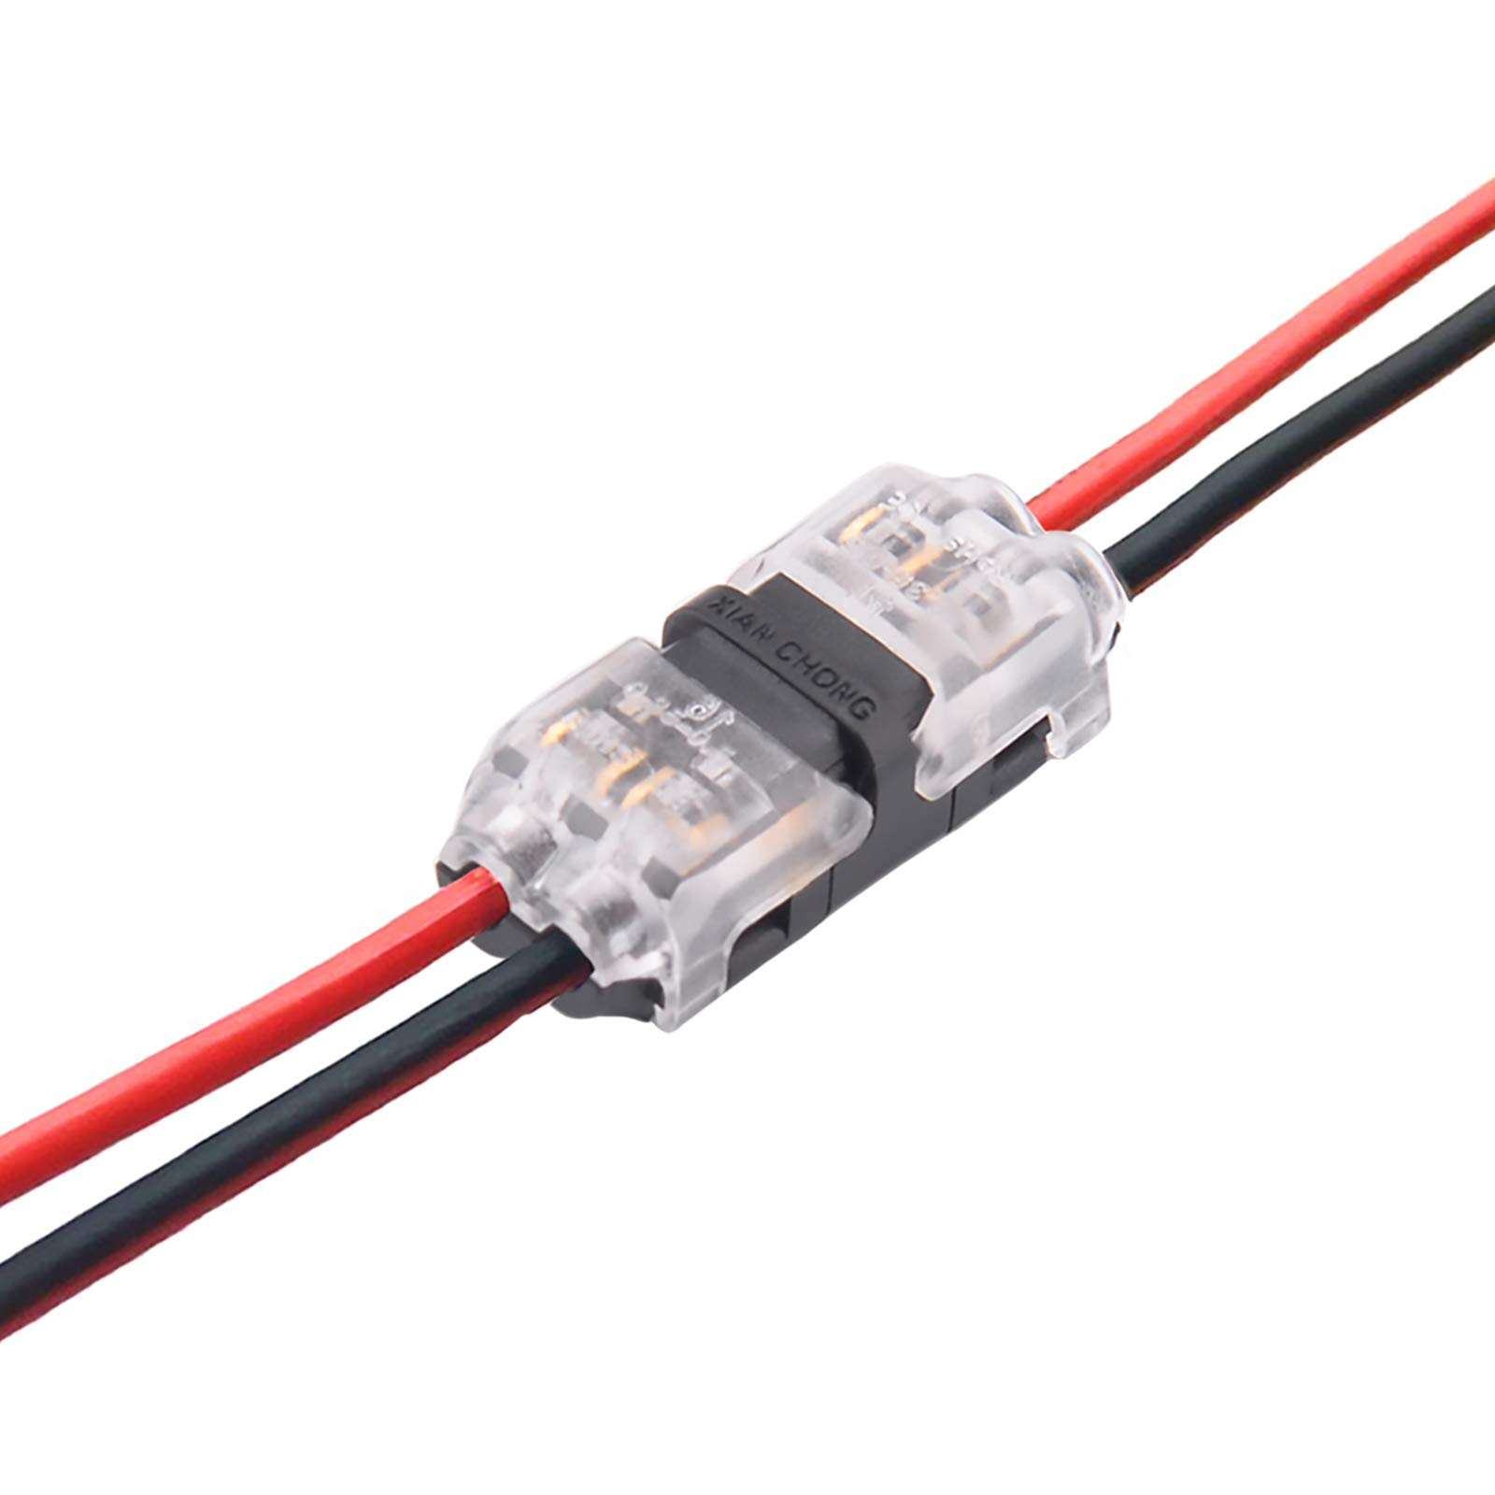
 | Auto Plumber | Continuity tester |  |  | 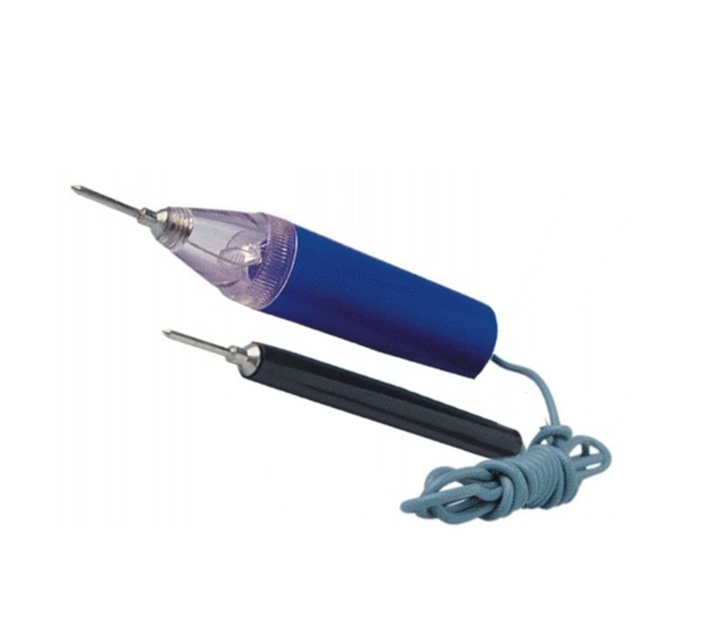
 | Auto Plumber | Control panel |  |  | 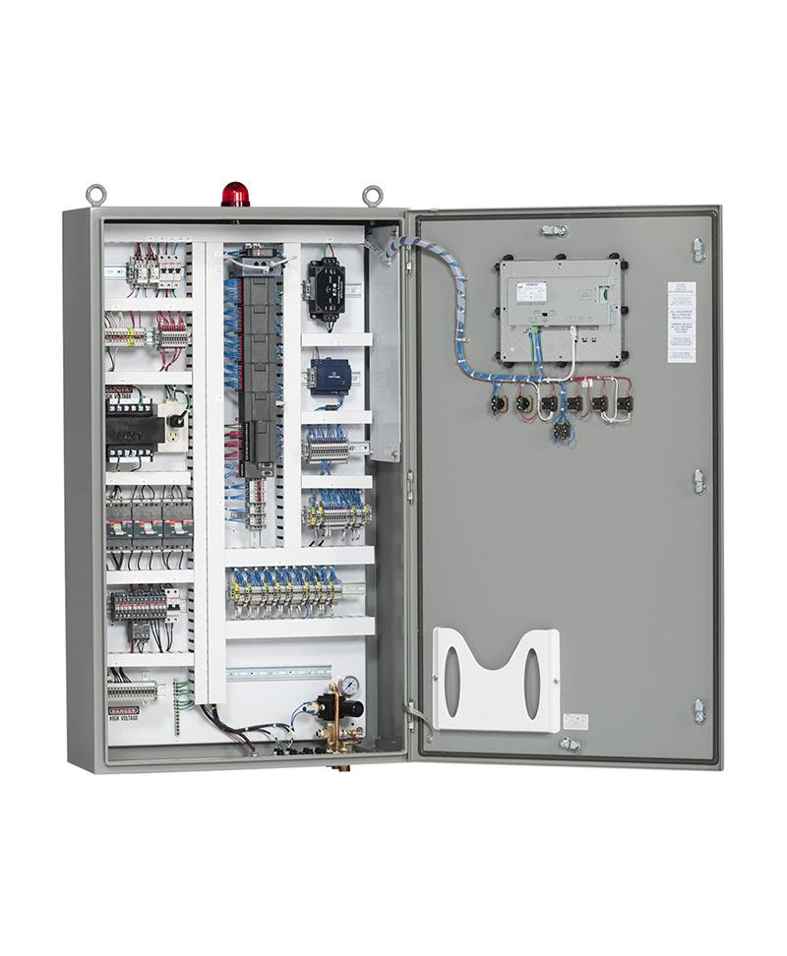
 | Auto Plumber | Coolant |  |  | 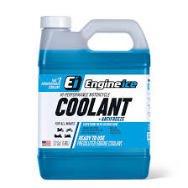
 | Auto Plumber | Cooling system flush machine |  |  | 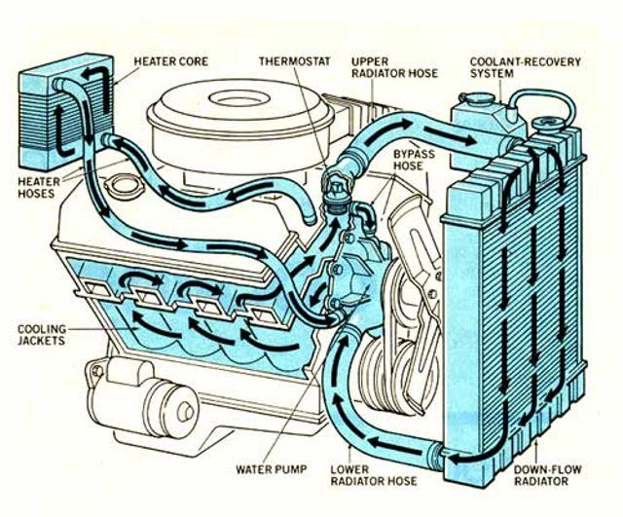
 | Auto Plumber | Crimp fittings |  |  | 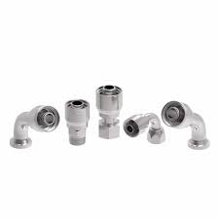
 | Auto Plumber | Crimp lugs |  |  | 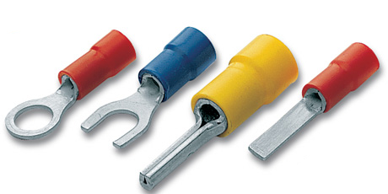
 | Auto Plumber | Crimping tools |  |  | 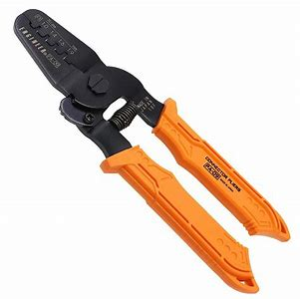
 | Auto Plumber | Diagnostic scan tool |  |  | 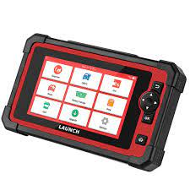
 | Auto Plumber | Digital camera |  |  | 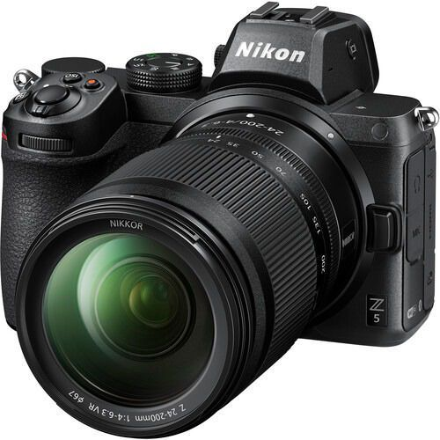
 | Auto Plumber | Drain pan |  |  | 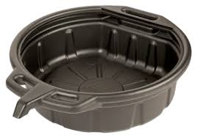
 | Auto Plumber | Drip pan |  |  | 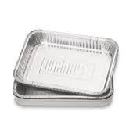
 | Auto Plumber | Earthing clamps |  |  | 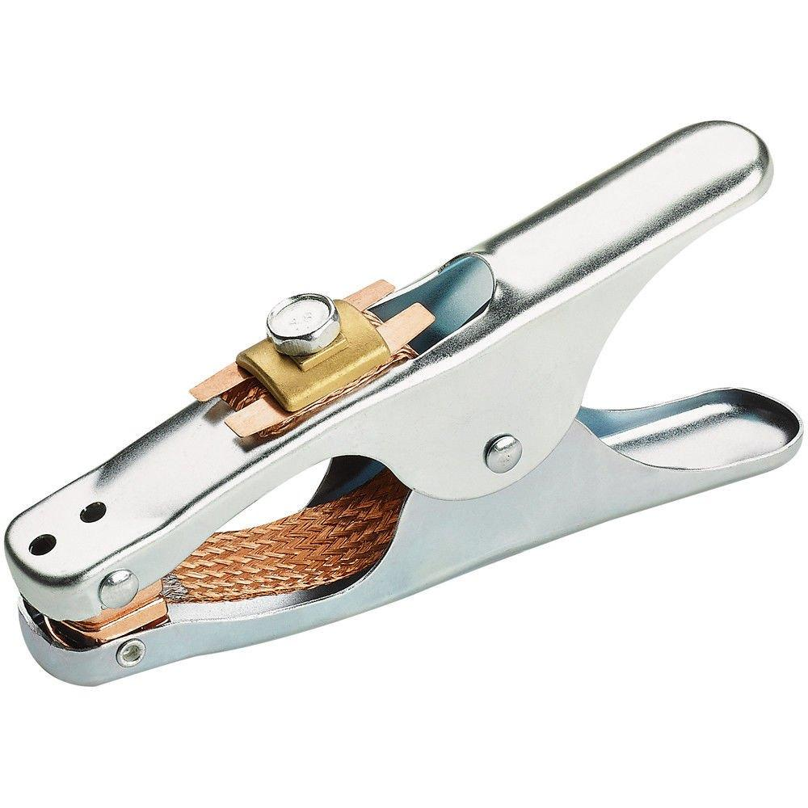
 | Auto Plumber | Electrical metallic conduit |  |  | 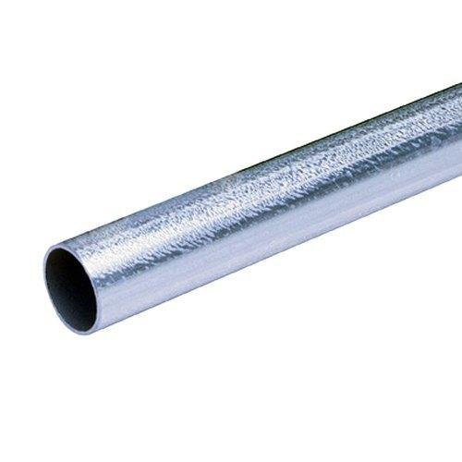
 | Auto Plumber | Filters |  |  | 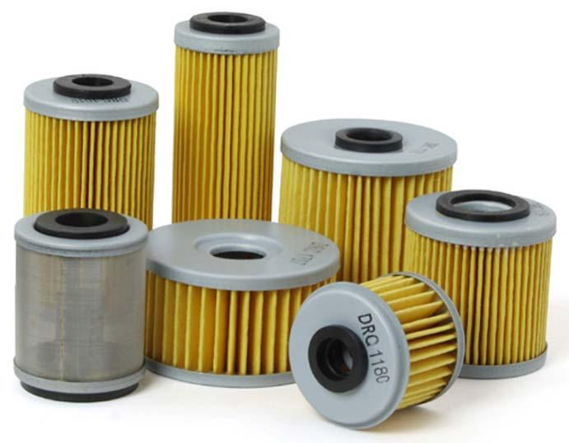
 | Auto Plumber | Fittings |  |  | 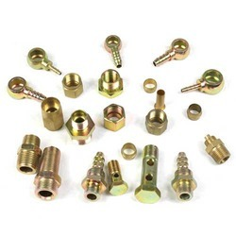
 | Auto Plumber | Flaring tool |  |  | 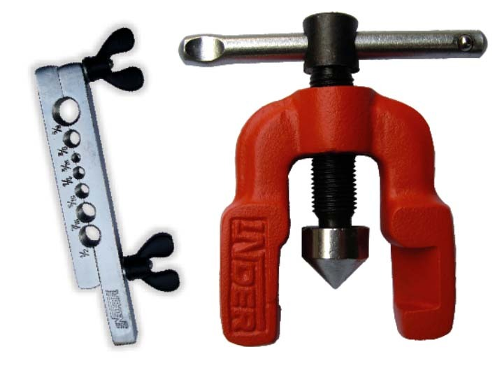
 | Auto Plumber | Fluid Dispenser |  |  | 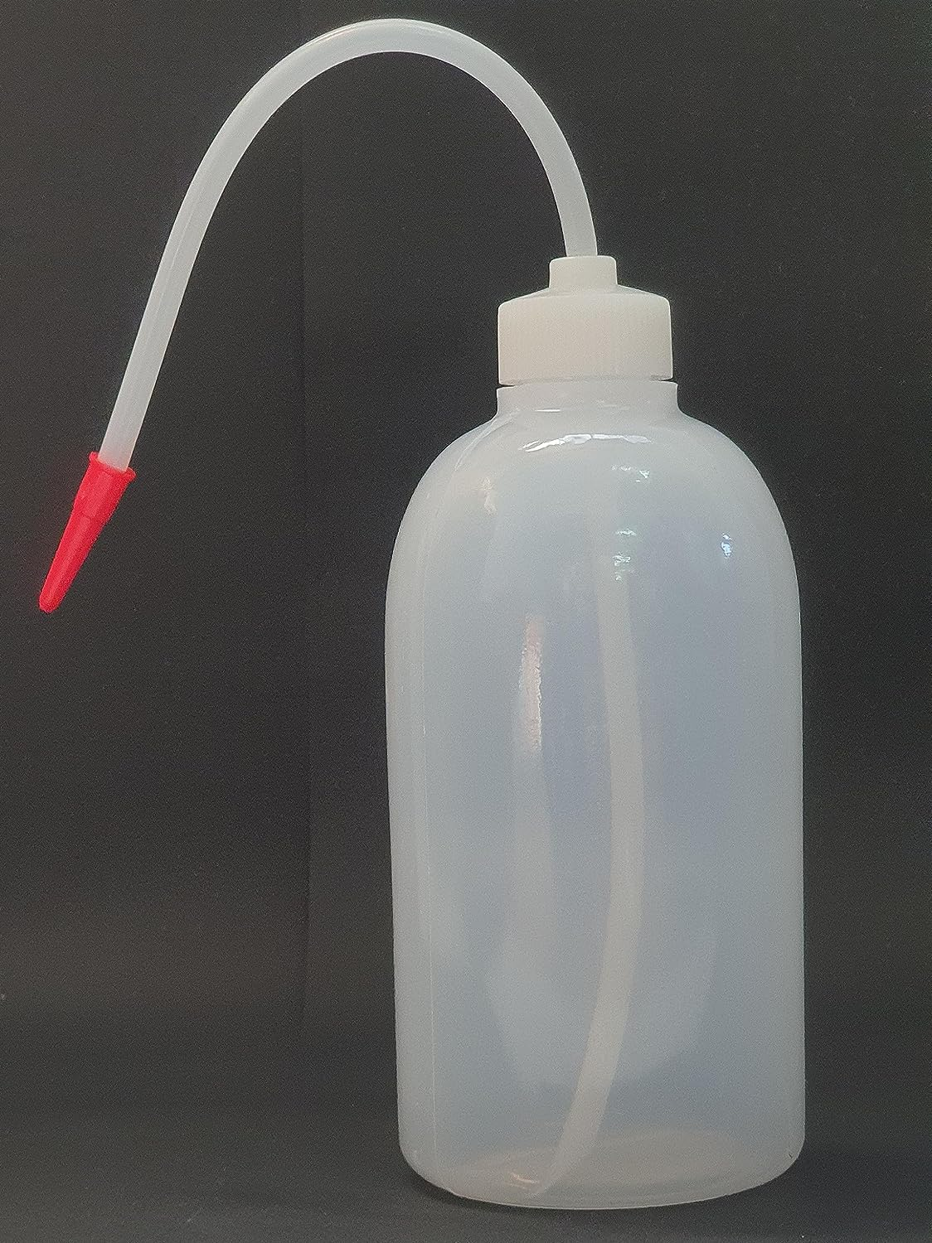
 | Auto Plumber | Fluid extractor |  |  | 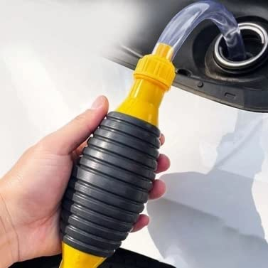
 | Auto Plumber | Fuel filter wrench |  |  | 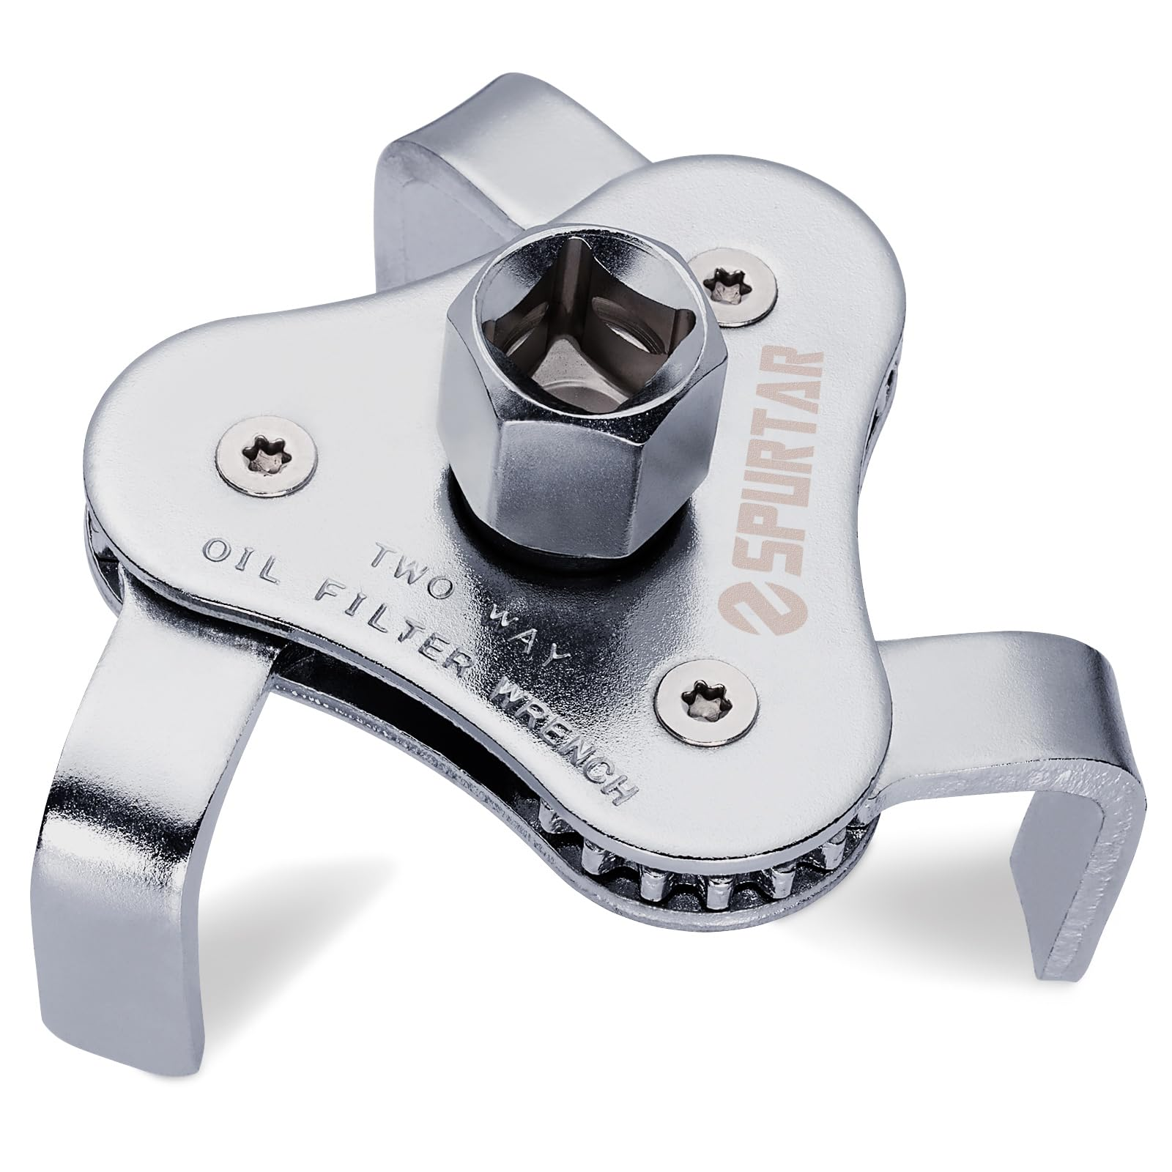
 | Auto Plumber | Fuel line |  |  | 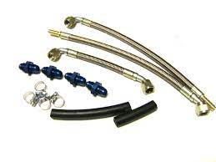
 | Auto Plumber | Fuel line cutter |  |  | 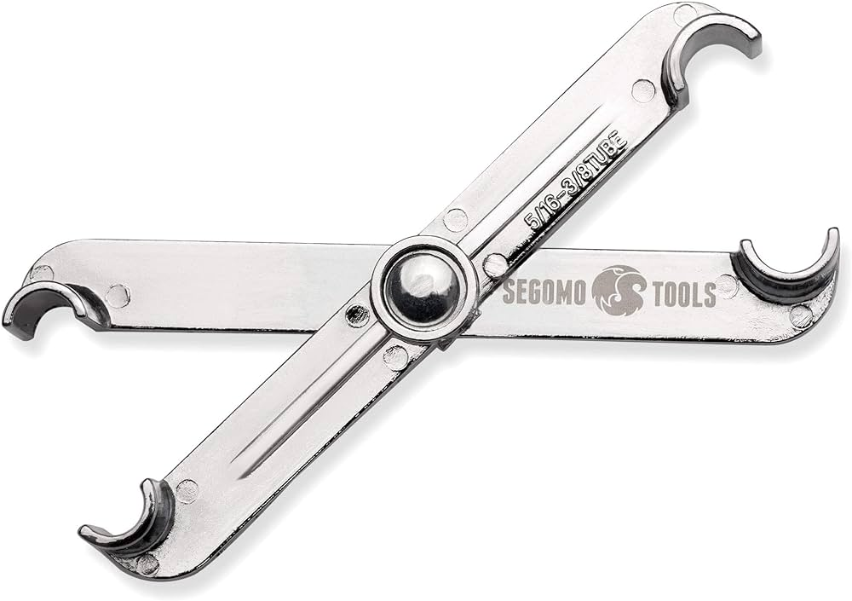
 | Auto Plumber | Fuel line repair toolkit |  |  | 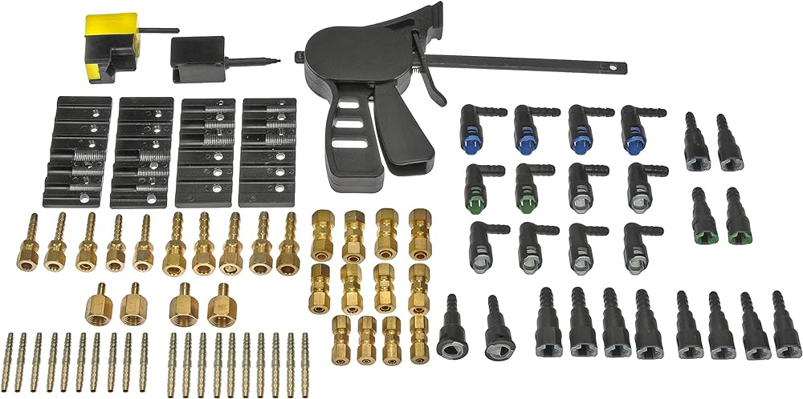
 | Auto Plumber | Fuel pressure tester |  |  | 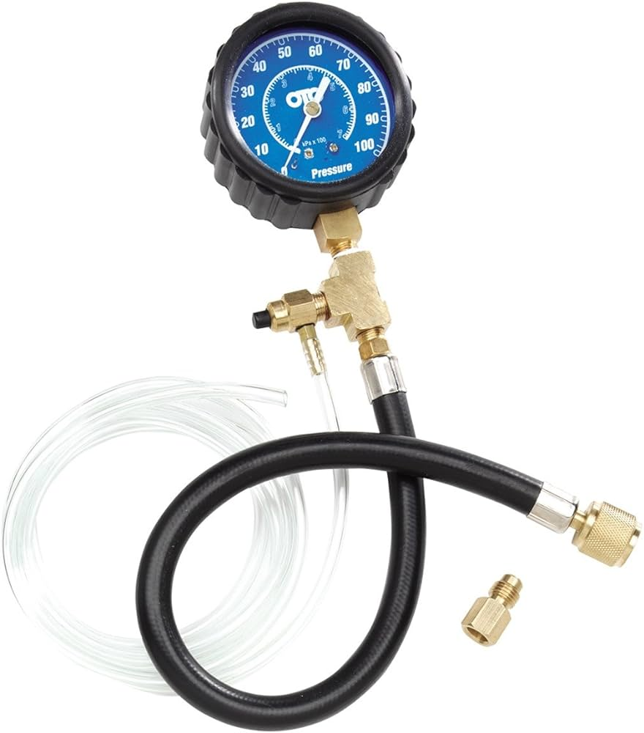
 | Auto Plumber | Funnel
 | Auto Plumber | Grounding cables
 | Auto Plumber | Grounding rods
 | Auto Plumber | Hacksaw
 | Auto Plumber | Hammer drill
 | Auto Plumber | Heat gun
 | Auto Plumber | High tension cables
 | Auto Plumber | High-voltage cable
 | Auto Plumber | Hoisting equipment
 | Auto Plumber | Hose clamps
 | Auto Plumber | Hose removal tool
 | Auto Plumber | Hydraulic fittings
 | Auto Plumber | Hydraulic hose crimper
 | Auto Plumber | Hydraulic jack
 | Auto Plumber | Hydraulic lift
 | Auto Plumber | Hydraulic line repair kit
 | Auto Plumber | Hydraulic pressure test kit
 | Auto Plumber | Infrared thermometer
 | Auto Plumber | Inspection toolkit
 | Auto Plumber | Insulating tape
 | Auto Plumber | Insulation resistance tester
 | Auto Plumber | Jack stands
 | Auto Plumber | Joining adhesives
 | Auto Plumber | Jointing kits
 | Auto Plumber | Level
 | Auto Plumber | Marker pens
 | Auto Plumber | Marking paint
 | Auto Plumber | Measuring tape
 | Auto Plumber | Motorcycle stand
 | Auto Plumber | Mounting clamps
 | Auto Plumber | Multimeter
 | Auto Plumber | New radiator and thermostat
 | Auto Plumber | Notepad for notes
 | Auto Plumber | Overhead cables
 | Auto Plumber | Overhead line simulator
 | Auto Plumber | Pencil
 | Auto Plumber | Phase meter
 | Auto Plumber | Power cables
 | Auto Plumber | Pressure gauge
 | Auto Plumber | PVC conduit
 | Auto Plumber | Radiator flush fluid
 | Auto Plumber | Radiator installation kit
 | Auto Plumber | Radiator pressure tester
 | Auto Plumber | Radiator solder
 | Auto Plumber | Replacement fuel filter
 | Auto Plumber | Replacement fuel lines
 | Auto Plumber | Replacement hydraulic hoses
 | Auto Plumber | Screwdriver set
 | Auto Plumber | Screws
 | Auto Plumber | Sealing compound
 | Auto Plumber | Soldering iron
 | Auto Plumber | Splice closure kit
 | Auto Plumber | Standard metallic conduit
 | Auto Plumber | Terminal cabinet
 | Auto Plumber | Terminal lugs
 | Auto Plumber | Test cable set
 | Auto Plumber | Thread sealing tape
 | Auto Plumber | Threaded conduit
 | Auto Plumber | Threading machine
 | Auto Plumber | Trenching tools
 | Auto Plumber | Tubing cutter
 | Auto Plumber | Various gauges
 | Auto Plumber | Wall anchors
 | Auto Plumber | Wall plugs
 | Auto Plumber | Wire brush
 | Auto Plumber | Wire cutters
 | Auto Plumber | Wrench set
Protective Equipment & Wear
 | Auto Plumber | Fire retardant, Reflective jacket or Jumpsuit with multiple pockets and reflective bands
 | Auto Plumber | Full body harness
 | Auto Plumber | Face mask (For light duty installation work)
 | Auto Plumber | Chemical-Resistant Gloves
 | Auto Plumber | Technician gloves
 | Auto Plumber | HEPA filter Respirator (When using soldering iron, drills, or handling large electrical equipment like generators)
 | Auto Plumber | Protective Safety Glasses/Goggles
 | Auto Plumber | Insulated boots
 | Auto Plumber | Insulated Ladder
 | Auto Plumber | Polypropylene Safety Hat (When working at construction site, at all times)
 | Auto Plumber | Elbow and knee guards
 | Auto Plumber | Insulated gloves
Emergency Protection and Warning Equipment
 | Auto Plumber | Fire prevention Kit (Containing fire blanket, Heat Resistant Gloves, Escape Rope, Glass Hammer, Glow Sticks, Flashlight, First Aid Supplies with Burn Injury Care Treatment and More)
 | Auto Plumber | Lockout/Tagout Device with padlock
 | Auto Plumber | Fire extinguisher (Hand held or Wall mounted)
 | Auto Plumber | First aid box
 | Auto Plumber | Safety tags,
 | Auto Plumber | Safety notice board /safety message board
 | Auto Plumber | Barricade Cones
 | Auto Plumber | Warning Signs (Danger)

